Sheet1
Definitional categories obtained from the clustering task by OpenAI based on 2,474 knowledge graphs
Category: name of the definitional category
Definition: definition of the category as provided by the model
Example: example of a sentence associated with a knowledge graph used by the model to justify the creation of the category
KG: visual representation of the knowledge graph for the example sentence

Category | Definition | Example | KG
Ancestry and Health | This cluster explores the relationship between ancestry and health-related traits or conditions, such as disease risk, genetic predispositions, and phenotypic traits.​ | "Independent of glycemic control DKD aggregates in families and has higher incidence rates in African Mexican and American Indian ancestral groups relative to European populations." | 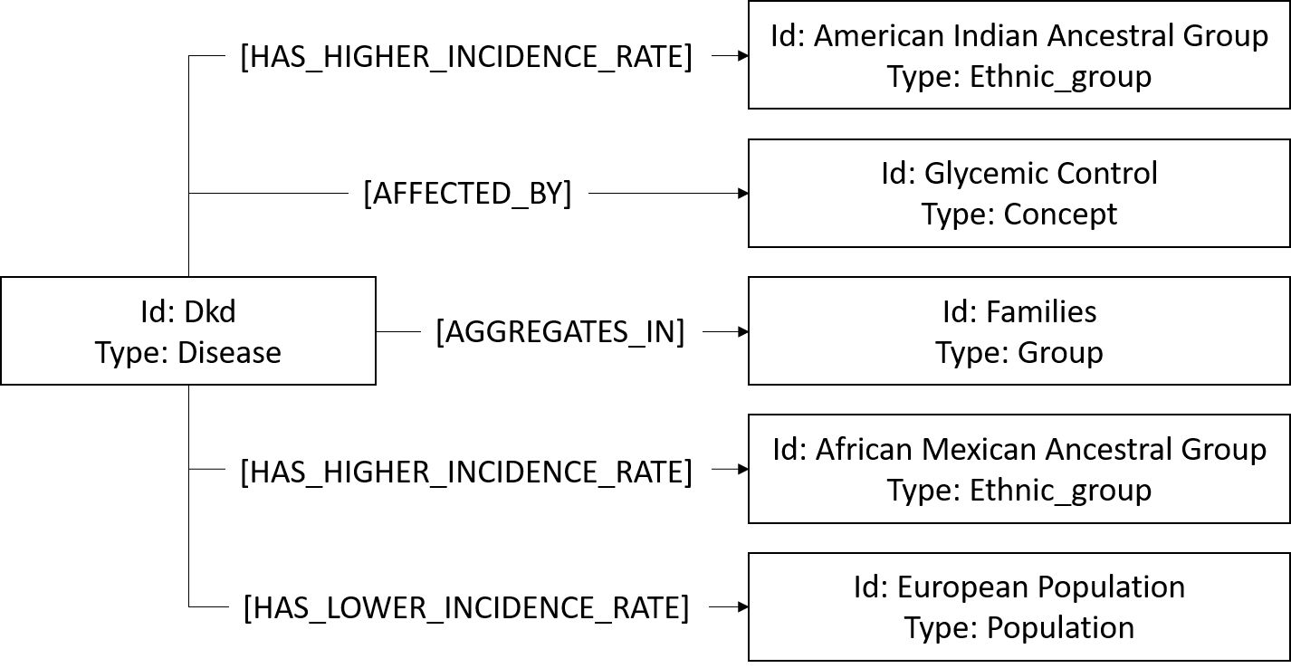
Ancestry and Population Structure | This cluster focuses on the study of populations and their ancestral origins, often involving the analysis of population structure, migration patterns, and admixture events to understand the genetic makeup of different groups. | "There are both continental trends such as a decrease of shared ancestry with distance; regional patterns such as higher IBD in eastern and northern populations; and diverse outlying signals." | 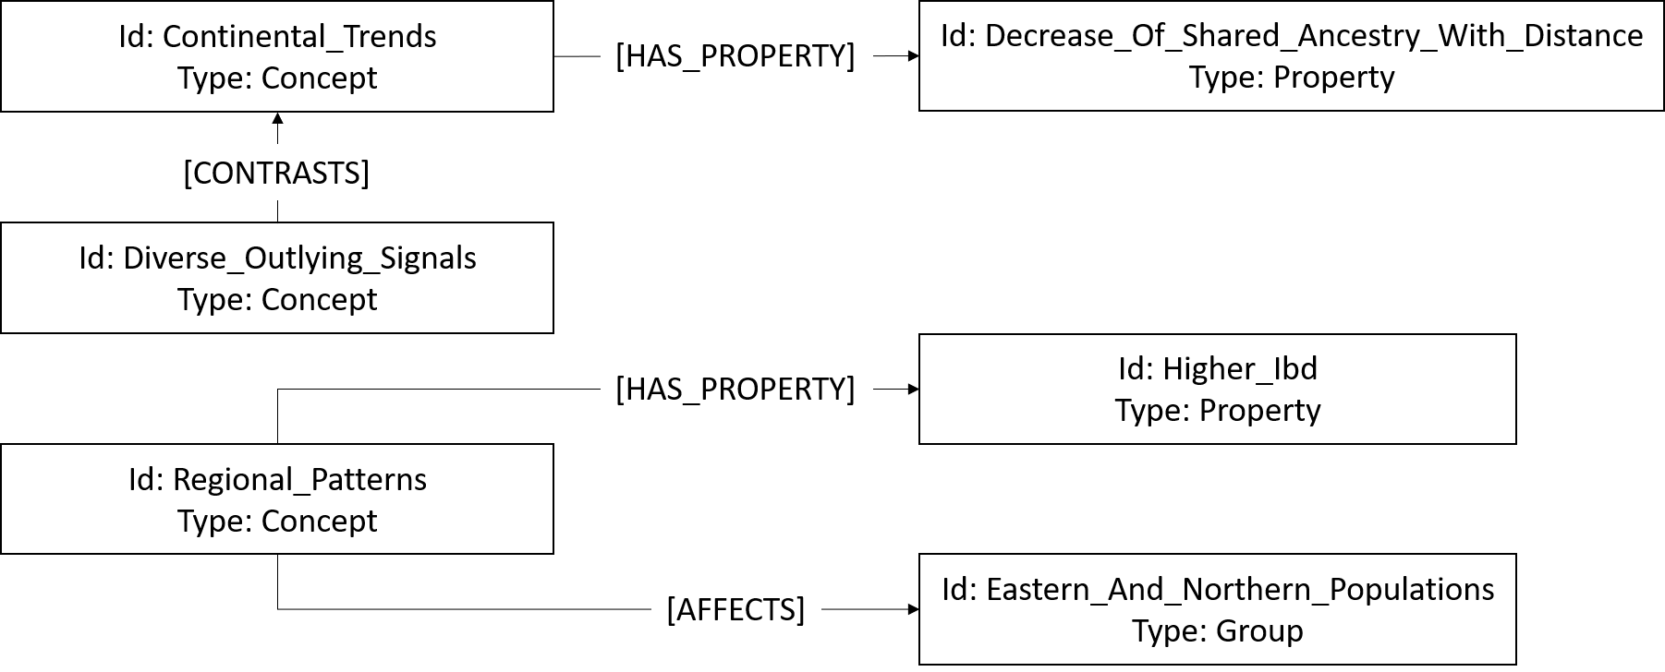
Ancestry and Evolutionary Processes | This cluster examines the role of ancestry in evolutionary processes, including the study of ancestral states, evolutionary changes, and the impact of ancestry on species evolution. | "The problem with only considering haplotypes with high derived allele frequencies is that natural selection could also act to select the ancestral allele and these signatures would not be detected using the WGLRH test."
Ancestry and Cultural Identity | This cluster examines the intersection of ancestry with social and cultural identity, including self-perception and historical migrations. | "Here we present the most extensive analysis of genetic ancestry physical diversity and selfperception of ancestry yet conducted in Latin America." | 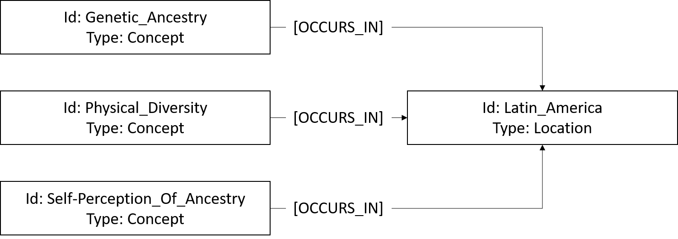
Ancestry and Methodological Approaches | This cluster involves the development and application of methodological approaches to study ancestry, including statistical models, software tools, and analytical techniques. | "We simulated the genotype Gid for the dth copy of individual i using the Balding-Nichols model with a fixation index of Fst = 0.2 which accounts for varying local ancestry Aikd." | 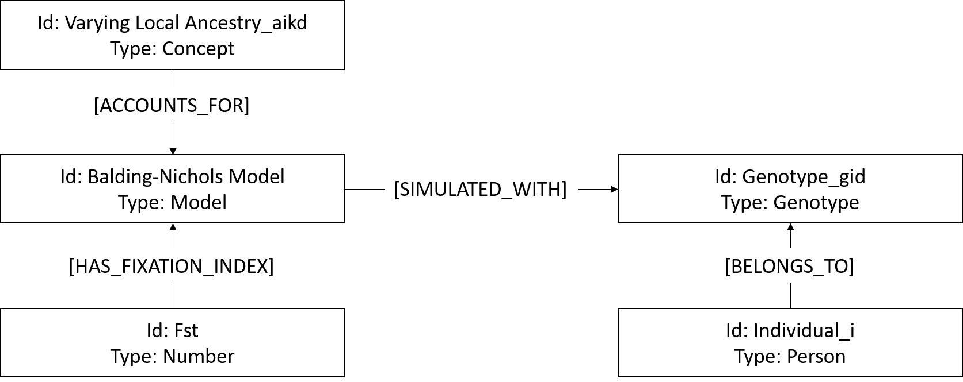
Ancestry and Genetic Variation | This cluster focuses on the role of ancestry in genetic variation, including the study of ancestral alleles, haplotypes, and the impact of ancestry on genetic diversity. | "In the same vein the ancestral allele ‘C’ of SNP rs7198 mediated allele-specific regulation ofSLC25A19 by miR-122 while its derived ‘G’ allele prevented regulation (Figure 1D)." | 