Sheet1
Definitional categories obtained from the clustering task by OpenAI based on 404 knowledge graphs
Category: name of the definitional category
Definition: definition of the category as provided by the model
Example: example of a sentence associated with a knowledge graph used by the model to justify the creation of the category
KG: visual representation of the knowledge graph for the example sentence

Category | Definition | Example | KG
Genetic Ancestry and Health | How genetic ancestry influences health traits, disease risks, and biological pathways, linking ancestry-related genetic variation to medical outcomes. | "Knowing the ancestry information at the individual level can be essential in medicine as the disease risks and frequencies vary between the individuals of different ancestral groups." | 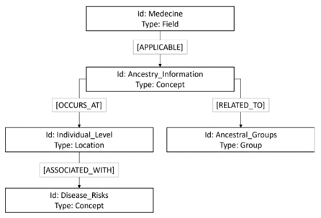
Ancestry in Population Structure and Genetic Variation | How ancestry shapes the organization, differentiation, and genetic relationships among populations, including stratification, clustering, and diversity patterns. | "In the population of European ancestry we found that 50% of the individuals are heterozygous for the inversion 8% are homozygous and 42% do not have the inverted allele (Figure 2B)." | 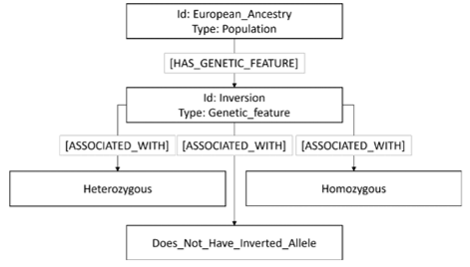
Ancestry in Evolution and Lineage Relationships | How ancestry traces evolutionary history across species or lineages, including ancestral–descendant patterns and deep evolutionary connections.
Human Ancestry, Identity, Geography, and Demography | How human ancestry relates to cultural identity, ethnic self-identification, migration history, regional distributions, and demographic patterns.​ | "Analysis of individual ancestry data revealed that two self-reported CA had greater than 55% African ancestry and one self-reported African American had 99.9% European ancestry." | 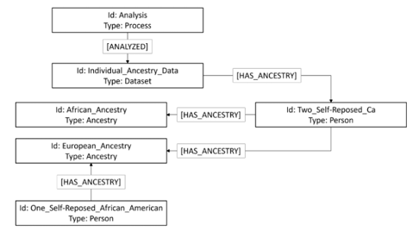
Ancestry-Inference Tools, Markers, and Analytic Approaches | The genetic markers, mapping strategies, and analytical methods used to identify, quantify, or model ancestry. | "Our approach significantly improves detection efficiency compared to traditional single-ancestry pathway analysis and the conventional approach that amalgamates single-ancestry pathway analysis results across different ancestry groups." | 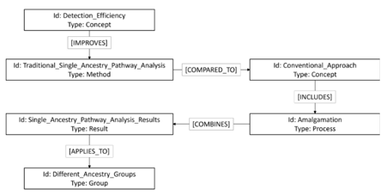
Ancestry–Environment Interactions | How ancestry interacts with environmental exposures or ecological conditions to shape traits, adaptations, or responses. | "In turn understanding the interaction between the social and environmental milieu with an individual's genomic profile and genetic ancestry can extend our understanding of disease pathology and expand therapeutic options for everyone."

