GE2 2025 F2
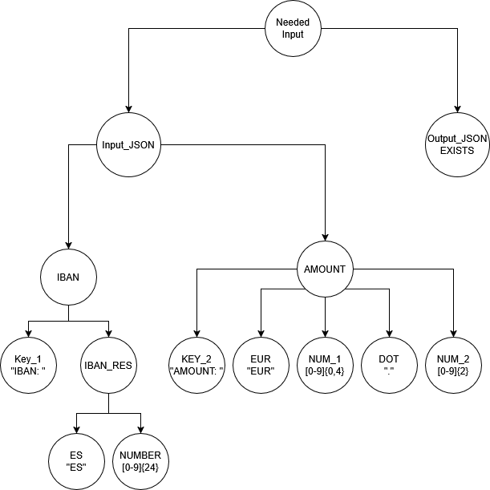
# | NODE | TERMINAL (T) / NO TERMINAL (NT) | TYPE (DUPLICATION / DELETION / MODIFICATION / VALID) | ID TEST | DESCRIPTION | FILE PATH | FILE CONTENT | EXPECTED RESULT | OBSERVATIONS
1 | DepositRequest | NT | VALID | TC1 | Valid deposit request | ../deposits.json | {"IBAN":"ES7921000813610123456789","AMOUNT":"EUR 500.00"} | SHA-256 hash
2 | DepositRequest | NT | VALID | TC2 | Valid deposit request | ../deposits.json | {"IBAN":"ES9121000418450200051332","AMOUNT":"EUR 100.00"} | SHA-256 hash
3 | Amount | T | VALID | TC3 | Valid deposit with minimum amount | ../deposits.json | {"IBAN":"ES7921000813610123456789","AMOUNT":"EUR 10.00"} | SHA-256 hash
4 | Amount | T | VALID | TC4 | Valid deposit with maximum amount | ../deposits.json | {"IBAN":"ES7921000813610123456789","AMOUNT":"EUR 10000.00"} | SHA-256 hash
5 | IBAN | T | VALID | TC5 | Valid deposit with large amount but within limit | ../deposits.json | {"IBAN":"ES9121000418450200051332","AMOUNT":"EUR 9999.99"} | SHA-256 hash
6 | IBAN | NT | DELETION | TC6 | IBAN too short | ../deposits.json | {"IBAN":"ES79","AMOUNT":"EUR 500.00"} | AccountManagementException (Invalid IBAN format)
7 | Currency | T | DELETION | TC7 | Missing currency format | ../deposits.json | {"IBAN":"ES7921000813610123456789","AMOUNT":"500.00"} | AccountManagementException (Invalid currency format)
8 | IBAN | NT | DELETION | TC8 | Empty IBAN field | ../deposits.json | {"IBAN":"","AMOUNT":"EUR 100.00"} | AccountManagementException (Invalid IBAN)
9 | IBAN | NT | DUPLICATION | TC9 | IBAN too long | ../deposits.json | {"IBAN":"ES79210008136101234567891234567890123456789","AMOUNT":"EUR 500.00"} | AccountManagementException (Invalid IBAN format)
10 | Amount | T | DUPLICATION | TC10 | Amount with more than two decimal places | ../deposits.json | {"IBAN":"ES7921000813610123456789","AMOUNT":"EUR 100.123"} | AccountManagementException (Amount format invalid, must have two decimal places)
11 | IBAN | T | DUPLICATION | TC11 | IBAN with extra spaces | ../deposits.json | {"IBAN":" ES7921000813610123456789 ","AMOUNT":"EUR 500.00"} | AccountManagementException (Invalid IBAN format - contains spaces)
12 | IBAN | NT | MODIFICATION | TC12 | IBAN contains invalid characters | ../deposits.json | {"IBAN":"ES79ABC0813610123456789","AMOUNT":"EUR 500.00"} | AccountManagementException (Invalid IBAN format)
13 | Currency | T | MODIFICATION | TC13 | Amount in wrong format (USD instead of EUR) | ../deposits.json | {"IBAN":"ES7921000813610123456789","AMOUNT":"500 USD"} | AccountManagementException (Invalid currency format)
14 | Amount | T | MODIFICATION | TC14 | Amount is not a number | ../deposits.json | {"IBAN":"ES7921000813610123456789","AMOUNT":"EUR fifty"} | AccountManagementException (Invalid amount format)
15 | Amount | NT | MODIFICATION | TC15 | Amount contains commas instead of decimal points | ../deposits.json | {"IBAN":"ES7921000813610123456789","AMOUNT":"EUR 100,00"} | AccountManagementException (Invalid amount format)
16 | Amount | T | MODIFICATION | TC16 | Negative deposit amount | ../deposits.json | {"IBAN":"ES7921000813610123456789","AMOUNT":"EUR -50.00"} | AccountManagementException (Amount must be positive)
17 | Amount | NT | MODIFICATION | TC17 | Amount exceeds maximum allowed | ../deposits.json | {"IBAN":"ES7921000813610123456789","AMOUNT":"EUR 10000.01"} | AccountManagementException (Amount must be <= 10000.00)
18 | Amount | NT | MODIFICATION | TC18 | Amount below minimum allowed | ../deposits.json | {"IBAN":"ES7921000813610123456789","AMOUNT":"EUR 5.00"} | AccountManagementException (Amount must be >= 10.00)
19
20
21
22
23
24
25
26
27
28
29

GE2 2025 F3
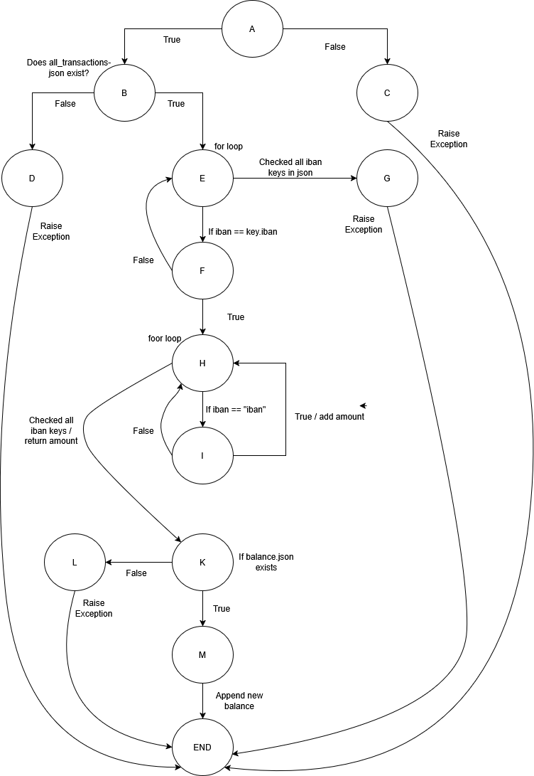
# | PATH | ID TEST | DESCRIPTION | KEY | EXPECTED RESULT | OBSERVATIONS
1 | A_B_E_F_H_I_K_M_END | TC1 | We run all the valid nodes | ES8658342044541216872704 | True && stored new balance in json | This test tests the valid input and all correct conditions at once
2 | A_B_E_F_H_I_K_L_END | TC2 | We take the path with a balance file not found | ES8658342044541216872704 | AccountManagement(Exception) | This test has valid input but no balance file
3 | A_B_E_G_END | TC3 | We take path where valid iban is not in json | ES8658352044777777772704 | AccountManagement(Exception) | This test has valid input but the input is not in the database
4 | A_B_D_END | TC4 | We take path where all_transactions is not found | ES8658342044541216872704 | AccountManagement(Exception) | This test has valid input but database (all_transactions.json) not found
5 | A_C_END | TC5 | We take path where iban is not valid | ESP86583420 | AccountManagement(Exception) | This test doesn't have a valid input

