GE2 2024 F3
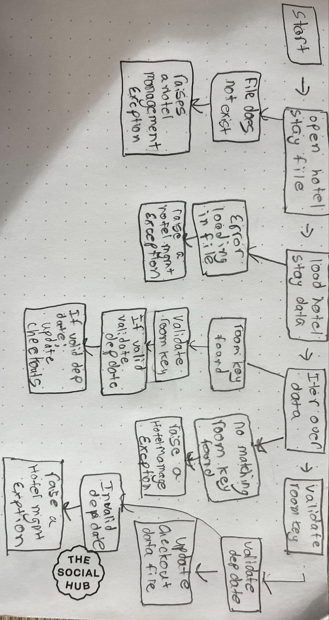
w | ID TEST | Description
room_key | TC1 | Tests if validate_room_key returns true to valid key
 | TC2 | Tests if validate_room_key returns false to invalid key
 | TC3 | Tests if valid scheduled departure date returns True with manfactured freeze time to match
 | TC4 | Tests if invalid scheduled departure date returns False with manfactured freeze time
 | TC5 | Tests that a valid dep date and a valid room key returns True
 | TC6 | Tests that a invalid dep date and a valid room key returns False
 | TC7 | Tests that a valid dep date and a invalid room key returns False
 | TC8 | Tests that a invalid dep date and a invalid room key returns False
 | TC9 | This test case simulates a checkout process for a guest with a valid room key. It then calls the guest_checkout method to verify it has correct functionality.

