Table 1
Project Name |  |  |  |  | Installation Date
Welder’s Name |  |  |  |  | Welder’s ID
Company Name |  |  |  |  | Pipe Brand
Welding Machine Model |  |  |  |  | Pipe Date
Welding Machine S/N |  |  |  |  | Fitting Brand
Is the machine calibrated? Yes / No (please circle) |  |  |  |  | Fitting Batch No.
Process | Action 1 |  | Action 2 |  |  | Action 3 |  | Action 4
1. Clean pipe surface | Weather Concerns: - Rainy? (Yes / No) - Windy? (Yes / No) |  | Environmental Concerns: Clay, dirt, bentonite etc. present? (Yes / No) |  |  | Wash pipe with clean water and clean rag.
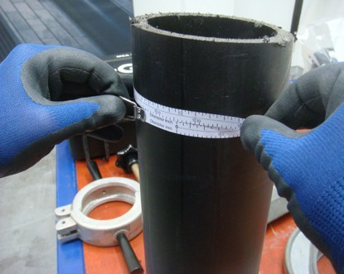 2. Pipe inspection | 2.1 Dimensions Tooling: use Diameter / Pi tape to measure. • Pipe OD: mm • Pipe SDR: Min OD: mm Max OD: mm Reject under-size pipe. |  | 2.2 Pipe Surface • Check for flat spots, using an ovality gauge: (Yes / No) If Yes, reject all pipes with flat spots. • Pipe gouges or dam- aged: reject or cut pipe |  |  | 2.3 Pipe Ovality Must use re-rounding tools, if ovality exceeds: • 3mm or 1.5%xDN for pipe ≤ 315mm OD • 5mm or 1%x DN for pipe ≥ 355 -800mm OD |  | 2.4 Pipe Reversion Check pipe end reversion using a steel ruler or sprit level (straight edge). Pipe ends with toe-in (tapered edge) must be cut off.
3. Square pipe end | 3.1 Cut pipe square at 90° angle, checked us- ing a builders square. |  | 3.2 Use deburring tool to remove swarf and sharp edges from the pipe end.
4. PE Fitting inspection | Fitting’s SDR: |  | Check SDR Range / Pipe Compatibility: (Yes / No) |  |  | Fitting Resistance (Ohms):
5. Pipe peeling length | Measure half the length of the fitting, plus an additional 20 mm and mark on the pipe. |  | mm + 20mm = mm (half length of the fitting) (pipe peeling length)
6. Peel pipe: minimum 2 peels CRITICAL FACTOR Use GF Rotary Peeler to ensure the peeling quality. | 6.1 Check: The peeling tool blade is sharp. Replace the blade if necessary. Measure 1st peel thick- ness. |  | 6.2 Measure peel strip thickness with Microme- tre or Vernier Callipers (+0.01 mm tolerance) • d63-d315 Pipe: 0.3 - 0.5mm • >d315 Pipe: 0.4-0.6mm Measure 2nd peel thick- ness. |  |  | 6.3 Never peel more than the minimum peeled pipe OD, as mea- sured using Diameter tape. |  | 6.4 Peeling records: • 1st peel: mm • 2nd peel: mm • 3rd peel: mm (if necessary) • 4th peel: mm (if necessary)

Doc No. F8.1.09 Issue No. 1 Date: 14/6/23
Process |  | Action 1 |  | Action 2 |  |  | Action 3
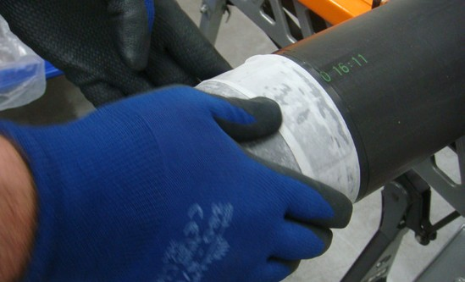 7. Clean peeled area only, using manufacturer approved > 90% Alcohol wipes |  | 7.1 Only wipe inside the peeled zone to prevent introducing contamination, outside the unpeeled area. CRITICAL FACTOR |  | 7.2 Wipe away from the pipe end in one direction - not back and forth. |  |  | 7.3 Alcohol solution must ful- ly evaporate / flash off prior to joint assembly.
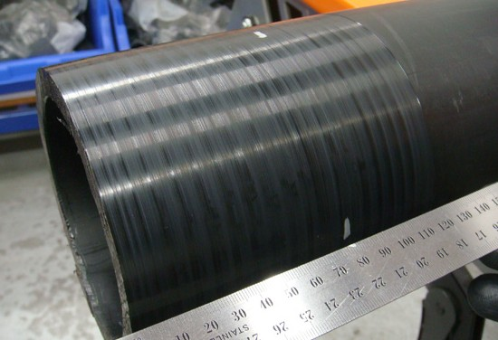 8. Mark pipe insertion depth |  | 8.1 Using a marking pen, measure half the length of the fitting. |  | 8.2 Measure and mark the pipe end, at 4 points around the pipe circumference. |  |  | If necessary, pipe reround- ing clamps can be installed at the pipe insertion depth mark.
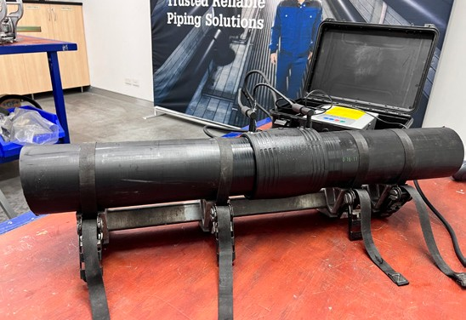 9. Insert pipe into fitting and check annular gap, with align- ment clamps fitted |  | 9.1 Note gaps? (Yes / No) If Yes, how big is the gap? mm |  | 9.2 Check: annular gap should be evenly distributed around the socket mouth. |  |  | Straightening clamps can be used when pipe curvature (i.e. coiled pipe) prevents smooth insertion into the fitting, including prevention of pipe misalignment.
10. Electrofusion Welding |  | • Is manufacturer’s welding time completed? (Yes / No) • Are there any Welding Machine Error Message? (Yes / No) If Yes, what are the error messages? |  | DO NOT remove alignment clamps until cooling time elapses: (Yes / No) |  |  | Is manufacturer’s cooling time completed? (Yes / No)
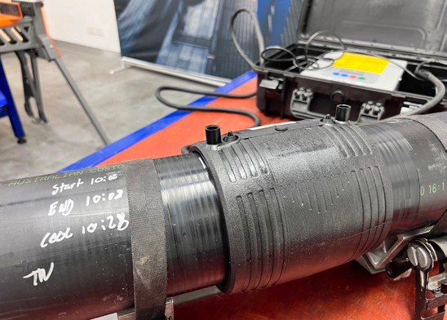 11. Post Weld Inspection |  | 11.1 Inspect the fitting to ensure molten polymer has not extruded from the socket mouth, or visible heating wires displaced between the joint annular gap. |  | 11.2 Check that the melt fusion indicator pins have fully risen. |  |  | 11.3 Check the pipe has not moved during welding by ensuring the insertion depth mark is in the same position as marked on the pipe sur- face during joint assembly.

GF Piping Systems Australia 1/100 Belmore Rd North Riverwood NSW 2210
T 1300 130 149 | info.au@georgfischer.com | www.gfps.com/au
Doc No. F8.1.09 Issue No. 1 Date: 14/6/23

