Table 1
SPARK – North East Link – Primary Package Inspection and Test Plan (ITP) ITP Title: Hot Mix Asphalt Placement ITP Number: NEL-CNT-SDC-2990-PQA-ITP-0059 Rev 0 LOT Number:
Primary Asset Location Code:
Discipline: Pavements
OFFICIAL: Sensitive Spark NELP Approval Record
Function |  |  |  | Position |  |  |  | Name |  |  |  | Signature |  |  |  |  | Date
Prepared By |  |  |  | Quality Representative |  |  |  | Abiola Olulana
Reviewed By |  |  |  | Project Engineer |  |  |  | Fred Valadkhani |  |  |  |  |  |  |  |  | 30/09/2022
Approved By |  |  |  | Quality Manager |  |  |  | Greg Iro |  |  |  | Digital Date: +11'00 |  |  |  |  | ly signed by Greg Iro 2022.10.05 14:49:41 '
Note: 1. Ensure all Records or Checklist References are attached and that each Inspection Requirement is clearly named, signed, and dated. 2. Ensure every Records or Checklist References attached are legible 3. This Inspection Test Plan may be generic – ensure the requirement is demographically clear to your scopeof work 4. Verification Inspections where applicable for the IREA stated as “Witness” or “Hold” shall be formally notified for their engagement and with sufficient advance notice time (i.e. 3 days or as agreed with the Sub-IREA Representative and/or the Nominated Authority) 5. All Nominated Authority Hold Points are Witness Points for Sub-IREA 6. The Sub-IREA representative is not required to physically sign-off on ITPs
ITP – Hot Mix Asphalt Placement Spark PMS Doc# MSF28-2-NEL Rev 3 Document Number: NEL-CNT-SDC-2990-PQA-ITP-0059. Revision: 0 Management System - Uncontrolled Documentwhen Printed Webuild Source Doc# MSF28-2
OFFICIAL: Sensitive |  |  |  |  |  |  |  |  |  | Page 1 of 19
 |  | Project: SPARK – North East Link Primary Package Client: State of Victoria and the North East Link State Tolling Corporation
ITP Title: Hot Mix Asphalt Placement |  |  |  |  |  |  |  |  |  |  |  |  |  |  |  | References: Drawing numbers and specifications – IFC Drawings, VR173, VR402, VR404, VR407, VR417, Design Management Plan, Construction Quality Management Plan (CQMP), Project Scope and Delivery Requirement (PSDR)
Description: This ITP covers the placement of Dense Graded Asphalt (DGA), Open Graded Asphalt (OGA), and Stone Mastic Asphalt (SMA) |  |  |  |  |  |  |  |  |  |  |  |  |  |  |  | Standards:
 |  | ITP No: NEL-CNT-SDC-2990-PQA-ITP-0059 Rev No: 0
 |  | Lot No: Location: Ch: to Offset: to Layer:
Item No. | Resp. Person | Inspection and Test Activity |  |  |  | Specification Reference | Acceptance Criteria |  |  |  | Test Method |  | Test Freq. |  | Inspection/Verification (Name, signature & date) |  |  |  |  |  |  | Records/Documen ts | Field Notes / Comments
 |  |  |  |  |  |  |  |  |  |  |  |  |  |  | Sub- Contractor |  |  | Spark NEL Engineer | Nominated Authority | IREA
1.0 | Preliminaries (Include all aspects of Materials, Approvals, IFC Drawings, etc. Ensure all required permits have been raised prior to commencing works)
1.1 | PE | Construction Package Approval |  |  |  | PSDR Part F6 2 (a) to (h) | Construction Documentation shall be submitted and approved prior to commencing work at site. |  |  |  | R |  | PW |  | NR |  |  | HP | NR | NR |  | IFU Construction Package InEight Reference: #
1.2 | PE | Design status |  |  |  | PSDR Part F5, 2(b) & (c)(i) | Design to be IFC prior to works commencing |  |  |  | V |  | PL |  | NR |  |  | HP | NR | NR |  | IFC Drawings InEight Reference: #
1.3 | SE | All Equipment calibrated |  |  |  | Quality Management Plan Section 11.1 | Equipment calibration certificates filed in InEight Ensure all equipment associated with the relevant works is calibrated |  |  |  | R |  | PW |  | HP |  |  | HP | NR | NR |  | Calibration Certificates InEight Reference: #
1.4 | PE | Survey Set Out |  |  |  | PSDR Part F4 Section 6 IFC Drawings | Clearly mark limit of works; Chainage, offsets, cut/fill level etc. (if required) |  |  |  | V |  | PW |  | HP |  |  | HP | NR | NR |  | Survey Record InEight Reference: # This ITP Lot Map
1.5 | PE | Sub-Contractor(s) Quality Documents (including Asphalt quality plan) |  |  |  | CQMP VR160 VR407.04, VR407.11 | Ensure Sub-Contractor have submitted signed quality documentation ITP (if required) and checklist along with all relevant supporting documents. In addition to meeting the requirements of Section 160, the |  |  |  | R |  | PW |  | HP |  |  | HP | NR | NR |  | Approved Subcontractor Quality Documentation InEight Reference: #
 |  | Project: SPARK – North East Link Primary Package Client: State of Victoria and the North East Link State Tolling Corporation
ITP Title: Hot Mix Asphalt Placement |  |  |  |  |  |  |  |  |  |  |  |  |  |  |  | References: Drawing numbers and specifications – IFC Drawings, VR173, VR402, VR404, VR407, VR417, Design Management Plan, Construction Quality Management Plan (CQMP), Project Scope and Delivery Requirement (PSDR)
Description: This ITP covers the placement of Dense Graded Asphalt (DGA), Open Graded Asphalt (OGA), and Stone Mastic Asphalt (SMA) |  |  |  |  |  |  |  |  |  |  |  |  |  |  |  | Standards:
 |  | ITP No: NEL-CNT-SDC-2990-PQA-ITP-0059 Rev No: 0
 |  | Lot No: Location: Ch: to Offset: to Layer:
Item No. | Resp. Person | Inspection and Test Activity |  |  |  | Specification Reference | Acceptance Criteria |  |  |  | Test Method |  | Test Freq. |  | Inspection/Verification (Name, signature & date) |  |  |  |  |  |  | Records/Documen ts | Field Notes / Comments
 |  |  |  |  |  |  |  |  |  |  |  |  |  |  | Sub- Contractor |  |  | Spark NEL Engineer | Nominated Authority | IREA
 |  |  |  |  |  |  | Contractor shall provide an asphalt quality plan that addresses section 407.04. Production, storage, discharge and compaction temperature ranges for warm mix asphalt shall be included in the Contractor’s asphalt quality plan.
1.6 | PE | Asphalt Mix Design |  |  |  | VR 404.05 VR 407.09 | No asphalt shall be supplied until the mix has been registered and the Nominated Authority approves the mix for use. The Contractor shall only use asphalt mixes that are registered by VicRoads as ‘General’ mixes. The Contractor shall submit documentation to the Nominated Authority nominating the asphalt mixes to be supplied no less than 7 days prior to their use. |  |  |  | V |  | PW |  | HP |  |  | HP | HP | WP |  | HP Release InEight Reference: #
1.7 | SE | Batching Plant Material Conformance |  |  |  | VR407.05, Table 407.051, VR407.06, 407.07, 407.08, 407.10, 407.11, 407.15 | Obtain and review quality records from batching plant to ensure VicRoads testing requirements are met. The frequency of inspection and testing shall not be less than that shown in Table 407.151. |  |  |  | R |  | PW |  | HP |  |  | HP | NR | NR |  | Quality Records
1.8 | PE | Bituminous Materials |  |  |  | VR 407.08 (d) | From 1 July 2022 only trackless tack coat will be permitted. |  |  |  | V |  | PW |  | HP |  |  | HP | HP | WP |  | HP Release InEight Reference: #
 |  | Project: SPARK – North East Link Primary Package Client: State of Victoria and the North East Link State Tolling Corporation
ITP Title: Hot Mix Asphalt Placement |  |  |  |  |  |  |  |  |  |  |  |  |  |  |  | References: Drawing numbers and specifications – IFC Drawings, VR173, VR402, VR404, VR407, VR417, Design Management Plan, Construction Quality Management Plan (CQMP), Project Scope and Delivery Requirement (PSDR)
Description: This ITP covers the placement of Dense Graded Asphalt (DGA), Open Graded Asphalt (OGA), and Stone Mastic Asphalt (SMA) |  |  |  |  |  |  |  |  |  |  |  |  |  |  |  | Standards:
 |  | ITP No: NEL-CNT-SDC-2990-PQA-ITP-0059 Rev No: 0
 |  | Lot No: Location: Ch: to Offset: to Layer:
Item No. | Resp. Person | Inspection and Test Activity |  |  |  | Specification Reference | Acceptance Criteria |  |  |  | Test Method |  | Test Freq. |  | Inspection/Verification (Name, signature & date) |  |  |  |  |  |  | Records/Documen ts | Field Notes / Comments
 |  |  |  |  |  |  |  |  |  |  |  |  |  |  | Sub- Contractor |  |  | Spark NEL Engineer | Nominated Authority | IREA
 |  |  |  |  |  |  | The Contractor shall submit the details of the trackless tack coat proposed to be used in the works.
2.0 | Operations (Include Work Execution – Installation / Manufacturing Process step-by-step)
2.1 | PE | Rap Management |  |  |  | VR 407.13 (f) | No asphalt containing RAP shall be supplied until the Department of Transport approved RAP Management Plan has been submitted at least 14 days prior to the asphalt works commencing and approval to proceed is given by the Nominated Authority. |  |  |  | V |  | PW |  | HP |  |  | HP | HP | WP |  | HP Release InEight Reference: #
2.2 | SE | Site Inspection and Base Condition |  |  |  | VR 407.18 | Surface for asphalt placement is essentially dry and free from puddles, defects (holes, cracks, unstable material, and edge irregularities) and loose materials. Where specified in Clause 407.30(d), all manhole and valve covers shall be raised or lowered to the new surface level. |  |  |  | I |  | PL |  | HP |  |  | HP | NR | NR |  | Condition Report, Photos
2.3 | SE | Planning of Joints and Junctions |  |  |  | VR 407.21 (a) – (f) and Table 407.211 VR417.11 | DGA: Contractor to produce drawing showing locations of longitudinal joints of asphalt layers in respect to traffic lane lines (if requested by Nominated Authority) All transverse joints shall be offset from layer to layer by not less than 2 |  |  |  | V (Measur e and mark out runs by tape measur e or survey) |  | PW |  | WP |  |  | WP | WP | WP |  | WP Release InEight Reference: # Photos
 |  | Project: SPARK – North East Link Primary Package Client: State of Victoria and the North East Link State Tolling Corporation
ITP Title: Hot Mix Asphalt Placement |  |  |  |  |  |  |  |  |  |  |  |  |  |  |  | References: Drawing numbers and specifications – IFC Drawings, VR173, VR402, VR404, VR407, VR417, Design Management Plan, Construction Quality Management Plan (CQMP), Project Scope and Delivery Requirement (PSDR)
Description: This ITP covers the placement of Dense Graded Asphalt (DGA), Open Graded Asphalt (OGA), and Stone Mastic Asphalt (SMA) |  |  |  |  |  |  |  |  |  |  |  |  |  |  |  | Standards:
 |  | ITP No: NEL-CNT-SDC-2990-PQA-ITP-0059 Rev No: 0
 |  | Lot No: Location: Ch: to Offset: to Layer:
Item No. | Resp. Person | Inspection and Test Activity |  |  |  | Specification Reference | Acceptance Criteria |  |  |  | Test Method |  | Test Freq. |  | Inspection/Verification (Name, signature & date) |  |  |  |  |  |  | Records/Documen ts | Field Notes / Comments
 |  |  |  |  |  |  |  |  |  |  |  |  |  |  | Sub- Contractor |  |  | Spark NEL Engineer | Nominated Authority | IREA
 |  |  |  |  |  |  | m. Temporary ramping shall not be steeper than as specified in Table 407.211. OGA: Where new asphalt is needed to match existing pavement surface, the junctions are to be constructed using size 10 Type H DGA over the full width as per following: ∙ Side street/median openings: 600mm ∙ Carriageways with <=75km/h: 3m ∙ Carriageways with >75km/h: 6m If any section needs to be feathered (<20mm depth), such "feathering" shall be carried out with Type N or H, size 7 or size 10 dense graded asphalt as specified. “Feathering” constructed in the direction of paving shall be placed by the paving machine.
2.4 | SE | Application of Tack Coat |  |  |  | VR407.19 | A tack coat shall be applied to all asphalt, concrete or sprayed seals on which asphalt is to be placed. . Uniform tack coat sprayed to area where asphalt is to be at a rate of 0.15-0.3L/m^3 residual bitumen. Rate doubled for joints and chases. |  |  |  | I |  | PL |  | HP |  |  | WP | NR | NR |  | This ITP Photos including an identifiable landmark relevant to the lot.
 |  | Project: SPARK – North East Link Primary Package Client: State of Victoria and the North East Link State Tolling Corporation
ITP Title: Hot Mix Asphalt Placement |  |  |  |  |  |  |  |  |  |  |  |  |  |  |  | References: Drawing numbers and specifications – IFC Drawings, VR173, VR402, VR404, VR407, VR417, Design Management Plan, Construction Quality Management Plan (CQMP), Project Scope and Delivery Requirement (PSDR)
Description: This ITP covers the placement of Dense Graded Asphalt (DGA), Open Graded Asphalt (OGA), and Stone Mastic Asphalt (SMA) |  |  |  |  |  |  |  |  |  |  |  |  |  |  |  | Standards:
 |  | ITP No: NEL-CNT-SDC-2990-PQA-ITP-0059 Rev No: 0
 |  | Lot No: Location: Ch: to Offset: to Layer:
Item No. | Resp. Person | Inspection and Test Activity |  |  |  | Specification Reference | Acceptance Criteria |  |  |  | Test Method |  | Test Freq. |  | Inspection/Verification (Name, signature & date) |  |  |  |  |  |  | Records/Documen ts | Field Notes / Comments
 |  |  |  |  |  |  |  |  |  |  |  |  |  |  | Sub- Contractor |  |  | Spark NEL Engineer | Nominated Authority | IREA
 |  |  |  |  |  |  | ∙ Enough time allowed for emulsion tack coats to break. ∙ Tack coats not covered by asphalt covered with clean grit or sand before traffic allowed. NOTE: Tack coat not required on clean, untrafficked, freshly placed asphalt, clean primed surface, or on granular material when layer to be placed min 150mm.
2.5 | SE | Profiling (Cold Planning) and preparation works |  |  |  | VR402 | Profiling to leave a uniform surface to the nominal depth and width of pavement to be removed. The surface shall be swept clean of all loose material prior to placing asphalt. Pavement to be free from surface water. |  |  |  | V |  | PL |  | WP |  |  | WP | NR | NR
2.6 | SE | Approval for commencement of Placing |  |  |  | VR407.23, VR404.13, VR 407.22 | The placement of asphalt on the sub- base or granular base for a new pavement or for an overlay of an existing bituminous surfaced pavement shall not commence until approval to proceed is obtained from the Nominated Authority. |  |  |  | V |  | PL |  | HP |  |  | HP | HP | WP |  | HP Release InEight Reference: #
2.7 | SE | Placement Trial (if required) |  |  |  | VR407.22, VR407.17 ((b) | The Nominated Authority may require a placement trial as detailed in Clause 407.22 to demonstrate that the Contractor’s cold weather placement procedures will meet the requirements of this specification. |  |  |  | I |  | X1 |  | WP |  |  | WP | WP | WP |  | WP Release InEight Reference: #
 |  | Project: SPARK – North East Link Primary Package Client: State of Victoria and the North East Link State Tolling Corporation
ITP Title: Hot Mix Asphalt Placement |  |  |  |  |  |  |  |  |  |  |  |  |  |  |  | References: Drawing numbers and specifications – IFC Drawings, VR173, VR402, VR404, VR407, VR417, Design Management Plan, Construction Quality Management Plan (CQMP), Project Scope and Delivery Requirement (PSDR)
Description: This ITP covers the placement of Dense Graded Asphalt (DGA), Open Graded Asphalt (OGA), and Stone Mastic Asphalt (SMA) |  |  |  |  |  |  |  |  |  |  |  |  |  |  |  | Standards:
 |  | ITP No: NEL-CNT-SDC-2990-PQA-ITP-0059 Rev No: 0
 |  | Lot No: Location: Ch: to Offset: to Layer:
Item No. | Resp. Person | Inspection and Test Activity |  |  |  | Specification Reference | Acceptance Criteria |  |  |  | Test Method |  | Test Freq. |  | Inspection/Verification (Name, signature & date) |  |  |  |  |  |  | Records/Documen ts | Field Notes / Comments
 |  |  |  |  |  |  |  |  |  |  |  |  |  |  | Sub- Contractor |  |  | Spark NEL Engineer | Nominated Authority | IREA
2.8 | SE | Asphalt Delivery |  |  |  | VR407.11 (a), (b), (c), (d), & (e), VR407.16, VR407.20 | Asphalt shall be placed at a rate that matches the plant and asphalt delivery capacity and ensures continual paving. Where requested by the Nominated Authority, testing for particle coating shall be undertaken in accordance with AS/NZS 2891.11 Where asphalt is scheduled for measurement by mass, a copy of the delivery docket for each load shall be provided at the point of delivery or delivered to the Nominated Authority at the end of each shift. Where asphalt is measured by other means and for Lump Sum Contracts, the Contractor shall make delivery dockets available for inspection on request by the Nominated Authority. |  |  |  | R & V |  | Each Deliv ery |  | WP |  |  | WP | WP | WP |  | WP Release InEight Reference: # Delivery Docket Temperature Register
2.9 | SE | Ambient Conditions for Placing |  |  |  | VR 407.17, Table 407.171, VR417.08 | Prior to commencing cold weather placement of asphalt, the Contractor shall submit a job specific cold weather placement management plan to the Nominated Authority for review. Most of the surface area to be paved has a temperature greater than or equal to the following: DGA: |  |  |  | V |  | PW |  | HP |  |  | HP | HP | WP |  | HP Release InEight Reference: # Temperature Recordings (photos) Approved Cold Weather Placement Management Plan (For DGA)
 |  | Project: SPARK – North East Link Primary Package Client: State of Victoria and the North East Link State Tolling Corporation
ITP Title: Hot Mix Asphalt Placement |  |  |  |  |  |  |  |  |  |  |  |  |  |  |  | References: Drawing numbers and specifications – IFC Drawings, VR173, VR402, VR404, VR407, VR417, Design Management Plan, Construction Quality Management Plan (CQMP), Project Scope and Delivery Requirement (PSDR)
Description: This ITP covers the placement of Dense Graded Asphalt (DGA), Open Graded Asphalt (OGA), and Stone Mastic Asphalt (SMA) |  |  |  |  |  |  |  |  |  |  |  |  |  |  |  | Standards:
 |  | ITP No: NEL-CNT-SDC-2990-PQA-ITP-0059 Rev No: 0
 |  | Lot No: Location: Ch: to Offset: to Layer:
Item No. | Resp. Person | Inspection and Test Activity |  |  |  | Specification Reference | Acceptance Criteria |  |  |  | Test Method |  | Test Freq. |  | Inspection/Verification (Name, signature & date) |  |  |  |  |  |  | Records/Documen ts | Field Notes / Comments
 |  |  |  |  |  |  |  |  |  |  |  |  |  |  | Sub- Contractor |  |  | Spark NEL Engineer | Nominated Authority | IREA
 |  |  |  |  |  |  | Base & Intermediate Courses: 5°C for specific binders C170 or C320, or 10°C for PMBs & Class 600 Wearing Courses: 10°C for specific binders C170 or C320, or 15°C for PMBs. OGA: majority of area to be paved has surface temperature of not less than 15˚C
2.10 | SE | Commencement of Placement |  |  |  | VR407.23, 407.25 VR404.13 VR417.08, VR417.10 | DGA ∙ Asphalt placement on the sub-base or granular base for a new pavement or for an overlay of an existing bituminous surfaced pavement shall not commence until approval to proceed is obtained from the NA SMA Placement cannot commence until NA approval. OGA Cannot be placed if surface area majority to be paved is of temperature < 15˚C ∙ If a stationary paver screed is in contact with asphalt, the screed heating is to stop. |  |  |  | I |  | PL |  | HP |  |  | HP | HP | WP |  | HP Release InEight Reference: # Photos
 |  | Project: SPARK – North East Link Primary Package Client: State of Victoria and the North East Link State Tolling Corporation
ITP Title: Hot Mix Asphalt Placement |  |  |  |  |  |  |  |  |  |  |  |  |  |  |  | References: Drawing numbers and specifications – IFC Drawings, VR173, VR402, VR404, VR407, VR417, Design Management Plan, Construction Quality Management Plan (CQMP), Project Scope and Delivery Requirement (PSDR)
Description: This ITP covers the placement of Dense Graded Asphalt (DGA), Open Graded Asphalt (OGA), and Stone Mastic Asphalt (SMA) |  |  |  |  |  |  |  |  |  |  |  |  |  |  |  | Standards:
 |  | ITP No: NEL-CNT-SDC-2990-PQA-ITP-0059 Rev No: 0
 |  | Lot No: Location: Ch: to Offset: to Layer:
Item No. | Resp. Person | Inspection and Test Activity |  |  |  | Specification Reference | Acceptance Criteria |  |  |  | Test Method |  | Test Freq. |  | Inspection/Verification (Name, signature & date) |  |  |  |  |  |  | Records/Documen ts | Field Notes / Comments
 |  |  |  |  |  |  |  |  |  |  |  |  |  |  | Sub- Contractor |  |  | Spark NEL Engineer | Nominated Authority | IREA
 |  |  |  |  |  |  | ∙ OGA Layer thickness to not be less 20mm. And lot mean thickness to meet specification. ∙ Max test lot is 4,000m^2 ∙ Unless noted otherwise, all areas of existing pavement surface that is not free draining shall be filled or regulated with DGA as specified prior to paving the OGA.
2.11 | SE | Spreading |  |  |  | VR407.25 | Asphalt shall be spread in layers at the compacted thicknesses shown on the drawings or specified. All asphalt shall be spread with an asphalt paver except for small areas where use of a paver is not practicable. Asphalt paver screed levels shall be controlled by a suitable combination of manual and automatic controls operating from fixed or moving references |  |  |  | V |  | PL |  | WP |  |  | WP | NR | NR |  | This ITP
2.12 | SE | Compaction |  |  |  | 417.12 VR404.14, 404.15, Table 404.142 VR 407.26, 407.27, Table 407.271, | ∙ OGA To have 5 passes with a static steel wheeled roller of 6 tonnes minimum. ∙ DGA Asphalt uniformly compacted as per VR 407.27 ∙ SMA |  |  |  | V |  | PL |  | HP |  |  | WP | NR | NR |  | Compaction test results
 |  | Project: SPARK – North East Link Primary Package Client: State of Victoria and the North East Link State Tolling Corporation
ITP Title: Hot Mix Asphalt Placement |  |  |  |  |  |  |  |  |  |  |  |  |  |  |  | References: Drawing numbers and specifications – IFC Drawings, VR173, VR402, VR404, VR407, VR417, Design Management Plan, Construction Quality Management Plan (CQMP), Project Scope and Delivery Requirement (PSDR)
Description: This ITP covers the placement of Dense Graded Asphalt (DGA), Open Graded Asphalt (OGA), and Stone Mastic Asphalt (SMA) |  |  |  |  |  |  |  |  |  |  |  |  |  |  |  | Standards:
 |  | ITP No: NEL-CNT-SDC-2990-PQA-ITP-0059 Rev No: 0
 |  | Lot No: Location: Ch: to Offset: to Layer:
Item No. | Resp. Person | Inspection and Test Activity |  |  |  | Specification Reference | Acceptance Criteria |  |  |  | Test Method |  | Test Freq. |  | Inspection/Verification (Name, signature & date) |  |  |  |  |  |  | Records/Documen ts | Field Notes / Comments
 |  |  |  |  |  |  |  |  |  |  |  |  |  |  | Sub- Contractor |  |  | Spark NEL Engineer | Nominated Authority | IREA
 |  |  |  |  |  | 407.272, 407.273 | To immediately compact post- placement – VR407.21 plus the exception. ∙ Testing on a LOT basis undertaken for all materials. ∙ Works represent by a lot of six test shall be assessed as per Table 407.271 and 407.272 for DGA, and Table 404.141 for SMA - Works shown as either four or five cores shall be assessed as per Table 407.273 for DGA, and Table 404.142 for SMA ∙ No Pneumatic tyred rollers to be used. ∙ Vibrational rollers can be used for a max of two passes; and must discontinue immediately if breakdown of the surface aggregate occurs.
2.13 | SE | Trafficking pavement after placement |  |  |  | VR 404.14 | No traffic is to be allowed on the SMA until Nominated Authority has agreed that the asphalt is less than 40˚C and is trafficable |  |  |  | V |  | PL |  | HP |  |  | HP | HP | WP |  | HP Release InEight Reference: #
2.14 | SE | Layer Thickness and Level Control |  |  |  | Pavement Design Details VR407.28, VR407.25(b) | Thickness of asphalt layer conforms to asphalt thickness on drawings or specifications. Trafficking of asphalt or placement of asphalt over freshly laid asphalt layer |  |  |  | V (Method dips using ruler or |  | X1 |  | WP |  |  | WP | NR | NR |  | Survey Report InEight Reference: #
 |  | Project: SPARK – North East Link Primary Package Client: State of Victoria and the North East Link State Tolling Corporation
ITP Title: Hot Mix Asphalt Placement |  |  |  |  |  |  |  |  |  |  |  |  |  |  |  | References: Drawing numbers and specifications – IFC Drawings, VR173, VR402, VR404, VR407, VR417, Design Management Plan, Construction Quality Management Plan (CQMP), Project Scope and Delivery Requirement (PSDR)
Description: This ITP covers the placement of Dense Graded Asphalt (DGA), Open Graded Asphalt (OGA), and Stone Mastic Asphalt (SMA) |  |  |  |  |  |  |  |  |  |  |  |  |  |  |  | Standards:
 |  | ITP No: NEL-CNT-SDC-2990-PQA-ITP-0059 Rev No: 0
 |  | Lot No: Location: Ch: to Offset: to Layer:
Item No. | Resp. Person | Inspection and Test Activity |  |  |  | Specification Reference | Acceptance Criteria |  |  |  | Test Method |  | Test Freq. |  | Inspection/Verification (Name, signature & date) |  |  |  |  |  |  | Records/Documen ts | Field Notes / Comments
 |  |  |  |  |  |  |  |  |  |  |  |  |  |  | Sub- Contractor |  |  | Spark NEL Engineer | Nominated Authority | IREA
 |  |  |  |  |  |  | is not permitted unless the majority of the asphalt has a surface temperature lower than that specified in Table 407.281 |  |  |  | dip stick) |  |  |  |  |  |  |  |  |  |  | Survey Performance Report
2.15 | SE | Paver Stoppages |  |  |  | VR407.25 | A transverse joint shall be constructed if the asphalt in front of the screed cools to below 120°C. |  |  |  | V (Method thermo meter) |  | X1 |  | WP |  |  | WP | NR | NR |  | This ITP
2.16 | SE | Surface Finish and conformity with drawings |  |  |  | VR 407.24, 407.29, 407.30 (b), (f) VR 173 | ∙ Regulated asphalt course, size, and type used to correct pavement shape to match final and finished surface – 407.24. All asphalt works require: i) Surface Finish- finished surface to be uniform appearance; free of dragged areas, cracks, open textured patches, and roller marks. ii) Kerb & Channel Surface of asphalt at edge of wearing course to either be flush or not more than 5mm above lip of channel iii) Shape Finished surface of the wearing course at no stage to be 4mm below a 3m stage edge laid either parallel to the centreline of pavement (if pavement surface has crowned section; laid right angles to centreline) |  |  |  | I |  | PL |  | WP |  |  | WP | WP | WP |  | WP Release InEight Reference: # Survey Report InEight Reference: #
 |  | Project: SPARK – North East Link Primary Package Client: State of Victoria and the North East Link State Tolling Corporation
ITP Title: Hot Mix Asphalt Placement |  |  |  |  |  |  |  |  |  |  |  |  |  |  |  | References: Drawing numbers and specifications – IFC Drawings, VR173, VR402, VR404, VR407, VR417, Design Management Plan, Construction Quality Management Plan (CQMP), Project Scope and Delivery Requirement (PSDR)
Description: This ITP covers the placement of Dense Graded Asphalt (DGA), Open Graded Asphalt (OGA), and Stone Mastic Asphalt (SMA) |  |  |  |  |  |  |  |  |  |  |  |  |  |  |  | Standards:
 |  | ITP No: NEL-CNT-SDC-2990-PQA-ITP-0059 Rev No: 0
 |  | Lot No: Location: Ch: to Offset: to Layer:
Item No. | Resp. Person | Inspection and Test Activity |  |  |  | Specification Reference | Acceptance Criteria |  |  |  | Test Method |  | Test Freq. |  | Inspection/Verification (Name, signature & date) |  |  |  |  |  |  | Records/Documen ts | Field Notes / Comments
 |  |  |  |  |  |  |  |  |  |  |  |  |  |  | Sub- Contractor |  |  | Spark NEL Engineer | Nominated Authority | IREA
 |  |  |  |  |  |  | For intermediate, base course layers, cannot be more than 6mm and 10mm respectively below the straight edge. iv) Alignment Where asphalt is not placed against any concrete edging, the edge of asphalt layers is not to be less than 50mm inside or more than 100mm outside the designed offset from the centreline (design line). In addition, the rate of change of offset of the edge to not be more than 25mm in 10m. v) Width Where asphalt is not placed against any concrete edging, the edge of asphalt layers is not to be less than 50mm from the design or specified width or greater than 100mm. The average width over any 300m is not to be less than design or specified width. Conformity of newly placed asphalt to New Pavements and Major Pavement Rehabilitation Project; when design drawings show finished surface level and thickness of each pavement course, are to have each surface level of each asphalt course to be measured as per VicRoads Section 173. Every test lot shall meet
 |  | Project: SPARK – North East Link Primary Package Client: State of Victoria and the North East Link State Tolling Corporation
ITP Title: Hot Mix Asphalt Placement |  |  |  |  |  |  |  |  |  |  |  |  |  |  |  | References: Drawing numbers and specifications – IFC Drawings, VR173, VR402, VR404, VR407, VR417, Design Management Plan, Construction Quality Management Plan (CQMP), Project Scope and Delivery Requirement (PSDR)
Description: This ITP covers the placement of Dense Graded Asphalt (DGA), Open Graded Asphalt (OGA), and Stone Mastic Asphalt (SMA) |  |  |  |  |  |  |  |  |  |  |  |  |  |  |  | Standards:
 |  | ITP No: NEL-CNT-SDC-2990-PQA-ITP-0059 Rev No: 0
 |  | Lot No: Location: Ch: to Offset: to Layer:
Item No. | Resp. Person | Inspection and Test Activity |  |  |  | Specification Reference | Acceptance Criteria |  |  |  | Test Method |  | Test Freq. |  | Inspection/Verification (Name, signature & date) |  |  |  |  |  |  | Records/Documen ts | Field Notes / Comments
 |  |  |  |  |  |  |  |  |  |  |  |  |  |  | Sub- Contractor |  |  | Spark NEL Engineer | Nominated Authority | IREA
 |  |  |  |  |  |  | either a Scale A, B or C requirement as specified in 407.29(b)(i & ii) and 407.30(b) Note: unless otherwise specified in 407.30(f), max lot size for measurement and assessment of surface level to be no more than 4,000m2. Asphalt Overlays – where min average or nominal thickness of overlay is specified and no existing pavement or finished levels are available then average overlay thickness can be calculated as per formula specified in 407.29(c).
2.17 | SE | Surface Rectification (If required) |  |  |  | VR407.29 | Rectification of surface levels shall not commence until approval to proceed is obtained from the Nominated Authority |  |  |  | I |  | X1 |  | HP |  |  | HP | HP | WP |  | HP Release InEight Reference: #
3.0 | Post Operations (Include Inspection and Testing)
3.1 | PE | Verification and Lot Records complete |  |  |  | CQMP Section 8.3 | Progressive monitoring and signoff of Checklists occurs, and test records are collected. Ensure completed work checklists, inspection and test results and Subcontractor conformance records are progressively and permanently saved and stored as soon as possible after they are received. Completed construction lot |  |  |  | V |  | PL |  | HP |  |  | HP | NR | NR |  | Lot Record Lot Map
 |  | Project: SPARK – North East Link Primary Package Client: State of Victoria and the North East Link State Tolling Corporation
ITP Title: Hot Mix Asphalt Placement |  |  |  |  |  |  |  |  |  |  |  |  |  |  |  | References: Drawing numbers and specifications – IFC Drawings, VR173, VR402, VR404, VR407, VR417, Design Management Plan, Construction Quality Management Plan (CQMP), Project Scope and Delivery Requirement (PSDR)
Description: This ITP covers the placement of Dense Graded Asphalt (DGA), Open Graded Asphalt (OGA), and Stone Mastic Asphalt (SMA) |  |  |  |  |  |  |  |  |  |  |  |  |  |  |  | Standards:
 |  | ITP No: NEL-CNT-SDC-2990-PQA-ITP-0059 Rev No: 0
 |  | Lot No: Location: Ch: to Offset: to Layer:
Item No. | Resp. Person | Inspection and Test Activity |  |  |  | Specification Reference | Acceptance Criteria |  |  |  | Test Method |  | Test Freq. |  | Inspection/Verification (Name, signature & date) |  |  |  |  |  |  | Records/Documen ts | Field Notes / Comments
 |  |  |  |  |  |  |  |  |  |  |  |  |  |  | Sub- Contractor |  |  | Spark NEL Engineer | Nominated Authority | IREA
 |  |  |  |  |  |  | records are transferred to the project Quality Team for final record verification prior to being closed
3.2 | PE | Redline Drawings |  |  |  | Design Management Plan NEL-CNT- SDC-2990- PDM-MPL- 0001 Section 5.4 | Redline Drawings submitted to Project for creation of As-Built Drawings. |  |  |  | V |  | PL |  | HP |  |  | HP | NR | NR |  | Red-Line Marked Up IFC Drawing(s)
3.3 | PE | NCR Close out (if applicable) |  |  |  | CQMP Section 8.3 | All NCR’s presented for closure |  |  |  | R |  | PL |  | HP |  |  | HP | HP | WP |  | HP Release InEight Reference: # NCR InEight Reference: # NCR Module
4.0 | Quality
4.1 | QSR | Identification and control of non- conforming products or services (if applicable) |  |  |  | CQMP Section 8.3 | Review and confirm closure of NCR’s and associated RFI’s prior to closing of construction lot |  |  |  | R |  | PL |  |  |  |  | HP |  |  |  | NCR closed with related documentation
 |  | Project: SPARK – North East Link Primary Package Client: State of Victoria and the North East Link State Tolling Corporation
ITP Title: Hot Mix Asphalt Placement |  |  |  |  |  |  |  |  |  |  |  |  |  |  |  | References: Drawing numbers and specifications – IFC Drawings, VR173, VR402, VR404, VR407, VR417, Design Management Plan, Construction Quality Management Plan (CQMP), Project Scope and Delivery Requirement (PSDR)
Description: This ITP covers the placement of Dense Graded Asphalt (DGA), Open Graded Asphalt (OGA), and Stone Mastic Asphalt (SMA) |  |  |  |  |  |  |  |  |  |  |  |  |  |  |  | Standards:
 |  | ITP No: NEL-CNT-SDC-2990-PQA-ITP-0059 Rev No: 0
 |  | Lot No: Location: Ch: to Offset: to Layer:
Item No. | Resp. Person | Inspection and Test Activity |  |  |  | Specification Reference | Acceptance Criteria |  |  |  | Test Method |  |  | Test Freq. | Inspection/Verification (Name, signature & date) |  |  |  |  |  |  | Records/Documen ts | Field Notes / Comments
 |  |  |  |  |  |  |  |  |  |  |  |  |  |  | Sub- Contractor |  |  | Spark NEL Engineer | Nominated Authority | IREA
4.2 | QSR | Check all quality records for lot closure |  |  |  | CQMP Section 8.3 | All applicable quality records are complete |  |  |  | R |  |  | PL |  |  |  | HP |  |  |  | Compiled documents (all data reports and records)
Legend:
Responsibility |  |  |  |  |  |  |  |  | Method |  |  |  |  | Inspection / Verification |  |  |  | Test Frequency |  |  | Other
SS: Site Supervisor SE: Site Engineer PE: Project Engineer SPE: Senior Project Engineer GE: Geotechnical Engineer PS: Project Surveyor |  |  |  |  | PSM: Project Systems Manager QSR: Quality Site Rep. STR: Structural Engineer SSR: Site Safety Rep. EMR: Environmental Management Rep. NA: Nominated Authority (Release of HP) IREA: Independent Reviewer (Observer) |  |  |  | V: Verify I: Inspection R: Review T: Test |  |  |  |  | HP: Hold Point WP: Witness Point NR: Not Required |  |  |  | PW: Prior to Works PL: Per Lot F: Full or 100% Inspection or Testing X1: Inspect or Test at Specified Frequency X2: Random Inspection or Test |  |  | QP: Quality Plan RFI: Request for Information NCR: Non-Conformance VC: Verification Checklist XXXX: Sequential Number from Doc Control
DDD – Types: B – Building, C – Civil, G – General, M – Mechanical & Electrical, I – Motorway Operations System (ITS), S – Structure, O – Tolling, T – Tunnel, U – Urban Design & Landscape
Supplier/Subcontractor: (If applicable) |  |  | Name |  |  |  |  |  |  |  | Signature and Date |  |  |  | Spark-NELP REP |  |  |  | Name |  |  |  | Signature and Date

Lot closure comments:

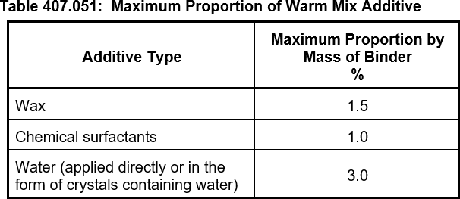
Spark NELP QA Rep: Name Signature: Date:

 |  |  |  |  |  |  |  |  |  |  |  | 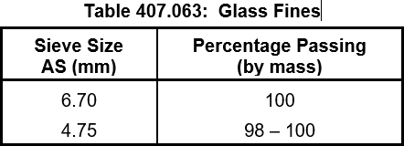

 | 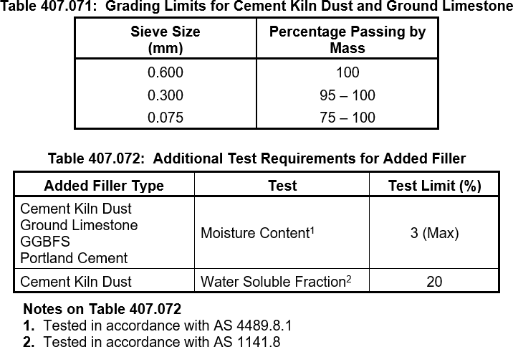
 |  |  |  |  |  |  |  |  |  |  |  | 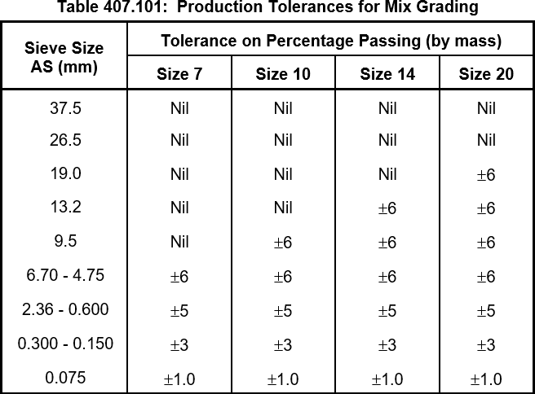

 |  |  |  |  |  |  |  |  |  |  |  |  |  | 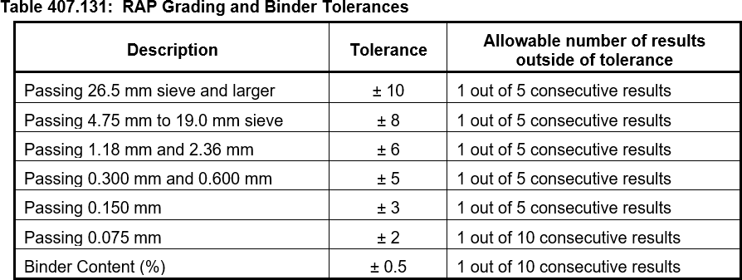

 | 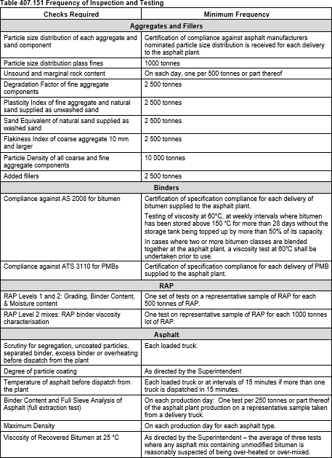

 | 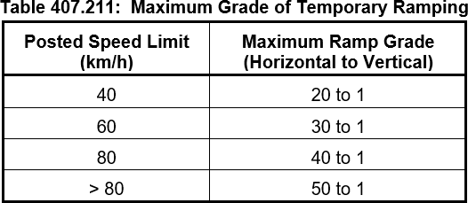

 | 