Balconies
Murray Halberg (Tropicana)

Building Stage 008

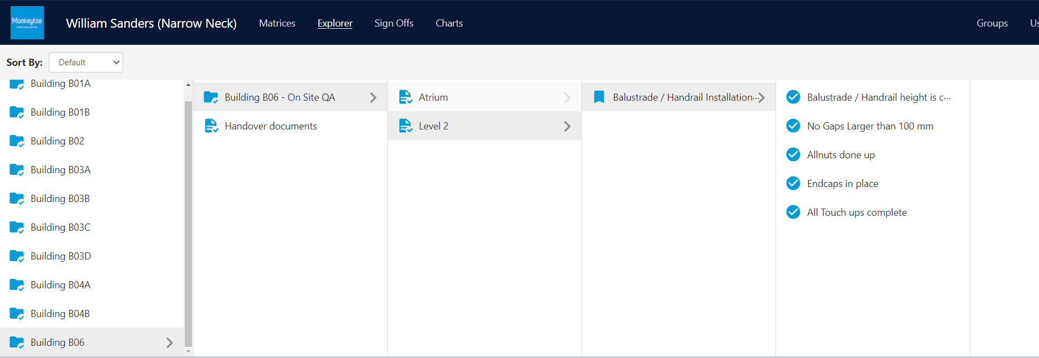

Level 2

B69-1
B69-2
B70-1
B70-2

Level 3

C69-1
C69-2
C70-1
C70-2
C71-1
C71-2
C72
C73
C74
C75
C76
C77
C78-1
C78-2
C79-1
C79-2
C80
C81
C82
C83
C84-1
C84-2
C84-3
C85-1
C85-2
C86-1
C86-2
C86-3
C87-1
C87-2

Level 4

D69-1
D69-2
D70-1
D70-2
D71-1
D71-2
D72
D73
D74
D75
D76
D77
D78-1
D78-2
D79-1
D79-2
D80
D81
D82
D83
D84-1
D84-2
D85-1
D85-2
D86-1
D86-2
D87-1
D87-2

Level 5

E69
E70
E71-1
E71-2
E72
E73
E74
E75
E76
E77
E78-1
E78-2
E79-1
E79-2
E80
E81
E82
E83
E84-1
E84-2
E85-1
E85-2
E86-1
E86-2
E87-1
E87-2

Level 6

F69
F70
F71
F72
F74
F75
F76
F77
F78

Staircases
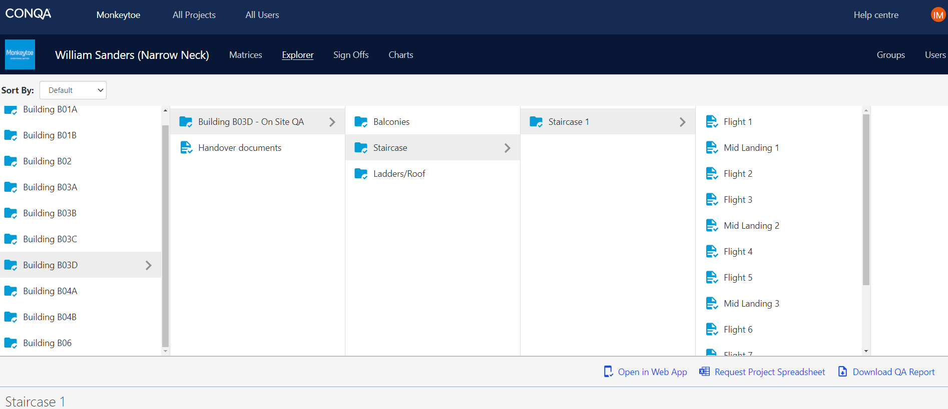

Staircase 1 | Flight 1 | Handrail / Balustrade
 | Mid Landing 1 | Handrail
 | Flight 2 | Handrail / Balustrade
 | Flight 3 | Handrail / Balustrade
 | Mid Landing 2 | Handrail
 | Flight 4 | Handrail / Balustrade
 | Flight 5 | Handrail / Balustrade
 | Mid landing 3 | Handrail
 | Flight 6 | Handrail / Balustrade
 | Flight 7 | Handrail / Balustrade
 | Mid landing 4 | Handrail
 | Flight 8 | Handrail / Balustrade
 | Landing Closure | Balustrade

Staircase 2 | Flight 1 | Handrail / Balustrade
 | Mid Landing 1 | Handrail
 | Flight 2 | Handrail / Balustrade
 | Flight 3 | Handrail / Balustrade
 | Mid Landing 2 | Handrail
 | Flight 4 | Handrail / Balustrade
 | Flight 5 | Handrail / Balustrade
 | Mid Landing 3 | Handrail
 | Flight 6 | Handrail / Balustrade
 | Landing Closure | Balustrade

Podium staircase | Flight 1 | Balustrade
 | Mid Landing | Balustrade
 | Flight 2 | Balustrade
 | Level Landing Closure | Balustrade

