Table 1
Inspection and Test Plan – Earthworks Type A
Project no. CC – 0374 Project name Pakenham Roads Upgrade Date Approved by Damian Hagebols ITP no. 1630-P200-SYM-QAC-ITP-0012 Revision date 17/04/2023 Plant and equipment used Lot no. Location (chainages, detailed description or marked up plan) Attach Dockets, Certificates and QA Documents to ITP
 |  |  |  |  | Verification of acceptance by |  |  |  |  | Remarks/record (eg. Test frequency reports, certificates, checklist etc)
 |  |  |  |  | Symal |  |  | Superintendent
Item no. | Activity | Ref docs | Acceptance criteria | Freq | Key | Resp | Initial/ date | Key | Sign/ date
1.0 Pre-start activities
 |  |  |  |  |  |  |  |  |  | Compliance Certificates/ Test Reports
1.1 | Site excavation and Material classification and supply (Site only) | VR Clause 204.06 (c) 204.04 (b) | For site-won material: Prior to commencing excavation in any area and during excavation work, the Surveillance Officer and the Contractor shall inspect each type of material encountered and subject to verification by appropriate laboratory testing, agree on the category of the material in accordance with Clause 204.04. Material classified as silt prior to compaction shall not be used as Type A material without stabilisation to the satisfaction of the Surveillance Officer. | Each Lot | H | SE |  | H |  | Yes □ No □ NATA Test Reports: CBR, Swell, Permeability, Grading, PI Yes □ No □
2.0 Set out
2.1 | Set out and survey land appropriately for intended works. | VR Clause 204.03 (a) | Set out pegs in place and clearly mark out limits of works as per design IFC drawings.
 |  | VR Clause 204.14 | Lot size to be one day's production or 5,000 m2, whichever is the lesser. | Each lot | R | SE
 |  | Table 204.142 | Has all of the above been completed per standard? Yes □ N/A □
This document is uncontrolled when printed Revision 01 Issue date 01/11/2023 Page 1 of 8
 |  |  |  |  | Verification of acceptance by |  |  |  |  | Remarks/record (eg. Test frequency reports, certificates, checklist etc)
 |  |  |  |  | Symal |  |  | Superintendent
Item no. | Activity | Ref docs | Acceptance criteria | Freq | Key | Resp | Initial/ date | Key | Sign/ date
3.0 Placement of Type A Material
3.1 | Underlying Layer Conformance | VR Clause 204.10(b) 204.06 | Areas upon which fills are to be constructed shall be prepared for test rolling by the Contractor. Any unstable areas detected by test rolling shall be rectified. Where ground water or seepage is encountered the Contractor shall notify the Superintendent and submit the proposed action to be taken to the Superintendent for review. The Contractor shall submit any necessary approvals from relevant authorities for the treatment and disposal of this groundwater. The Contractor shall not commence playing any fill on the prepared areas until the area has been reviewed by the Superintendent. Approval to proceed granted? Yes □ No □ | Each lot | H | SE |  | H |  | Ref.................................. ........................................ ......................................
3.2 | Placing of Geotextiles (If applicable) | VR Clause 210.05 IFC Drawing | The placement of geotextile is not permitted without the written approval from the relevant Surveillance Officer. Geotextile shall be placed to the limits as shown on IFC Drawings without punctures or tears. If these occur, they shall be rectified, or the entire roll of geotextile replaced prior to covering. Geotextiles in subsurface drains shall be placed to conform to the approximate shape of the excavation and fully envelop the drainage material. All joints shall be overlapped or sewn in accordance with the Geotextile Record. Geotextiles shall be covered by filling within 48 hours of placement. | Each lot | H | SE |  | H
3.3 | Placing of Fill | VR Clause 204.10(d) | Spread and compact in uniform layers not exceeding a compacted thickness of 200 mm. Visual Inspection for maximum particle dimension. Where a fill is to be constructed on steep sideling ground or against an existing embankment with side slope steeper than 4H:1V, benches shall be progressively cut | Each lot | R | SE |  |  |  | Verification Records: Layer Thickness at least every three layers Yes □ No □
 |  |  |  |  | Verification of acceptance by |  |  |  |  | Remarks/record (eg. Test frequency reports, certificates, checklist etc)
 |  |  |  |  | Symal |  |  | Superintendent
Item no. | Activity | Ref docs | Acceptance criteria | Freq | Key | Resp | Initial/ date | Key | Sign/ date
 |  |  | over the full area to be covered by new fill. The width of each bench shall be not less than 1 m.
3.4 | Keyed Fill Layers | VR Clause 204.10(d) Construction Work Pack | Placement surface textured to ensure layers keyed into each other. | Each lot | R | SE
3.5 | Test Roll of Type A fill layer. | VR Clause 204.12 173.03 Construction Work Pack (Test roll procedure in specification 173.03) | Each layer should be test rolled immediately following completion of compaction but if test rolling is carried out at a later time the surface of the layer shall be watered and given a minimum of three passes with the test roller prior to commencement of test rolling. Surface shall withstand test rolling without visible deformation or springing. | Each lot | H | SE |  | H
3.6 | Fill at Structures (if applicable) | VR Clause 204.11 (b) Table 204.111 Construction Work Pack | No Fill to be placed within 3 m of structure until the foundation is reviewed by the relevant Surveillance Officer. Culverts with an opening height greater than 1200 mm, shall be material of at least Type A material quality. | Each Lot | H | SE |  | H
3.7 | Fill within 300 mm of structures | VR Clause 204.11 Construction Work Pack | Use of geo-composite drainage material or Permeable Fill in accordance with 204.04(f). Compaction plant shall not be operated within the minimum distances from structures shown in Table 204.111. The difference in level of any fill being placed on opposite sides of a structure or structural component shall not exceed H/4 or 500 mm, whichever is the lesser, where H is the height of the structure. | Each Lot | R | SE
3.8 | Fill Material against Concrete Structures | VR Clause 204.11 Construction Work Pack | No material shall be placed against concrete within 14 days of casting. Has all of the above been completed per standard? Yes □ N/A □ | Each Lot | R | SE |  |  |  | Concrete Pour Recorded Yes □ No □ NATA Compressive Strength Yes □ No □
 |  |  |  |  | Verification of acceptance by |  |  |  |  | Remarks/record (eg. Test frequency reports, certificates, checklist etc)
 |  |  |  |  | Symal |  |  | Superintendent
Item no. | Activity | Ref docs | Acceptance criteria | Freq | Key | Resp | Initial/ date | Key | Sign/ date
4.0 Geotechnical Testing
4.1 | CBR / Swell | VR Clause Table 204.041 204.141 Table PS3020.051 | Unless otherwise specified: CBR: ≥ 6%, Swell: ≤ 1.5% (1.0% for Verge Material). Initial testing frequency: 1 Lot test to determine Assigned CBR and swell. Continued acceptance of the material will be assessed against the Assigned CBR and percentage swell values of a single CBR and single percentage swell test. However, if the material fails single CBR, swell testing then another assigned CBR to be conducted. Have the ideal results been achieved? Yes □ No □ | Each Lot | R | SE |  |  |  | NATA Test Report: Assigned CBR, Swell Yes □ N/A □ NATA Test Report: Single CBR, Swell Yes □ No □
4.2 | Post Compaction Grading | VR Clause Table 204.041 | Sieve 75.0 mm – 100% passing by mass, Sieve 4.75 mm – 40 - 80% passing by mass, Sieve 0.075 mm – 10 - 40% passing by mass. Initial testing frequency: 1 test for each lot tested for compaction until 3 consecutive lots achieve specified requirements. Have the ideal results been achieved? Yes □ No □ | Each Lot | R | SE |  |  |  | NATA Test Report: Grading Yes □ No □ Visual Inspections for Maximum Particle Dimension Yes □ No □
4.3 | Plasticity Index | VR Clause Table 204.041 | PI: 6 - 25, PI x % Passing 0.425mm: 1000 Max. Initial testing frequency: 1 test per 2 lots until 3 consecutive lots achieve specified requirements. Have the ideal results been achieved? Yes □ No □ | Each Lot | R | SE |  |  |  | NATA Test Report: Atterberg Limits Yes □ No □
4.4 | Permeability (Capping & Verge Material only) | VR Clause Table 204.041 | Permeability: 5E-9 m/s Initial testing frequency: 1 test per 2 lots until 3 consecutive lots achieve specified requirements. Have the ideal results been achieved? Yes □ No □ | Each Lot | R | SE |  |  |  | NATA Test Report: Permeability Yes □ No □
 |  |  |  |  | Verification of acceptance by |  |  |  |  | Remarks/record (eg. Test frequency reports, certificates, checklist etc)
 |  |  |  |  | Symal |  |  | Superintendent
Item no. | Activity | Ref docs | Acceptance criteria | Freq | Key | Resp | Initial/ date | Key | Sign/ date
4.5 | Compaction Testing | VR Clause Table 204.131 173.04(d) | Minimum Characteristic Value of Density Ratio: 99% (Scale A), 98% (Scale B). For small areas (<500 m2): Mean value of density ratio: 101% (Scale A), 100% (Scale B). Initial testing frequency: Each lot until 3 consecutive lots meet compaction requirements. Have the ideal results been achieved? Yes □ No □ | Each Lot | R | SE |  |  |  | NATA Test Report: Compaction and Moisture Content Yes □ No □
4.6 | Reduced Frequency of Testing | VR Clause 204.14 – Table 204.141 | Unless otherwise specified: Material properties (Scale A): Test at the initial testing frequency, if compliant, seek approval from Surveillance Officer for minimum testing frequency. Material Properties (Scale A): CBR/Swell: 1 test every 2 lots. Grading: 1 Test for every 2nd lot PI: 1 test every 4 lots Permeability: 1 test every 4 lots Material properties (Scale B): Test initial lot and no further testing required until changes in physical property/material source are observed. Compaction / Moisture Content: Reduced frequency: Test every 2nd lot. Have the ideal results been achieved? Yes □ No □ | Each Lot | R | SE |  | R |  | NATA Test Reports: CBR / Swell Grading PI (Atterberg Limits) Permeability Compaction Yes □ No □
5.0 Completion
5.1 | Conformity with Drawings | VR Clause 204.03 Table 204.031 | Earthworks shall be finished to conform to the levels, lines, grades and cross-sectional specified or shown on the drawings with the following requirements. • Scale A: mean +5 / -15 mm Max S 12 mm. • Scale B: mean +5 / -25 mm Max S 15 mm. • Alignment: ±50 mm. | Each Lot | R | SE
 |  |  |  |  | Verification of acceptance by |  |  |  |  | Remarks/record (eg. Test frequency reports, certificates, checklist etc)
 |  |  |  |  | Symal |  |  | Superintendent
Item no. | Activity | Ref docs | Acceptance criteria | Freq | Key | Resp | Initial/ date | Key | Sign/ date
 |  |  | Scale C - random levelling not required, no point > +10 / - 30 mm. Does the final product conform to the above criterial? Yes □ No □
5.2 | Preparation of Final Surface. (For Underside of Pavement Layers and the surface of the Cut Floor). | VR Clause 204.15 | Surface is Smooth, Hard, Tightly Bound and Free from Depressions Capable of Holding Water. Material within 150 mm of subgrade shall be maintained such that its moisture content is not less than 70% of OMC prior to the placement of any pavement layers. Does the final product conform to the above criterial? Yes □ No □ | Each Lot | R | SE
6.0 Work Lot Close Out
6.1 | Test Reports | VicRoads Specifications | All Test reports received and Reviewed | Each Lot | R | SE |  |  |  | NATA Endorsed Test Reports Yes □ No □
6.2 | Product Non-Conformance | CQMP | All Product Non-Conformance(s) recorded and closed (if applicable) | Each Lot | R | SE |  |  |  | NCR reports Yes □ No □
6.3 | Quality Representative to check the above criteria and records to confirm | CQMP Lot Records | All above criteria met, and records identified attached. | Each Lot | R | SE |  |  |  | Completed Checklist (if applicable) and reports and other compliance records attached.
Works complete (signer SE) Date works complete Lot conforms (signer PE) Date lot closed NCR/s no. raised Date NCR closed for this lot
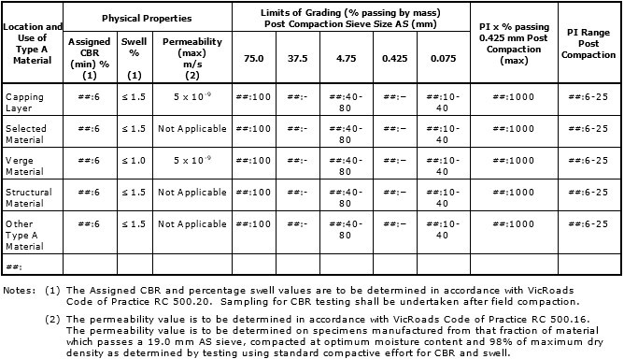
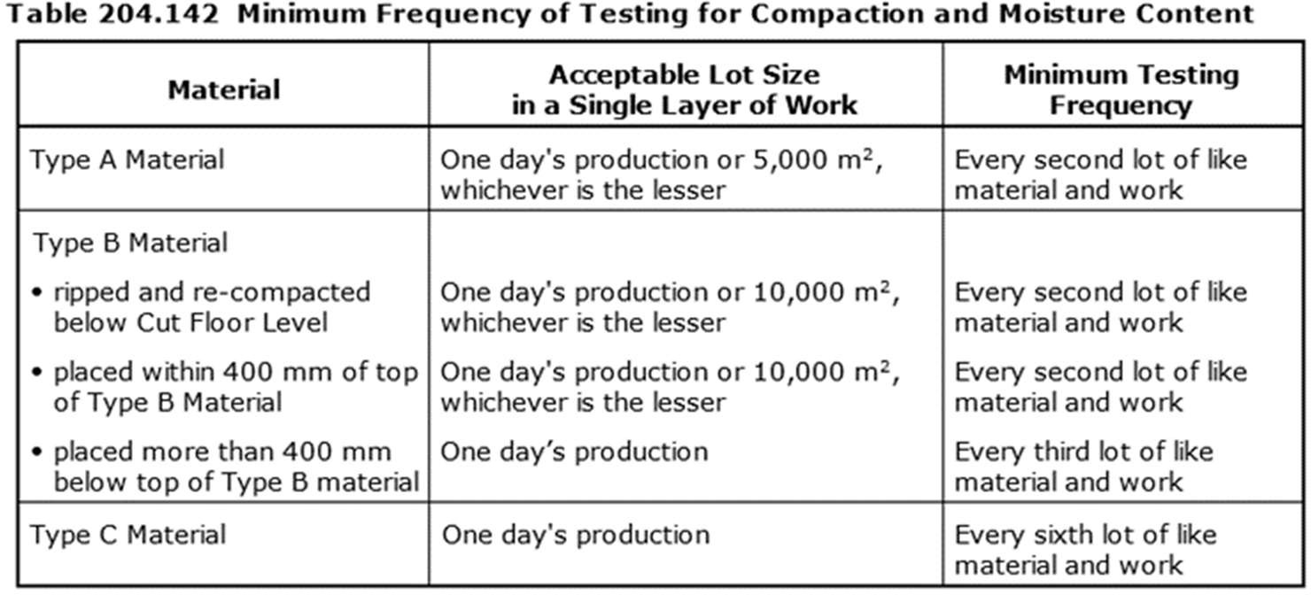 Responsibility (Resp.) Key: PM- Project Manager, PE-Project Engineer, SE- Site Engineer, CS-Civil Superintendent, SS-Site Supervisor, SV-Surveyor, CR-Client Representative, SO- Surveillance Officer Inspection Key: W – Witness, H – Hold Point, S – Surveillance, R – Review, I – Inspection Point Table 204.041

