ITP
 Inspection and Test Plan Te Ara o Te Ata Earthworks Cut 1 ITP # MMA-QA-ITP-Z01-EWX-CU001

Rev Number | This ITP has been prepared by |  |  | Reviewed by Quality Manager |  |  | Reviewed by DSR |  |  | Approved by Construction Manager
 | Name | Signature | Date | Name | Signature | Date | Name | Signature | Date | Name |  | Signature |  | Date
Rev 01 | Isaac Dunn and William McCracken | Refer to Approvals Tab | 2025-03-12 | Whineray Arries | Refer Approvals Tab | 2025-03-12 | Danny Beasant | Refer Approvals Tab | 2025-03-12 | Hardus Pieters |  | Refer Approvals Tab |  | 2025-03-12
Rev 02
Rev 03
Rev 04
ITP NO: CONQA # |  |  | Project: Te Ara o Te Ata
Verification Method: Hold [H] – work will not proceed past Hold Point until released by organisation imposing hold; Inspection [I] – formal inspection activity to be undertaken and recorded; ensure correct verifying records are in place; Witness [W] – an inspection that may be witnessed by organisation imposing hold; allow reasonable notification period; Review [R] – review of reports, records or other evidence of compliance. |  |  |  |  |  |  |  | Responsibilities PE = MTM Alliance Construction TWD = Temporary Design Team
Activity/Specification: Earthworks Cut 1
Item Number | Titles | Description |  | Specifications and Standards |  | Acceptance criteria and testing |  |  | Method (H,I,W,R) |  |  |  | Verifying Records Checklists, Test and Supplier Certificates
 |  |  |  |  |  |  |  |  | Responsible [tick]
 |  |  |  |  |  | Method/ Description | Test frequency | Conformance Criteria | Contractor | Designer | Client | Lab
1.0 Pre-Construction
1.01 | Approved CWP | CWP |  |  |  | Document Review | Prior to personnal starting work | Ensure all crew members are briefed on the CWP | H |  |  |  | Signed off CWP
1.02 | IFC issued | Design |  |  |  | Document Review | Prior to starting | Ensure all drawings are approved and of the latest revision, or written approval from PAB | H | H |  |  | IFC drawings or written approval from PAB
1.03 | Approved SCWMP | SCWMP |  | Consent conditions |  | Document Review | Once prior to works commencing | TRC review and approval | H |  |  |  | Approved SCWMP
1.04 | Investigation Anchorage testing | As a minimum requirement, one investigation test must be conducted within each cut area before construction begins to verify the design parameters for Ground nails, drape anchors and rock bolts. |  | MMA-DES-GEO-E1-SPC-32693 Clause 7.2.2 MMA-DES-GEO-E1-SPC-9349 Clause 5.9.2 |  | Test | Pre-construction |  | H | H |  |  | Test results
2.0 Material Compliance
2.01 | Anchorages | Approval from the Designer following successful investigation test results, and provision of acceptable quality assurance documentation. |  | MMA-DES-GEO-E1-DRG-4021 to 4032 |  | Approval | Prior to commencing | Material Approval if deviating from design | H | R |  |  | Material Approval if deviating from design
2.02 | Headworks | The nail plates, washers and locking nuts shall be compatible with the selected nail type and as recommended by the Manufacturer to ensure at least 100-year design life. Nail plates are to comprise of 350x350x20mm galvanised plate complete with punched hole large enough to accommodate the 32mm nail and nut for various design angles. The plate shall have a minimum yield strength of 275N/mm2. |  | MMA-DES-GEO-E1-SPC-32693 Clause 5.2 MMA-DES-GEO-E1-DRG-4021 to 4032 |  | Submit | Prior to commencing | Material Approval if deviating from design | H | R |  |  | Material Approval if deviating from design
2.03 | Grout | Neat cement grout, consisting of a pumpable mixture of fresh Portland Cement complying with NZS 3122 and NZS 3109, water and additives accepted by the Designer. Standard-cured compressive strength of not less than 20 MPa at 7 days and 30 MPa at 28 days when tested in accordance with NZS 3112. |  | MMA-DES-GEO-E1-SPC-32693 Clause 5.5 |  | Submit | Prior to commencing | Material Approval if deviating from design | H | R |  |  | Material Approval if deviating from design
2.04 | Erosion Control Mesh / Drapery Mesh / Active Mesh | High-tensile steel wire to be used in manufacture of the mesh. |  | MMA-DES-GEO-E1-SPC-32693 Clause 5.3 MMA-DES-GEO-E1-SPC-9349 Clause 5.1 MMA-DES-GEO-E1-DRG-4021 to 4032 |  | Submit | Prior to commencing | 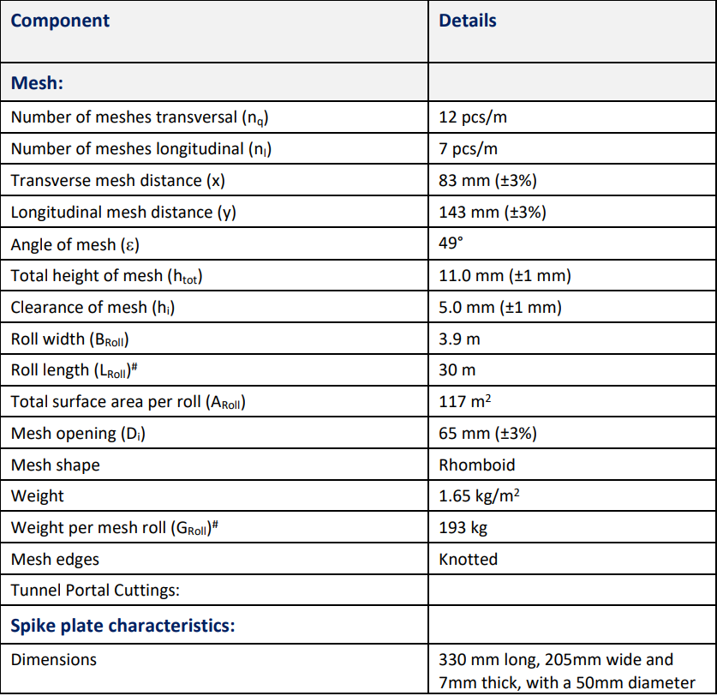 | H | R |  |  | Material Approval if deviating from design
2.05 | Boundary Cables | All Boundary Cables should be high-tensile steel wire ropes with grade 1770 N/mm2 |  | MMA-DES-GEO-E1-SPC-9349 Clause 5.2 MMA-DES-GEO-E1-DRG-4021 to 4032 |  | Submit | Prior to commencing | 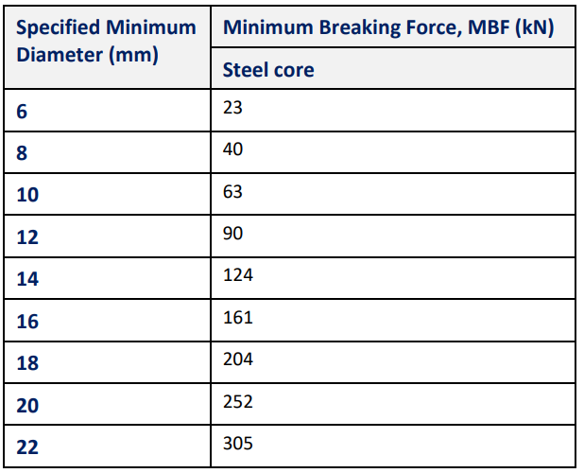 | H | R |  |  | Material Approval if deviating from design
2.06 | Wire Rope Fittings | All fittings required for the rockfall drapery system wire ropes, including heavy duty shackles, wire rope clips and thimbles (if used) shall be galvanised and compatible in terms of size, strength and corrosion protection, as all remaining rockfall drapery system components. Wire rope clips shall be lubricated and torqued in accordance with supplier requirements. |  | MMA-DES-GEO-E1-SPC-9349 Clause 5.3 MMA-DES-GEO-E1-DRG-4021 to 4032 |  | Submit | Prior to commencing | Designer approval Receipt of all required Quality Assurance and Verification Testing documentation from the manufacturer(s) / supplier(s), including assessment of corrosion protection applicability. | H | R |  |  | Material Approval if deviating from design
2.07 | Delivery of all Slope Stabilisation system components | Inspection of all components and accompanying QA documentation following delivery and storage on site. |  | MMA-DES-GEO-E1-SPC-9349 Clause 5 |  | Visual | Each delivery | Check all materials delivered to site, collect dockets for each delivery | H |  |  |  | Delivery Docket, Material Inspection Checklist
3.0 During Construction
3.00 | Set out extents | Set out extents of cut and check against design |  | IFC drawings |  | Survey/visual | Prior to Commencement | Consistent with latest IFC drawings and marked out within specification tolerances | H |  |  |  | Survey record, GPS model, DSR reports
3.01 | Verify Machine Control | Ensure GPS plant have the correct model set up in machine and that a datum is available for checking |  | IFC drawings |  | Survey/visual | Daily | Consistency with datums | W |  |  |  | Plant Pre Starts
3.02 | Assess Crest detail | Confirm stabilisation requirements |  | IFC drawings Relevant CPSA |  | Hand augers/ slope assess/Window Samples | Prior to Excavation | Consistency with latest IFC Construction Drawings | H | H |  |  | DSR reports, CPSA
3.03 | Set out Ground Nails | Set out Ground Nails |  | MMA-DES-GEO-E1-SPC-32693 MMA-DES-GEO-E1-DRG-4021 to 4032 |  | Survey/Visual and Geo walk over | Prior to drilling | Designer to confirm set out | H | H |  |  | Set Out Inspection Checklist, DSR reports
3.04 | Install crest detail - Ground Nailing | Ground Nailing |  | MMA-DES-GEO-E1-DRG-4021 to 4032 MMA-DES-GEO-E1-SPC-32693 Relevant CPSA |  | Visual Inspection | Prior to cutting rock slope | Designer to confirm extents of ground nailing | H | W |  |  | Sub Contractor QA Records, Ground Nail Checksheet, DSR Reports
3.05 | Install crest detail - Erosion Matting | Erosion Matting |  | MMA-DES-GEO-E1-DRG-4021 to 4032 MMA-DES-GEO-E1-SPC-32693 Relevant CPSA |  | Visual Inspection | Prior to cutting rock slope | Designer to confirm extents of erosion matting | H | H |  |  | Ground Nail Checksheet, DSR Reports
3.06 | Set out Rockfall Drapery Anchors | Set out Rockfall Drapery Anchors |  | MMA-DES-GEO-E1-SPC-9349 MMA-DES-GEO-E1-DRG-4021 to 4032 |  | Survey/Visual and Geo walk over | Prior to drilling | Designer to confirm set out | H | H |  |  | Set Out Inspection Checklist, DSR reports
3.07 | Install Rockfall Drapery Anchors | Install Rockfall Drapery Anchors |  | MMA-DES-GEO-E1-SPC-9349 MMA-DES-GEO-E1-DRG-4021 to 4032 |  | Drill and grout records. Stressing records. | During construction and at end | Signed Rock Drape Checksheet | H | W |  |  | Sub Contractor QA Records, Rock Drape Checksheet, DSR Reports
3.08 | Install Rockfall Drapery Mesh | Install drapery mesh and wire rope detail |  | MMA-DES-GEO-E1-SPC-9349 MMA-DES-GEO-E1-DRG-4021 to 4032 |  | Visual inspection | During construction and at end | Geobrugg TECCO Product manual | H | H |  |  | Rock Drape Checksheet, DSR Reports
3.09 | Cut Face inspection - Cut Face inspection | Cut Face inspection |  | MMA-DES-GEO-E1-SPC-3859 And latest IFC drawings |  | Survey check by construction team, visual inspection by designer. | 100m2 or maximum 5m vertical cut | Surveyor to confirm cut slope profile is within specification tolerances. | H |  |  |  | Survey scan, DSR reports
3.10 | Cut Face inspection - Cut face material verification - Geo mapping | Cut face material verification - Geo mapping |  | MMA-DES-GEO-E1-SPC-3859 And latest IFC drawings |  | Geo inspection and face mapping | At soil-rock interface, each Each 100m2 or maximum 5m vertical cut | Designer to confirm ground conditions are in accordance with design. If not confirm remedial works required. | H | H |  |  | DSR reports, Face map from geotechnical engineer/geologist
3.11 | Catch Ditch Inspection | Construction of catch ditch |  | MMA-DES-GEO-E1-SPC-3859 And latest IFC drawings |  | Visual inspection | During construction and at end | Catch ditch to be consistent with IFC drawings | W | W |  |  | DSR Report
4.0 Post Construction
4.01 | Production nail acceptance tests | At least 3% of the production ground nails installed shall be acceptance tested. |  | MMA-DES-GEO-E1-SPC-32693 Clause 7.3 |  | Test | At Completion | Designer to confirm approval | H | H |  |  | Test results
4.02 | Production drape anchorage acceptance tests | Acceptance testing will be undertaken on 20% of production anchorages installed. |  | MMA-DES-GEO-E1-SPC-9349 Clause 5.9.3 |  | Test | At Completion | Designer to confirm approval | H | H |  |  | Test results
4.03 | Throughout construction period prior to road opening | Ongoing monitoring of condition of the rock drapery system post installation, including recording of failures / removal of debris and performance of the rock drape and unprotected sections of cuttings. If required, repairs and/or adjustments made; i.e. bottom rope tension, extent of cutting coverage etc. Scaling of identified loose surface material. Monitored anchorages should be distributed evenly throughout the cuttings along the road alignment. |  | MMA-DES-GEO-E1-SPC-9349 Clause 4.3 Table 1 & Clause 5.9.4 |  | Monitor | At least once during construction, A minimum of 5% of the rockfall drapery system anchors shall be monitored throughout the construction period prior to road opening | Designer to confirm anchorage performance is satisfactory | H | H |  |  | Monitoring report, photographic
4.04 | Red Line Mark Up Drawings | As-built drawings to capture any deviation from the IFC drawings. |  | MMA-DES-GEO-E1-SPC-9349 Clause 4.3 Table 1 |  | Submit | At Completion |  | H | R |  |  | Red Line Mark Up Drawings
4.05 | Operation and maintenance report | Operation and maintenance report to detail the maintenance frequency and maintenance procedures. |  | MMA-DES-GEO-E1-SPC-9349 Clause 4.3 Table 1 |  | Submit | At Completion |  | H | R | R |  | Operation and maintenance report
4.06 | Final Handover Package | Collation of all QA, as-built drawings, testing and monitoring documentation and Condition Survey of rockfall drapery system and cutting faces. Provision of asset management operation and maintenance report to NZTA, including Producer Statements. |  | MMA-DES-GEO-E1-SPC-9349 Clause 4.3 Table 1 |  | Submit | At Completion |  | H | R | R |  | As-built drawings, testing results, monitoring documentation, operation and maintenance report, Producer Statements

Approvals
