1.0 Preconstruction
 Inspection and Test Plan Te Ara o Te Ata Excavation and Support ITP # MMA-QA-ITP-Z04-TUN-GE001

Rev Number | This ITP has been prepared by |  |  | Reviewed by Quality Manager |  |  | Reviewed by DSR/CPS |  |  | Approved by Construction Manager
 | Name | Signature | Date | Name | Signature | Date | Name | Signature | Date | Name |  | Signature |  | Date
Rev 0 | Teringa Horton, Tarik Jony and Sam Tang | See Approvals Tab | 2024-05-09 | Whineray Arries | See Approvals Tab | 29/11/2024 | Katerina Howard | See Approvals Tab | 2024-05-12 | Hardus Pieters |  | See Approvals Tab |  | 2024-12-06
Rev 1 | Teringa Horton, Jamie Morris, Tarik Jony and Sam Tang | See Approvals Tab | 2025-06-25 | Manoj Jayasundara and Whineray Arries | See Approvals Tab | 2025-06-27 | Roque Alea, Sam Burgess and Ben Westgate | See Approvals Tab | 2025-07-01 | Hardus Pieters |  | See Approvals Tab |  | 2025-07-01
Rev 2 | Teringa Horton, Tarik Jony and Sam Tang | See Approvals Tab | 2025-08-28 | Manoj Jayasundara and Whineray Arries | See Approvals Tab | 2025-09-17 | Roque Alea, Aaron Lister and Ben Westgate | See Approvals Tab | 2025-09-17 | Hardus Pieters |  | See Approvals Tab |  | 2025-09-22
ITP NO: CONQA # |  |  | Project: Te Ara o Te Ata
Verification Method: Hold [H] – work will not proceed past Hold Point until released by organisation imposing hold; Inspection [I] – formal inspection activity to be undertaken and recorded; ensure correct verifying records are in place; Witness [W] – an inspection that may be witnessed by organisation imposing hold; allow reasonable notification period; Review [R] – review of reports, records or other evidence of compliance. Surveillance [S] – An Activity that is subject to ongoing monitoring. |  |  |  |  |  |  |  | Responsibilities MTME = MTM Alliance Construction CPS = Construction Phase Services SE/PE = Site Engineer/Project Engineer SUP = Supervisor QM = Quality Manager
Activity/Specification: Excavation & Shotcrete
Item | Titles | Description |  | Specifications and Standards |  | Acceptance criteria and testing |  |  | Verification Activity by |  |  |  | Verifying Records
 |  |  |  |  |  | Method/ Description | Test frequency | Conformance Criteria | Constructor | CPS | Lab | IOM
1. Pre construction
1.1 | CWP for tunnel excavation & support work | Approved CWP |  | Technical Specification - C0651 - Tunnel Shotcrete Technical Specification - C0652 - Tunnel Rock Reinforcement Clause 3.2 |  | Submission | Once prior to works commencing | Approval CWP has been transmitted via InEight | H | H |  |  | Approved CWP
1.2 | ITP for tunnel excavation & support work | Approved ITP |  | Technical Specification - C0651 - Tunnel Shotcrete Technical Specification - C0652 - Tunnel Rock Reinforcement Clause 3.2 |  | Submission | Once prior to works commencing | Approval ITP has been transmitted via InEight | H | H |  |  | Approved ITP
1.3 | IFC Drawings | Approved IFC Drawings |  | N/A |  | Submission | Once prior to works commencing | Ensure all drawings are approved and transmitted Via InEight with IFC status | H | H |  |  | IFC Drawings transmitted into InEight with IFC status
1.4 | IFC Specification | Approved IFC Specification |  | N/A |  | Submission | Once prior to works commencing | Ensure all relevant Specifications have been approved and transmitted Via InEight with IFC status | H | H |  |  | IFC Specification transmitted into InEight with IFC status
1.5 | Permit to tunnel/excavate template | No work shall commence until a valid Permit to Tunnel has been signed off for the current section of excavation |  | NZ Legislation |  | Submission | Prior to the commencement of the excavation work | Valid permit to tunnel | H | H |  |  | Permit to tunnel signed off by all nominated personnel
1.6 | The groundwater control system Methodology | The Constructor shall propose a method for a preconstruction trial of the groundwater control system and submit it to the Designer’s Representative for review. |  | Technical Specification - C0653 - Tunnel Groundwater Control Systems Clause 6 |  | Submission | Prior to the commencement of the excavation work | Designer’s Representative Approval | H | H |  |  | Groundwater control system methodology
1.7 | Post-installation Groundwater Control Methodology | Where the inflow into the tunnel exceeds 3L/m of length/day averaged over a 100m length of tunnel, appropriate post-installed drainage measures shall be proposed by the Constructor and approved by the Designer’s representative. |  | Technical Specification - C0653 - Tunnel Groundwater Control Systems Clause 6 |  | Submission | Prior to the commencement of the remedial work | Designer’s Representative Approval | H | H |  |  | Post-installation groundwater control system methodology
1.8 | The groundwater control system Trial | A preconstruction trial shall be carried out by the Constructor to demonstrate the effectiveness of the connections of strip drains from the top heading to the bench, unless using approved manufacturer's recommended connections installed to the manufacturer's specification. |  | Technical Specification - C0653 - Tunnel Groundwater Control Systems Clause 6 |  | Trial | Prior to the commencement of the excavation work | Designer’s Representative Witness | H | W |  |  | Groundwater control system Trial Results
1.9 | Cement Grout Encapsulation Test | A pre-construction trial shall be carried out by the constructure to demonstrate that the proposed grout used is able to fully encapsulate the bolt using the proposed installation method |  | Technical Specification - C0652 - Tunnel Rock Reinforcement Clause 6.2 |  | Trial | Prior to the commencement of the excavation work | Compliance with Technical Specification - C0652 - Tunnel Rock Reinforcement Clause 6.2. Designer’s Representative Approval | H | W |  |  | The rock reinforcement Trial Results
1.10 | Investigation Tests | The Constructor shall conduct a Investigation test (pre-production) on sacrificial rock reinforcements and tested progressively to failure. Investigation load test rock reinforcements are to be installed at locations, agreed with the Designer’s Representative. The Constructor shall notify the Designer’s Representative with a minimum of 48 hour notice. |  | Technical Specification - C0652 - Tunnel Rock Reinforcement Clause 6.1 |  | Trial | Prior to the commencement with A minimum of six investigation tests shall be carried out for each type of rock, grout mix, and rock bolt or dowel orientation, or as agreed upon with the Designer’s Representative. | Compliance with Technical Specification - C0652 - Tunnel Rock Reinforcement Clause 6.1. Designer’s Representative Approval | H | W |  |  | Investigation test results
1.11 | End Anchorage Tests | The Constructor shall conduct end anchorage test with a minimum of six rock bolts per proposed rock reinforcement system shall be tested in each ground type. For acceptance of end anchorage, all individual bolts shall achieve the pre-tension load shown on the Drawings. |  | Technical Specification - C0652 - Tunnel Rock Reinforcement Clause 6.3 |  | Trial | Prior to the commencement with A minimum of six tests shall be carried out in each ground type. | Compliance with Technical Specification - C0652 - Tunnel Rock Reinforcement Clause 6.3. Designer’s Representative Approval | H | W |  |  | End Anchorage test results
1.12 | Approval of shotcrete equipment | Details of all equipment to be approved by the designers representative |  | Technical Specification - C0651 - Tunnel Shotcrete Clause 3.2 |  | Review | Prior to the commencement of the excavation work | Designer’s Representative Approval | H | H |  |  | Equipment Technical Data Sheets
1.13 | Probing ahead trial | A trial shall be carried out in advance of tunnelling activities to identify optimum drill bit, drill diameter and flushing and percussion rates |  | Technical Specification - C0650 - Tunnel Sequential Excavation Section 5.5.g |  | Trial | Prior to start of tunnelling | Designer’s Representative Approval | H | H |  |  | Probe hole trial result

Approvals
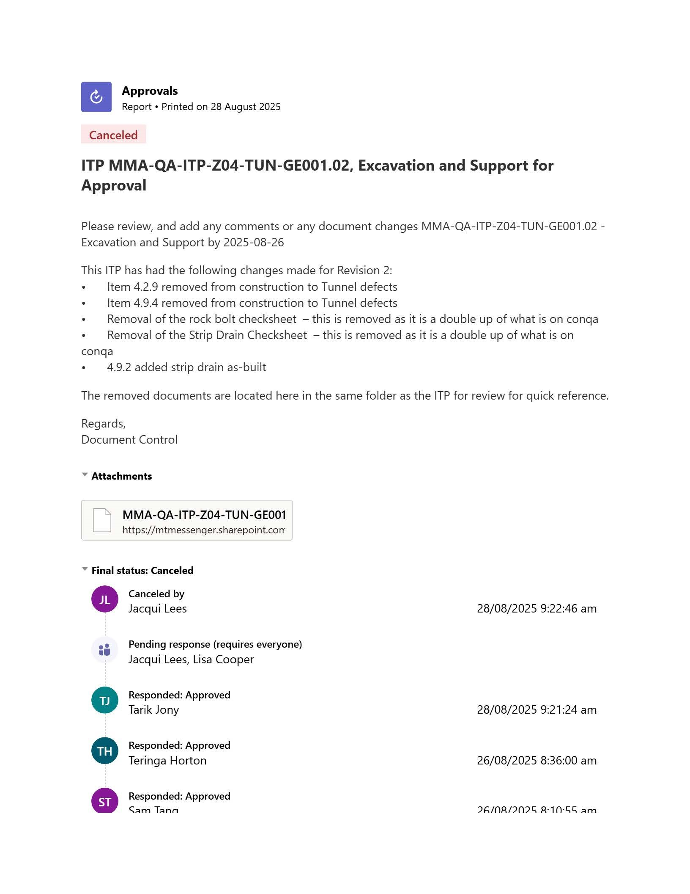
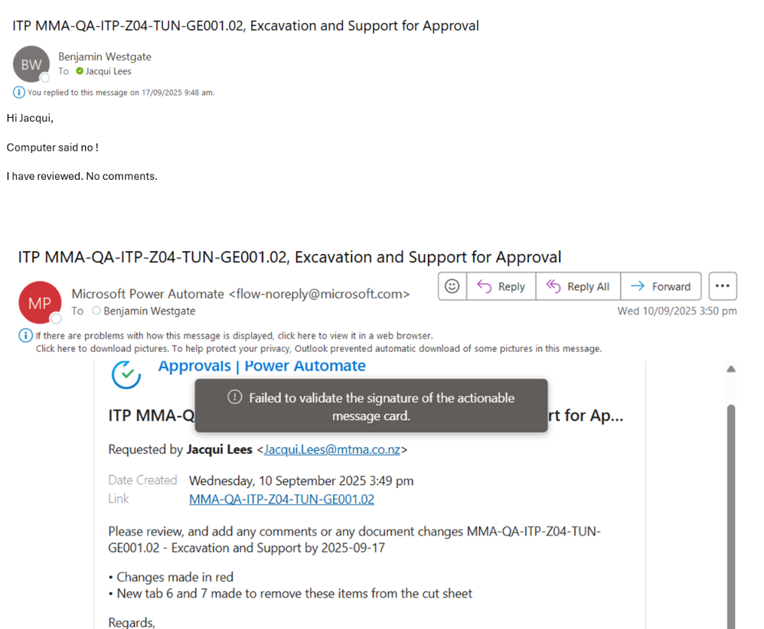

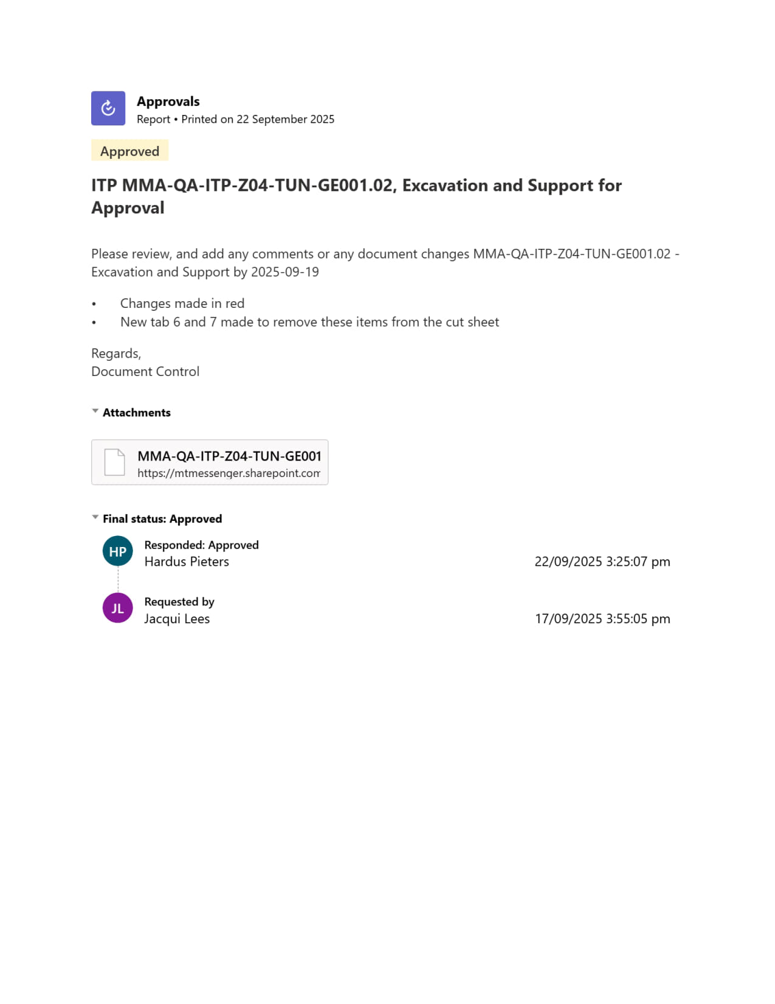

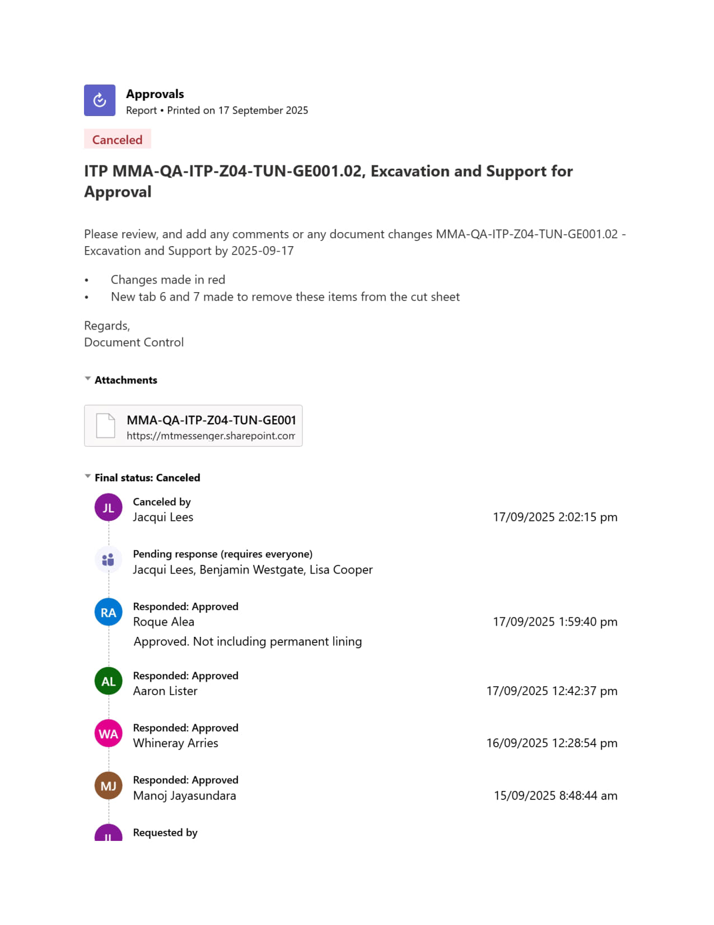

Rock Bolt Installation Record
Tunnel Rock Bolt Installation Record
Cut # and CH |  |  |  | Support Type: |  |  |  | Date :

Bolt Information
Drill bit: |  |  |  | Drill Depth(m): |  |  |  | Bolt Type:
Operator: |  |  |  | Flush Type: |  |  |  | Grout Record? | Y / N

Bolt ID | CH Installed | Time Bolt Installation Commenced | Time Bolt Installation Finished | Rate of penetration Softer/Harder | Fluid loss? (Y/N) | Ground water present? (Y/ N) | All accessories installed on bolt? (Y/N) | Resin Volume inserted (L) (Part A and Part B) | Resin Returned? (Y/N) | 10s+ Hold (Y/N) | Comments

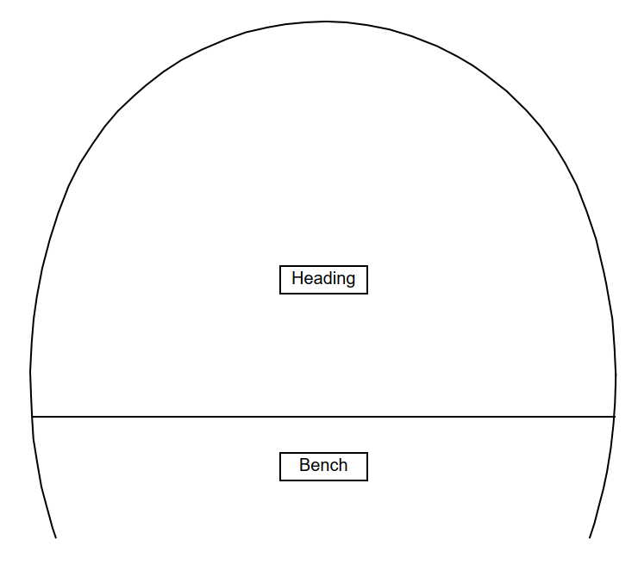
Tunnel Rock Bolt Installation Record
Comments:

CONSTR Rep: |  |  |  | Signature: |  |  |  | Date

CPS Rep: |  |  |  | Signature: |  |  |  | Date

Shotcrete Early Strength Record
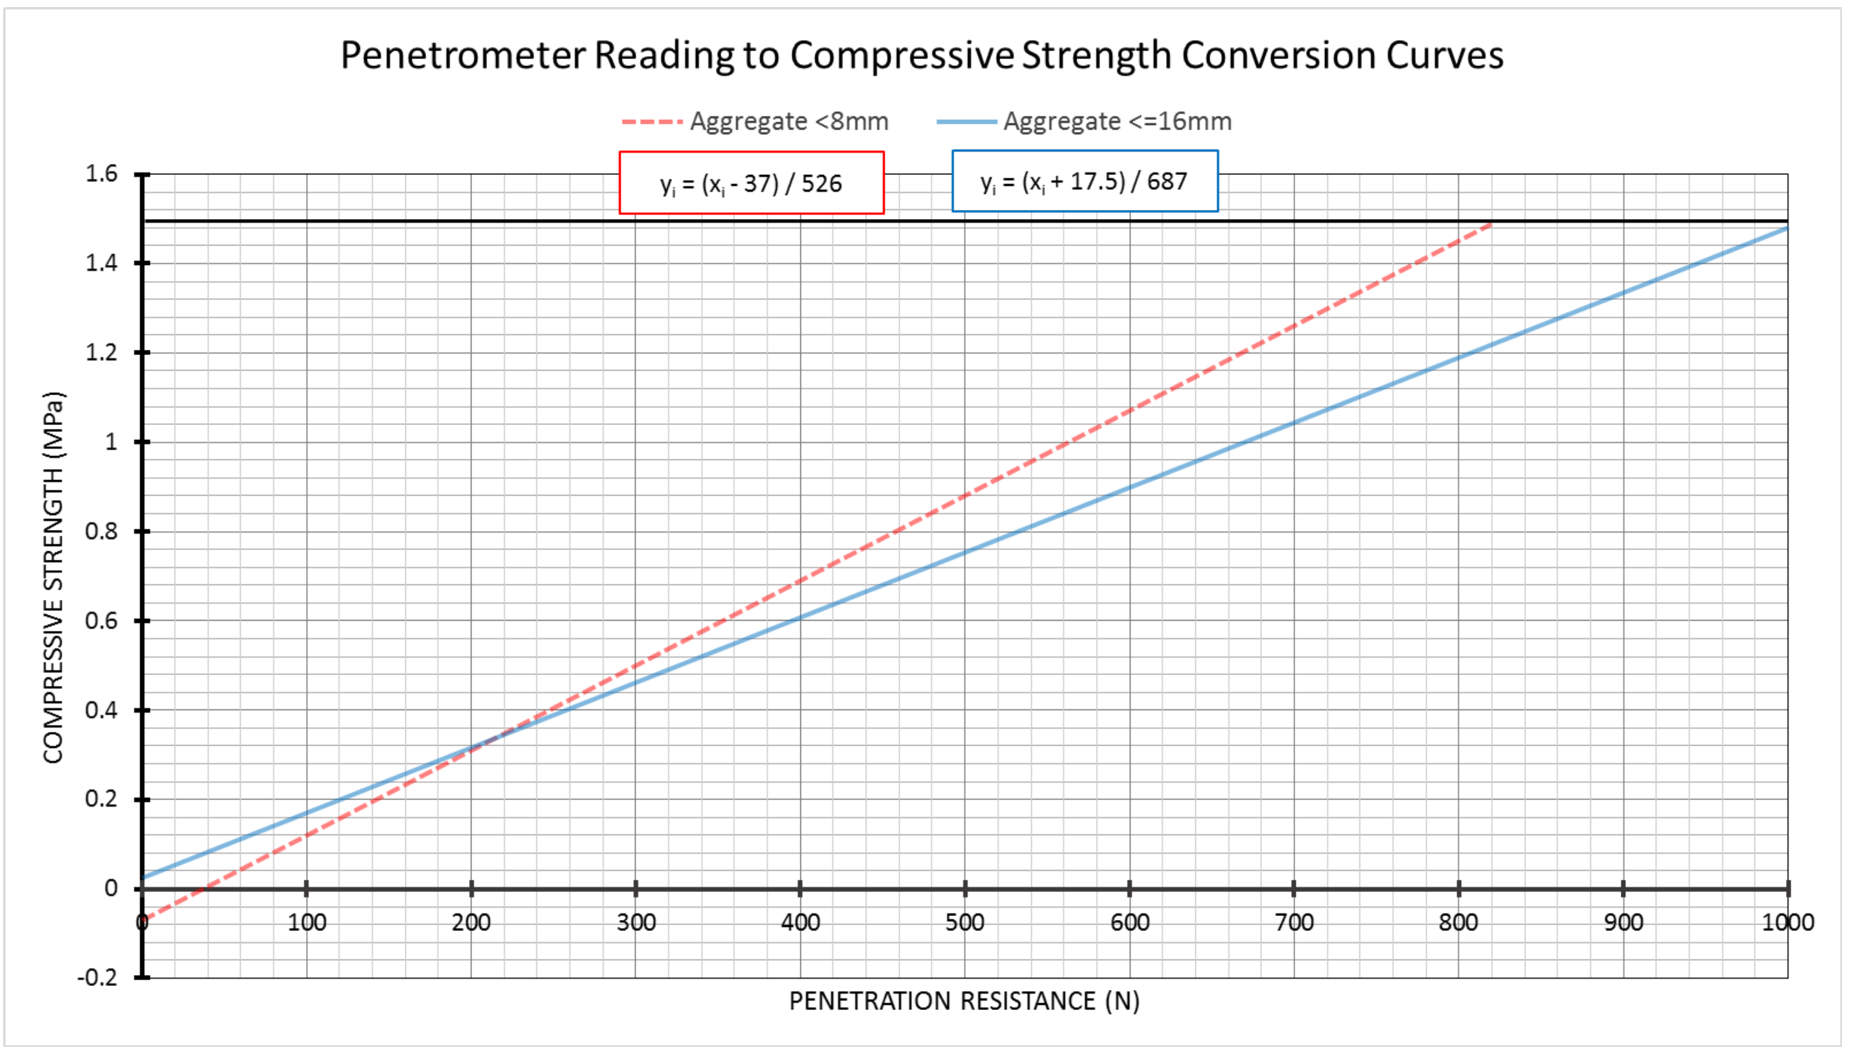
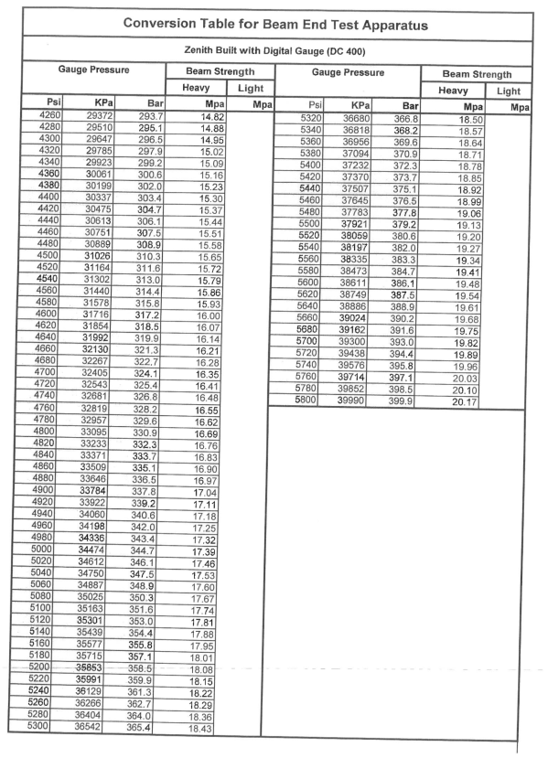
PENETROMETER TEST |  |  |  |  |  |  | Beam End test
Panel ID |  | Date Sprayed | Time Sprayed | Mix |  | Dosage | Beam 1 | Date Sprayed: |  | Time Sprayed: |  | Tester:
 |  |  |  |  |  |  | Test 1 | Test Day: |  | Test Time: |  | Comments
 |  |  |  |  |  |  | Results | Reading (bar) | 1- | 2- | 3-
Tester |  |  |  |  |  |  |  | Average (bar) |  | Strength (MPa)
Time
Age |  |  |  |  |  |  | Beam 2 | Date Sprayed: |  | Time Sprayed: |  | Tester:
1 |  |  |  |  |  |  | Test 2 | Test Day: |  | Test Time: |  | Comments
2 |  |  |  |  |  |  | Results | Reading (bar) | 1- | 2- | 3-
3 |  |  |  |  |  |  |  | Average (bar) |  | Strength (MPa)
4
5 |  |  |  |  |  |  | Beam 3 | Date Sprayed: |  | Time Sprayed: |  | Tester:
6 |  |  |  |  |  |  | Test 3 | Test Day: |  | Test Time: |  | Comments
7 |  |  |  |  |  |  | Results | Reading (bar) | 1- | 2- | 3-
8 |  |  |  |  |  |  |  | Average (bar) |  | Strength (MPa)
9
10 |  |  |  |  |  |  | Beam 4 | Date Sprayed: |  | Time Sprayed: |  | Tester:
Ave |  |  |  |  |  |  | Test 4 | Test Day: |  | Test Time: |  | Comments
Mpa |  |  |  |  |  |  | Results | Reading (bar) | 1- | 2- | 3-
STEPS |  |  |  |  |  |  |  | Average (bar) |  | Strength (MPa)
1 | Ensure the force indicator is set to zero.
2 | Apply the device perpendicularly to the surface of the sprayed concrete layer and steadily push in the needle to a depth of 15 mm in a single continuous movement. If this is prevented, for instance because of a large aggregate particle or reinforcement, then discontinue the test and repeat in an adjacent location.

 |  |  |  |  |  |  | STEPS
3 | Read the resistance force from the scale, record the value on the protocol form and return indicator to original position. |  |  |  |  |  | 1 | Set up beam mould on a 70 +- 5 degree angle from horizontal
4 | Clean the needle if necessary. |  |  |  |  |  | 2 | Moulds to be slightly over filled and then trowel finished
5 | Repeat the test ten times as quickly as possible (and within 1 min for strengths below 0,5 MPa) in an area representative of the sprayed region. |  |  |  |  |  | 3 | concrete to be atleast 0.5MPa to carry out test
9 | Compressive Strength (Mpa) = (Force (N) + 17.5) / 687 |  |  |  |  |  | 4 | demould carefully
 |  |  |  |  |  |  | 5 | turn beam 90 degrees so smooth sides are incontect with loading plates
Comments |  |  |  |  |  |  | 6 | top and bottom plate should be carefully aligned with rouhgly 25mm of beam protruding
 |  |  |  |  |  |  | 7 | beams to be loaded at rouhgly 1-2kN per second. Load should be applied continuously without shock
 |  |  |  |  |  |  | 8 | the length of broken portions of beams shall be at least 125mm (50mm greater than the width)

MTMA Engineer: |  |  |  |  | Date: |  | MTMA Engineer: |  |  |  | Date:

