图片比较报告
组名 | Image 1 | Image 2 | Method 1 (直接比较) | Method 2 (基于描述) | Method 3 (COT单次调用) | 总处理时间(秒)
group_27657 | 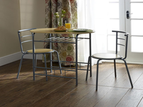 | 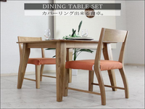 | Replace the metal table with a wooden table; move the chairs from metal to wooden; change the color of the chairs from black to orange; change the color of the... | Replace the round wooden table with a rectangular dining table made of light-colored wood; move the chairs from the round table to the rectangular one; change the vase with flowers... | Replace the round table with a rectangular one; change the chairs to wooden; remove the floral curtain and add a potted plant; adjust the table and chairs to the left... | 22.71
group_27657 | 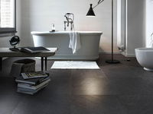 |  | Replace the bathtub with a dining table set; move the books and magazines from the floor to the table; change the floor color from dark gray to light gray; set... | Replace the bathroom with a minimalist dining room; move the bathtub to a different location; change the furniture to dining table and chairs; set the background to a clean, well-lit... | replace the bathtub with a dining table; move the books from the floor to the table; change the chair color from white to orange; add a plant on the table;... | 23.12
group_27657 |  | 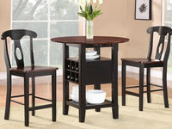 | Replace the bathtub with a dining table; move the books from the floor to the table; change the floor color from dark gray to light brown; set the background to... | Replace the large, freestanding bathtub with a round, dark wooden table; move the rectangular bench to a different location in the room; change the tall, floor-standing lamp to a smaller,... | replace the bathtub with a round dining table; move the books from the floor to the table; change the background to a dining setting. | 22.98
group_27657 |  |  | Replace the table and chairs with a bathtub; move the plate of food to the floor; change the color of the floor to black; set the background to white. | Replace the round wooden table with a large, freestanding bathtub; move the chairs to a different room; change the table's color to white; set the background to a light-colored wall;... | Replace the table with a bathtub; move the chairs to the bathtub; add a stack of books and a floor lamp to the bathroom; change the table and chairs to... | 25.57
group_27657 | 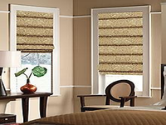 |  | Replace the windows with a dining table set; move the chair from the window to the table; change the color of the chair from brown to orange; change the count... | Replace the cozy, well-decorated room with a minimalist dining area; move the small table with a plant to a dining table; change the patterned Roman shades to a plain white;... | replace the roman shades with a wooden table and two wooden chairs with orange cushions; move the table from the window to the floor; change the vase and plant to... | 20.14

