图片比较报告
组名 | Image 1 | Image 2 | Method 1 (直接比较) | Method 2 (基于描述) | Method 3 (COT单次调用) | 总处理时间(秒)
group_27657 | 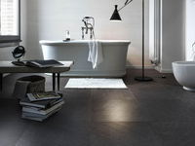 | 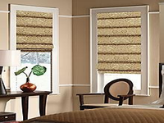 | Remove the bathtub; add a window with beige curtains; place a chair in the corner; add a vase on the table; change the floor color to beige. | Replace the bathroom with a cozy room; move the bathtub to a window; change the floor tiles to light beige; add patterned Roman shades; place a small table with a | Replace the books with a wooden armchair; move the books from the floor to the armchair; change the lamp to a table lamp; move the lamp from the floor to | 26.78
group_27657 | 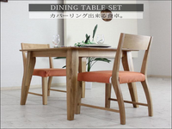 |  | Replace the dining table with a bathtub; move the chairs to the floor; change the table color from light wood to white; change the background from white to gray; | Replace the dining table with a large, freestanding bathtub; move the chairs to the bathroom; change the table's material to white porcelain; set the background to dark gray tiles; | Replace the dining table with a bathtub; move the table to the corner; change the floor from white marble to dark gray; remove the chairs and add a stack of | 27.03
group_27657 |  | 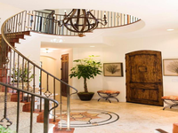 | Replace the dining table with a staircase; move the chairs to the staircase; change the table color from light brown to dark brown; change the background to a white wall | Replace the minimalist dining table with a grand, spiral staircase; move the chairs to the entrance hall; change the table setting to a rustic wooden door with a textured surface; | Replace the dining table set with a spiral staircase; move the wooden chairs to the wooden door; change the orange cushions to cushioned stools; replace the vase with greenery with | 24.74
group_27657 |  |  | Remove the staircase; replace it with two windows; add beige Roman shades; remove the chandelier; add a small table with a lamp; add a vase with a plant; | Replace the grand, spiral staircase with two windows; move the large, rustic wooden door to the wall; change the patterned rug to a neutral-colored carpet; set the small, round table | Could not extract final instruction | 31.25
group_27657 |  | 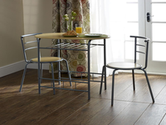 | Remove the bathtub; add a dining table with two chairs; place a plate of food and a glass of juice on the table; change the floor color from dark gray | Replace the large, freestanding bathtub with a round, wooden table; move the stack of books and magazines to the floor; change the floor tiles to wooden planks; | Remove the bathtub and stack of books; add a small round table and two chairs; change the floor from black tiles to wooden; remove the black floor lamp; | 24.85
group_27657 | 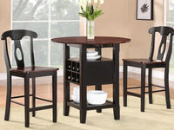 |  | Replace the wooden table with a metal one; move the chairs from black to beige; change the vase to a glass one; set the background to a door with a | Replace the round, dark wooden table with a round, wooden table with a metal frame; move the table's items to the new table; change the chairs to metal-framed, cushioned chairs | Replace the black chair with a silver chair; move the table to the corner; change the vase to clear; change the flowers to white; change the glass to orange; | 22.06
group_29000 | 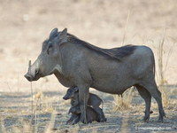 | 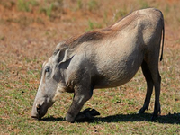 | Remove the baby warthog; change the color of the warthog to a lighter shade; set the background to a grassy field. | Replace the warthog and its young with a single adult warthog; move the warthog from a sandy landscape to a grassy field; change the color of the coat from greyish-brown | Remove the baby warthog; change the baby warthog's pose from sitting to standing; change the background from dry grass to green grass. | 17.08
group_29000 | 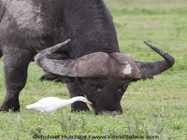 |  | Replace the large black animal with a warthog; move the white bird from the grass to under the warthog; change the grass color from green to brown; | Replace the Cape buffalo with a warthog and its young; move the bird to the background; change the grassy field to a dry, sandy landscape; set the background to a | Replace the water buffalo with a warthog; move the bird from the grass to near the warthog; change the color of the animal to gray; set the background to a | 18.05
group_29000 | 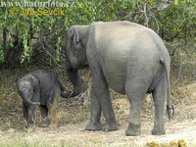 |  | Replace the elephants with a warthog; move the elephants from the forest to the grassland; change the color of the elephants to gray; change the count of elephants from 2 | Replace elephants with a warthog; move the warthog from the forest to a grassy field; change the color of the skin from grayish to greyish-brown; change the count of elephants | Replace the two elephants with a single warthog; move the elephants from the natural setting to a grassy area with sparse vegetation; change the size of the calf to smaller; | 18.95
group_29000 | 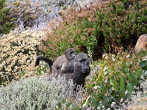 |  | Replace the baboons with a warthog; move the warthog from the background to the foreground; change the color of the warthog from gray to brown; change the count of baboons | Replace baboons with a warthog and its young; move them from the center to the left side of the image; change the vegetation to a dry, sandy landscape with sparse | Replace the baboon with a warthog; move the baboon from the mountainous terrain to a dry, grassy plain; change the color of the baboon to gray; | 19.53
group_29000 |  |  | Replace the warthog with an elephant; move the warthog from the foreground to the background; change the color of the warthog to gray; change the count of the warthog from | Replace the warthog with two elephants; move the adult elephant from the left to the right; change the color of the elephants from greyish-brown to grayish; | Replace the warthog with an elephant; move the warthog to the forest; change the background to a forested area. | 18.55
group_29000 | 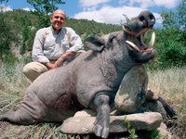 |  | Replace the wild boar with an elephant; move the elephant from the forest to the grassland; change the color of the elephant from gray to dark gray; | Replace the man and the boar with two elephants; move the elephants from the natural outdoor setting to a forest or savannah; change the color of the elephants from the | Replace the man and boar with two elephants; move the elephants to a natural setting with trees and dirt ground; change the boar's size to match the elephants. | 16.34
group_13625 | 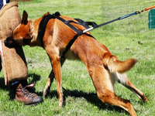 | 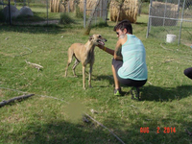 | Remove the dog's harness; add a person wearing a light blue tank top and black shorts; change the grass color to a lighter shade; remove the brown boot; | Replace the dog with a person; move the dog from the foreground to the background; change the dog's activity from scent detection to petting; change the harness and leash to | Replace the brown dog with a greyhound; move the dog from the grass to a fenced area; change the dog's color from brown to grey. | 18.4
group_13625 | 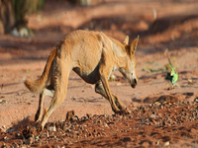 | 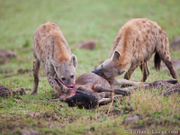 | Replace the dog with hyenas; move the dog from the desert to a grassy field; change the color of the ground from brown to green; change the count of the | Replace the dingo with three hyenas; move the dingo from a sandy, rocky terrain to a grassy savannah; change the color of the dingo's fur to a mix of brown, | Replace the dingo with two hyenas; move the dingo from running to standing; change the ground from dusty to grassy; set the background to a grassy field. | 17.71
group_13625 |  |  | Replace the hyenas with a person and a dog; move the person from the left to the right; change the color of the person's tank top from brown to light | Replace the three hyenas with a person and a dog; move the carcass to the ground; change the setting from a savannah to a grassy area; | Replace the hyenas with a person; move the scene from a grassy field to a fenced area; change the lighting to artificial; remove the text. | 20.13
group_13625 |  |  | Replace the brown dog with a greyhound; move the dog from the desert to a grassy field; change the background from desert to a fenced area with hay bales; | Replace the dingo with a dog; move the dingo from a sandy, rocky terrain to a grassy area; change the color of the dog's fur from light brown to a | Replace the dingo with a person; move the dingo from the ground to the grass; change the background to a fenced area with green grass, hay bales, and a chain-link | 18.2
group_13625 | 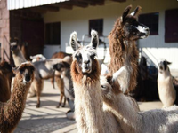 |  | Replace the animals with a dog; move the animals from the foreground to the background; change the color of the animals to brown; change the count of animals from multiple | Replace the llamas with a dog; move the llamas from the foreground to the background; change the coat color from brown and white to reddish-brown; set the background to a | Replace the alpacas with a dog; move the dog from the background to the foreground; change the animal type from alpacas to a dog. | 18.76
group_13625 | 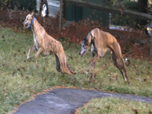 |  | Replace the two dogs with a single dog; move the dog from the grass to the grass with a leash; change the collar color from blue to black; | Replace the two dogs with a single dog; move the dogs from a grassy area to a grassy field with a wire fence; change the collar color from blue to | Replace the collar with a harness; move the dog to sniff a bag on the ground; change the collar color from blue to black; increase the size of the grass | 18.93

