图片比较报告
组名 | Image 1 | Image 2 | Method 1 (直接比较) | Method 2 (基于描述) | Method 3 (COT单次调用) | 总处理时间(秒)
group_27657 | 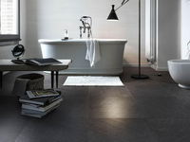 | 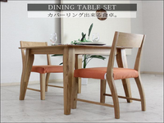 | Remove the bathtub and replace it with a dining table set consisting of a wooden table and two orange cushioned chairs. Add a potted plant on the table and remove | Replace the bathroom with a minimalist dining room; move the bathtub to a different location; change the floor tiles to light-colored wood; add a rectangular dining table and two chairs; | Replace the bathtub with a wooden dining table; move the black bench to the right side of the table; add two orange cushioned chairs; change the black floor tiles to | 32.71
group_27657 |  | 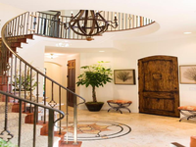 | Replace the bathtub with a staircase; move the books from the floor to the staircase; change the floor color from dark gray to light beige; set the background to white. | Replace the bathroom with an elegant interior space; move the bathtub to a grand, spiral staircase with a wrought iron railing; change the floor tiles to a patterned rug; | Replace the stack of books with a potted plant; move the books from the floor to the staircase; change the black floor tiles to beige; set the background to a | 23.87
group_27657 | 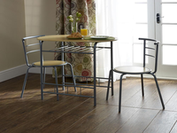 |  | Replace the table with a bathtub; move the chairs from the table to the floor; change the table color from light brown to white; change the curtain to a plain | Replace the dining area with a modern, minimalist bathroom; move the table and chairs to a different room; change the flooring to large, dark gray tiles; | Replace the dining area with a bathroom setting; move the table to the corner; change the table to white; remove the chairs; set the background to a bathroom scene. | 26.29
group_29000 | 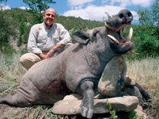 | 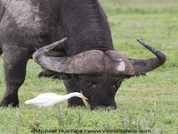 | Replace the wild boar with a water buffalo; move the man from the foreground to the background; change the color of the animal from gray to dark brown; | Replace the man with a Cape buffalo; move the man from the foreground to the background; change the boar's color to dark; set the background to a grassy savannah field; | Replace the man with an ox; move the man from kneeling to grazing; change the boar to an ox; set the background to a green, grassy field. | 16.42
group_29000 | 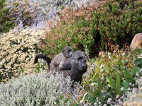 |  | Replace the baboons with a dead boar; move the boar to the foreground; change the color of the boar to gray; change the count of baboons to 1; | Replace the baboons with a man; move the baboons from the center to the left side; change the plants to grass and small rocks; set the background to a natural | Replace the baboon with a man; move the baboon from the hillside to next to the man; change the color of the baboon to gray; change the size of the | 16.87
group_29000 |  | 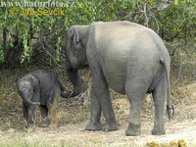 | Replace the baboons with elephants; move the baboons from the foreground to the background; change the color of the animals from brown to gray; change the count of animals from | Replace baboons with elephants; move baboons from center to left and right sides; change color from brown to gray; change count from 2 to 2; set background to green foliage | Replace the baboon with an elephant; move the baboon from the mountainous terrain to a dirt path; change the color of the elephant to gray; increase the size of the | 18.81

