图片比较报告
组名 | Image 1 | Image 2 | Method 1 (直接比较) | Method 2 (基于描述) | Method 3 (COT单次调用) | 总处理时间(秒)
group_27657 | 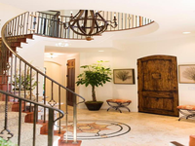 | 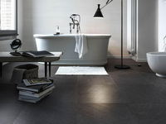 | Replace the staircase with a bathtub; move the potted plant to the floor; change the wall color from white to gray; change the door color from brown to white; set the background to a bathroom setting. | Replace the grand, spiral staircase with a modern, freestanding bathtub; move the rustic wooden door to the bathroom entrance; change the light, neutral color walls to a dark gray; set the background to a sleek, minimalist design; | Replace the staircase with a modern bathroom scene; move the potted plant to the floor next to the bathtub; change the lighting to a modern, minimalist style; and replace the decorative elements with functional bathroom elements. | 27.66
group_27657 | 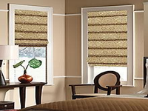 |  | Replace the windows with a bathroom scene; add a white bathtub; remove the chair and table; add a black floor lamp; place a stack of books on the floor; change the wall color to white; set the background to a | Replace the cozy room with a modern, minimalist bathroom; move the table and lamp to the foreground; change the decor to a stack of books and magazines; change the floor to large, dark gray tiles; set the background to a | Replace the living room with a bathroom; change the table to a metal one; change the chair to a metal one; change the vase to black; change the plant to black; change the Roman shades to white; | 25.03
group_27657 |  | 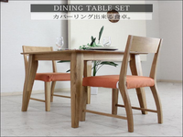 | Remove the window and replace it with a dining table set; add two wooden chairs with orange cushions; remove the lamp and plant; change the wall color to white; set the background to a light gray. | Replace the cozy room with a minimalist dining area; move the table and chairs from the living room to the dining area; change the patterned Roman shades to a plain white; remove the decorative items and lamp; | Replace the Roman shades with a dining table set; add two wooden chairs with orange cushions; add a white plate, two wine glasses, and a green plant on the table; change the background to a plain white wall; | 23.08

