样本数据
Reference Image | Target Image | Modification Text | Original Mod Text
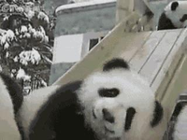 |  | a rock | has more than one rock
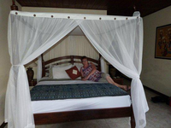 | 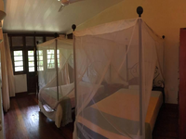 | a bed with a pelmet hanging above and a blue rug | show an empty bed with the pelmet hanging above and a blue carpet
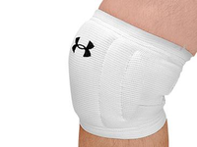 | 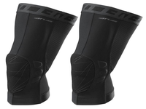 | Two knee pads without a leg | Increase to two knee guards without a leg.
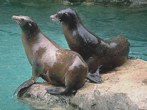 |  | two adult seals | change seals to two adults
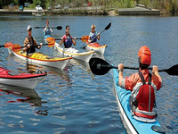 | 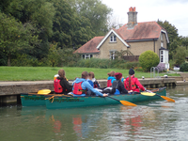 | a green canoe with multiple people | Show one boat with multiple passengers.
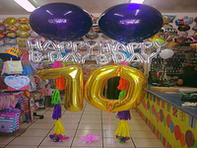 | 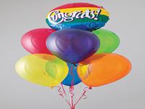 | a balloon with the word 'Congrats!' on it | Change from literal birthday balloons to funny alcohol balloon
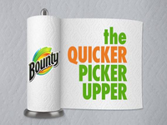 | 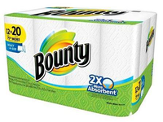 | show the package | show the package of the product.
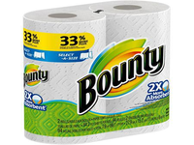 | 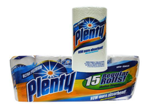 | A single roll of paper towels is displayed on multi-colored towels. | there was a set of two rolls of paper towels on a white background - now single packaged rolls of paper towels on multi-colored towels
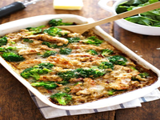 | 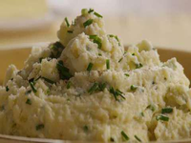 | a circular bowl of smooth mash with a small garnish on top | show a circular bowl of smooth mash, with a small garnish on top.
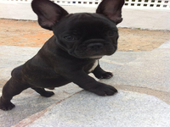 | 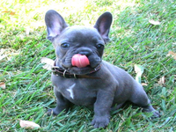 | Alakazam, the small blue puppy, has changed its fur coat. | Alakazam, the puppy has changed it's fur coat

