Penawaran Detail
PENAWARAN HARGA
No. Penawaran |  | Q-DEMO-DETAIL-2026 |  |  |  | Tanggal |  | 26/07/2026
Customer |  | Institut Teknologi Bandung - Demo Detail |  |  |  | PIC |  | Prof. Hendra Wijaya
Project |  | Demo Penawaran Detail Sesuai Standar Robust 2026 |  |  |  | Sales |  | Rizky Pratama
Berlaku Sampai |  | 26/08/2026 |  |  |  | Status |  | Approved SPV

NO | DESCRIPTION |  |  |  |  |  | QTY | UoM | PRICE ( Rp ) | SUB TOTAL ( Rp )
1 | WALL BENCH - STEEL STRUCTURE |  |  |  |  |  | 1 | Unit | 500,000 | 500,000
 | WALL BENCH WBF-200-S-SRF
 | General
 |  | Type | WBF-200-S
 |  | Model | Laboratory bench with floor-mounted steel under-bench cabinet
 |  | Manufacturer | PT. Robust Multilab Solusindo
 |  | Standards Compliance | ISO 9001:2015 & ISO 14001:2015 Certified Manufacturer
 |  | SEFA | SEFA 8M 2020
 | Dimensions (W x D x H, mm)
 |  | Overall Dimension | 2000 x 700 x 850
 | Construction & Materials
 |  | Main Structure | Steel plate structure, thickness 1.2 mm, finished with chemical-resistant epoxy powder coating
 |  | Cabinet Body | Steel plate thickness 1.2 mm, finished with chemical-resistant epoxy powder coating
 |  | Drawer / Door Panel | Galvanized steel plate thickness 1.2 mm, finished with chemical-resistant epoxy powder coating
 |  | Handle | Aluminum handle
 |  | Door / Drawer Design | Inset-type door and drawer design with concealed hinges, opening angle up to 110°
 |  | Worktop | Phenolic resin worktop, thickness 16 mm, certified tested by TUV: SEFA 8 standard and BS EN 438
 |  | Construction Design | Robust, rigid, self-supporting modular system, allows easy knock-down and reassembly
 | Under-Bench Cabinet formations
 |  | CS (Cabinet Sink) 700 | 1 | pcs
 |  | DC (Drawer + Cabinet) 500 | 1 | pcs
 |  | KSM (Knee Space) 800 | 1 | pcs
 | Utility & Accessories
 |  | Electrical Socket | Single electric socket, IP55, laboratory grade (Legrand or equivalent)
 |  |  | 4 | pcs | 500,000 | 2,000,000
 |  | Socket Housing | PVC cable trunking 50 x 100 mm
 |  |  | 1 | btg | 500,000 | 500,000
 |  | Electrical Installation | NYM cable 2.5 mm² or equivalent, with PVC conduit Ø 20 mm for protection
 | Water & Sink System
 |  | Water Tap | One-way swivel laboratory water tap (RBS W 101 or equivalent)
 |  |  | 1 | pcs | 500,000 | 500,000
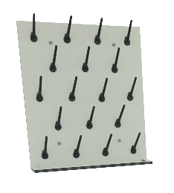
 |  | Laboratory Sink | PP sink with anti-siphon bottle trap
 |  | Model | RBS PPS-560 size 560 x 428 x 260 mm
 |  |  | 1 | set | 500,000 | 500,000
 | Peg Board
 |  | Type | PEG-50
 |  | Total Dimension | 500 mm x 600 H mm
 |  | Board Material | Phenolic resin panel, thickness 6 mm
 |  | Peg Material | Molded Polypropylene
 |  | Peg Quantity | 18 pcs
 |  | Installation | Fixed and easy installation system
 |  |  | 1 | set | 500,000 | 500,000
 | Wall Side Rack
 |  | Total Dimension | 1000 x 300 x 750 (H) mm
 |  | Model | Open rack for wall bench with 2 levels of storage
 |  | Main Structure | Steel plate structure, thickness 1.2 mm, finished with chemical-resistant epoxy powder coating
 |  | Rack Shelves | Steel plate thickness 1.2 mm, finished with chemical-resistant epoxy powder coating
 |  | Rack Perimeter | SS304 tube Ø 3/8 inch, thickness 1.2 mm, finished with chemical-resistant epoxy powder coating
 |  | Include | Electrical socket housing
 |  |  | 1 | set | 500,000 | 500,000
 | By Others / by Client
 |  | Electrical Supply | 1 phase, 220 V, 16 A, cable NYM 3 x 2.5 mm²
 |  | Water Supply | PVC pipe Ø 0.5 inch with ball-valve
 |  | Drainage | PVC pipe Ø 1.5 inch
2 | FUME HOOD ECO |  |  |  |  |  | 1 | Unit | 500,000 | 500,000
 | FUME HOOD FH-125 ECO
 | General
 |  | Type | FH-125 ECO
 |  | Manufacturer | PT. Robust Multilab Solusindo
 |  | Standards Compliance | ISO 9001:2015 & ISO 14001:2015 Certified Manufacturer
 |  | Face Velocity Standard | ANSI / ASHRAE 110 – 2016
 |  | Fume Hood Standard | SEFA 1 2020
 | Dimensions (W x D x H, mm)
 |  | Overall Dimension | 1250 x 890 x 2350
 |  | Upper Cabinet | 1250 x 890 x 1450
 |  | Base Cabinet | 1250 x 850 x 900
 | Construction & Materials
 |  | Side & Back Wall | Plywood, thickness 18 mm, laminated with HPL melamine
 |  | Baffle System | Plywood, thickness 15 mm, laminated with HPL melamine
 |  | Worktop | Phenolic resin, laboratory grade, thickness 16 mm, heat resistant up to 120 °C
 |  | Frame Structure | Plywood, thickness 18 mm, laminated with HPL melamine
 |  | Base Cabinet | Plywood, thickness 18 mm, laminated with HPL melamine
 |  | Hardware | Heavy-duty laboratory grade hinges, handles, and leveling feet
 | Safety Features
 |  | Sash | Vertical sliding tempered clear safety glass, thickness 6 mm
 |  | Operation | Counterbalanced sash system for smooth and stable operation
 | Utilities & Accessories
 |  | Electrical Socket | Single electric socket, close-cap
 |  |  | 2 | set
 |  | Water Tap | Laboratory water fitting with front control valve
 |  |  | 1 | set
 |  | Sink & Drain | PP cup sink Ø 17 cm complete with PP bottle trap
 |  |  | 1 | set
 |  | Lighting | Fluorescent lamp, complete with ON/OFF switch
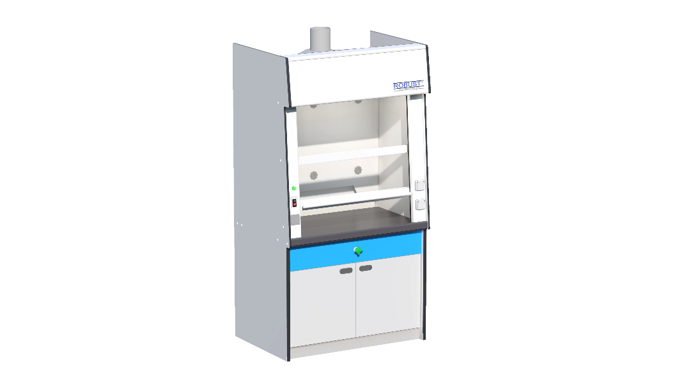
 |  |  | 1 | set
 | Blower Specification
 |  | Type | Blower 7
 |  | Model | Chemical-resistant centrifugal blower
 |  | Material | Polypropylene (PP)
 |  | Air Volume | 1200 CFM / 2038 CMH
 |  | Static Pressure | 750 Pa
 | Motor & Electrical
 |  | Motor Power | 0.35 kW
 |  | Voltage / Phase / Frequency | 220 V / 1 phase / 50 Hz
 |  | Motor Speed | 2850 RPM
 |  | Protection Rating | IP 54
 |  | Blower Cable NYM 3 x 2.5 mm² | 10 | m
 | Ducting
 |  | Duct Material | PVC type D brand Rucika or equal
 |  | Duct Diameter | 8 inch
 |  | Duct Length | 6 | m
 | Testing & Commissioning
 |  | Included | IQ (Installation Qualification) & OQ (Operational Qualification)
 | By Others / by Client
 |  | Electrical Supply | 1 phase, 220 V, 16 A, cable NYM 3 x 2.5 mm²
 |  | Water Supply | PVC pipe Ø 0.5 inch with ball-valve
 |  | Drainage | PVC pipe Ø 1.5 inch
3 | FUME HOOD ECO |  |  |  |  |  | 1 | Unit | 500,000 | 500,000
 | FUME HOOD FH-150 ECO
 | General
 |  | Type | FH-150 ECO
 |  | Manufacturer | PT. Robust Multilab Solusindo
 |  | Standards Compliance | ISO 9001:2015 & ISO 14001:2015 Certified Manufacturer
 |  | Face Velocity Standard | ANSI / ASHRAE 110 – 2016
 |  | Fume Hood Standard | SEFA 1 2020
 | Dimensions (W x D x H, mm)
 |  | Overall Dimension | 1500 x 890 x 2350
 |  | Upper Cabinet | 1500 x 890 x 1450
 |  | Base Cabinet | 1500 x 850 x 900
 | Construction & Materials
 |  | Side & Back Wall | Plywood, thickness 18 mm, laminated with HPL melamine
 |  | Baffle System | Plywood, thickness 15 mm, laminated with HPL melamine
 |  | Worktop | Phenolic resin, laboratory grade, thickness 16 mm, heat resistant up to 120 °C
 |  | Frame Structure | Plywood, thickness 18 mm, laminated with HPL melamine
 |  | Base Cabinet | Plywood, thickness 18 mm, laminated with HPL melamine
 |  | Hardware | Heavy-duty laboratory grade hinges, handles, and leveling feet
 | Safety Features
 |  | Sash | Vertical sliding tempered clear safety glass, thickness 6 mm
 |  | Operation | Counterbalanced sash system for smooth and stable operation
 | Utilities & Accessories
 |  | Electrical Socket | Single electric socket, close-cap
 |  |  | 2 | set
 |  | Water Tap | Laboratory water fitting with front control valve
 |  |  | 1 | set
 |  | Sink & Drain | PP cup sink Ø 17 cm complete with PP bottle trap
 |  |  | 1 | set
 |  | Lighting | Fluorescent lamp, complete with ON/OFF switch
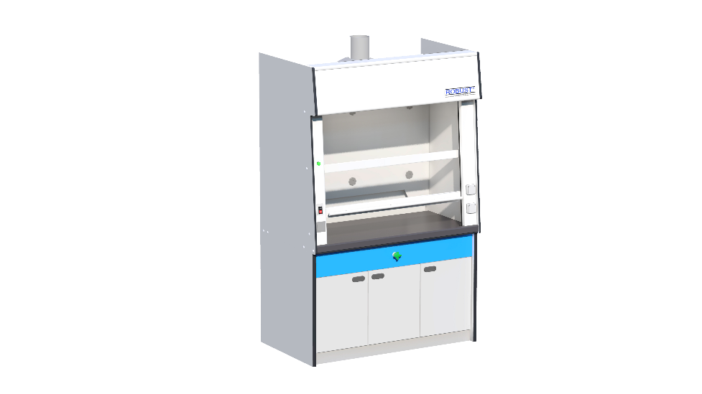
 |  |  | 1 | set
 | Blower Specification
 |  | Type | Blower 7
 |  | Model | Chemical-resistant centrifugal blower
 |  | Material | Polypropylene (PP)
 |  | Air Volume | 1200 CFM / 2038 CMH
 |  | Static Pressure | 750 Pa
 | Motor & Electrical
 |  | Motor Power | 0.35 kW
 |  | Voltage / Phase / Frequency | 220 V / 1 phase / 50 Hz
 |  | Motor Speed | 2850 RPM
 |  | Protection Rating | IP 54
 |  | Blower Cable NYM 3 x 2.5 mm² | 10 | m
 | Ducting
 |  | Duct Material | PVC type D brand Rucika or equal
 |  | Duct Diameter | 8 inch
 |  | Duct Length | 6 | m
 | Testing & Commissioning
 |  | Included | IQ (Installation Qualification) & OQ (Operational Qualification)
 | By Others / by Client
 |  | Electrical Supply | 1 phase, 220 V, 16 A, cable NYM 3 x 2.5 mm²
 |  | Water Supply | PVC pipe Ø 0.5 inch with ball-valve
 |  | Drainage | PVC pipe Ø 1.5 inch

SUBTOTAL |  |  |  |  |  |  |  |  |  | 1,500,000
DISKON 0%
PPN 11% |  |  |  |  |  |  |  |  |  | 165,000
GRAND TOTAL |  |  |  |  |  |  |  |  |  | 1,665,000

CATATAN & KETENTUAN
Demo format detail: section, breakdown Qty/UoM/harga, dan gambar produk.
Approved by Siti Rahma pada 25/07/2026 09:49

