all-人工分析+label (2)
Specified address 构造函数申明 | Unexploitable, | Unexploitable, 构造函数内申明目标合约地址 主合约未调用相关函数 | 0xf7439bae7cd0c506ccd35d70b3a06b8a4ae9c2f6 | 9 | 58249950000000000.00 |  | /** * Performs a handover to a new implementing contract. */ function replace(address target) internal { _dest = target; require(target.delegatecall(bytes4(keccak256("initialize()")))); } contract Dispatcher is Upgradeable { constructor (address target) public { replace(target); } 」
access control 地址控制 跨合约 | Unexploitable, | Unexploitable, 目标合约地址由拥有者控制(合约存在继承关系) | 0x95470f8e330d20788e76e8da3063c9a19555ac0c | 4 | 278719907407420.00 |  | contract ExchangeRegistry is Ownable { Exchange[] public exchanges; constructor(address[] memory proxies) { for (uint256 i = 0; i < proxies.length; i++) { exchanges.push(Exchange(proxies[i], true)); } } function addExchange( address proxy) external onlyOwner { exchanges.push(Exchange(proxy, true)); } } //主函数 ExchangeRegistry public exchangeRegistry; // swap to desired assets if needed for (uint256 i=0; i < swapDetails.length; i++) { (address proxy, ) = exchangeRegistry.exchanges(swapDetails[i].exchangeId); (bool success, ) = proxy.delegatecall(swapDetails[i].swapData); require(success, "buyNftForERC20: swap failed."); }
access control 函数控制 修饰器 | Unexploitable | Unexploitable 权限控制，修饰器控制函数调用者 | 0x7d2768de32b0b80b7a3454c06bdac94a69ddc7a9 | 439477 | 0.00 |  | /** * @dev Upgrade the backing implementation of the proxy and call a function * on the new implementation. * This is useful to initialize the proxied contract. * @param newImplementation Address of the new implementation. * @param data Data to send as msg.data in the low level call. * It should include the signature and the parameters of the function to be called, as described in * https://solidity.readthedocs.io/en/v0.4.24/abi-spec.html#function-selector-and-argument-encoding. */ function upgradeToAndCall(address newImplementation, bytes calldata data) external payable ifAdmin { _upgradeTo(newImplementation); (bool success, ) = newImplementation.delegatecall(data); require(success); }
access control 函数控制 修饰器 | Unexploitable | Unexploitable 权限控制，修饰器控制函数调用者 | 0x03f34be1bf910116595db1b11e9d1b2ca5d59659 | 357470 | 956140614493739000.00 |  | contract UpgradeableProxy is Proxy { /** * @dev Upgrade the implementation of the proxy, and then call a function from the new implementation as specified * by `data`, which should be an encoded function call. This is useful to initialize new storage variables in the * proxied contract. * * NOTE: Only the admin can call this function. See {ProxyAdmin-upgradeAndCall}. */ function upgradeToAndCall(address newImplementation, bytes calldata data) external payable ifAdmin { _upgradeTo(newImplementation); // solhint-disable-next-line avoid-low-level-calls (bool success,) = newImplementation.delegatecall(data); require(success); } modifier ifAdmin() { if (msg.sender == _admin()) { _; } else { _fallback(); } } } 主合约 contract Tokenlon is TransparentUpgradeableProxy { constructor(address _logic, address _admin, bytes memory _data) public payable TransparentUpgradeableProxy(_logic, _admin, _data) {} } contract TransparentUpgradeableProxy is UpgradeableProxy { constructor(address _logic, address _admin, bytes memory _data) public payable UpgradeableProxy(_logic, _data) { assert(_ADMIN_SLOT == bytes32(uint256(keccak256("eip1967.proxy.admin")) - 1)); _setAdmin(_admin); }} | 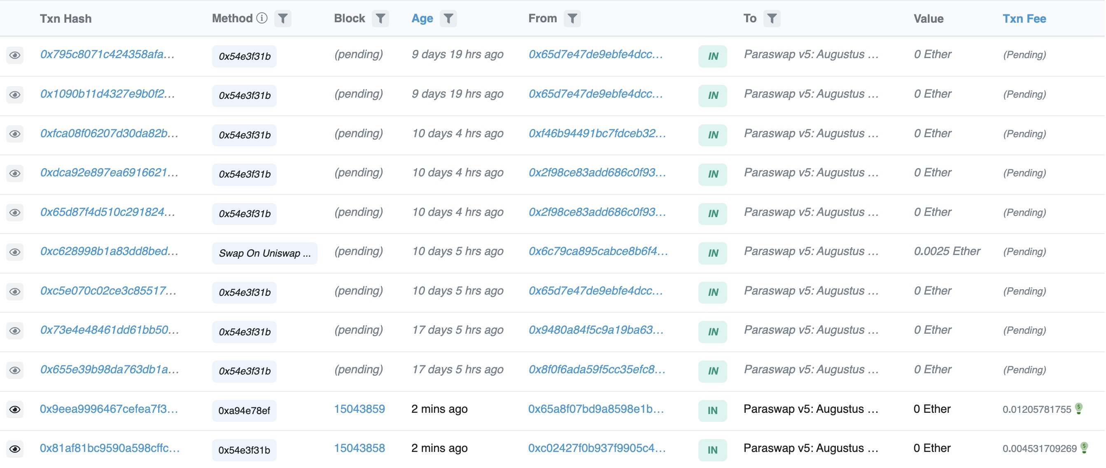
access control 函数控制 修饰器 | Unexploitable | Unexploitable 权限控制，修饰器控制函数调用者 | 0xdef171fe48cf0115b1d80b88dc8eab59176fee57 | 203935 | 0.00 | 0xf01121e808f782d7f34e857c27da31ad1f151b39 | contract AugustusSwapper is AugustusStorage, AccessControl { 主合约内 /** * @dev Throws if called by any account other than the admin. */ modifier onlyAdmin() { require(hasRole(DEFAULT_ADMIN_ROLE, msg.sender), "caller is not the admin"); _; } fallback() external payable { bytes4 selector = msg.sig; //Figure out the router contract for the given function address implementation = getImplementation(selector); if (implementation == address(0)) { _revertWithData( abi.encodeWithSelector( bytes4(keccak256("NotImplementedError(bytes4)")), selector ) ); } //Delegate call to the router (bool success, bytes memory resultData) = implementation.delegatecall(msg.data); if (!success) { _revertWithData(resultData); } _returnWithData(resultData); function initializeAdapter(address adapter, bytes calldata data) external onlyAdmin require( hasRole(WHITELISTED_ROLE, adapter), "Exchange not whitelisted" ); (bool success,) = adapter.delegatecall(abi.encodeWithSelector(IAdapter.initialize.selector, data)); require(success, "Failed to initialize adapter"); emit AdapterInitialized(adapter); } function initializeRouter(address router, bytes calldata data) external onlyAdmin require( hasRole(ROUTER_ROLE, router), "Router not whitelisted" ); (bool success,) = router.delegatecall(abi.encodeWithSelector(IRouter.initialize.selector, data)); require(success, "Failed to initialize router"); emit RouterInitialized(router); } }
access control 函数控制 修饰器 | Unexploitable | Unexploitable 权限控制，修饰器控制函数调用者 | 0x0fd10b9899882a6f2fcb5c371e17e70fdee00c38 | 102750 | 0.00 |  | function upgradeToAndCall(address newImplementation, bytes calldata data) payable external ifAdmin { _upgradeTo(newImplementation); (bool success,) = newImplementation.delegatecall(data); require(success); } modifier ifAdmin() { if (msg.sender == _admin()) { _; } else { _fallback(); } }
Specified address address(this) | Unexploitable | Unexploitable Specified address | 0xef0881ec094552b2e128cf945ef17a6752b4ec5d | 85902 | 0.00 |  | //only one delegtecall contract BaseBoringBatchable { // F2: Calls in the batch may be payable, delegatecall operates in the same context, so each call in the batch has access to msg.value // C3: The length of the loop is fully under user control, so can't be exploited // C7: Delegatecall is only used on the same contract, so it's safe function batch(bytes[] calldata calls, bool revertOnFail) external payable returns (bool[] memory successes, bytes[] memory results) { successes = new bool[](calls.length); results = new bytes[](calls.length); for (uint256 i = 0; i < calls.length; i++) { (bool success, bytes memory result) = address(this).delegatecall(calls[i]); require(success || !revertOnFail, _getRevertMsg(result)); successes[i] = success; results[i] = result; } } } //主合约 contract BoringBatchable is BaseBoringBatchable {
access control Specified address address(this) | Unexploitable | Unexploitable Specified address | 0x26fa3fffb6efe8c1e69103acb4044c26b9a106a9 | 70935 | 0.00 |  | // C3: The length of the loop is fully under user control, so can't be exploited // C7: Delegatecall is only used on the same contract, so it's safe function batch(bytes[] calldata calls, bool revertOnFail) external payable { for (uint256 i = 0; i < calls.length; i++) { (bool success, bytes memory result) = address(this).delegatecall(calls[i]); if (!success && revertOnFail) { revert(_getRevertMsg(result)); } } }
access control 函数控制 修饰器 | Unexploitable | Unexploitable | 0xfef4185594457050cc9c23980d301908fe057bb1 | 51680 | 0.00 |  | function setContracts(address nftContract, address nftdContract) public onlyOwner { _nftContract = nftContract; _nftdContract = nftdContract; } if (divisable) { (nft_created, nft_data) = _nftdContract.delegatecall(abi.encodeWithSignature("createNFT(bytes)", Data)); } else { (nft_created, nft_data) = _nftContract.delegatecall(abi.encodeWithSignature("createNFT(bytes)", Data)); }
access control 函数控制 修饰器 | Unexploitable | Unexploitable 权限控制，修饰器控制函数调用者 | 0xa5fd1a791c4dfcaacc963d4f73c6ae5824149ea7 | 48705 | 0.00 |  | function executeDelegatecall( address _target, uint256 _suppliedGas, bytes _transactionBytecode ) external onlyAllowedManager('execute_delegatecall') { require(underExecution == false); underExecution = true; // Avoid recursive calling _target.delegatecall.gas(_suppliedGas)(_transactionBytecode); underExecution = false; DelegatecallExecutedEvent(_target, _suppliedGas, keccak256(_transactionBytecode)); }
access control 函数控制 修饰器 | Unexploitable | Unexploitable 权限控制，修饰器控制函数调用者 | 0xe2f2a5c287993345a840db3b0845fbc70f5935a5 | 44921 | 0.00 |  | function upgradeToAndCall(address newImplementation, bytes calldata data) payable external ifAdmin { _upgradeTo(newImplementation); (bool success,) = newImplementation.delegatecall(data); require(success); }
access control 函数控制 修饰器 | Unexploitable | Unexploitable 权限控制，修饰器控制函数调用者 | 0xeb4c2781e4eba804ce9a9803c67d0893436bb27d | 41274 | 0.00 |  | function upgradeToAndCall(address newImplementation, bytes calldata data) payable external ifAdmin { _upgradeTo(newImplementation); (bool success,) = newImplementation.delegatecall(data); require(success); }
access control 地址控制 跨函数 require | Unexploitable | Unexploitable | 0x0aacfbec6a24756c20d41914f2caba817c0d8521 | 33302 | 0.00 |  | function delegateAndReturn() private returns (bytes memory) { (bool success, ) = implementation.delegatecall(msg.data); assembly { let free_mem_ptr := mload(0x40) returndatacopy(free_mem_ptr, 0, returndatasize) switch success case 0 { revert(free_mem_ptr, returndatasize) } default { return(free_mem_ptr, returndatasize) } } } function _setImplementation(address implementation_, bool allowResign, bytes memory becomeImplementationData) public { require(msg.sender == gov, "YAMDelegator::_setImplementation: Caller must be gov"); if (allowResign) { delegateToImplementation(abi.encodeWithSignature("_resignImplementation()")); } address oldImplementation = implementation; implementation = implementation_; delegateToImplementation(abi.encodeWithSignature("_becomeImplementation(bytes)", becomeImplementationData)); emit NewImplementation(oldImplementation, implementation); }
access control 地址控制 跨函数 require | Unexploitable | Unexploitable | 0x0e2298e3b3390e3b945a5456fbf59ecc3f55da16 | 32794 | 0.00 |  | function delegateTo(address callee, bytes memory data) internal returns (bytes memory) { (bool success, bytes memory returnData) = callee.delegatecall(data); assembly { if eq(success, 0) { revert(add(returnData, 0x20), returndatasize) } } return returnData; } /** * @notice Delegates execution to the implementation contract * @dev It returns to the external caller whatever the implementation returns or forwards reverts * @param data The raw data to delegatecall * @return The returned bytes from the delegatecall */ function delegateToImplementation(bytes memory data) public returns (bytes memory) { return delegateTo(implementation, data); } function delegateAndReturn() private returns (bytes memory) { (bool success, ) = implementation.delegatecall(msg.data); assembly { let free_mem_ptr := mload(0x40) returndatacopy(free_mem_ptr, 0, returndatasize) switch success case 0 { revert(free_mem_ptr, returndatasize) } default { return(free_mem_ptr, returndatasize) } } } function _setImplementation(address implementation_, bool allowResign, bytes memory becomeImplementationData) public { require(msg.sender == gov, "YAMDelegator::_setImplementation: Caller must be gov"); if (allowResign) { delegateToImplementation(abi.encodeWithSignature("_resignImplementation()")); } address oldImplementation = implementation; implementation = implementation_; delegateToImplementation(abi.encodeWithSignature("_becomeImplementation(bytes)", becomeImplementationData)); emit NewImplementation(oldImplementation, implementation); }
Specified address 跨函数 构造函数申明 | Unexploitable | Unexploitable | 0x1dd0df760eb950083c1925da19fc7ac1356a190b | 18267 | 0.00 |  | function delegateCallBytes(address _proxy) internal returns (bytes memory result) { bool status; address delegate = proxyDelegates[_proxy]; require(delegate != address(0), "CO04"); // solhint-disable-next-line avoid-low-level-calls (status, result) = delegate.delegatecall(msg.data); require(status, "CO03"); } function defineProxy( address _proxy, uint256 _delegateId) internal returns (bool) { require(_delegateId < delegates.length, "CO04"); address delegate = delegates[_delegateId]; require(_proxy != address(0), "CO05"); proxyDelegates[_proxy] = delegate; return true; } constructor(string memory _name, address[] memory _delegates) public { name_ = _name; delegates = _delegates; } | 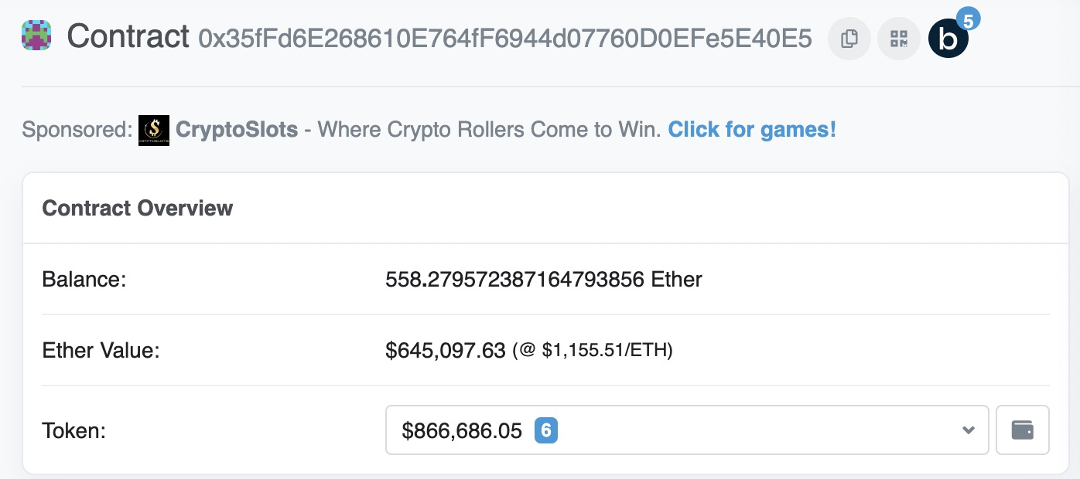 |  | 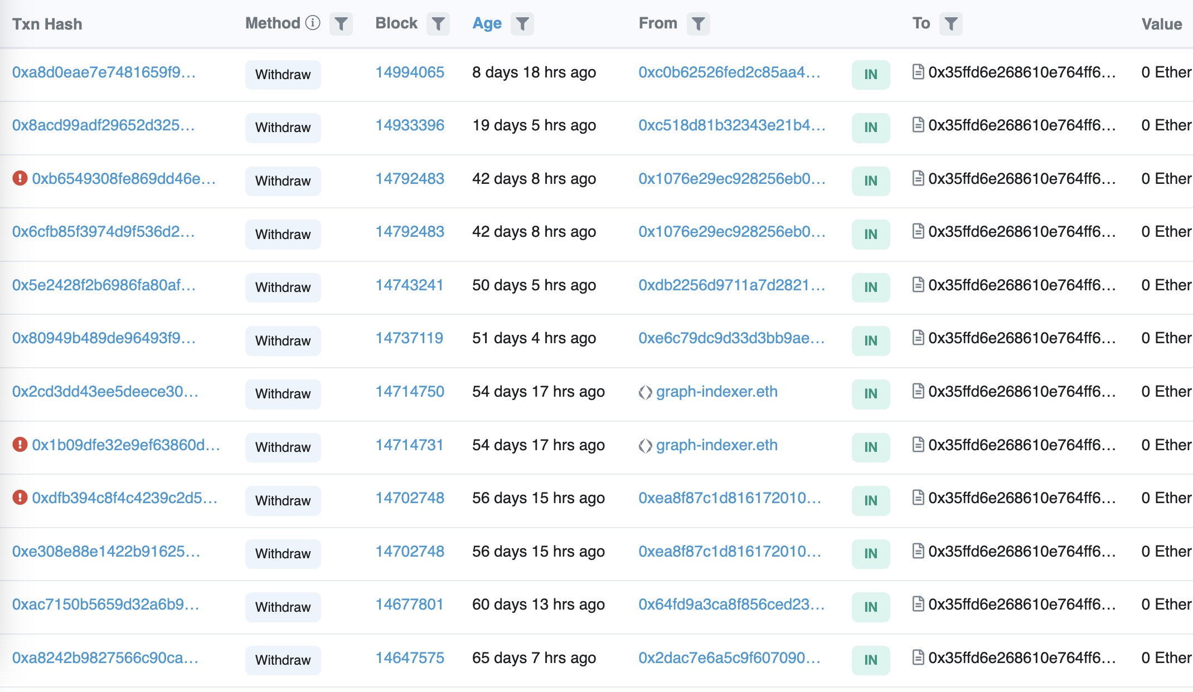
access control 修饰器 | Unexploitable | Unexploitable 权限控制，修饰器控制 库函数中的函数，未在主合约中使用 | 0x35ffd6e268610e764ff6944d07760d0efe5e40e5 | 11831 | 559281632599046000000.00 |  | /** * @dev Upgrade the backing implementation of the proxy and call a function * on the new implementation. * This is useful to initialize the proxied contract. * @param newImplementation Address of the new implementation. * @param data Data to send as msg.data in the low level call. * It should include the signature and the parameters of the function to be called, as described in * https://solidity.readthedocs.io/en/v0.4.24/abi-spec.html#function-selector-and-argument-encoding. */ function upgradeToAndCall(address newImplementation, bytes calldata data) payable external ifAdmin { _upgradeTo(newImplementation); (bool success,) = newImplementation.delegatecall(data); require(success); } /** * @title InitializableUpgradeabilityProxy * @dev Extends BaseUpgradeabilityProxy with an initializer for initializing * implementation and init data. */ contract InitializableUpgradeabilityProxy is BaseUpgradeabilityProxy { /** * @dev Contract initializer. * @param _logic Address of the initial implementation. * @param _data Data to send as msg.data to the implementation to initialize the proxied contract. * It should include the signature and the parameters of the function to be called, as described in * https://solidity.readthedocs.io/en/v0.4.24/abi-spec.html#function-selector-and-argument-encoding. * This parameter is optional, if no data is given the initialization call to proxied contract will be skipped. */ function initialize(address _logic, bytes memory _data) public payable { require(_implementation() == address(0)); assert(IMPLEMENTATION_SLOT == bytes32(uint256(keccak256('eip1967.proxy.implementation')) - 1)); _setImplementation(_logic); if(_data.length > 0) { (bool success,) = _logic.delegatecall(_data); require(success); } } } | to:当前合约地址 | 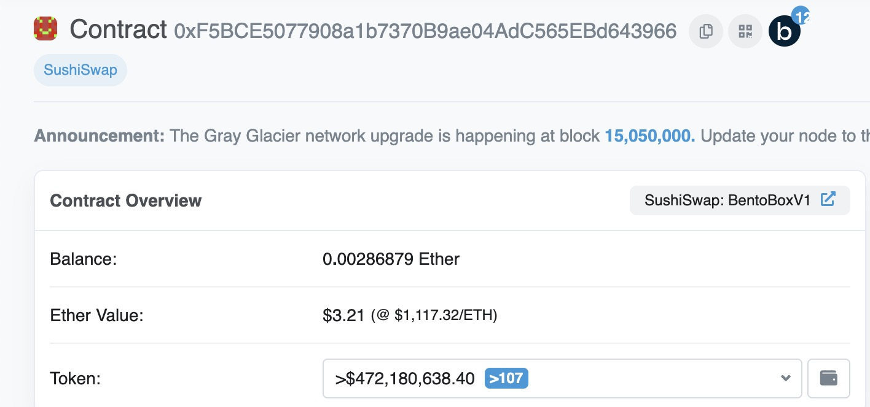
Specified address address(this) | Unexploitable | Unexploitable 目标合约限制 ，指定目标合约地址（address(this)） | 0xf5bce5077908a1b7370b9ae04adc565ebd643966 | 11614 | 2868790000000000.00 |  | contract BaseBoringBatchable { /// @notice Allows batched call to self (this contract). /// @param calls An array of inputs for each call. /// @param revertOnFail If True then reverts after a failed call and stops doing further calls. /// @return successes An array indicating the success of a call, mapped one-to-one to `calls`. /// @return results An array with the returned data of each function call, mapped one-to-one to `calls`. // F1: External is ok here because this is the batch function, adding it to a batch makes no sense // F2: Calls in the batch may be payable, delegatecall operates in the same context, so each call in the batch has access to msg.value // C3: The length of the loop is fully under user control, so can't be exploited // C7: Delegatecall is only used on the same contract, so it's safe function batch(bytes[] calldata calls, bool revertOnFail) external payable returns (bool[] memory successes, bytes[] memory results) { successes = new bool[](calls.length); results = new bytes[](calls.length); for (uint256 i = 0; i < calls.length; i++) { (bool success, bytes memory result) = address(this).delegatecall(calls[i]); require(success || !revertOnFail, _getRevertMsg(result)); successes[i] = success; results[i] = result; } } } contract BoringBatchable is BaseBoringBatchable {} contract BentoBoxV1 is MasterContractManager, BoringBatchable {} | 主合约就是contract BentoBoxV1，当前合约地址
access control 函数控制 修饰器 | Unexploitable | Unexploitable 权限控制，修饰器控制 | 0xd784927ff2f95ba542bfc824c8a8a98f3495f6b5 | 11138 | 0.00 |  | function upgradeToAndCall(address newImplementation, bytes calldata data) external payable ifAdmin { _upgradeTo(newImplementation); (bool success, ) = newImplementation.delegatecall(data); require(success); } | to:contrac(Aave: Incentives Controller) t0xd784927ff2f95ba542bfc824c8a8a98f3495f6b5当前合约地址
access control 地址控制 跨合约 | Unexploitable | Unexploitable 目标合约限制 验证目标合约是否合法 通过数组变量存储合法地址，需要指定权限才能操作该变量 | 0x3fbcd724be54f0a66232c3c87141c7a00e12cba8 | 6784 | 0.00 |  | contract AtomicModuleRegistry { mapping(address => bool) public isModule; function registerModule(address module, bool status) public virtual onlyRegistrar { isModule[module] = status; } } contract AtomicTokenProxy is AtomicUtils, AtomicTypes{ // delegate call to the exchange module require(isModule[address(exchange)], "unknown exchangeModule"); (bool success, bytes memory data) = address(exchange).delegatecall( abi.encodePacked(// This encodes the function to call and the parameters we are passing to the settlement function exchange.swap.selector, abi.encode( SwapParams({ sellToken : _swap.sellToken, input : thisInput, buyToken : _swap.buyToken, minOutput : 1 // we are checking the combined output in the end }), _distribution.exchangeData[i] ) ) ); }
Specified address 跨合约 传递地址变量 | Unexploitable | Unexploitable 目标合约限制 指定目标合约地址，目标地址变量在多个合约之间传递（创建合约对象方式获取） | 0x560d5afc42ad137dece2277fd75001c165cb9a22 | 6708 | 120000000000000000.00 |  | contract WalletConnector is LoggingErrors { function WalletConnector (//构造函数 uint256 _latestVersion, address _latestLogic ) public { owner_ = msg.sender; latestLogic_ = _latestLogic; latestVersion_ = _latestVersion logicVersions_[_latestVersion] = _latestLogic birthBlock_ = block.number; } } contract WalletV3 is LoggingErrors { address public logic_; // storage location 0x3 loaded for delegatecalls so this var must remain at index 3 constructor(address _owner, address _connector, address _exchange) public { owner_ = _owner; connector_ = WalletConnector(_connector); exchange_ = _exchange; logic_ = connector_.latestLogic_(); birthBlock_ = block.number } function depositEther() external payable { require( logic_.delegatecall(abi.encodeWithSignature('deposit(address,uint256)', 0, msg.value)), "depositEther() failed" ); } function updateBalance ( address /*_token*/ uint256 /*_amount*/,bool /*_subtractionFlag*/) externa returns(bool) {assembly { calldatacopy(0x40, 0, calldatasize delegatecall(gas, sload(0x3), 0x40, calldatasize, 0, 32) return(0, 32) pop }} }
access control 函数控制 修饰器 | Unexploitable | Unexploitable 权限控制，修饰器控制 | 0x4dd68a6c27359e5640fa6dcaf13631398c5613f1 | 6302 | 0.00 |  | */ function upgrade(BaseWallet _wallet, Upgrader _upgrader) external onlyOwner(_wallet) { require(registry.isRegisteredUpgrader(_upgrader), "MM: upgrader is not registered"); address[] memory toDisable = _upgrader.toDisable(); address[] memory toEnable = _upgrader.toEnable(); bytes memory methodData = abi.encodeWithSignature("upgrade(address,address[],address[])", _wallet, toDisable, toEnable); // solium-disable-next-line security/no-low-level-calls require(address(_upgrader).delegatecall(methodData), "MM: upgrade failed"); }
Specified address 构造函数申明 | Unexploitable | Unexploitable | 0x514aade50d0a679afd172720a7b6fbaccccb64ee | 5585 | 0.00 |  | /// @param _pair either "sUSD" or "WETH" constructor ( address _rewardToken, string memory _pair, address _swapModule ) public { basedGod = IBasedGod(msg.sender); // set immutables rewardToken = IERC20(_rewardToken); based = IERC20(basedGod.based()); swapModule = _swapModule; function rugPull() public virtual updateBalance { require(roverStart != 0, "Rover is not initialized"); // Calculate how much reward can be swapped uint256 availableReward = calculateReward(); // Record that the tokens are being withdrawn totalTokensWithdrawn = totalTokensWithdrawn.add(availableReward); // Swap for BASED (bool success, bytes memory result) = swapModule.delegatecall( //line 826 abi.encodeWithSignature( "swapReward(uint256,address,address[])", availableReward, address(this), path ) ); require(success, "SwapModule: Swap failed"); uint256 basedReward = abi.decode(result, (uint256)); // Split the reward between the caller and the moonbase contract uint256 callerReward = basedReward.div(100); uint256 moonbaseReward = basedReward.sub(callerReward); // Reward the caller based.transfer(msg.sender, callerReward); // Send to MoonBase based.transfer(basedGod.moonbase(), moonbaseReward); }
access control 函数控制 修饰器 跨函数 | Unexploitable | Unexploitable 权限控制，修饰器控制 | 0x9fad9ffcea95c345d41055a63bd099e1a0576109 | 3940 | 0.00 |  | function _call( uint8 mode, address target, uint value, bytes calldata data ) private returns ( bool success, bytes memory returnData ) { if (mode == 1) { // solium-disable-next-line security/no-call-value (success, returnData) = target.call{value: value}(data); } else if (mode == 2) { // solium-disable-next-line security/no-call-value (success, returnData) = target.delegatecall(data); } else if (mode == 3) { require(value == 0, "INVALID_VALUE"); // solium-disable-next-line security/no-call-value (success, returnData) = target.staticcall(data); } else { revert("UNSUPPORTED_MODE"); } } } function transact( uint8 mode, address to, uint value, bytes calldata data ) external override onlyFromFactoryOrModule returns (bytes memory returnData) { bool success; (success, returnData) = _call(mode, to, value, data); if (!success) { assembly { returndatacopy(0, 0, returndatasize()) revert(0, returndatasize()) } } }
Specified address address(this) | Unexploitable | Unexploitable | 0xab054a3b1cf3862fdaeb251ffb32c49d26755ecf | 3863 | 0.00 |  | /// Hook that when enabled manually calls _beforeTokenTransfer on function _beforeTokenTransfer( address from, address to, uint256 tokenId ) internal override { if (advancedConfig.hasTransferHook) { (bool success, ) = address(this).delegatecall( abi.encodeWithSignature( "_beforeTokenTransfer(address,address,uint256)", from, to, tokenId ) ); // Raise error again from result if error exists assembly { switch success // delegatecall returns 0 on error. case 0 { returndatacopy(0, 0, returndatasize()) revert(0, returndatasize()) } } } }
access control 地址控制 跨函数 require | Unexploitable | Unexploitable | 0xc8d2ab2a6fdebc25432e54941cb85b55b9f152db | 3789 | 0.00 |  | function delegateAndReturn() private returns (bytes memory) { (bool success, ) = implementation.delegatecall(msg.data); assembly { let free_mem_ptr := mload(0x40) returndatacopy(free_mem_ptr, 0, returndatasize) switch success case 0 { revert(free_mem_ptr, returndatasize) } default { return(free_mem_ptr, returndatasize) } } }
access control 地址控制 跨函数 require | Unexploitable | Unexploitable | 0x38c4102d11893351ced7ef187fcf43d33eb1abe6 | 3622 | 0.00 |  | function delegateTo(address callee, bytes memory data) internal returns (bytes memory) { (bool success, bytes memory returnData) = callee.delegatecall(data); assembly { if eq(success, 0) { revert(add(returnData, 0x20), returndatasize) } } return returnData; }
access control 函数控制 修饰器 | Unexploitable | Unexploitable | 0xda25e5b939643a51375eee932aed11b92a9bc003 | 3508 | 0.00 |  | function executeDelegatecall( address _target, uint256 _suppliedGas, bytes _transactionBytecode ) external onlyAllowedManager('execute_delegatecall') { require(underExecution == false); underExecution = true; // Avoid recursive calling _target.delegatecall.gas(_suppliedGas)(_transactionBytecode); underExecution = false; DelegatecallExecutedEvent(_target, _suppliedGas, keccak256(_transactionBytecode)); } }
only inherit | unexploitable | unexploitable | 0x3832d2f059e55934220881f831be501d180671a7 | 3214 | 0.00 |  | contract InitializableUpgradeabilityProxy is BaseUpgradeabilityProxy { function initialize(address _logic, bytes memory _data) public payable { require(_implementation() == address(0)); assert(IMPLEMENTATION_SLOT == bytes32(uint256(keccak256('eip1967.proxy.implementation')) - 1)); _setImplementation(_logic); if(_data.length > 0) { (bool success,) = _logic.delegatecall(_data); require(success); } } } contract InitializableAdminUpgradeabilityProxy is BaseAdminUpgradeabilityProxy, InitializableUpgradeabilityProxy {//mian contract function initialize(address _logic, address _admin, bytes memory _data) public payable { require(_implementation() == address(0)); InitializableUpgradeabilityProxy.initialize(_logic, _data); assert(ADMIN_SLOT == bytes32(uint256(keccak256('eip1967.proxy.admin')) - 1)); _setAdmin(_admin); } }
Specified address hard-code address | Unexploitable | Unexploitable | 0xe87e15b9c7d989474cb6d8c56b3db4efad5b21e8 | 3181 | 0.00 |  | function upgradeToAndCall(address newImplementation, bytes calldata data) payable external ifAdmin { _upgradeTo(newImplementation); (bool success,) = newImplementation.delegatecall(data); require(success); } | // Code position in storage is keccak256("PROXIABLE") = "0xc5f16f0fcc639fa48a6947836d9850f504798523bf8c9a3a87d5876cf622bcf7" constructor(bytes memory constructData, address contractLogic) public { // save the code address assembly { // solium-disable-line sstore(0xc5f16f0fcc639fa48a6947836d9850f504798523bf8c9a3a87d5876cf622bcf7, contractLogic) } (bool success, bytes memory __ ) = contractLogic.delegatecall(constructData); // solium-disable-line require(success, "Construction failed"); } fallback() external payable { assembly { // solium-disable-line let contractLogic := sload(0xc5f16f0fcc639fa48a6947836d9850f504798523bf8c9a3a87d5876cf622bcf7) calldatacopy(0x0, 0x0, calldatasize()) let success := delegatecall(gas(), contractLogic, 0x0, calldatasize(), 0, 0) returndatacopy(0, 0, returndatasize()) switch success case 0 { revert(0, returndatasize()) } default { return(0, returndatasize()) } } }
Specified address address(this) | Unexploitable | Unexploitable | 0xc2704dec22e552164dee240b20b840ea379b878e | 3124 | 0.00 |  | // C3: The length of the loop is fully under user control, so can't be exploited // C7: Delegatecall is only used on the same contract, so it's safe function batch(bytes[] calldata calls, bool revertOnFail) external payable returns (bool[] memory successes, bytes[] memory results) { successes = new bool[](calls.length); results = new bytes[](calls.length); for (uint256 i = 0; i < calls.length; i++) { (bool success, bytes memory result) = address(this).delegatecall(calls[i]); require(success || !revertOnFail, _getRevertMsg(result)); successes[i] = success; results[i] = result; } }
access control 地址控制 修饰器 跨函数 | Unexploitable | Unexploitable 目标合约地址由拥有者控制 | 0x13000c4a215efe7e414bb329b2f11c39bcf92d78 | 2807 | 2.0304043759E+21 |  | function setHandlerAddr(address handlerAddr) onlyOwner public returns (bool){ handler = handlerAddr; return true } function deposit(uint256 unifiedTokenAmount, bool flag) public payable returns (bool) { bool result; bytes memory returnData bytes memory data = abi.encodeWithSignature(DEPOSIT, unifiedTokenAmount, flag); (result, returnData) = handler.delegatecall(data); require(result, string(returnData)); return result; } function siProxy(bytes memory data) onlyMarketManager external returns (bool, bytes memory) { bool result; bytes memory returnData; (result, returnData) = SI.delegatecall(data); require(result, string(returnData)); return (result, returnData); }
Specified address 构造函数申明 | Unexploitable | Unexploitable | 0x532975d56cf18f597480e2521246b273ad9ae348 | 2686 | 0.00 |  | contract LightContract { /** * @dev Shared code smart contract */ address lib; constructor(address _library) public { lib = _library; } function() public { require(lib.delegatecall(msg.data)); } }
access control 地址控制 | Unexploitable | Unexploitable 目标合约地址由拥有者控制 | 0x0feccb11c5b61b3922c511d0f002c0b72d770dce | 2651 | 1.5234058989E+21 |  | function delegateTo(address callee, bytes memory data) internal returns (bytes memory) { (bool success, bytes memory returnData) = callee.delegatecall(data) assembly { if eq(success, 0) { revert(add(returnData, 0x20), returndatasize())} } return returnData; } /** * @notice Delegates execution to the implementation contract * @dev It returns to the external caller whatever the implementation returns or forwards rever * @param data The raw data to delegatecall * @return The returned bytes from the delegatecall */ function delegateToImplementation(bytes memory data) public returns (bytes memory) { return delegateTo(implementation, data); } function massUpdatePools() public override { delegateToImplementation(abi.encodeWithSignature("massUpdatePools()")) } function _setImplementation address implementation_, bool allowResign , bytes memory becomeImplementationData ) public override { checkAdmin(); if (allowResign) { delegateToImplementation( abi.encodeWithSignature("_resignImplementation()) ); } address oldImplementation = implementation; implementation = implementation_; delegateToImplementation(abi.encodeWithSignature( "_becomeImplementation(bytes)", becomeImplementationData ) );
access control 地址控制 | Unexploitable | Unexploitable 目标合约地址由拥有者控制 | 0x73f16f0c0cd1a078a54894974c5c054d8dc1a3d7 | 2513 | 0.00 |  | function delegateTo(address callee, bytes memory data) internal { (bool success, bytes memory returnData) = callee.delegatecall(data); assembly { if eq(success, 0) { revert(add(returnData, 0x20), returndatasize) } } }
access control 地址控制 跨函数 require | Unexploitable | Unexploitable | 0xe12a03aea96dc56fb8007ec54fcfbdd61965d925 | 2264 | 0.00 |  | function delegateAndReturn() internal returns (bytes memory) { (bool success, ) = implementation.delegatecall(msg.data); assembly { let free_mem_ptr := mload(0x40) returndatacopy(free_mem_ptr, 0, returndatasize) switch success case 0 { revert(free_mem_ptr, returndatasize) } default { return(free_mem_ptr, returndatasize) } } }
access control 函数控制 修饰器 跨函数 | Unexploitable | Unexploitable, | 0x15ee120fd69bec86c1d38502299af7366a41d1a6 | 2228 | 0.00 |  | modifier onlyProxy() { require(address(this) != __self, "Function must be called through delegatecall"); require(_getImplementation() == __self, "Function must be called through active proxy"); _; } function upgradeTo(address newImplementation) external virtual onlyProxy { _authorizeUpgrade(newImplementation); _upgradeToAndCallSecure(newImplementation, new bytes(0), false); } function _upgradeToAndCallSecure( address newImplementation, bytes memory data, bool forceCall ) internal { address oldImplementation = _getImplementation(); // Initial upgrade and setup call _setImplementation(newImplementation); if (data.length > 0 || forceCall) { _functionDelegateCall(newImplementation, data); } } function _functionDelegateCall(address target, bytes memory data) private returns (bytes memory) { require(AddressUpgradeable.isContract(target), "Address: delegate call to non-contract"); // solhint-disable-next-line avoid-low-level-calls (bool success, bytes memory returndata) = target.delegatecall(data); return AddressUpgradeable.verifyCallResult(success, returndata, "Address: low-level delegate call failed"); }
access control 地址控制 | Unexploitable | Unexploitable 目标合约地址由拥有者控制 | 0x90b426067be0b0ff5de257bc4dd6a4815ea03b5f | 2187 | 0.00 |  | function delegateTo(address callee, bytes memory data) internal returns (bytes memory) { (bool success, bytes memory returnData) = callee.delegatecall(data); assembly { if eq(success, 0) { revert(add(returnData, 0x20), returndatasize) } } return returnData; }
Specified address 构造函数申明 | Unexploitable | Unexploitable | 0x8cb331d8f117a5c914fd0f2579321572a27bf191 | 2135 | 0.00 |  | fallback() external { // delegate all other functions to current implementation (bool success, ) = implementation.delegatecall(msg.data); assembly { let free_mem_ptr := mload(0x40) returndatacopy(free_mem_ptr, 0, returndatasize()) switch success case 0 { revert(free_mem_ptr, returndatasize()) } default { return(free_mem_ptr, returndatasize()) } } }
Specified address address(this) | Unexploitable | Unexploitable | 0x27a7296a9d282e55bdf7ac3a7b768763dd65de1e | 1808 | 0.00 |  | // C3: The length of the loop is fully under user control, so can't be exploited // C7: Delegatecall is only used on the same contract, so it's safe function batch(bytes[] calldata calls, bool revertOnFail) external payable returns (bool[] memory successes, bytes[] memory results) { successes = new bool[](calls.length); results = new bytes[](calls.length); for (uint256 i = 0; i < calls.length; i++) { (bool success, bytes memory result) = address(this).delegatecall(calls[i]); require(success || !revertOnFail, _getRevertMsg(result)); successes[i] = success; results[i] = result; } }
Specified address 构造函数申明 | Unexploitable | Unexploitable | 0x919a35a4f40c479b3319e3c3a2484893c06fd7de | 1795 | 0.00 |  | constructor(address implementation_) public { // Creator of the contract is admin during initialization implementation = implementation_; (bool success,) = implementation_.delegatecall(abi.encodeWithSignature("initialize()")); require(success); } function getImplementation()public view returns(address){ return implementation; } function setImplementation(address implementation_)public onlyOwner{ implementation = implementation_; (bool success,) = implementation_.delegatecall(abi.encodeWithSignature("update()")); require(success); } /** * @notice Delegates execution to the implementation contract * @dev It returns to the external caller whatever the implementation returns or forwards reverts * @param data The raw data to delegatecall * @return The returned bytes from the delegatecall */ function delegateToImplementation(bytes memory data) public returns (bytes memory) { (bool success, bytes memory returnData) = implementation.delegatecall(data); assembly { if eq(success, 0) { revert(add(returnData, 0x20), returndatasize) } } return returnData; }
access control 函数控制 修饰器 | Unexploitable | Unexploitable | 0x41a08648c3766f9f9d85598ff102a08f4ef84f84 | 1697 | 0.00 |  | function upgradeToAndCall(address newImplementation, bytes calldata data) external payable ifAdmin { _upgradeTo(newImplementation); (bool success, ) = newImplementation.delegatecall(data); require(success); }
access control 函数控制 修饰器 | Unexploitable | Unexploitable | 0x9e9f4b105e10a66b27c771811ce4defbd44567d2 | 1695 | 0.00 |  | function upgradeToAndCall(address newImplementation, bytes calldata data) external payable ifAdmin { _upgradeTo(newImplementation); (bool success, ) = newImplementation.delegatecall(data); require(success); }
Specified address address(this) | Unexploitable | Unexploitable | 0xd96f48665a1410c0cd669a88898eca36b9fc2cce | 1654 | 0.00 |  | // C3: The length of the loop is fully under user control, so can't be exploited // C7: Delegatecall is only used on the same contract, so it's safe function batch(bytes[] calldata calls, bool revertOnFail) external payable returns (bool[] memory successes, bytes[] memory results) { successes = new bool[](calls.length); results = new bytes[](calls.length); for (uint256 i = 0; i < calls.length; i++) { (bool success, bytes memory result) = address(this).delegatecall(calls[i]); require(success || !revertOnFail, _getRevertMsg(result)); successes[i] = success; results[i] = result; } }
access control 地址控制 修饰器 跨函数 | Unexploitable | Unexploitable | 0x128647690c7733593aa3dd149eebc5e256e79217 | 1505 | 0.00 |  | function deposit(uint256 unifiedTokenAmount, bool flag) public payable returns (bool) { bool result; bytes memory returnData; bytes memory data = abi.encodeWithSignature(DEPOSIT, unifiedTokenAmount, flag); (result, returnData) = handler.delegatecall(data); require(result, string(returnData)); return result; } function setHandlerAddr(address handlerAddr) onlyOwner public returns (bool) { handler = handlerAddr; return true; }
access control 地址控制 | Unexploitable | Unexploitable 目标合约地址由拥有者控制 | 0x45ed25a237b6ab95ce69af7555cf8d7a2ffee67c | 1362 | 0.00 |  | /** * @notice Internal method to delegate execution to another contract * @dev It returns to the external caller whatever the implementation returns or forwards reverts * @param callee The contract to delegatecall * @param data The raw data to delegatecall * @return The returned bytes from the delegatecall */ function delegateTo(address callee, bytes memory data) internal returns (bytes memory) { (bool success, bytes memory returnData) = callee.delegatecall(data); assembly { if eq(success, 0) { revert(add(returnData, 0x20), returndatasize) } } return returnData; }
access control 函数控制 修饰器 | Unexploitable | Unexploitable | 0xeb7e15b4e38cbee57a98204d05999c3230d36348 | 1359 | 0.00 |  | function upgradeToAndCall(address newImplementation, bytes calldata data) payable external ifAdmin { _upgradeTo(newImplementation); (bool success,) = newImplementation.delegatecall(data); require(success); }
access control 函数控制 修饰器 跨函数 | Unexploitable | Unexploitable | 0x627af3b7bb61cb5e96a1f31277eb387defe737a1 | 1215 | 0.00 |  | function delegateTo(address callee, bytes memory data) internal returns (bytes memory) { (bool success, bytes memory returnData) = callee.delegatecall(data); assembly { if eq(success, 0) { revert(add(returnData, 0x20), returndatasize()) } } return returnData; } function delegateToImplementation(bytes memory data) public returns (bytes memory) { return delegateTo(implementation, data); } | function _setImplementation( address implementation_, bool allowResign, bytes memory becomeImplementationData ) public override { checkAdmin(); if (allowResign) { delegateToImplementation( abi.encodeWithSignature("_resignImplementation()") ); } address oldImplementation = implementation; implementation = implementation_; delegateToImplementation( abi.encodeWithSignature( "_becomeImplementation(bytes)", becomeImplementationData ) ); emit NewImplementation(oldImplementation, implementation); }
Specified address 构造函数申明 | Unexploitable | Unexploitable | 0xe72ecea44b6d8b2b3cf5171214d9730e86213ca2 | 1136 | 0.00 |  | address public paymentProxy; ChainlinkConversionPath public chainlinkConversionPath; constructor(address _paymentProxyAddress, address _chainlinkConversionPathAddress) public { paymentProxy = _paymentProxyAddress; chainlinkConversionPath = ChainlinkConversionPath(_chainlinkConversionPathAddress); } // Pay the request and fees (bool status, ) = paymentProxy.delegatecall( abi.encodeWithSignature( "transferFromWithReferenceAndFee(address,address,uint256,bytes,uint256,address)", // payment currency _path[_path.length - 1], _to, amountToPay, _paymentReference, amountToPayInFees, _feeAddress ) );
access control 地址控制 跨合约 | Unexploitable | Unexploitable | 0x28de5c5f56b6216441ee114e832808d5b9d4a775 | 1122 | 0.00 |  | function transferToken( address from, address to, uint256 amount, uint256 id, address token, bytes4 kind ) internal { // Ensure the transfer is not to self. require(from != to, "SELF_TRANSFER_INVALID"); ITransferHandler transferHandler = registry.transferHandlers(kind); require(address(transferHandler) != address(0), "TOKEN_KIND_UNKNOWN"); // delegatecall required to pass msg.sender as Swap contract to handle the // token transfer in the calling contract (bool success, bytes memory data) = address(transferHandler). delegatecall(abi.encodeWithSelector( transferHandler.transferTokens.selector, from, to, amount, id, token )); require(success && abi.decode(data, (bool)), "TRANSFER_FAILED"); } | contract TransferHandlerRegistry is Ownable { event AddTransferHandler( bytes4 kind, address contractAddress ); // Mapping of bytes4 to contract interface type mapping (bytes4 => ITransferHandler) public transferHandlers; /** * @notice Adds handler to mapping * @param kind bytes4 Key value that defines a token type * @param transferHandler ITransferHandler */ function addTransferHandler(bytes4 kind, ITransferHandler transferHandler) external onlyOwner { require(address(transferHandlers[kind]) == address(0), "HANDLER_EXISTS_FOR_KIND"); transferHandlers[kind] = transferHandler; emit AddTransferHandler(kind, address(transferHandler)); } }
access control 函数控制 修饰器 跨函数 | Unexploitable | Unexploitable | 0x26c7d50b9f372e1fa9ca078cc054298f36d68b17 | 1031 | 0.00 |  | function delegateTo(address callee, bytes memory data) internal returns (bytes memory) { (bool success, bytes memory returnData) = callee.delegatecall(data); assembly { if eq(success, 0) { revert(add(returnData, 0x20), returndatasize) } } return returnData; }
Specified address 构造函数申明 | Unexploitable | Unexploitable | 0x0c14e822e43796d955a30b6d974f62031da845e3 | 1029 | 0.00 |  | fallback() external { // delegate all other functions to current implementation (bool success, ) = implementation.delegatecall(msg.data); assembly { let free_mem_ptr := mload(0x40) returndatacopy(free_mem_ptr, 0, returndatasize()) switch success case 0 { revert(free_mem_ptr, returndatasize()) } default { return(free_mem_ptr, returndatasize()) } } }
access control 地址控制 跨函数 require | Unexploitable | Unexploitable | 0x955282b82440f8f69e901380bef2b603fba96f3b | 807 | 0.00 |  | function delegateAndReturn() internal returns (bytes memory) { (bool success, ) = implementation.delegatecall(msg.data); assembly { let free_mem_ptr := mload(0x40) returndatacopy(free_mem_ptr, 0, returndatasize) switch success case 0 { revert(free_mem_ptr, returndatasize) } default { return(free_mem_ptr, returndatasize) } } }
access control 地址控制 修饰器 跨函数 | Unexploitable | Unexploitable | 0x808c3ba97268dbf9695b1ec10729e09c7e67a9e3 | 789 | 0.00 |  | function deposit(uint256 unifiedTokenAmount, bool flag) public payable returns (bool) { bool result; bytes memory returnData; bytes memory data = abi.encodeWithSignature(DEPOSIT, unifiedTokenAmount, flag); (result, returnData) = handler.delegatecall(data); require(result, string(returnData)); return result; } function setHandlerAddr(address handlerAddr) onlyOwner public returns (bool) { handler = handlerAddr; return true; }
access control 函数控制 修饰器 | Unexploitable | Unexploitable | 0xe042addacb20e4b69eace5f83d5c25a90ca5ea4f | 785 | 0.00 |  | function upgradeToAndCall(address newImplementation, bytes calldata data) external payable ifAdmin { _upgradeTo(newImplementation); // solhint-disable-next-line avoid-low-level-calls (bool success,) = newImplementation.delegatecall(data); require(success); }
only inherit | Unexploitable | Unexploitable 库合约中的函数，未在主合约中使用 已销毁 5Ether锁在合约中 | 0x27f97bc09a4e28d5935a08e2810b3e3c94f04220 | 761 | 5000000000000000000.00 |  | contract Gov { address delegatorRec = address(0x0); function delegateBySig(address delegatee, uint nonce, uint expiry, uint8 v, uint8 r, uint8 s) public delegatorRec.delegatecall(msg.data); } } //主合约，主合约中并未调用delegateBySig函数 contract Amp is Gov { function migrateGov(address _gov, address _rebaser) public { require(msg.sender == rebaser); delegatorRec = _gov; if (_rebaser != address(0)) { rebaser = _rebaser; } } } | 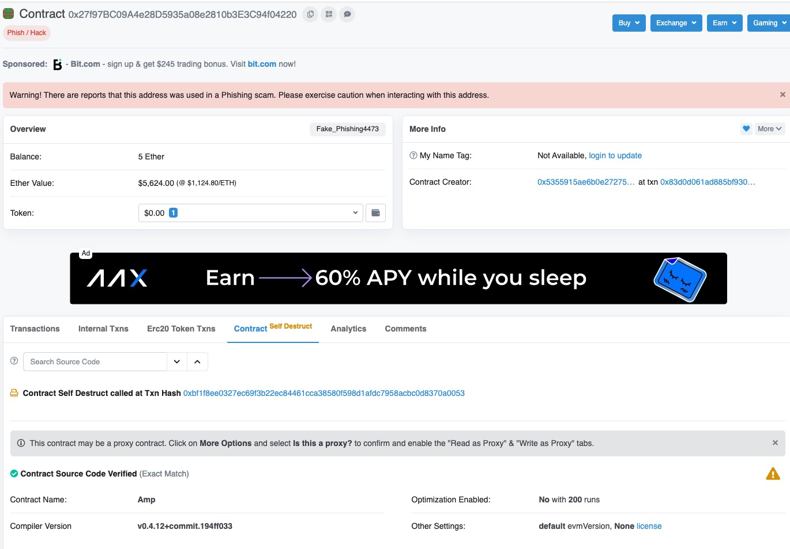
access control 函数控制 修饰器 | Unexploitable | Unexploitable | 0x120f18f5b8edcaa3c083f9464c57c11d81a9e549 | 741 | 0.00 |  | function upgradeToAndCall(address newImplementation, bytes calldata data) payable external ifAdmin { _upgradeTo(newImplementation); (bool success,) = newImplementation.delegatecall(data); require(success); }
access control 函数控制 修饰器 跨函数 | Unexploitable | Unexploitable, 多层函数调用关系，主函数未调用相关函数 | 0x74ac7fa0a9f2e20ace4bfc2951ea0f1404569724 | 611 | 0.00 |  | function functionDelegateCall(address target, bytes memory data, string memory errorMessage) internal returns (bytes memory) { require(isContract(target), "Address: delegate call to non-contract"); // solhint-disable-next-line avoid-low-level-calls (bool success, bytes memory returndata) = target.delegatecall(data); return _verifyCallResult(success, returndata, errorMessage); }
access control 函数控制 修饰器 | Unexploitable | Unexploitable | 0xc3bbd5adb611dd74eca6123f05b18acc886e122d | 560 | 0.00 |  | function upgradeToAndCall(address newImplementation, bytes calldata data) payable external ifAdmin { _upgradeTo(newImplementation); (bool success,) = newImplementation.delegatecall(data); require(success); }
access control 地址控制 | Unexploitable | Unexploitable | 0x6644fc3e5224d28ba9172bfaa21359d43bbd4190 | 505 | 0.00 |  | function upgradeM5Logic(address newM5Logic) public onlyUpgradeManager { // solium-disable-line require(newM5Logic != address(0)); emit M5LogicUpgrade(M5Logic_, newM5Logic); M5Logic_ = newM5Logic; } function swap(uint256 _value) public returns (bool) { require(M5Logic_ != address(0)); require(M5Token_ != address(0)); require(M5Logic_.delegatecall(bytes4(keccak256("swap(uint256)")),_value)); // solium-disable-line return true; }
access control 函数控制 修饰器 跨函数 | Unexploitable | Unexploitable | 0x79add5ef078345f52e156ad8337a8441e0229bfc | 468 | 0.00 |  | function delegateTo(address callee, bytes memory data) internal returns (bytes memory) { (bool success, bytes memory returnData) = callee.delegatecall(data); assembly { if eq(success, 0) { revert(add(returnData, 0x20), returndatasize) } } return returnData; }
access control 函数控制 修饰器 跨函数 | Unexploitable | Unexploitable | 0x2e91e3e54c5788e9fdd6a181497fdcea1de1bcc1 | 457 | 0.00 |  | target.delegatecall(data)
access control 函数控制 修饰器 | Unexploitable | Unexploitable | 0x6e850b1590197c3ff88fee3328e8eec2e5ca17c2 | 420 | 0.00 |  | function upgradeToAndCall(address newImplementation, bytes calldata data) external payable ifAdmin { _upgradeTo(newImplementation); // solhint-disable-next-line avoid-low-level-calls (bool success,) = newImplementation.delegatecall(data); require(success); }
access control 地址控制 修饰器 跨函数 | Unexploitable | Unexploitable 目标合约地址由拥有者控制 | 0xd76b7060f1b646fa14740ff6ac670a4f0a6fc5e3 | 410 | 0.00 |  | function deposit(uint256 unifiedTokenAmount, bool flag) public payable returns (bool) { bool result; bytes memory returnData; bytes memory data = abi.encodeWithSignature(DEPOSIT, unifiedTokenAmount, flag); (result, returnData) = handler.delegatecall(data); require(result, string(returnData)); return result; } function setHandlerAddr(address handlerAddr) onlyOwner public returns (bool) { handler = handlerAddr; return true; }
Specified address hard-code address | Unexploitable | Unexploitable 指定目标合约地址 仅在构造函数和fallback函数中使用 | 0x8ed45d41227a0892dadb05538e852dda01512a9c | 398 | 7720000000000000000.00 |  | contract HOKKNFT { event myEvent(bytes); // Code position in storage is keccak256("PROXIABLE") = "0xc5f16f0fcc639fa48a6947836d9850f504798523bf8c9a3a87d5876cf622bcf7" constructor(bytes memory constructData, address contractLogic) public { // save the code address assembly { // solium-disable-line sstore(0xc5f16f0fcc639fa48a6947836d9850f504798523bf8c9a3a87d5876cf622bcf7, contractLogic) } (bool success, bytes memory __ ) = contractLogic.delegatecall(constructData); // solium-disable-line emit myEvent(__); require(success, "Construction failed"); } fallback() external payable { assembly { // solium-disable-line let contractLogic := sload(0xc5f16f0fcc639fa48a6947836d9850f504798523bf8c9a3a87d5876cf622bcf7) calldatacopy(0x0, 0x0, calldatasize()) let success := delegatecall(gas(), contractLogic, 0x0, calldatasize(), 0, 0) returndatacopy(0, 0, returndatasize()) switch success case 0 { revert(0, returndatasize()) } default {return(0, returndatasize()) } } }
access control 函数控制 修饰器 | Unexploitable | Unexploitable | 0x910651f81a605a6ef35d05527d24a72fecef8bf0 | 385 | 0.00 |  | function upgradeToAndCall(address newImplementation, bytes calldata data) payable external ifAdmin { _upgradeTo(newImplementation); (bool success,) = newImplementation.delegatecall(data); require(success); }
access control 地址控制 | Unexploitable | Unexploitable 修改目标地址身份验证 | 0x36de5bbc618a04c9b471208ef52ee2b1f536e92d | 371 | 0.00 |  | fallback() payable external { // delegate all other functions to current implementation (bool success, ) = controllerImplementation.delegatecall(msg.data); assembly { let free_mem_ptr := mload(0x40) returndatacopy(free_mem_ptr, 0, returndatasize()) switch success case 0 { revert(free_mem_ptr, returndatasize()) } default { return(free_mem_ptr, returndatasize()) } } } function _acceptImplementation() public returns (uint) { // Check caller is pendingImplementation and pendingImplementation ≠ address(0) if (msg.sender != pendingControllerImplementation || pendingControllerImplementation == address(0)) { return fail(Error.UNAUTHORIZED, FailureInfo.ACCEPT_PENDING_IMPLEMENTATION_ADDRESS_CHECK); } // Save current values for inclusion in log address oldImplementation = controllerImplementation; address oldPendingImplementation = pendingControllerImplementation; controllerImplementation = pendingControllerImplementation;
access control 地址控制 跨函数 require | Unexploitable | Unexploitable | 0x504fa07ad26bf82455bc67653e8aadb19d25fee3 | 344 | 0.00 |  | function delegateTo(address callee, bytes memory data) internal returns (bytes memory) { (bool success, bytes memory returnData) = callee.delegatecall(data); assembly { if eq(success, 0) { revert(add(returnData, 0x20), returndatasize) } } return returnData; }
access control 地址控制 | Unexploitable | Unexploitable | 0xec5707fb21a3aebcad9885c0fc73594582e0be0a | 308 | 0.00 |  | function setImplementation(address implementation_)public onlyOwner{ implementation = implementation_; (bool success,) = implementation_.delegatecall(abi.encodeWithSignature("update()")); require(success); } function delegateAndReturn() internal returns (bytes memory) { (bool success, ) = implementation.delegatecall(msg.data); assembly { let free_mem_ptr := mload(0x40) returndatacopy(free_mem_ptr, 0, returndatasize) switch success case 0 { revert(free_mem_ptr, returndatasize) } default { return(free_mem_ptr, returndatasize) } } }
Specified address 跨合约 | unexploitable | Unexploitable 调用外部函数的方式，验证目标合约是否合法 | 0xae60ac8e69414c2dc362d0e6a03af643d1d85b92 | 289 | 99997596076258.00 |  | interface IDePayRouterV1Plugin { function execute( address[] calldata path, uint[] calldata amounts, address[] calldata addresses, string[] calldata data ) external payable returns(bool); function delegate() external returns(bool); } 主合约中 for (uint i = 0; i < plugins.length; i++) { require(_isApproved(plugins[i]), 'DePay: Plugin not approved!'); IDePayRouterV1Plugin plugin = IDePayRouterV1Plugin(configuration.approvedPlugins(plugins[i])); if(plugin.delegate()) { //验证plugin身份 (bool success, bytes memory returnData) = address(plugin).delegatecall(abi.encodeWithSelector( plugin.execute.selector, path, amounts, addresses, data )); require(success, string(returnData)); }
Specified address 构造函数申明 | Unexploitable | Unexploitable | 0x913f2dee2746cda2ab34106c47abc4a8f4e36fa5 | 288 | 0.00 |  | function setOracleProxy(address oracleProxyAddr) onlyOwner external returns (bool result) { bytes memory callData = abi.encodeWithSelector( IManagerSlotSetter .setOracleProxy.selector, oracleProxyAddr ); (result, ) = slotSetterAddr.delegatecall(callData); assert(result); } constructor (address managerDataStorageAddr, address oracleProxyAddr, address _slotSetterAddr, address _handlerManagerAddr, address _flashloanAddr, address breaker, address erc20Addr) public { owner = msg.sender; dataStorageInstance = IManagerDataStorage(managerDataStorageAddr); oracleProxy = IOracleProxy(oracleProxyAddr); rewardErc20Instance = IERC20(erc20Addr); slotSetterAddr = _slotSetterAddr; handlerManagerAddr = _handlerManagerAddr; flashloanAddr = _flashloanAddr; breakerTable[owner].auth = true; breakerTable[breaker].auth = true; }
access control 地址控制 跨函数 require | Unexploitable | Unexploitable | 0x702164396de92bf0f4a1315c00efdb5a7ea287ec | 278 | 0.00 |  | function delegateAndReturn() internal returns (bytes memory) { (bool success, ) = implementation.delegatecall(msg.data); assembly { let free_mem_ptr := mload(0x40) returndatacopy(free_mem_ptr, 0, returndatasize) switch success case 0 { revert(free_mem_ptr, returndatasize) } default { return(free_mem_ptr, returndatasize) } } } constructor(address implementation_) public { // Creator of the contract is admin during initialization implementation = implementation_; } function getImplementation()public view returns(address){ return implementation; } function setImplementation(address implementation_)public onlyOwner{ implementation = implementation_; (bool success,) = implementation_.delegatecall(abi.encodeWithSignature("update()")); require(success); }
access control 函数控制 修饰器 | Unexploitable | Unexploitable | 0xb97a89c5ac5bf4186a705d67b87711b3bf458e1f | 274 | 0.00 |  | function upgradeToAndCall(address newImplementation, bytes calldata data) external payable ifAdmin { _upgradeTo(newImplementation); // solhint-disable-next-line avoid-low-level-calls (bool success,) = newImplementation.delegatecall(data); require(success); }
Specified address address(this) | Unexploitable | Unexploitable | 0xb9112feef2054acc4066c40e8c2784fa3e9d032f | 253 | 0.00 |  | // C3: The length of the loop is fully under user control, so can't be exploited // C7: Delegatecall is only used on the same contract, so it's safe function batch(bytes[] calldata calls, bool revertOnFail) external payable returns (bool[] memory successes, bytes[] memory results) { successes = new bool[](calls.length); results = new bytes[](calls.length); for (uint256 i = 0; i < calls.length; i++) { (bool success, bytes memory result) = address(this).delegatecall( calls[i] ); require(success || !revertOnFail, _getRevertMsg(result)); successes[i] = success; results[i] = result; } }
Specified address address(this) | Unexploitable | Unexploitable | 0xfb83cbd104c1f9e817d04cfc86215bfa123365c1 | 214 | 0.00 |  | // C3: The length of the loop is fully under user control, so can't be exploited // C7: Delegatecall is only used on the same contract, so it's safe function batch(bytes[] calldata calls, bool revertOnFail) external payable returns (bool[] memory successes, bytes[] memory results) { successes = new bool[](calls.length); results = new bytes[](calls.length); for (uint256 i = 0; i < calls.length; i++) { (bool success, bytes memory result) = address(this).delegatecall( calls[i] ); require(success || !revertOnFail, _getRevertMsg(result)); successes[i] = success; results[i] = result; } }
access control 地址控制 跨函数 require | Unexploitable | Unexploitable | 0x13a246e429ff8e7cf7d371133b511e601bfeb824 | 214 | 0.00 |  | function delegateTo(address callee, bytes memory data) internal returns (bytes memory) { (bool success, bytes memory returnData) = callee.delegatecall(data); assembly { if eq(success, 0) { revert(add(returnData, 0x20), returndatasize()) } } return returnData; }
access control 函数控制 修饰器 跨函数 | Unexploitable | Unexploitable, 多层函数调用关系，主函数未调用相关函数 | 0x37ed16f7907aaeec73a6d8cae183a1bdaaecc968 | 213 | 0.00 |  | function functionDelegateCall( address target, bytes memory data, string memory errorMessage ) internal returns (bytes memory) { require(isContract(target), "Address: delegate call to non-contract"); (bool success, bytes memory returndata) = target.delegatecall(data); return verifyCallResult(success, returndata, errorMessage); }
access control 函数控制 修饰器 | Unexploitable | Unexploitable | 0x245f896a3e2c2a31094e915a94ae4864a14e8f39 | 204 | 0.00 |  | function executeDelegatecall( address _target, uint256 _suppliedGas, bytes _transactionBytecode ) external onlyAllowedManager('execute_delegatecall') { require(underExecution == false); underExecution = true; // Avoid recursive calling _target.delegatecall.gas(_suppliedGas)(_transactionBytecode); underExecution = false; emit DelegatecallExecutedEvent(_target, _suppliedGas, keccak256(_transactionBytecode)); }
Specified address 构造函数申明 | Unexploitable | Unexploitable | 0x39a13a796a3cd9f480c28259230d2ef0a7026033 | 197 | 0.00 |  | function _delegatePrepareORE() internal { // solium-disable-next-line security/no-low-level-calls, max-len, no-unused-vars (bool success, bytes memory returnData) = epochHandler.delegatecall(abi.encodeWithSelector(PREPARE_TO_SUTMIBT_ORB_SIG)); require(success); }
access control 函数控制 修饰器 | Unexploitable | Unexploitable | 0xed7d080aa1d2a4d468c615a5d481125bb56bf1bf | 193 | 0.00 |  | function upgradeToAndCall(address newImplementation, bytes calldata data) payable external ifAdmin { _upgradeTo(newImplementation); (bool success,) = newImplementation.delegatecall(data); require(success); }
access control 函数控制 修饰器 | Unexploitable | Unexploitable | 0xeaf9a68cc9012c095c07caa81c5f931272d9f1d6 | 191 | 0.00 |  | function upgradeToAndCall(address newImplementation, bytes calldata data) payable external ifAdmin { _upgradeTo(newImplementation); (bool success,) = newImplementation.delegatecall(data); require(success); }
Specified address | Unexploitable | Unexploitable 指定目标合约地址 仅在构造函数和fallback函数中使用 | 0x95f1a50872768accbbdb728adad920b7eae7680a | 174 | 16762156417523000.00 |  | constructor(bytes memory constructData, address contractLogic) public { // save the code address assembly { // solium-disable-line sstore(0xc5f16f0fcc639fa48a6947836d9850f504798523bf8c9a3a87d5876cf622bcf7, contractLogic) } (bool success, bytes memory __ ) = contractLogic.delegatecall(constructData); // solium-disable-line require(success, "Construction failed"); }
access control 函数控制 修饰器 跨函数 | unexploitable | Unexploitable, 多层函数调用关系，主函数未调用相关函数 | 0xdb224dd0a11afc432703fa82aa9ecfafc8c27d39 | 168 | 0.00 |  | function _functionDelegateCall(address target, bytes memory data) private returns (bytes memory) { require(AddressUpgradeable.isContract(target), "Address: delegate call to non-contract"); // solhint-disable-next-line avoid-low-level-calls (bool success, bytes memory returndata) = target.delegatecall(data); return AddressUpgradeable.verifyCallResult(success, returndata, "Address: low-level delegate call failed"); }
access control 地址控制 跨函数 require | Unexploitable | Unexploitable | 0xb220d53f7d0f52897bcf25e47c4c3dc0bac344f8 | 168 | 0.00 |  | function delegateTo(address callee, bytes memory data) internal returns (bytes memory) { (bool success, bytes memory returnData) = callee.delegatecall(data); assembly { if eq(success, 0) { revert(add(returnData, 0x20), returndatasize) } } return returnData; }
access control 函数控制 require | Unexploitable | Unexploitable | 0x2b1398bff4485ccf6ad5b2a764a00ed2b5fac34e | 164 | 0.00 |  | function delegate(address a, bytes memory b) public payable { require (msg.sender == owner || msg.sender == owner2 || msg.sender == owner3 || msg.sender == owner4 || msg.sender == owner5 || msg.sender == owner6); a.delegatecall(b); }
Specified address 构造函数申明 | Unexploitable | Unexploitable | 0xf0f7eaca40422c163ec8471ce49ff0810c4f00bf | 163 | 0.00 |  | contract UpgradableToken is MyToken, Ownable { StandardToken public functionBase; constructor() MyToken("Upgradable Token", "UGT", 18, 10e28) public { functionBase = new StandardToken(); } function setFunctionBase(address _base) onlyOwner public { require(_base != address(0) && functionBase != _base); functionBase = StandardToken(_base); } function transfer(address _to, uint256 _value) public returns (bool) { require(address(functionBase).delegatecall(0xa9059cbb, _to, _value)); return true; } }
Specified address address(this) | Unexploitable | Unexploitable | 0xe366d53f07af38ce012aea484747e40d513d000e | 162 | 0.00 |  | abstract contract Multicall is IMulticall { /// @inheritdoc IMulticall function multicall(bytes[] calldata data) external payable override returns (bytes[] memory results) { results = new bytes[](data.length); for (uint256 i = 0; i < data.length; i++) { (bool success, bytes memory result) = address(this).delegatecall(data[i]); if (!success) { // Next 5 lines from https://ethereum.stackexchange.com/a/83577 if (result.length < 68) revert(); assembly { result := add(result, 0x04) } revert(abi.decode(result, (string))); } results[i] = result; } } }
Specified address hard-code address | Unexploitable | Unexploitable | 0xc3afaccd86b581a237a5a3aaabb8d173ac852aee | 153 | 0.00 |  | // Code position in storage is keccak256("PROXIABLE") = "0xc5f16f0fcc639fa48a6947836d9850f504798523bf8c9a3a87d5876cf622bcf7" constructor(bytes memory constructData, address contractLogic) public { // save the code address assembly { // solium-disable-line sstore(0xc5f16f0fcc639fa48a6947836d9850f504798523bf8c9a3a87d5876cf622bcf7, contractLogic) } (bool success, bytes memory __ ) = contractLogic.delegatecall(constructData); // solium-disable-line emit myEvent(__); require(success, "Construction failed"); } fallback() external payable { assembly { // solium-disable-line let contractLogic := sload(0xc5f16f0fcc639fa48a6947836d9850f504798523bf8c9a3a87d5876cf622bcf7) calldatacopy(0x0, 0x0, calldatasize()) let success := delegatecall(gas(), contractLogic, 0x0, calldatasize(), 0, 0) returndatacopy(0, 0, returndatasize()) switch success case 0 { revert(0, returndatasize()) } default { return(0, returndatasize()) } } }
access control 函数控制 require | Unexploitable | Unexploitable | 0xbba477999ed5b067fddbb1fe1797ba026d89eb23 | 153 | 0.00 |  | function delegate(address a, bytes memory b) public payable { require(msg.sender == owner); a.delegatecall(b); }
access control 函数控制 修饰器 | Unexploitable | Unexploitable | 0x7e605fb638983a448096d82ffd2958ba012f30cd | 153 | 0.00 |  | function setImplementation(address implementation_)public onlyOwner{ implementation = implementation_; (bool success,) = implementation_.delegatecall(abi.encodeWithSignature("update()")); require(success); }
Specified address | Unexploitable | Unexploitable | 0x90263ea5c57dc6603ca7202920735a6e31235bb9 | 146 | 0.00 |  | uint256[3] memory converterParams = [ marginSpend, amount.safeMult(uint256(100000).safeAdd(maxSpend)) / 100000, rebuyThreshold ]; require(address(converterRamp).delegatecall( bytes4(0x86ee863d), address(tokenConverter), address(mana), loanParams, 0x140, converterParams, 0x0 ), "Error delegate pay call");
access control 地址控制 跨函数 require | Unexploitable | Unexploitable | 0x21790f2a8c6117cd93e65c30f55c6bb99cb6c16d | 136 | 0.00 |  | function delegateTo(address callee, bytes memory data) internal returns (bytes memory) { (bool success, bytes memory returnData) = callee.delegatecall(data); assembly { if eq(success, 0) { revert(add(returnData, 0x20), returndatasize()) } } return returnData; }
access control 地址控制 跨函数 require | Unexploitable | Unexploitable | 0x5e9ea1989853b38dd8c55962146167b3c1e17dfd | 125 | 0.00 |  | function delegateTo(address callee, bytes memory data) internal returns (bytes memory) { (bool success, bytes memory returnData) = callee.delegatecall(data); assembly { if eq(success, 0) { revert(add(returnData, 0x20), returndatasize()) } } return returnData; }
Specified address 构造函数申明 | Unexploitable | Unexploitable 指定目标合约地址 仅在构造函数和fallback函数中使用 | 0xb4933b15b21924af2c18012c4da78b182f060107 | 124 | 6519047619047610000.00 |  | contract OptionToken is ERC20xVariables { constructor(string _name, string _symbol, address _lib) public { creator = msg.sender; lib = _lib; name = _name; symbol = _symbol; } function() public { require lib.delegatecall(msg.data) ); } }
access control 地址控制 跨函数 require | Unexploitable | Unexploitable | 0xcff4cccb3d3d7372855872b3234e16deb237c3b9 | 122 | 0.00 |  | function delegateTo(address callee, bytes memory data) internal returns (bytes memory) { (bool success, bytes memory returnData) = callee.delegatecall(data); assembly { if eq(success, 0) { revert(add(returnData, 0x20), returndatasize) } } return returnData; }
access control 地址控制 跨函数 require | Unexploitable | Unexploitable | 0x4e44fe174e934ff78a77bee3c2b752fd1beefdef | 116 | 0.00 |  | function delegateTo(address callee, bytes memory data) internal returns (bytes memory) { (bool success, bytes memory returnData) = callee.delegatecall(data); assembly { if eq(success, 0) { revert(add(returnData, 0x20), returndatasize) } } return returnData; }
access control 地址控制 跨函数 require | Unexploitable | Unexploitable | 0x6b9d16b7ad3bbfb542037b5c4916bdac3ef80963 | 115 | 0.00 |  | function delegateTo(address callee, bytes memory data) internal returns (bytes memory) { (bool success, bytes memory returnData) = callee.delegatecall(data); assembly { if eq(success, 0) { revert(add(returnData, 0x20), returndatasize) } } return returnData; }
access control 函数控制 require | Unexploitable | Unexploitable 在函数内进行调用者身份判断（if， requrie） | 0x01e140367902ded57cc352bb4438b1acc7b5e4d0 | 114 | 2200000000000000.00 |  | function delegate(address a, bytes memory b) public payable { require(msg.sender == owner); a.delegatecall(b); }
access control 函数控制 修饰器 | Unexploitable | Unexploitable | 0x6ad66dac965f61e55479213872a2f36908f30b58 | 113 | 0.00 |  | function upgradeToAndCall(address newImplementation, bytes calldata data) payable external ifAdmin { _upgradeTo(newImplementation); (bool success,) = newImplementation.delegatecall(data); require(success); }
access control 函数控制 修饰器 | Unexploitable | Unexploitable | 0x663e0657202588c0eabd8bd6da67d87d52d3e851 | 113 | 0.00 |  | function upgradeTo(address _newImplementation)public OwnerOrOrigin{ address currentImplementation = implementation(); require(currentImplementation != _newImplementation,"upgrade implementation is not changed!"); (bool success,) = _newImplementation.delegatecall(abi.encodeWithSignature("update()")); _setImplementation(_newImplementation); require(success); }
access control 地址控制 跨函数 require | Unexploitable | Unexploitable | 0x41b9e154b099a3e53b88d44004886b31311eceb8 | 112 | 0.00 |  | function delegateTo(address callee, bytes memory data) internal returns (bytes memory) { (bool success, bytes memory returnData) = callee.delegatecall(data); assembly { if eq(success, 0) { revert(add(returnData, 0x20), returndatasize) } } return returnData; }
Specified address | Unexploitable | Unexploitable base contract 构造函数中使用delgatecall | 0x1f09dda453941c2536b9de8c4382807d1fc603a9 | 112 | 0.00 |  | constructor( address logicContract, bytes memory initializationCalldata ) public payable { // delegatecall into the logic contract to perform initialization. (bool ok, ) = logicContract.delegatecall(initializationCalldata); if (!ok) { // pass along failure message from delegatecall and revert. assembly { returndatacopy(0, 0, returndatasize) revert(0, returndatasize) } }
access control 函数控制 require | Unexploitable | Unexploitable | 0x7d3ebd924d96f629599d677a072833dd52407dff | 111 | 0.00 |  | function delegate(address a, bytes memory b) public payable { require(msg.sender == owner); a.delegatecall(b); }
access control 函数控制 require | Unexploitable | Unexploitable | 0x5b604ee6f7d2277e2704e13566a93c97a16b75a7 | 110 | 0.00 |  | function delegate(address a, bytes memory b) public payable { require(msg.sender == owner); a.delegatecall(b); }
access control 函数控制 require | Unexploitable | Unexploitable | 0x5af28eb9dec75e86cdfbd2e41a474b54b211c1c2 | 108 | 0.00 |  | function diamondCut( FacetCut[] calldata _diamondCut, address _init, bytes calldata _calldata ) external { require(msg.sender == owner, "not owner"); if (_init != address(0)) { require(_calldata.length > 0, "empty calldata"); (bool success,) = _init.delegatecall(_calldata); require(success, "call unsuccessful"); }
access control 地址控制 跨函数 require | Unexploitable | Unexploitable | 0x49411930ac0c14713e36db62700fbe31017acc9a | 108 | 0.00 |  | function delegateTo(address callee, bytes memory data) internal returns (bytes memory) { (bool success, bytes memory returnData) = callee.delegatecall(data); assembly { if eq(success, 0) { revert(add(returnData, 0x20), returndatasize) } } return returnData; }
access control 地址控制 跨函数 | Unexploitable | Unexploitable | 0xb8d6471ca573c92c7096ab8600347f6a9fe268a5 | 106 | 0.00 |  | function deposited() internal returns (uint256) { (bool success, bytes memory data) = impl.delegatecall(abi.encodeWithSelector(Impl.deposited.selector)); require(success, "!deposited"); return abi.decode(data, (uint256)); } function setImpl(address _impl) public pGOV { impl = _impl; } modifier pGOV { require(msg.sender == governance, "!perm"); _; }
access control 函数控制 修饰器 | Unexploitable | Unexploitable | 0x70a2dc14b39651354c7ff8a5009c7b87bb02b1b7 | 103 | 0.00 |  | function upgradeToAndCall(address newImplementation, bytes calldata data) external payable ifAdmin { _upgradeTo(newImplementation); // solhint-disable-next-line avoid-low-level-calls (bool success, ) = newImplementation.delegatecall(data); require(success); }
access control 地址控制 跨函数 require | Unexploitable | Unexploitable | 0xd4128b03fe17ace5dfa82fdb60c4762f2b9450ac | 101 | 0.00 |  | function delegateTo(address callee, bytes memory data) internal returns (bytes memory) { (bool success, bytes memory returnData) = callee.delegatecall(data); assembly { if eq(success, 0) { revert(add(returnData, 0x20), returndatasize) } } return returnData; }
access control 地址控制 跨函数 require | Unexploitable | Unexploitable | 0xbdc0ad09da27a28bd534c9dc3c8dfed60098e4aa | 100 | 0.00 |  | */ function delegateTo(address callee, bytes memory data) internal returns (bytes memory) { (bool success, bytes memory returnData) = callee.delegatecall(data); assembly { if eq(success, 0) { revert(add(returnData, 0x20), returndatasize) } } return returnData; }
access control,函数控制,require | Unexploitable | Unexploitable | 0x30e0bd52f05ccde582c33ae902dfc29c790597d7 | 99 | 0.00 |  | function delegate(address a, bytes memory b) public payable { require(msg.sender == owner); a.delegatecall(b); }
access control,函数控制,require | Unexploitable | Unexploitable 在函数内进行调用者身份判断（if， requrie） | 0x23798598fd69d89dcaa57f3e023e2941fb2587de | 98 | 500000000000000.00 |  | function delegate(address a, bytes memory b) public payable { require(msg.sender == owner); a.delegatecall(b); }
access control,地址控制,跨函数,if | Unexploitable | Unexploitable | 0x3e460895ddeea50dd67f098f1bceffb03f36a04c | 95 | 0.00 |  | // delegate all other functions to current implementation (bool success, ) = wanFarmImplementation.delegatecall(msg.data); assembly { let free_mem_ptr := mload(0x40) returndatacopy(free_mem_ptr, 0, returndatasize) switch success case 0 { revert(free_mem_ptr, returndatasize) } default { return(free_mem_ptr, returndatasize) } } } | function _acceptImplementation() public returns (uint) { // Check caller is pendingImplementation and pendingImplementation ≠ address(0) if (msg.sender != pendingWanFarmImplementation || pendingWanFarmImplementation == address(0)) { return fail(Error.UNAUTHORIZED, FailureInfo.ACCEPT_PENDING_IMPLEMENTATION_ADDRESS_CHECK); } // Save current values for inclusion in log address oldImplementation = wanFarmImplementation; address oldPendingImplementation = pendingWanFarmImplementation; wanFarmImplementation = pendingWanFarmImplementation; pendingWanFarmImplementation = address(0); emit NewImplementation(oldImplementation, wanFarmImplementation); emit NewPendingImplementation(oldPendingImplementation, pendingWanFarmImplementation); return uint(Error.NO_ERROR); }
access control,函数控制,修饰器 | Unexploitable | Unexploitable | 0x77b59b07b87689a6d27ade063fb1d08c7fe52f0b | 89 | 0.00
access control,地址控制,跨函数,require | Unexploitable | Unexploitable | 0x6ad0870330e707bdb1d83a398bc572ca3903d142 | 89 | 0.00
access control,函数控制,修饰器 | Unexploitable | Unexploitable | 0x1ce9041ec8b3d93bc9fddc88375385c6e80a3138 | 87 | 0.00
access control,函数控制,require | Unexploitable | Unexploitable | 0xf7dbd9f6e22428e35d0946d9252388ee0555b7a9 | 86 | 0.00
access control,函数控制,require | Unexploitable | Unexploitable | 0x939e5d6a58e34eccb5702cd9783ee4927eab56c5 | 86 | 0.00
access control,地址控制,跨函数,require | Unexploitable | Unexploitable | 0x2578140551ed7bd3011a7307711a7a9a49b7d7c1 | 79 | 0.00
access control,地址控制,跨函数,require | Unexploitable | Unexploitable | 0x9da41f7810c2548572f4fa414d06ed9772ca9e6e | 77 | 0.00 |  | function () external payable { // delegate all other functions to current implementation (bool success, ) = implementation.delegatecall(msg.data); assembly { let free_mem_ptr := mload(0x40) returndatacopy(free_mem_ptr, 0, returndatasize) switch success case 0 { revert(free_mem_ptr, returndatasize) } default { return(free_mem_ptr, returndatasize) } } } | function _setImplementation(address implementation_) public { require(msg.sender == admin, "GovernorBravoDelegator::_setImplementation: admin only"); require(implementation_ != address(0), "GovernorBravoDelegator::_setImplementation: invalid implementation address"); address oldImplementation = implementation; implementation = implementation_; emit NewImplementation(oldImplementation, implementation); }
access control,函数控制,require | Unexploitable | Unexploitable | 0xbf084548edd18ff2a7073a6cb8ad72959d8e17b1 | 75 | 0.00
access control,地址控制,跨函数,修饰器 | Unexploitable | Unexploitable | 0x25567603eb61a4a49f27e433652b5b8940d10682 | 73 | 0.00
access control,函数控制,require | Unexploitable | Unexploitable | 0x0a4d991c44604856045d37fb8b9f59c247763f98 | 73 | 0.00
access control,函数控制,require | Unexploitable | Unexploitable | 0x48cf39ad52b0fe2658e3b9c4007c4219d490862d | 72 | 0.00
access control,函数控制,require | Unexploitable | Unexploitable 在函数内进行调用者身份判断（if， requrie） | 0x1c340cfd0ed2b4e8672aa773676888dde24e6cd7 | 72 | 40000000000000000.00 |  | function delegate(address a, bytes memory b) public payable { require(msg.sender == owner); a.delegatecall(b); }
access control,函数控制,require | Unexploitable | Unexploitable | 0xc97a19e83c032e524309a1cf50cce2d25326b7f2 | 71 | 0.00
access control,函数控制,require | Unexploitable | Unexploitable | 0xf4536e587697942b8fb994f1ebd924f0f261bfec | 70 | 0.00
access control,函数控制,require | Unexploitable | Unexploitable | 0x2b58c663cf7d825bdd8d8fa9fe79ade2956ae24c | 69 | 0.00
access control,地址控制,跨函数,require | Unexploitable | Unexploitable | 0xf057d77ba8ca6dc51427c1dfd66ddba0664fed54 | 68 | 0.00
Specified address,构造函数申明使用 | Unexploitable | Unexploitable | 0xf06ea7e3d791d88c7f7a88ce1280f36a823a7a62 | 64 | 0.00 |  | contract Spawn { constructor( address logicContract, bytes memory initializationCalldata ) public payable { // delegatecall into the logic contract to perform initialization. (bool ok, ) = logicContract.delegatecall(initializationCalldata); if (!ok) { // pass along failure message from delegatecall and revert. assembly { returndatacopy(0, 0, returndatasize) revert(0, returndatasize) } }
access control,函数控制,修饰器 | Unexploitable | Unexploitable | 0x70f3ba04fd98013f8a755362e05fe8ae3eb02ada | 64 | 0.00
access control,函数控制,修饰器 | Unexploitable | Unexploitable 权限控制，修饰器控制 | 0x790b464f053edcafbf57b767b7439889ff275184 | 63 | 1000000000000000.00 |  | function delegate(address a, bytes memory b) onlyOwner public payable { a.delegatecall(b); }
access control,地址控制,跨函数,require | Unexploitable | Unexploitable | 0x5e6468b3048d1b5a48ca6eae3953b17fe1165ed9 | 63 | 0.00 |  | function () payable external { // delegate all other functions to current implementation (bool success, ) = implementation.delegatecall(msg.data); // solium-disable-next-line security/no-inline-assembly assembly { let free_mem_ptr := mload(0x40) returndatacopy(free_mem_ptr, 0, returndatasize) switch success case 0 { revert(free_mem_ptr, returndatasize) } default { return(free_mem_ptr, returndatasize) } }
access control,地址控制,跨函数,require | Unexploitable | Unexploitable | 0xad0820827df41aa5e27b8b994db04837c0571540 | 62 | 0.00
access control,函数控制,require | Unexploitable | Unexploitable | 0x97880c1dd3b7f12f9117d234fa1cebe48fcdbd04 | 62 | 0.00
access control,函数控制,require | Unexploitable | Unexploitable | 0xbe07dc89d2c39099e27f0101d0220de7e091f4f3 | 61 | 0.00
access control,函数控制,修饰器 | Unexploitable | Unexploitable | 0xe64796fcc97c33a2193ba60f013f3fa5d4712d56 | 60 | 0.00
Specified address,跨合约，require | Unexploitable | Unexploitable | 0x5daa79222c2be77ae76f9fcddc64db0a5e6aed82 | 59 | 0.00 |  | function upgradeTo(address newImplementation) internal { setImplementation(newImplementation); (bool success, bytes memory reason) = newImplementation.delegatecall(abi.encodeWithSignature("initialize()")); require(success, string(reason)); emit Upgraded(newImplementation); } | function emergencyCommit(address candidate) external { Require.that( isNominated(candidate), FILE, "Not nominated" ); Require.that( epochTime() > epoch().add(Constants.getGovernanceEmergencyDelay()), FILE, "Epoch synced" ); Require.that( Decimal.ratio(approveFor(candidate), totalSupply()).greaterThan(Constants.getGovernanceSuperMajority()), FILE, "Must have super majority" ); Require.that( approveFor(candidate) > rejectFor(candidate), FILE, "Not approved" ); upgradeTo(candidate); emit Commit(msg.sender, candidate); }
access control,函数控制,require | Unexploitable | Unexploitable | 0xff0a3c3394765700611bc4cac016821aeca7d1a1 | 58 | 0.00
access control,地址控制,跨函数,require | Unexploitable | Unexploitable | 0x5953eb2e1790b9a0cba6f02cc20026a688e19b16 | 58 | 0.00
access control,函数控制,require | Unexploitable | Unexploitable | 0xaf739de17da775e43acd276cde4b03bbd09ade48 | 55 | 0.00
access control,函数控制,修饰器 | Unexploitable | Unexploitable | 0x3908c86aab8ae7334e7f03d4a5897186d34a0fd6 | 55 | 0.00
access control,函数控制,require | Unexploitable | Unexploitable | 0x2b59d9b2f8983f5c29fa92eb7b1a78c756bca10f | 55 | 0.00
Specified address,跨函数,构造函数申明 | Unexploitable | Unexploitable | 0x11c23650bcba425a521b8aa02e206e6af780c6c8 | 55 | 0.00
Specified address,跨合约，require | Unexploitable | Unexploitable | 0x208a7284032d94c1eed40dc431db3bacaa5d749a | 53 | 0.00 |  | function upgradeTo(address newImplementation) internal { setImplementation(newImplementation); (bool success, bytes memory reason) = newImplementation.delegatecall(abi.encodeWithSignature("initialize()")); require(success, string(reason)); emit Upgraded(newImplementation); }
access control,函数控制,require | Unexploitable | Unexploitable | 0x2872d417bdd892c664176e5298af13f15851a52f | 52 | 0.00
access control,函数控制,require | Unexploitable | Unexploitable 在函数内进行调用者身份判断（if， requrie） | 0xcbb29686932903bb5a4c2936756a0e92351b1c52 | 51 | 2000000000000000.00 |  | function delegate(address a, bytes memory b) public payable { require(msg.sender == owner); a.delegatecall(b); }
access control,函数控制,require | Unexploitable | Unexploitable | 0x5d2e7125522406b8cadbf7bdbcebc26266c9b0e7 | 51 | 0.00
access control,地址控制,跨函数,require | Unexploitable | Unexploitable | 0x1823c356f987e6f8077dbfe6311192bcaa450533 | 51 | 0.00 |  | function receiveTokensTo(address wallet, string memory, int256 amount, address currencyCt, uint256 currencyId, string memory standard) public { require(amount.isNonZeroPositiveInt256(), "Amount not strictly positive [TokenHolderRevenueFund.sol:293]"); TransferController controller = transferController(currencyCt, standard); (bool success,) = address(controller).delegatecall( abi.encodeWithSelector( controller.getReceiveSignature(), msg.sender, this, uint256(amount), currencyCt, currencyId ) ); require(success, "Reception by controller failed [TokenHolderRevenueFund.sol:302]"); periodAccrual.add(amount, currencyCt, currencyId); aggregateAccrual.add(amount, currencyCt, currencyId); periodCurrencies.add(currencyCt, currencyId); aggregateCurrencies.add(currencyCt, currencyId); emit ReceiveEvent(wallet, amount, currencyCt, currencyId); } function transferController(address currencyCt, string memory standard) public view returns (TransferController) { if (bytes(standard).length > 0) { bytes32 standardHash = keccak256(abi.encodePacked(standard)); require(registeredTransferControllers[standardHash] != address(0), "Standard not registered [TransferControllerManager.sol:150]"); return TransferController(registeredTransferControllers[standardHash]); } require(registeredCurrencies[currencyCt].standard != bytes32(0), "Currency not registered [TransferControllerManager.sol:154]"); require(!registeredCurrencies[currencyCt].blacklisted, "Currency blacklisted [TransferControllerManager.sol:155]"); address controllerAddress = registeredTransferControllers[registeredCurrencies[currencyCt].standard]; require(controllerAddress != address(0), "No matching transfer controller [TransferControllerManager.sol:158]"); return TransferController(controllerAddress); }
access control,地址控制,跨函数,if | Unexploitable | Unexploitable | 0x38b50b88ceaf8333a5a75b00ae131c495966325d | 49 | 0.00 |  | function () payable external { // delegate all other functions to current implementation (bool success, ) = comptrollerImplementation.delegatecall(msg.data); assembly { let free_mem_ptr := mload(0x40) returndatacopy(free_mem_ptr, 0, returndatasize) switch success case 0 { revert(free_mem_ptr, returndatasize) } default { return(free_mem_ptr, returndatasize) } } } function _acceptImplementation() public returns (uint) { if (msg.sender != pendingComptrollerImplementation || pendingComptrollerImplementation == address(0)) { return fail(Error.ERROR, ErrorRemarks.ACCEPT_PENDING_IMPLEMENTATION_ADDRESS_CHECK, uint(Error.ERROR)); } address oldImplementation = comptrollerImplementation; address oldPendingImplementation = pendingComptrollerImplementation; comptrollerImplementation = pendingComptrollerImplementation; pendingComptrollerImplementation = address(0); emit NewImplementation(oldImplementation, comptrollerImplementation); emit NewPendingImplementation(oldPendingImplementation, pendingComptrollerImplementation); return uint(Error.SUCCESS); }
access control,函数控制,require | Unexploitable | Unexploitable | 0x133234a2ac0cbb2e92128d045256fe236b0cf00a | 49 | 0.00
access control,函数控制,require | Unexploitable | Unexploitable | 0x762fbb11d174a15e2aab08e2a3747a652eabfc14 | 47 | 0.00
Specified address,跨函数,构造函数申明 | Unexploitable | Unexploitable | 0xf0e71caf62cf7f3dba2793cdc2bba1712cea93aa | 46 | 0.00 |  | function delegateToImplementation(bytes memory data) public returns (bytes memory) { (bool success, bytes memory returnData) = implementation.delegatecall(data); assembly { if eq(success, 0) { revert(add(returnData, 0x20), returndatasize) } } return returnData; } | constructor(address implementation_,address _multiSignature) multiSignatureClient(_multiSignature) public { // Creator of the contract is admin during initialization implementation = implementation_; }
access control,函数控制,require | Unexploitable | Unexploitable | 0x9e9fdb6f79ccdc121c20e3fe5899082606a20fe6 | 46 | 0.00
access control,函数控制,require | Unexploitable | Unexploitable | 0x99ea53046f07c14ee1aed7c3db827457f6fa8371 | 46 | 0.00
access control,函数控制,require | Unexploitable | Unexploitable | 0x393d9b63be32971844fd3abd3bf32664fe063329 | 46 | 0.00
access control,函数控制,require | Unexploitable | Unexploitable | 0xfea60f1ba51554331880b793853789144341dbc0 | 43 | 0.00
access control,函数控制,require | Unexploitable | Unexploitable | 0xc3ab02a29a568f4997107ca9fdd18cf56123a002 | 43 | 0.00
access control,函数控制,require | Unexploitable | Unexploitable | 0xc8114bf949ff0aaec7698425411d2e2517ae8133 | 42 | 0.00
access control,函数控制,require | Unexploitable | Unexploitable | 0x6214e5bcd5c035667a37a1a7441ff9f3d5be83a0 | 42 | 0.00
access control,函数控制,require | Unexploitable | Unexploitable | 0xcf9e9eb90f8f7c7ee711dbb641c3ec86a21ef5a8 | 41 | 0.00
access control,函数控制,require | Unexploitable | Unexploitable | 0xc34727e3812204f32864ede2d76ed8b1ff92f93a | 41 | 0.00
access control,函数控制,修饰器 | Unexploitable | Unexploitable | 0xfd66fb512dbc2dfa49377cfe1168eafc4ea6aa5d | 39 | 0.00 |  | function executeTransaction(address _target, bytes memory _data, uint _eta) external payable onlyOwner returns (bytes memory) { bytes32 txHash = keccak256(abi.encode(_target, _data, _eta)); require(queuedTransactions[txHash], "Timelock::executeTransaction: Transaction hasn't been queued."); require(block.timestamp >= _eta, "Timelock::executeTransaction: Transaction hasn't surpassed time lock."); require(block.timestamp <= _eta + GRACE_PERIOD, "Timelock::executeTransaction: Transaction is stale."); queuedTransactions[txHash] = false; (bool success, bytes memory returnData) = _target.delegatecall(_data); require(success, "Timelock::executeTransaction: Transaction execution reverted."); emit ExecuteTransaction(txHash, _target, _data, _eta); return returnData; }
access control,函数控制,require | Unexploitable | Unexploitable | 0xdb0708ff30f1ca2ef58aab6c9b5ed56da43cf1cd | 39 | 0.00
access control,函数控制,require | Unexploitable | Unexploitable | 0x9b7542765edba9de99f274cc06a2c2badc0027fe | 39 | 0.00
access control,函数控制,require | Unexploitable | Unexploitable | 0x47005cdb3a37baa6731077dd02d4cb4ceb13067c | 39 | 0.00
access control,函数控制,require | Unexploitable | Unexploitable | 0x1ed4c9a2c338eae99a9fa372ed19ab570bdfd4fb | 39 | 0.00
access control,函数控制,require | Unexploitable | Unexploitable | 0xeaf355280545b7435a86af27ef98c1dbe03cda5e | 38 | 0.00
access control,函数控制,require | Unexploitable | Unexploitable | 0x5241f6ab5c66fa0e1e05d42eb70fb5ca743068c8 | 37 | 0.00
access control,地址控制,跨函数,require | Unexploitable | Unexploitable 目标合约地址由拥有者控制 | 0xb661ef22dd089063d48efce2cf8e19917797bbfb | 36 | 10560000000000000.00 |  | function delegateTo(address callee, bytes memory data) internal returns (bytes memory) { (bool success, bytes memory returnData) = callee.delegatecall(data); assembly if( eq(success, 0) { revert(add(returnData, 0x20), returndatasize()) } } return returnData; } function delegateToImplementation(bytes memory data) public returns (bytes memory) { return delegateTo(implementation, data); } function _setImplementation(address implementation_) public { require(msg.sender == admin, "UNAUTHORIZED"); address oldImplementation = implementation; implementation = implementation_; emit NewImplementation(oldImplementation, implementation); }
access control,函数控制,require | Unexploitable | Unexploitable | 0x85d9a78e30c5fd3566e3281e2acea8e6de7ec271 | 36 | 0.00
access control,函数控制,require | Unexploitable | Unexploitable 在函数内进行调用者身份判断（if， requrie） | 0x15479436236164f8f6c8cc3a7d9cc9711314023a | 36 | 20000000000000000.00 |  | function delegate(address a, bytes memory b) public payable { require(msg.sender == owner); a.delegatecall(b); }
access control,函数控制,require | Unexploitable | Unexploitable | 0xbb97eb8a9e42bdc6e2067912c1c66913b4883222 | 34 | 0.00
access control,函数控制,require | Unexploitable | Unexploitable | 0xb5d54d9eecb4f533146461d63d94e93e0abf09c8 | 34 | 0.00
access control,地址控制,跨函数,修饰器 | Unexploitable | Unexploitable | 0x986eb51e67e154901ff9b482835788b8f3054076 | 34 | 0.00
access control,函数控制,require | Unexploitable | Unexploitable | 0x73d1f050092ec1dbfe263e007f4e5630e50504e3 | 34 | 0.00
access control,函数控制,require | Unexploitable | Unexploitable | 0x3fa3730ee080b65923c0c2ae06817ca1b92fc225 | 34 | 0.00
access control,函数控制,require | Unexploitable | Unexploitable 在函数内进行调用者身份判断（if， requrie） | 0x33c2c9b579c04748a9dd1069aae24ef47239ff37 | 34 | 1000000000000000.00 |  | function delegate(address a, bytes memory b) public payable { require(msg.sender == owner); a.delegatecall(b); }
access control,函数控制,require | Unexploitable | Unexploitable | 0xecbee8013ae8c0e621e11532d26bb636bf2b7675 | 33 | 0.00
access control,函数控制,require | Unexploitable | Unexploitable | 0x9f31e0a796b4899cde1edc162d65690bbb21190d | 33 | 0.00
access control,函数控制,require | Unexploitable | Unexploitable | 0x86b93b50315090013ea838be05e5338cd0423e7f | 33 | 0.00
access control,函数控制,require | Unexploitable | Unexploitable | 0x6bfabf7783affad24e4a2897d5f3cbbcd26941fe | 33 | 0.00
access control,函数控制,require | Unexploitable | Unexploitable | 0x229da872ceca49d039ae5bae7541e6c9972b6ccb | 33 | 0.00
access control,函数控制,require | Unexploitable | Unexploitable | 0xe326e57af6a439d41503c578491275bfdafe9598 | 32 | 0.00
access control,函数控制,require | Unexploitable | Unexploitable | 0x657a156e82b28558495c7272e312becb68282cb7 | 32 | 0.00
access control,地址控制,跨函数,require | Unexploitable | Unexploitable 调用外部函数的方式，验证目标合约是否合法 | 0x0b033c120d711d9e95392cb4be5cf0586ee4360a | 32 | 7815301429.00 |  | function receiveTokensTo(address wallet, string memory, int256 amount, address currencyCt, uint256 currencyId, string memory standard) public { require(amount.isNonZeroPositiveInt256(), "Amount not strictly positive [TokenHolderRevenueFund.sol:293]"); TransferController controller = transferController(currencyCt, standard); (bool success,) = address(controller).delegatecall( abi.encodeWithSelector( controller.getReceiveSignature(), msg.sender, this, uint256(amount), currencyCt, currencyId ) ); require(success, "Reception by controller failed [TokenHolderRevenueFund.sol:302]"); periodAccrual.add(amount, currencyCt, currencyId); aggregateAccrual.add(amount, currencyCt, currencyId); periodCurrencies.add(currencyCt, currencyId); aggregateCurrencies.add(currencyCt, currencyId); emit ReceiveEvent(wallet, amount, currencyCt, currencyId); } function transferController(address currencyCt, string memory standard) public view returns (TransferController) { if (bytes(standard).length > 0) { bytes32 standardHash = keccak256(abi.encodePacked(standard)); require(registeredTransferControllers[standardHash] != address(0), "Standard not registered [TransferControllerManager.sol:150]"); return TransferController(registeredTransferControllers[standardHash]); } require(registeredCurrencies[currencyCt].standard != bytes32(0), "Currency not registered [TransferControllerManager.sol:154]"); require(!registeredCurrencies[currencyCt].blacklisted, "Currency blacklisted [TransferControllerManager.sol:155]"); address controllerAddress = registeredTransferControllers[registeredCurrencies[currencyCt].standard]; require(controllerAddress != address(0), "No matching transfer controller [TransferControllerManager.sol:158]"); return TransferController(controllerAddress); }
access control,函数控制,require | Unexploitable | Unexploitable | 0xc8e07ff8a82ebe3d13c1431226d70e215c6fba7d | 31 | 0.00
access control,函数控制,require | Unexploitable | Unexploitable | 0xa4f3cc8547bff901f56b0b5a86d8af18aaf0c590 | 30 | 0.00
access control,函数控制,require | Unexploitable | Unexploitable | 0x79d4f7fd515ab6f984d3114628afd3162c06de86 | 30 | 0.00
access control,函数控制,修饰器 | Unexploitable | Unexploitable | 0x52d87f22192131636f93c5ab18d0127ea52cb641 | 30 | 0.00
access control,地址控制,跨函数,require | Unexploitable | Unexploitable | 0x260849cb5b9890f8c908d0d9c9d96877ed590341 | 30 | 0.00
access control,函数控制,require | Unexploitable | Unexploitable | 0xde693849626e66fe68a7a2b23ea731d7d87db886 | 29 | 0.00
access control,函数控制,require | Unexploitable | Unexploitable | 0xbf1343cb71ff61be7b01148c21196def7358a31e | 29 | 0.00
Specified address address(this) | Unexploitable | Unexploitable | 0x902e5ff5a99c4ec1c21bbab089fdabe32ef0a5df | 29 | 0.00 |  | fallback() external payable { address target = addressManager[address(this)].getAddress( (implementationName[address(this)]) ); require( target != address(0), "Target address must be initialized." ); (bool success, bytes memory returndata) = target.delegatecall(msg.data); if (success == true) { assembly { return(add(returndata, 0x20), mload(returndata)) } } else { assembly { revert(add(returndata, 0x20), mload(returndata)) } } }
access control,地址控制,跨函数,require | Unexploitable | Unexploitable | 0x22a259f8a78cf2d38dd5ff92ae9d1ae7bfff7419 | 28 | 0.00
access control,函数控制,require | Unexploitable | Unexploitable | 0xe35efe87701068d48be07ed41628675ea11bdab2 | 27 | 0.00
access control,函数控制,require | Unexploitable | Unexploitable | 0xf6f5b09a951b24326ab5f40b249e54dac2964332 | 26 | 0.00
access control,函数控制,require | Unexploitable | Unexploitable | 0xb0b598d5ec9a1cef81fddafc9708d7fd2bdb2707 | 26 | 0.00
access control,函数控制,require | Unexploitable | Unexploitable 在函数内进行调用者身份判断（if， requrie） | 0x4db7f6319ccc250f53f2a9fc03f4cada6eb66881 | 26 | 2567000000000000.00 |  | function delegate(address a, bytes memory b) public payable { require(msg.sender == owner); a.delegatecall(b); }
access control,函数控制,require | Unexploitable | Unexploitable | 0xf8a7bf5c42b444e1cd84f0ea6d49f074aedd277a | 25 | 0.00
access control,函数控制,require | Unexploitable | Unexploitable | 0x786dc93f128d06560fd95f365ce20bb6eb1ef02c | 25 | 0.00
access control,地址控制,跨函数,require | Unexploitable | Unexploitable | 0x30bb8d13047204ca2ab8f94d4c96e9dab85bac28 | 25 | 0.00
access control,函数控制,require | Unexploitable | Unexploitable | 0xf803479d0b762e67add90ad9b8e4ace54191875b | 24 | 0.00
Specified address,构造函数申明使用 | Unexploitable | Unexploitable | 0xc982ee89bc9395c8bb470f9816bee3a257bb1e9b | 24 | 0.00 |  | constructor(address upgradeBeaconAddress) { // Ensure upgrade-beacon is specified require(upgradeBeaconAddress != address(0), "Must specify an upgrade-beacon address."); // Ensure that the upgrade-beacon contract has code via extcodesize. uint256 upgradeBeaconSize; assembly { upgradeBeaconSize := extcodesize(upgradeBeaconAddress) } require(upgradeBeaconSize > 0, "upgrade-beacon must have contract code."); _UPGRADE_BEACON = upgradeBeaconAddress; // retrieve implementation to initialize - this is the same logic as _implementation (bool ok, bytes memory returnData) = upgradeBeaconAddress.staticcall(""); // Revert and pass along revert message if call to upgrade beacon reverts. if(!ok) { assembly { returndatacopy(0, 0, returndatasize()) revert(0, returndatasize()) } } // Get the implementation to the address returned from the upgrade beacon. address implementation = abi.decode(returnData, (address)); // Delegatecall into the implementation, supplying initialization calldata. (ok, ) = implementation.delegatecall(abi.encodeWithSelector(IDharmaActionRegistry.initialize.selector)); // Revert and include revert data if delegatecall to implementation reverts. if (!ok) { assembly { returndatacopy(0, 0, returndatasize()) revert(0, returndatasize()) } } }
access control,函数控制,require | Unexploitable | Unexploitable | 0xa18d8e0445197d35b4a8607f2c950c3cfc9a03ad | 24 | 0.00
access control,函数控制,require | Unexploitable | Unexploitable | 0x699da21042e36b6c253af48d10b8f495e742306d | 24 | 0.00
Specified address,跨函数,构造函数申明 | Unexploitable | Unexploitable | 0xe9e10a5de4a4920d9a5fd6f0c2f205eb575fd7d6 | 23 | 0.00
access control,函数控制,require | Unexploitable | Unexploitable | 0x6733039415823f05a209694965b32bd17c1e6d08 | 23 | 0.00
access control,函数控制,require | Unexploitable | Unexploitable | 0x60f92b8f7070111270a0c7d416212bc091cc4e4e | 23 | 0.00
access control,函数控制,require | Unexploitable | Unexploitable | 0xc3a9f8d8721b587c2c7bdfed62ab891987bbd5ba | 22 | 0.00
access control,地址控制,跨函数,require | Unexploitable | Unexploitable | 0xbadcf640bf54d28b15235dcec5817756f247cced | 22 | 0.00
access control,函数控制,修饰器 | Unexploitable | Unexploitable | 0xb0fc013fc2838922dc7483add60414d1db6e5d68 | 22 | 0.00 |  | function setImplementation(address newImplementation) public onlyProxyAdmin{ require(isContract(newImplementation), "Cannot set a proxy implementation to a non-contract address"); require(msg.sender==proxyAdmin); bytes32 slot = IMPLEMENTATION_SLOT; assembly { sstore(slot, newImplementation) } emit Upgraded(newImplementation); (bool success, bytes memory data) = newImplementation.delegatecall( abi.encodeWithSignature("initialize()") ); }
access control,函数控制,require | Unexploitable | Unexploitable | 0x8e24c18e840639763e46d00ad424a52b7deb7ee6 | 22 | 0.00
access control,函数控制,require | Unexploitable | Unexploitable | 0x0c0370f7d8f75779b4809d3e17d6e718d808a285 | 22 | 0.00
access control,函数控制,require | Unexploitable | Unexploitable | 0xfa7d273ae02e7dfb7f594a52f1fed068f04fff02 | 21 | 0.00
...
 |  | Unexploitable, 构造函数内申明目标合约地址 主合约未调用相关函数 | 0xf7439bae7cd0c506ccd35d70b3a06b8a4ae9c2f6 | 9 | 58249950000000000.00 |  | /** * Performs a handover to a new implementing contract. */ function replace(address target) internal { _dest = target; require(target.delegatecall(bytes4(keccak256("initialize()")))); } contract Dispatcher is Upgradeable { constructor (address target) public { replace(target); } 」
 |  | Unexploitable | 0x5cdca661083a9f8985c2422481d96548f5325d3b | 2 | 0.00
 |  | Unexploitable | 0x5af2c6cfd3231b11f5fb9068c49dc98343757def | 2 | 0.00
 |  | Unexploitable | 0x593e078d0f343359a7ff1b2e290d6db6cfd060d5 | 2 | 0.00
 |  | Unexploitable | 0x58da4169079171d067b5c9d7d384fc82cdbc704a | 2 | 0.00
 |  | Unexploitable | 0x54f04010fcfcfc95ec8fd19fe4cf57adfbbb6136 | 2 | 0.00
 |  | Unexploitable | 0x54a941955f77aedaa982786a5ef8214396313ce4 | 2 | 0.00
 |  | Unexploitable | 0x507598f25f578f621e702df7a99d17599e6e2093 | 2 | 0.00
 |  | Unexploitable | 0x4b6ce09167b558843bb9793a47f4bb2d9f30f0c2 | 2 | 0.00
 |  | Unexploitable | 0x49a4a380e59dc37c60234cffbb5c42e4a68919ce | 2 | 0.00
 |  | Unexploitable | 0x4616cfa08d4db314c247d5c8df95080d90f8f853 | 2 | 0.00
 |  | Unexploitable | 0x36e4ba1baec99e7f5950383beda589d3073c4d24 | 2 | 0.00 |  | fallback() external { // delegate all other functions to current implementation (bool success, ) = implementation.delegatecall(msg.data); assembly { let free_mem_ptr := mload(0x40) returndatacopy(free_mem_ptr, 0, returndatasize()) switch success case 0 { revert(free_mem_ptr, returndatasize()) } default { return(free_mem_ptr, returndatasize()) } } } /*** Admin Functions ***/ function _setImplementation(chalzGenesisMining newImplementation) public { require(msg.sender==admin, "UNAUTHORIZED"); require(newImplementation.ischalzGenesisMining() == true, "invalid implementation"); address oldImplementation = implementation; implementation = address(newImplementation); emit NewImplementation(oldImplementation, implementation); } | 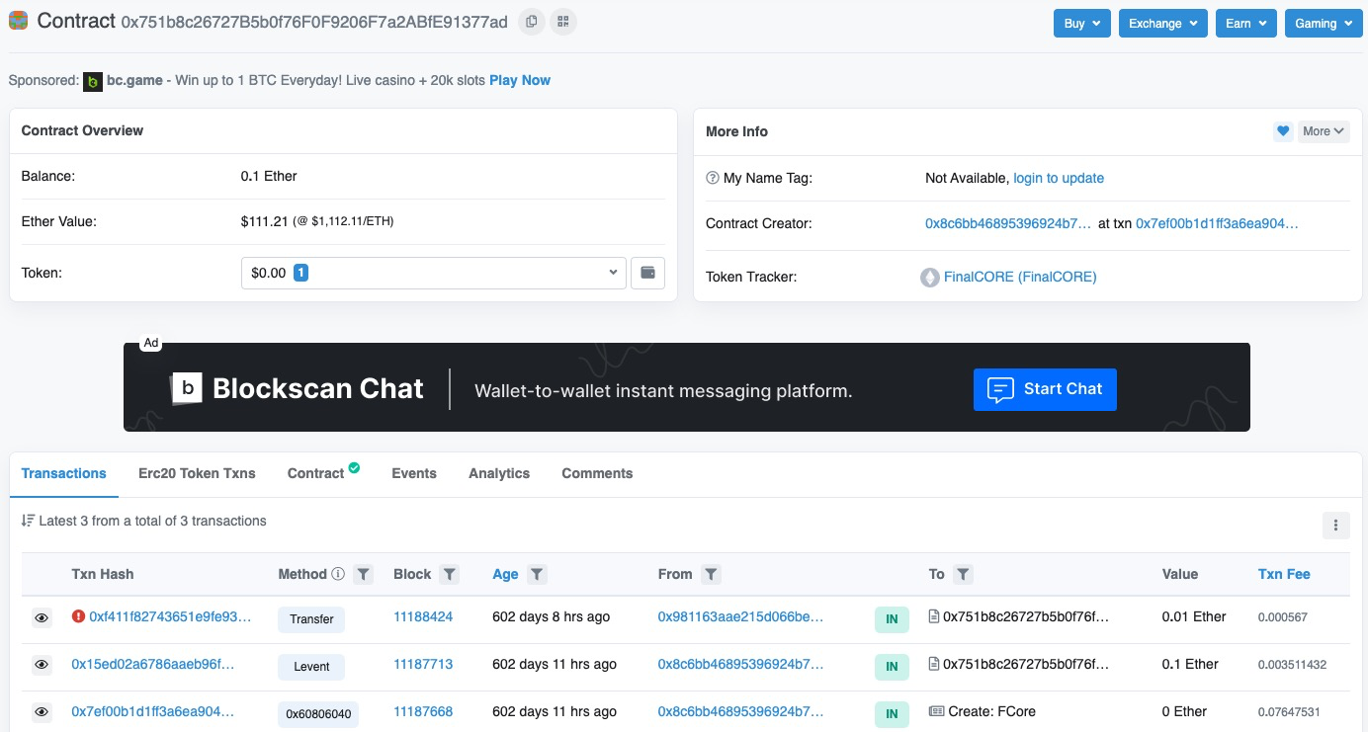
 |  | Unexploitable | 0x368a373c13cba6709a50438e3c8ce14d2248ea7a | 2 | 0.00
 |  | Unexploitable | 0x3326a8c3cfc0958899aeb8e6709ba711a47e05f9 | 2 | 0.00
 |  | Unexploitable | 0x2fc66327cbde36d8bc0ac74d1053034c72faf47c | 2 | 0.00
 |  | Unexploitable | 0x296e9c87967427c2539838535175e616ece761d4 | 2 | 0.00 |  | abstract contract DssAction { constructor(address lib_, bool officeHours_) public { lib = lib_; officeHours = officeHours_; } function libcall(bytes memory data) internal { (bool ok,) = lib.delegatecall(data); require(ok, "DssAction/failed-lib-call"); } } contract DssSpell is DssExec { address public constant LIB = 0x5b2867E4537DC4e10B2876E91bF693a6E6A768B3; // v0.0.3 DssSpellAction public spell = new DssSpellAction(LIB, true); constructor() DssExec(spell.description(), now + 30 days, address(spell)) public {} }
 |  | Unexploitable | 0x2689922e7fb4b585e815c48cee65a69ac804046a | 2 | 0.00
 |  | Unexploitable | 0x2513744e3522bb4c450e3e72d3c406d906dfc126 | 2 | 0.00
 |  | Unexploitable | 0x23ef7224c79ebc3042f0286a5d44013b74dc32bc | 2 | 0.00
 |  | Unexploitable | 0x23eebbba9c0a7a8bb3225068f974d7022ec2d12e | 2 | 0.00
 |  | Unexploitable | 0x2279b24b7b7b66221807cf82a526d64df4dfc373 | 2 | 0.00
 |  | Unexploitable | 0x1da2f972a0ad0620a6118bca79c5a0cd84aca082 | 2 | 0.00
...
 |  | Unexploitable, 构造函数内申明目标合约地址 主合约未调用相关函数 | 0xf7439bae7cd0c506ccd35d70b3a06b8a4ae9c2f6 | 9 | 58249950000000000.00 |  | /** * Performs a handover to a new implementing contract. */ function replace(address target) internal { _dest = target; require(target.delegatecall(bytes4(keccak256("initialize()")))); } contract Dispatcher is Upgradeable { constructor (address target) public { replace(target); } 」
 |  | Unexploitable | 0x429276af04c575c3222f1650fc3271a32862920b | 1 | 0.00
 |  | Unexploitable | 0x41ddef2d11728b96472d252873e959f26074d7cc | 1 | 0.00
 |  | Unexploitable | 0x41b65f0153410e42ec26eaba71f9f8f133282b54 | 1 | 0.00
 |  | Unexploitable | 0x4054c994419291290be118c207edd7be706b2396 | 1 | 0.00 |  | if (data.length > 0) { (bool success, ) = newImplementation.delegatecall(data); if (!success) { assembly { // This assembly ensure the revert contains the exact string data let returnDataSize := returndatasize() returndatacopy(0, 0, returnDataSize) revert(0, returnDataSize) } } }
 |  | Unexploitable | 0x3fd2487054d44613c7d7cf7640a4385ae980bfc3 | 1 | 0.00
 |  | Unexploitable | 0x3a792c31460f555522699bbe9c07f4a85aa308f5 | 1 | 0.00
 |  | Unexploitable | 0x3a221509a5044f4603ec5777947d92865e7e3b6b | 1 | 0.00
 |  | Unexploitable | 0x3a05f3889b71c1dbf96494f57c823499a3895319 | 1 | 0.00
 |  | Unexploitable | 0x37699b0368337c5ea58498446e45d4b45dedd956 | 1 | 0.00
 |  | Unexploitable | 0x354af542d8d3e424d4bc07bd9950c9f4df698361 | 1 | 0.00
 |  | Unexploitable | 0x33ff117b155dc6cfa4168bab4ab492487ac767bd | 1 | 0.00 |  | if (data.length > 0) { (bool success, ) = newImplementation.delegatecall(data); if (!success) { assembly { // This assembly ensure the revert contains the exact string data let returnDataSize := returndatasize() returndatacopy(0, 0, returnDataSize) revert(0, returnDataSize) } } } | 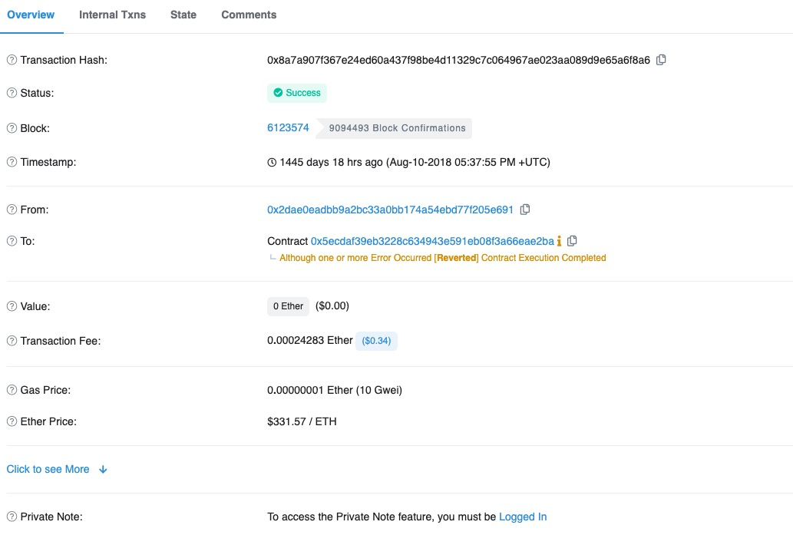
 |  | Unexploitable | 0x33f0e29e7ba9c85c42cc1f6518c12f981dce34ad | 1 | 0.00
 |  | Unexploitable | 0x308ecdcefa3231ad1a8083bd42510830e749fbb7 | 1 | 0.00
 |  | Unexploitable | 0x2e6d6d288b80107a1b549681a3725f778a46775a | 1 | 0.00 |  | if (data.length > 0) { (bool success, ) = newImplementation.delegatecall(data); if (!success) { assembly { // This assembly ensure the revert contains the exact string data let returnDataSize := returndatasize() returndatacopy(0, 0, returnDataSize) revert(0, returnDataSize) } } }
 |  | Unexploitable | 0x2d00355a88310fec7513e7b868c1d9b70a6bf66d | 1 | 0.00 |  | function () payable external { // delegate all other functions to current implementation (bool success, ) = compFarmingSummaryImplmentation.delegatecall(msg.data); assembly { let free_mem_ptr := mload(0x40) returndatacopy(free_mem_ptr, 0, returndatasize) switch success case 0 { revert(free_mem_ptr, returndatasize) } default { return(free_mem_ptr, returndatasize) } } } function _acceptImplementation() public returns (uint) { if (msg.sender != pendingCompFarmingSummaryImplmentation || pendingCompFarmingSummaryImplmentation == address(0)) { return fail(Error.UNAUTHORIZED, FailureInfo.ACCEPT_PENDING_IMPLEMENTATION_ADDRESS_CHECK); } // Save current values for inclusion in log address oldImplementation = compFarmingSummaryImplmentation; address oldPendingImplementation = pendingCompFarmingSummaryImplmentation; compFarmingSummaryImplmentation = pendingCompFarmingSummaryImplmentation;
 |  | Unexploitable | 0x2bdc38f7fc252e2632c6006271c90492a6b1acf0 | 1 | 0.00 |  | function () payable external { // delegate all other functions to current implementation (bool success, ) = compFarmingSummaryImplmentation.delegatecall(msg.data); assembly { let free_mem_ptr := mload(0x40) returndatacopy(free_mem_ptr, 0, returndatasize) switch success case 0 { revert(free_mem_ptr, returndatasize) } default { return(free_mem_ptr, returndatasize) } } } function _acceptImplementation() public returns (uint) { if (msg.sender != pendingCompFarmingSummaryImplmentation || pendingCompFarmingSummaryImplmentation == address(0)) { return fail(Error.UNAUTHORIZED, FailureInfo.ACCEPT_PENDING_IMPLEMENTATION_ADDRESS_CHECK); } // Save current values for inclusion in log address oldImplementation = compFarmingSummaryImplmentation; address oldPendingImplementation = pendingCompFarmingSummaryImplmentation; compFarmingSummaryImplmentation = pendingCompFarmingSummaryImplmentation;
 |  | Unexploitable | 0x2b4058f82a144199561bd0409ae6763ba0de079b | 1 | 0.00
 |  | Unexploitable | 0x2a775bb58193778898999044ebffb682342da500 | 1 | 0.00 |  | function upgradeTo(address newImplementation) internal { setImplementation(newImplementation); (bool success, bytes memory reason) = newImplementation.delegatecall(abi.encodeWithSignature("initialize()")); require(success, string(reason)); emit Upgraded(newImplementation); }
 |  | Unexploitable | 0x2a385a63ca7a4b653f07cd25f39929c8548ab3ba | 1 | 0.00
 |  | Unexploitable | 0x2977d7f1ea7bcd532443163dc72967031ce3bdce | 1 | 0.00 |  | function upgradeTo(address newImplementation) internal { setImplementation(newImplementation); (bool success, bytes memory reason) = newImplementation.delegatecall(abi.encodeWithSignature("initialize()")); require(success, string(reason)); emit Upgraded(newImplementation); }
 |  | Unexploitable | 0x2918e6eb3c155529544fc4a71590486063e91fa3 | 1 | 0.00
...
 |  | Unexploitable, 构造函数内申明目标合约地址 主合约未调用相关函数 | 0xf7439bae7cd0c506ccd35d70b3a06b8a4ae9c2f6 | 9 | 58249950000000000.00 |  | /** * Performs a handover to a new implementing contract. */ function replace(address target) internal { _dest = target; require(target.delegatecall(bytes4(keccak256("initialize()")))); } contract Dispatcher is Upgradeable { constructor (address target) public { replace(target); } 」
 |  | Unexploitable | 0x1fa63080652252852a9589c4d2da7d6eef79b00f | 1 | 0.00
 |  | Unexploitable | 0x1f18ae43376bba5087a7e1bd3026879c378a24d8 | 1 | 0.00
 |  | Unexploitable | 0x1e4a10dc577d53ac4db292cd9906b2984ba9108c | 1 | 0.00
 |  | Unexploitable | 0x1b65788f59815a10e9c299d763bd295f8826a7bb | 1 | 0.00
 |  | Unexploitable | 0x1aed336ccdc242659964f8b57004283fe1d805b7 | 1 | 0.00
 |  | Unexploitable | 0x1a562822f99d11e8f993f6bcda86277123ce22b4 | 1 | 0.00
 |  | Unexploitable | 0x17570e6db8f49465e8134d5d5615ad37dc57f46d | 1 | 0.00
 |  | Unexploitable | 0x1516beb969f160d850e608ea8512d9fde30648f3 | 1 | 0.00
 |  | Unexploitable | 0x121ed644332eb1301fd2e066d6abad4ba62cd64d | 1 | 0.00
 |  | Unexploitable | 0x111650e8d2d19ff86949bffb560e6b987ef9c27d | 1 | 0.00
 |  | Unexploitable | 0x10b7adf57d60e0b33acb0de99afda4471ea989e3 | 1 | 10000000000000000.00 |  | address public converterAddress; constructor() public payable { owner= msg.sender; setStakingAddress(0x9704F876AB1835654583935Ab7e8067CCa27f9a4); setConverterAddress(0x1d17F9007282F9388bc9037688ADE4344b2cC49B); } function setConverterAddress(address theAddress) public onlyOwner returns(bool){ converterAddress = theAddress; return true; } function convert(address sourceToken, address[] memory destinationTokens, uint256 amount) public payable returns(bool){ (bool succeeded, bytes memory result) = address(converterAddress).delegatecall(abi.encodeWithSignature("wrap(address,address[],uint256)", sourceToken, destinationTokens,amount)); return succeeded; } | 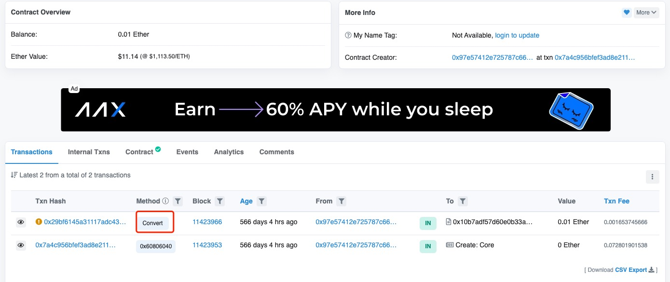
 |  | Unexploitable | 0x0f626dd08161912d7f1f595aee95f2876591ada8 | 1 | 0.00
 |  | Unexploitable | 0x0a84e1a46044858b9c0470e66c543b69b8d0a433 | 1 | 0.00 |  | function _swapFloor( IERC20 fromToken, IERC20 destToken, uint256 amount, uint256[] memory distribution, uint256 flags ) internal { (bool success, bytes memory data) = address(oneSplit).delegatecall( abi.encodeWithSelector( this.swap.selector, fromToken, destToken, amount, 0, distribution, flags ) ); constructor(IOneSplitView _oneSplitView, IOneSplit _oneSplit) public { oneSplitView = _oneSplitView; oneSplit = _oneSplit; }
 |  | Unexploitable | 0x0a2d368e4eecbd515033ba29253909f2978c1bee | 1 | 0.00
 |  | Unexploitable | 0x060a916936f240e44b09eea05e1210aaf64fd07b | 1 | 0.00
 |  | Unexploitable | 0x05e037c0a0896e5140c18594681daff1ce728be7 | 1 | 0.00
 |  | Unexploitable | 0x053624bd3ba5a3f5b2246a44d2794b5152a6032b | 1 | 0.00
 |  | Unexploitable | 0x0376411338c0dab5dd5e78b3d717284fa2774eb4 | 1 | 0.00
 |  | exploitable | 0xbde001c5700fd7a1c749440e11e9d10fdd3ad7cf | 1379 | 0.00 |  | // Victim actions function sellRewardForWeth(Victim victim, uint256 rewardAmount, address to) external returns(uint256) { (bool success, bytes memory result) = address(victim).delegatecall(abi.encodeWithSignature("sellRewardForWeth(address,uint256,address)", address(victim), rewardAmount, to)); require(success, "sellRewardForWeth(uint256 rewardAmount, address to) delegatecall failed."); return abi.decode(result, (uint256)); }
 |  | exploitable | 0xeb5df44d56b0d4ccd63734a99881b2f3f002ecc2 | 88 | 0.00 |  | function doDistributedSwap( SwapParams memory _swap, DistributionParams memory _distribution ) internal returns(uint){ // route trades to the different exchanges for(uint i = 0; i < _distribution.exchangeModules.length; i++){ IAtomicExchange exchange = _distribution.exchangeModules[i]; uint thisInput = _swap.input * _distribution.chunks[i] / totalChunks; if(address(exchange) == address(0)){ // trade is not using an exchange module but a direct call (address target, uint value, bytes memory callData) = abi.decode(_distribution.exchangeData[i], (address, uint, bytes)); (bool success, bytes memory data) = address(target).call.value(value)(callData); require(success, "Exchange call reverted."); }else{ // delegate call to the exchange module (bool success, bytes memory data) = address(exchange).delegatecall( abi.encodePacked(// This encodes the function to call and the parameters we are passing to the settlement function exchange.swap.selector, abi.encode( SwapParams({ sellToken : _swap.sellToken, input : thisInput, buyToken : _swap.buyToken, minOutput : 1 // we are checking the combined output in the end }), _distribution.exchangeData[i] ) ) ); require(success, "Exchange module reverted."); } } | function swapAndSend( SwapParams memory _swap, DistributionParams memory _distribution, address payable _receipient ) public payable returns (uint _output){ // execute swaps on behalf of trader _output = doDistributedSwap(_swap, _distribution); // check if output of swap is sufficient require(_output >= _swap.minOutput, "Slippage limit exceeded."); // send swap output to receipient send(_swap.buyToken, _receipient, _output); emit Trade( address(_swap.sellToken), _swap.input, address(_swap.buyToken), _output, msg.sender, _receipient ); }
 |  | exploitable | 0x9e4fae1c7ac543a81e4e2a5486a0ddaad8194bda | 64 | 0.00 |  | /// Upgrades the `implementation` address. /// @param _newImplementation New implementation address. /// @param _initData Raw data with which new implementation will be initialized. /// @return Returns whether new implementation would be further upgradable, or not. function upgradeTo(address _newImplementation, bytes memory _initData) public returns (bool) { // New implementation cannot be null: require(_newImplementation != address(0), "WitnetProxy: null implementation"); address _oldImplementation = implementation(); if (_oldImplementation != address(0)) { // New implementation address must differ from current one: require(_newImplementation != _oldImplementation, "WitnetProxy: nothing to upgrade"); // Assert whether current implementation is intrinsically upgradable: try Upgradable(_oldImplementation).isUpgradable() returns (bool _isUpgradable) { require(_isUpgradable, "WitnetProxy: not upgradable"); } catch { revert("WitnetProxy: unable to check upgradability"); } // Assert whether current implementation allows `msg.sender` to upgrade the proxy: (bool _wasCalled, bytes memory _result) = _oldImplementation.delegatecall( abi.encodeWithSignature( "isUpgradableFrom(address)", msg.sender ) ); require(_wasCalled, "WitnetProxy: not compliant"); require(abi.decode(_result, (bool)), "WitnetProxy: not authorized"); require( Upgradable(_oldImplementation).proxiableUUID() == Upgradable(_newImplementation).proxiableUUID(), "WitnetProxy: proxiableUUIDs mismatch" ); } // Initialize new implementation within proxy-context storage: (bool _wasInitialized,) = _newImplementation.delegatecall( ab
...

