Sheet1
Column1 | Column2 | Column3 | Column4 | Column5
Product 1 | IMAGE | Title | Description | Price
 | 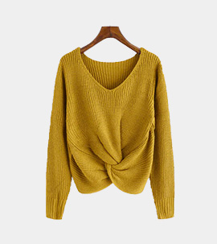 | Dress | Woolen Bloom Womens V Neck Sweaters Pullover Lightweight Long Sleeve Sweater Tops for Women Fall Winter Soft Casual | 20 $

 |  |  | PRODUCT DETAILS
 |  |  | Size & Fit
 |  |  | Size: M
 |  |  | 100% acrylic. Fluffy, soft, warm, lightweight and woolly-look.
 |  |  | Classic solid color, fashionable V-neck, fitting looking
 |  |  | high wearing comfort, rib-knit cuff, neck and hem

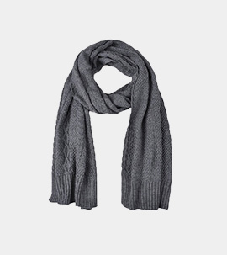
Product 2 |  | Scarf | SASSAFRAS Woollen Checked Scarf | 15 $

 |  |  | PRODUCT DETAILS
 |  |  | checked scarf and has a frayed border

 |  |  | Size & Fit
 |  |  | Length: 1.8 m
 |  |  | Width: 70 cm
 |  |  | Material & Care
 |  |  | Material: Wool
 |  |  | Dry Clean

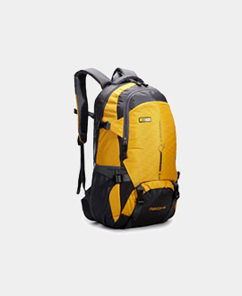
Product 3 |  | Backpack | PRODUCT DETAILS | 50 $
 |  |  | Brand :Gear
 |  |  | Unisex Yellow& Black Luxur Laptop Backpack

 |  |  | PRODUCT DETAILS
 |  |  | Brown and black backpack
 |  |  | One padded haul loop, padded and adjustable shoulder straps
 |  |  | Two main zip compartments, one has a padded laptop sleeve secured with a tab-and-Velcro closure, the other has an organiser sleeve
 |  |  | Two zip pockets on the front
 |  |  | A mesh stash pocket on either side
 |  |  | Warranty: 1 year against manufacturing defects
 |  |  | Warranty provided by Brand Owner / Manufacturer

 |  |  | Size & Fit
 |  |  | Height: 42 cm
 |  |  | Width: 32 cm
 |  |  | Depth: 17 cm
 |  |  | Laptop sleeve: 42 cm
 |  |  | Material & Care
 |  |  | PU
 |  |  | Wipe with a clean, dry cloth when needed
 |  |  | Specifications
 |  |  | Back
 |  |  | Padded
 |  |  | Compartment Closure
 |  |  | Zip

Sheet2
Product 4 | Image | Title | Description | Price
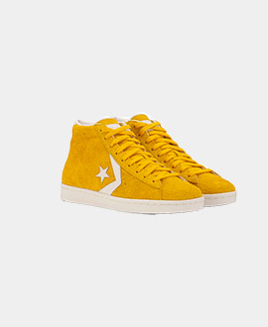
 |  | MEN-Shoes | Men Tan Yellow Leather Sneakers | 100$

 |  |  | PRODUCT DETAILS
 |  |  | A pair of round-toe tan sneakers, has regular styling, lace-up detail
 |  |  | Leather upper
 |  |  | Cushioned footbed
 |  |  | Textured and patterned outsole
 |  |  | Warranty: 2 months
 |  |  | Warranty provided by brand/manufacturer

 |  |  | Material & Care
 |  |  | Leather
 |  |  | Wipe with a clean, dry cloth to remove dust
 |  |  | Specifications
 |  |  | Type
 |  |  | Sneakers

 |  |  | Pattern
 |  |  | Textured
 |  |  | Fastening
 |  |  | Lace-Ups
 |  |  | Shoe Width
 |  |  | Regular
 |  |  | Ankle Height
 |  |  | Regular
 |  |  | Insole
 |  |  | Comfort Insole
 |  |  | Sole Material
 |  |  | PU

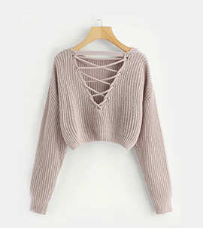
Product 5 |  | Women-SWEATER | CROPPED V-NECK SWEATER | 40$

 |  |  | PRODUCT DETAILS

 |  |  | Details

 |  |  | Ribbed knit
 |  |  | Style: 9242
 |  |  | Imported

 |  |  | Fit

 |  |  | Relaxed fit
 |  |  | V-neckline
 |  |  | Cropped cut
 |  |  | Dolman sleeves
 |  |  | Approx. length (M): 17.5"
 |  |  | Model height: 6'0" | Wear size: Small

 |  |  | Care & Materials

 |  |  | 60% cotton, 40% acrylic
 |  |  | Machine wash/dry

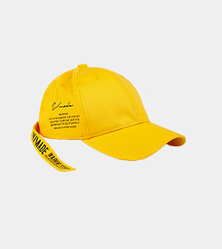
Product 6
 |  | MENS-PRINTED HAT | Men Yellow Solid Dry Fit Training Cap

 |  |  | PRODUCT DETAILS
 |  |  | Teal Yellow Dry Fit training cap
 |  |  | Engineered with dry-fit sweatband

 |  |  | Material & Care
 |  |  | 100% polyester
 |  |  | Hand-wash
 |  |  | Specifications
 |  |  | Material
 |  |  | Polyester
 |  |  | Occasion
 |  |  | Sports
 |  |  | Pattern
 |  |  | Solid
 |  |  | Type
 |  |  | Baseball Cap
 |  |  | Wash Care
 |  |  | Hand Wash

Sheet3
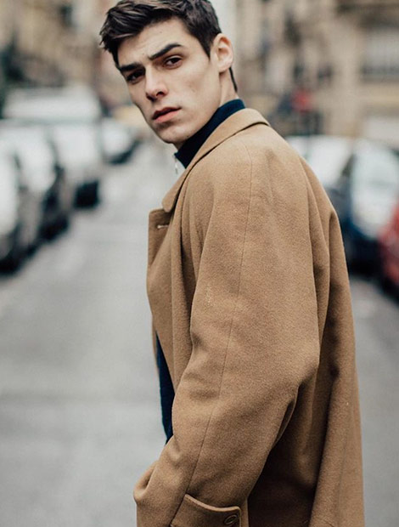
Product 7 | Image | title | Description | Price
 |  | Men's Work Fall / Winter Plus Size Long Trench Coat, Solid Colored Fantastic Beasts Turndown Long Sleeve Cotton / Blushing Pink |  | 50$

 |  |  | PRODUCT DETAILS
 |  |  | Coat in an Italian wool blend containing some soft cashmere with buttons down the front and a high stand-up collar with concealed press-studs
 |  |  | Side pockets, two inner pockets, decorative buttons at the cuffs and a single back vent

 |  |  | Size & Fit
 |  |  | The model is wearing a size M
 |  |  | Material & Care
 |  |  | 65% Wool, 25% Polyamide, 10% Cashmere
 |  |  | Dry clean

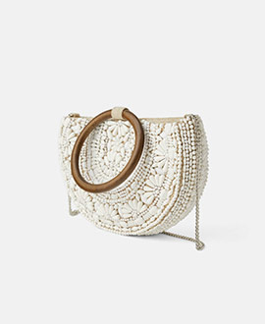
Product 8
 |  | GUESS Coral white Quilted printed Shoulder Bag | PRODUCT DETAILS |  | 30 $
 |  |  | Coral whitequilted printed shoulder bag, has a button closure
 |  |  | 1 main compartments
 |  |  | Tablet sleeve: No
 |  |  | One handle with a detachable sling strap

 |  |  | Size & Fit
 |  |  | Height: 16 cm
 |  |  | Width: 27 cm
 |  |  | Depth: 5 cm
 |  |  | Material & Care
 |  |  | PU
 |  |  | Wipe with a clean, dry cloth to remove dust
 |  |  | Specifications
 |  |  | Type
 |  |  | Shoulder Bag
 |  |  | Size
 |  |  | Small

Sheet4
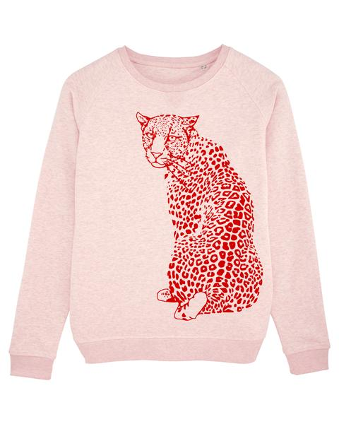
Product 9 | Image | Title | Description | Price
 |  | Organic Baby- Pink | baby Leopard Sweatshirt | Pink Heather | 30 $

 |  |  | TERRY SWEATSHIRT
 |  |  | MADE FROM 85% ORGANIC RING-SPUN COMBED COTTON, 15% RECYCLED POLYESTER

 |  |  | Raglan sleeve
 |  |  | 1x1 rib at neck collar, sleeve hem and bottom hem
 |  |  | Inside herringbone back neck tape
 |  |  | Self fabric half moon at back neck
 |  |  | Single needle topstitch at neck collar
 |  |  | Sleeve hem and bottom hem with twin needle topstitch
 |  |  | Size - S
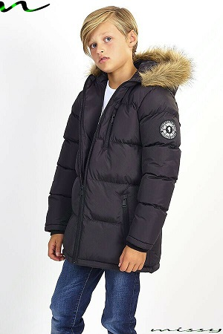

Product 10 |  | BOYS COATS FOR SCHOOL | PRODUCT DETAILS | 20 $

 |  |  | D E S C R I P T I O N

 |  |  | STYLE: Parkas

 |  |  | FULL LENGTH: 70cm approx. (Shoulder to hem)

 |  |  | MATERIAL: 100 % Polyester

 |  |  | COLOURS: Black,

 |  |  | UK SIZES: 7-8, 9-10, 11-12, 13
 |  |  | Special Features:

 |  |  | Brand New & High Quality Childrens Jacket
 |  |  | Boys Parka Jacket

