Cover
| Da nang R&D Department

DESIGN SPECIFICATION | PROJECT:

 | Revision | : Rev0.1
 | Prj Duration | :
 | Author | :
 | Approval | :

High Level Block
<High Level Block> Design

Function Description
The NVM reader receive read singal and address data from system. After that, this circuit decode the address and send it to NVM.
Then this circuit receive data from NVM and send it to system in serial.

Interface

 |  |  |  | Read |  |  |  |  | Data_out
 |  |  |  | Address_in |  |  |  |  | Address_out
 |  |  |  | Data_in
 |  |  |  | clr
 |  |  |  | clk |  | NVM Reader

Signal Description

No | Signal Name |  |  | Width | Direction |  | Function Description
1 | Read |  |  | 1 | Input |  | 0: disable reading data from NVM reader in serial
 |  |  |  |  |  |  | 1: enable reading data from NVM reader in serial
2 | Address_in |  |  | 5 | Input |  | receive address from system
3 | Data_in |  |  | 8 | Input |  | receive data from NVM
4 | clr |  |  | 1 | Input |  | reset counter and PISO
5 | clk |  |  | 1 | Input |  | clock input
6 | Address_out |  |  | 5 | Output |  | address to NVM
7 | Data_out |  |  | 1 | Output |  | data to system in serial

Read
Address_in
clr
clk
Data_out
Address_out
Control Path
Data path
PISO
counter
Data_in
shift_dec
load
clear
empty
Design

Waveform

clk

clr

read

Address_in | 5'd10 |  |  |  |  |  | 5'd15

Data_in | 8'd12 |  |  |  |  |  | 8'd14

Address_out | 5'd10 |  |  |  |  |  | 5'd15

Data_out | 0 | 0 | 0 | 0 | 0 | 0 | 0 | 1 | 1 | 0 | 0 | 0 | 0

FSM

Testbench
<NVM_Reader> Design

Task Case 1
Please describe: purpose, how to set up?, the expected result
When system send read signal, data is shifted out after 8 clock cycles, if system send address and new data arrive, the circuit only
strore new data when the old data is shifted out and the last address sent from system is strore.
We will send read signal from the system and check wether data is shifted after 8 clock cylce or not.
While data is shifted out, we send 2 addresses and observe that will the data of the second address is shifted out after the old data is
shifted out

Result

Task Case 2
When data is shifting, if reset is asserted then the ouput will be 0 if read is not asserted, if read is deaserrted then the output
ouput will be the MSB of data
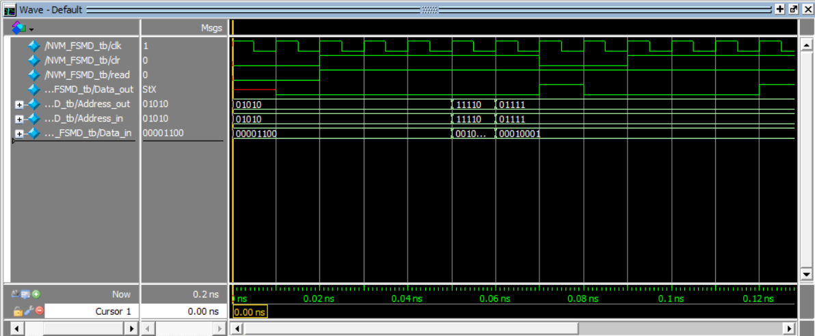

Task Case 3
When we are reading data from the circuit, if we deassert read signal then the data ouput will be 0

