Cover
| Da nang R&D Department

DESIGN SPECIFICATION | PROJECT: Data Transmission Between Parallel and Serial

 | Revision | : Rev0.1
 | Prj Duration | :11/09/24-25/09/24
 | Author | :PhuocHVD
 | Approval | :ThanhNC42

<HIGH BLOCK>
<HIGH BLOCK> Design

Function Description
- Design a circuit which has function: read data from NVM memory.
- This reader circuit receives request signal from system: system sends a read signal, address of 1 byte data need to be read, after that this circuit send signal to NVM for getting data from NVM (data output is transmitted in serial output)

- NVM has 32 register, each register is 8 bit

Interface

 |  |  |  | Read |  |  | Data
 |  |  |  | Addr
 |  |  |  | CLK
 |  |  |  | RST
 |  |  |  |  | NVM Reader

Signal Description

No | Signal Name |  | Width | Direction |  | Function Description
1 | Read |  | 1 | Input |  | When Read is 1, the system reads data from the specified address. When Read is 0, the output data is always 1.
2 | Addr |  | 5 | Input |  | Address of 1 byte data need to be read
3 | CLK |  | 1 | Input |  | Rising edge sync clock signal
4 | RST |  | 1 | Input |  | A active-low reset signal that initializes or resets the system.
5 | Data |  | 1 | Output |  | The serial output data Format: Bit 1: Start bit (0) Bit 2-9: Data bits (8 bits) Bit 10: Stop bit (1)
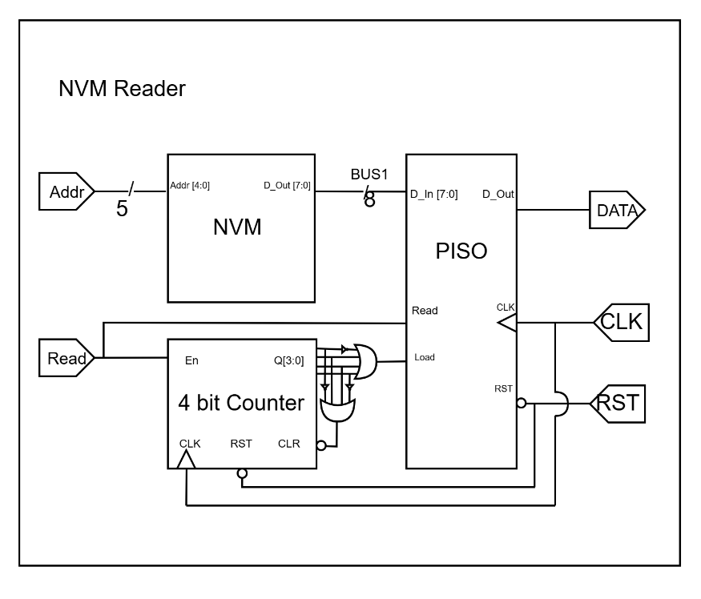
Design

Waveform

clk

rst

Addr | 5'h0 | 5'h1 |  |  |  |  |  | 5'h4

Read

DATA

Text is not SVG - cannot display

<COUNTER LOW BLOCK>
<COUNTER's LOW BLOCK> Design

Interface

 |  |  | En |  |  | Q
 |  |  | CLR
 |  |  | CLK
 |  |  | RST
 |  |  |  | 4 Bit Counter

Signal Description

No | Signal Name | Width | Direction |  | Function Description
1 | En | 1 | Input |  | Counter trigger signal. When EN = 1, the counter is active. When EN = 0, the counter will stop (value returns to 0).
2 | CLR | 1 | Input |  | Resets the output to a predefined state. Active-Low
3 | CLK | 1 | Input |  | Rising edge sync clock signal.
4 | RST | 1 | Input |  | A active-low reset signal that initializes or resets the system.
5 | Q | 4 | Output |  | Current value of the counter.
Design

Waveform

CLK

RST

CLR

EN

Q | 4'h0 |  | 4'h1 |  | 4'h2 | 4'h3 | 4'h0 | 4'h1

Text is not SVG - cannot display

<PISO LOW BLOCK>
<PISO's LOW BLOCK> Design

Interface

 |  |  |  | Read
 |  |  |  | Load |  |  | D_Out
 |  |  |  | D_In
 |  |  |  | CLK
 |  |  |  | RST
 |  |  |  |  | PISO

Signal Description

No | Signal Name |  | Width | Direction |  | Function Description
1 | Read |  | 1 | Input |  | Control the reading of data when load = 0. If read = 0, the output is 1, and vice versa.
2 | Load |  | 1 | Input |  | Control shift register. When Load=0, the shift register loads new data. When load = 1, it shifts the data.
3 | D_In |  | 8 | Input |  | 1 byte data need to be read
4 | CLK |  | 1 | Input |  | Rising edge sync clock signal.
5 | RST |  | 1 | Input |  | A active-low reset signal that initializes or resets the system.
6 | D_Out |  | 1 | Output |  | The serial output data Format: Bit 1: Start bit (0) Bit 2-9: Data bits (8 bits) Bit 10: Stop bit (1)

Design

Waveform

CLK

RST

D_In | 8'h0 | 8'h2 |  |  |  |  |  | 8'h8

Read

Load

DATA

Text is not SVG - cannot display

