Expected growth rate
Top Down Estimates (Yardeni on 12.26/22) |  |  |  | Top-down Estimates (Analyst Consensus on 12/26/22) |  |  |  |  | Bottom-up Estimates (Factset on 12/22)
Year | Earnings on Index |  | Source | Year | Earnings on Index |  | Source |  | Year | Earnings on Index |  | Source
2021 |  | 208.53 |  | 2021 |  | 208.53 |  |  | 2021 |  | 208.49
2022E |  | 215 | Yardeni | 2022E |  | 219.49 | Analyst Consensus |  | 2022E |  | 220.87 | Analyst Consensus
2023 | 4.65% | 225 | Yardeni | 2023 | 4.69% | 229.78 | Analyst Consensus |  | 2023 | 4.85% | 231.59 | Analyst Consensus
2024 | 11.11% | 250 | Yardeni | 2024 | 10.35% | 253.56 | Analyst Consensus |  | 2024 | 4.66% |  | Analyst Consensus
2025 | 6.88% |  |  | 2025 | 6.61% |  | Analyst Consensus |  | 2025 | 4.46% |  | Analyst Consensus
2026 | 5.88% |  |  | 2026 | 5.70% |  |  |  | 2026 | 4.27%
2027 | 4.88% |  |  | 2027 | 4.79% |  |  |  | 2027 | 4.07%
2028 | 3.88% |  |  | 2028 | 3.88% |  |  |  | 2028 | 3.88%
Compounded average | 6.66% |  |  | CAGR: 2021E | 6.41% |  |  |  | CAGR: 2021E | 4.46%

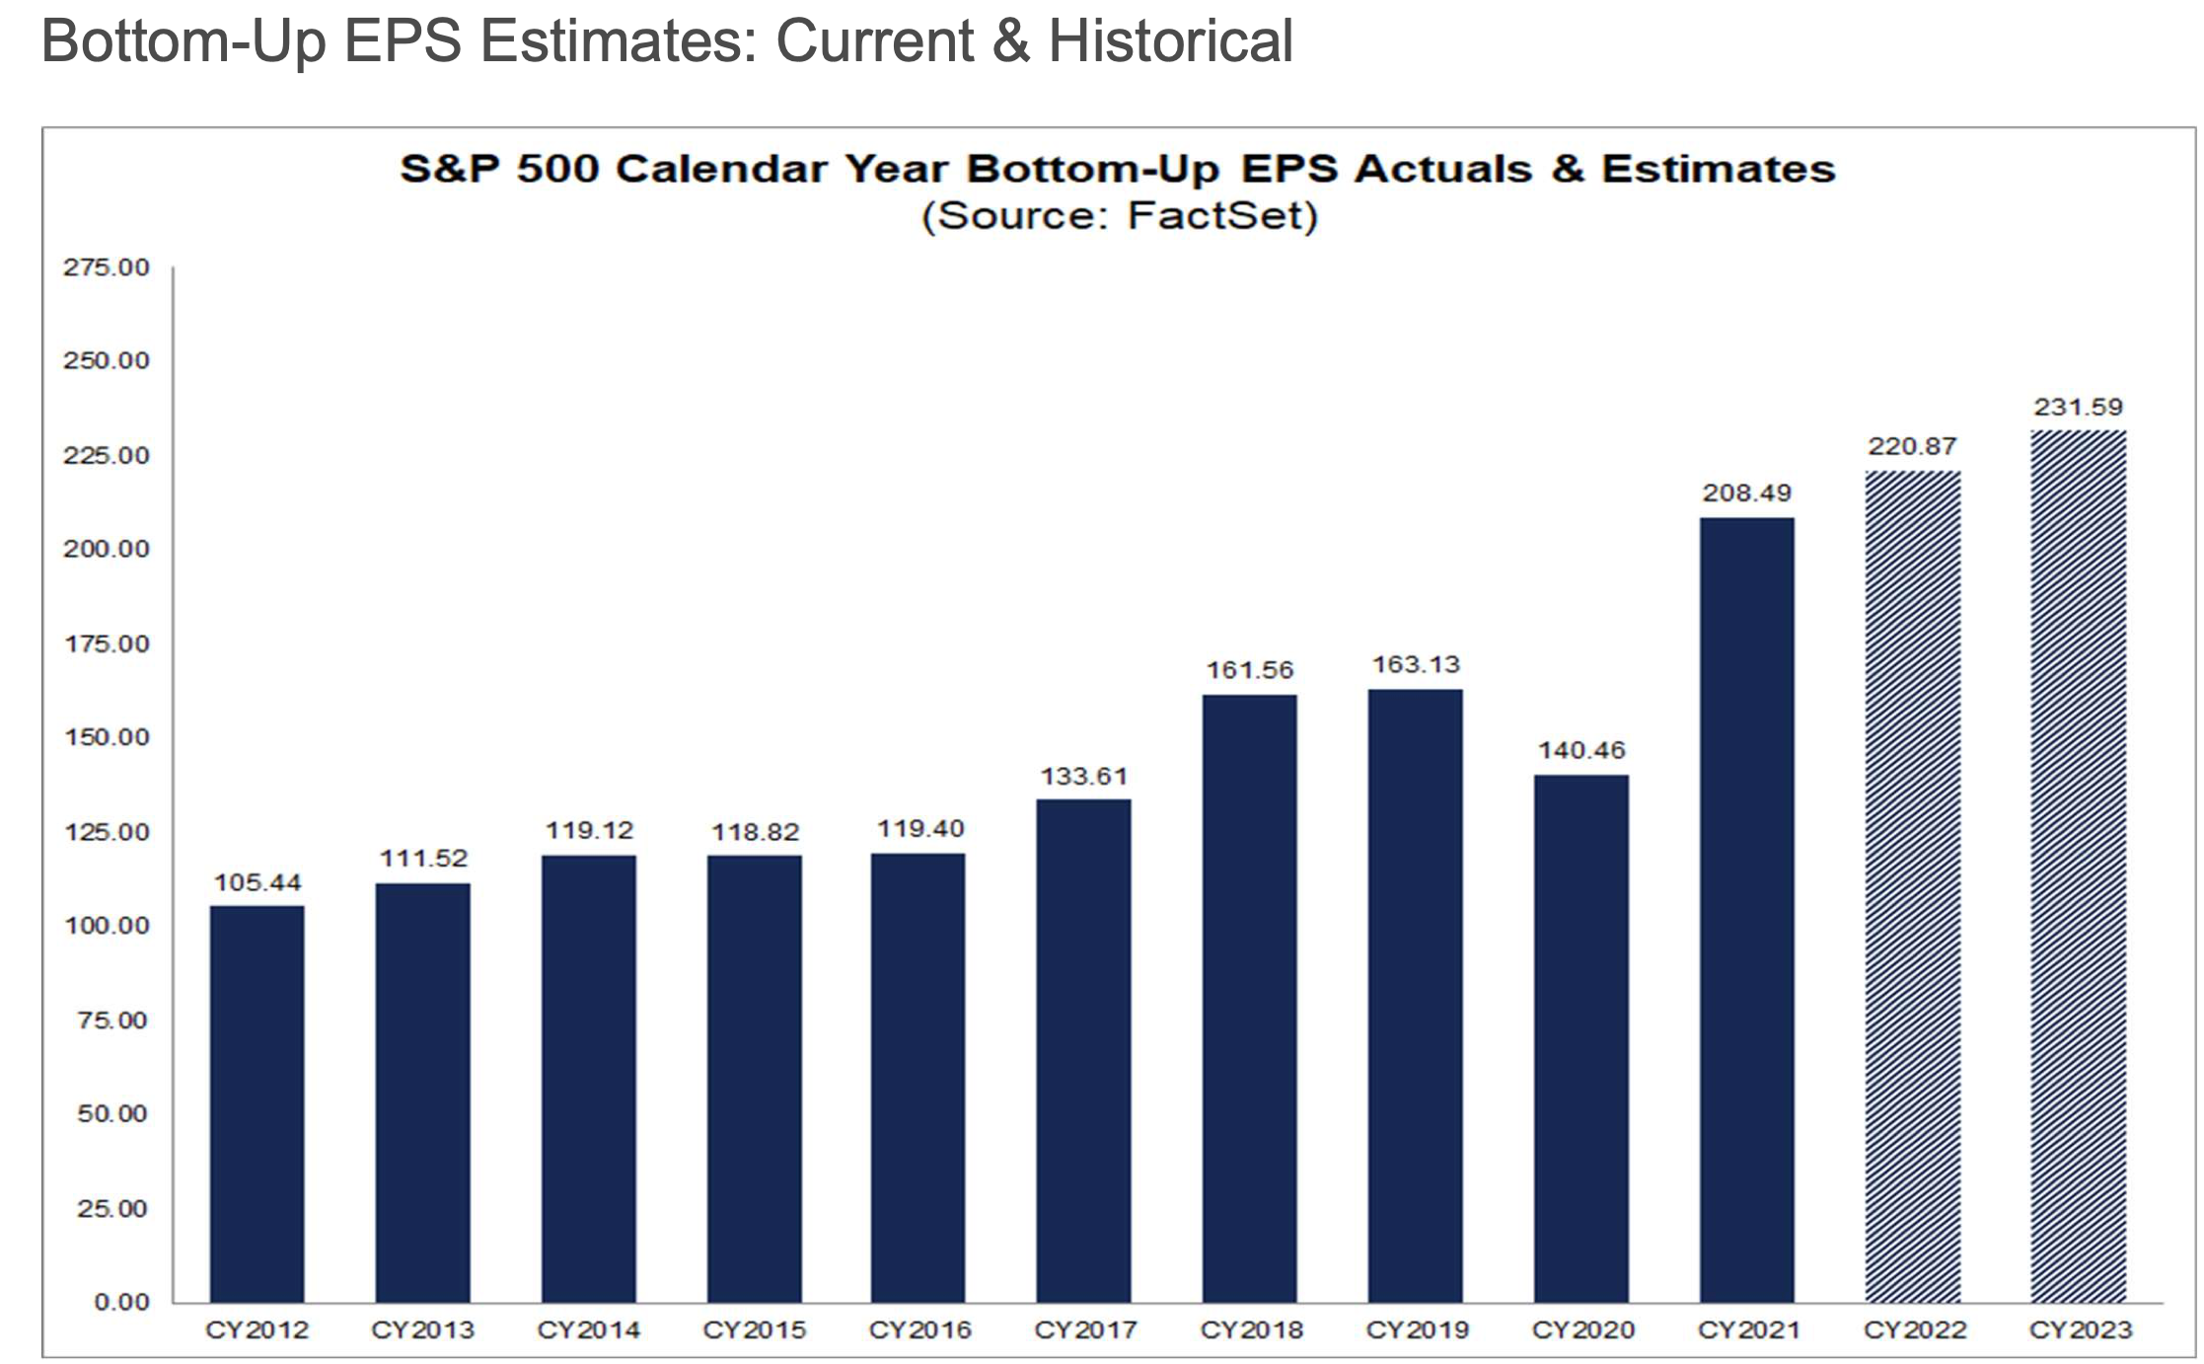
Sources for top down estimates
Thomson Reuters
Factset
Yardeni
S&P Capital IQ | Used estimated Net Income aggregated across
 | individual companies for next two years
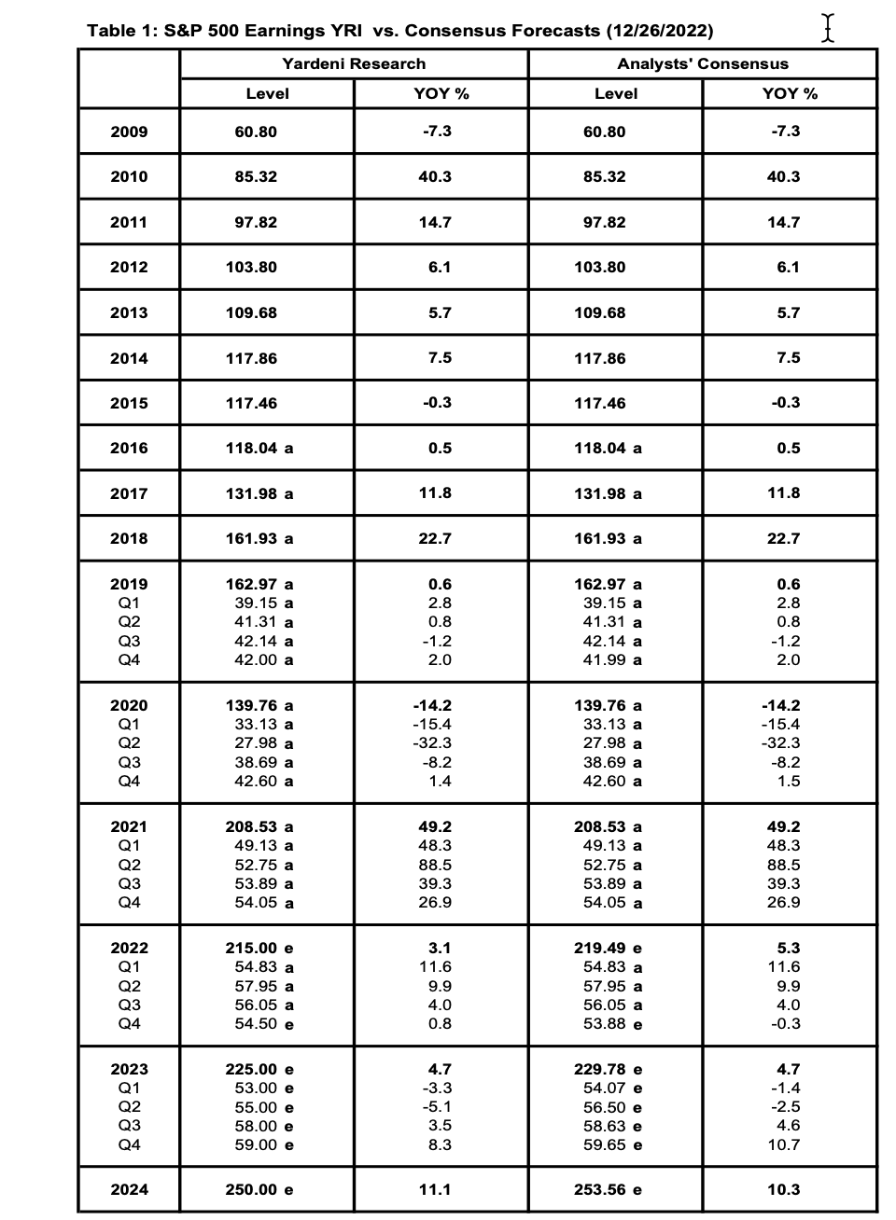

 |  |  |  |  | On 12/31/22
 |  |  |  |  | Market Strategists Estimates
 |  |  |  |  | FIRM | STRATEGIST | 2022 S&P 500 | 2023 EPS | IMPLIED P/E
 |  |  |  |  | Deutsche Bank | Binky Chadha | 4500 | 195.00 | 23.08
 |  |  |  |  | BMO | Brian Belski | 4300 | 220.00 | 19.55
 |  |  |  |  | Scotiabank | Hugo Ste-Marie | 4225 | 225.00 | 18.78
 |  |  |  |  | Jeffries | Sean Darby | 4200 | 232.00 | 18.10
 |  |  |  |  | JP Morgan | Dubravko Lakos-Bujas | 4200 | 205.00 | 20.49
 |  |  |  |  | Cantor Fitzgerald | Eric Johnson | 4100 | 212.00 | 19.34
 |  |  |  |  | RBC Capital Markets | Lori Calvasina | 4100 | 199.00 | 20.60
 |  |  |  |  | Credit Suisse | Jonathan Golub | 4050 | 230.00 | 17.61
 |  |  |  |  | Bank of America | Savita Subramaniam | 4000 | 200.00 | 20.00
 |  |  |  |  | Goldman Sachs | Davis Kostin | 4000 | 224.00 | 17.86
 |  |  |  |  | HSBC | Max Kettner | 4000 | 225.00 | 17.78
 |  |  |  |  | Citigroup | Scott Chronert | 3900 | 215.00 | 18.14
 |  |  |  |  | Morgan Stanley | Mike Wilson | 3900 | 314.00 | 12.42
 |  |  |  |  | UBS | Keith Parker | 3900 | 198.00 | 19.70
 |  |  |  |  | Barclays | Venu Krishna | 3725 | 207.00 | 18.00
 |  |  |  |  | Societe Generale | Manish Kabra | 3650 | 220.00 | 16.59
 |  |  |  |  | BNP Paribas | Greg Boutle | 3400 | 219.00 | 15.53
 |  |  |  |  | Evercore ISI | Julian Emmanuel | - | 222.00
 |  |  |  |  | Stifel | Barry Bannister | - | 220.00
 |  |  |  |  | Average |  |  | $220.11
 |  |  |  |  | Median |  |  | $220.00
 |  |  |  |  | High |  |  | $314.00
 |  |  |  |  | Low |  |  | $195.00

