Bugs
# | Observations | Actual result
Bug-1 |  | Review the following red data
 | { "active": true, "address": "string", "age": 0, "birthDate": "string", "createdBy": "string", "creationDate": "2023-06-15T21:57:34.877Z", "dni": "string", "email": "string", "emailVerified": true, "id": 0, "image": "string", "lastName": "string", "name": "string", "occupation": "string", "password": "string", "secondLastName": "string", "secondName": "string", "sex": "string", "telephone": "string", "updateDate": "2023-06-15T21:57:34.877Z", "updatedBy": "string", "username": "string" }
Bug-2 |  | Specify the data type TO INSERT // field "sex" should specify upper or lower case
 | { "active": true, "address": "string", "age": 0, "birthDate": "string", "createdBy": "string", "creationDate": "2023-06-15T21:57:34.877Z", "dni": "string", "email": "string", "emailVerified": true, "id": 0, "image": "string", "lastName": "string", "name": "string", "occupation": "string", "password": "string", "secondLastName": "string", "secondName": "string", "sex": "string", "telephone": "string", "updateDate": "2023-06-15T21:57:34.877Z", "updatedBy": "string", "username": "string" }
Bug-3 |  | telephone should not be string
 | { "active": true, "address": "americaldss", "age": 0, "birthDate": "1993-06-01", "createdBy": "admin", "dni": "153597", "email": "puggybebe16l@gmail.com", "emailVerified": true, "id": 0, "lastName": "dsfsfssvs", "name": "ggygypuggygy", "occupation": "vvvvvvvv", "password": "vvvvvvvvvv", "secondLastName": "vvvvvv", "secondName": "vvvvvs", "sex": "FEMALE", "telephone": "holaaa", "updatedBy": "string", "username": "puggyta245" } | 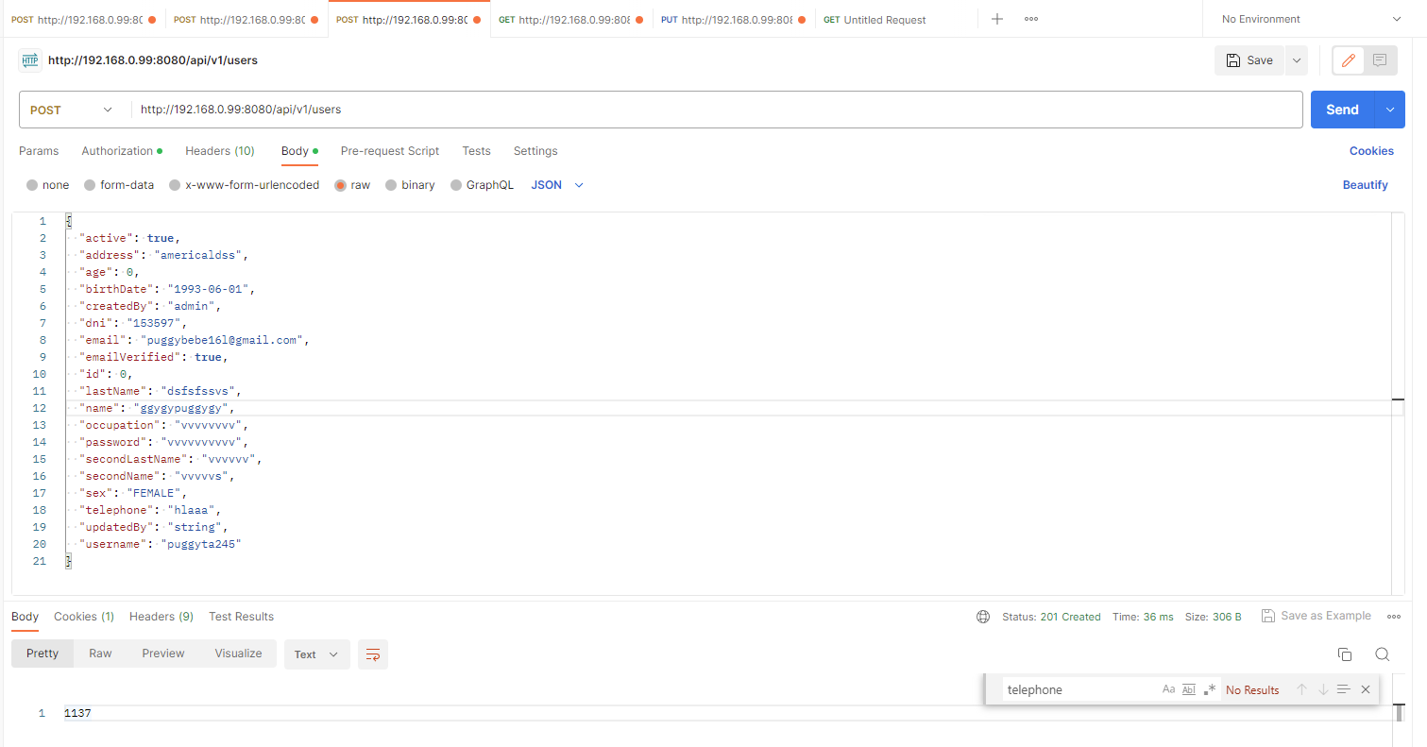
Bug-4
 | Password should be encrypted

