PE.Calc
S&P 500 Earnings
 | Ln(y) | Fitted
1946.03 | 2.5670039918 | 3.0861586874
1947.03 | 2.7317958309 | 3.1059168256
1948.03 | 2.9630229154 | 3.1256749638
1949.03 | 3.2766804743 | 3.145433102
1950.03 | 3.2809088104 | 3.1651912401
1951.03 | 3.369167787 | 3.1849493783
1952.03 | 3.1851653655 | 3.2047075165
1953.03 | 3.1862456089 | 3.2244656547
1954.03 | 3.2232326399 | 3.2442237929
1955.03 | 3.3797912702 | 3.263981931
1956.03 | 3.5964901378 | 3.2837400692
1957.03 | 3.4780049782 | 3.3034982074
1958.03 | 3.3631129801 | 3.3232563456
1959.03 | 3.3500466984 | 3.3430144837
1960.03 | 3.4191008143 | 3.3627726219
1961.03 | 3.3129282647 | 3.3825307601
1962.03 | 3.3896531399 | 3.4022888983
1963.03 | 3.4725707603 | 3.4220470365
1964.03 | 3.5788206299 | 3.4418051746
1965.03 | 3.6789455797 | 3.4615633128
1966.03 | 3.7856351901 | 3.481321451
1967.03 | 3.7783736145 | 3.5010795892
1968.03 | 3.737899274 | 3.5208377273
1969.03 | 3.7542729637 | 3.5405958655
1970.03 | 3.6645394938 | 3.5603540037
1971.03 | 3.5428835151 | 3.5801121419
1972.03 | 3.6155652573 | 3.5998702801
1973.03 | 3.7280355445 | 3.6196284182
1974.03 | 3.8356983549 | 3.6393865564
1975.03 | 3.7488165531 | 3.6591446946
1976.03 | 3.7144159097 | 3.6789028328
1977.03 | 3.8038425174 | 3.6986609709
1978.03 | 3.8203976762 | 3.7184191091
1979.03 | 3.9213955928 | 3.7381772473
1980.03 | 3.9231887332 | 3.7579353855
1981.03 | 3.7759137419 | 3.7776935237
1982.03 | 3.7259683611 | 3.7974516618
1983.03 | 3.5146270943 | 3.8172098
1984.03 | 3.6736626604 | 3.8369679382
1985.03 | 3.7087313831 | 3.8567260764
1986.03 | 3.5652812423 | 3.8764842145
1987.03 | 3.574568981 | 3.8962423527
1988.03 | 3.743998096 | 3.9160004909
1989.03 | 3.9900630681 | 3.9357586291
1990.03 | 3.7977102682 | 3.9555167673
1991.03 | 3.7156519943 | 3.9752749054
1992.03 | 3.4270294542 | 3.9950330436
1993.03 | 3.5999340125 | 4.0147911818
1994.03 | 3.7102787171 | 4.03454932
1995.03 | 4.0421175949 | 4.0543074581
...
Price to Fitted Earnings (P/Efitted)
 | P/Efitted
1946.03 | 11.589731829
1947.03 | 8.2113922188
1948.03 | 7.1072409638
1949.03 | 7.1433297088
1950.03 | 8.2187663728
1951.03 | 9.1891453756
1952.03 | 9.7288409916
1953.03 | 10.294405018
1954.03 | 10.20316787
1955.03 | 13.845113181
1956.03 | 17.595492708
1957.03 | 15.419031513
1958.03 | 13.956133328
1959.03 | 18.185312234
1960.03 | 17.170538316
1961.03 | 19.355618545
1962.03 | 20.595673685
1963.03 | 18.618096678
1964.03 | 21.619965265
1965.03 | 23.058543257
1966.03 | 22.564440355
1967.03 | 21.650375263
1968.03 | 20.346920639
1969.03 | 21.126378118
1970.03 | 17.475013847
1971.03 | 18.383180364
1972.03 | 18.830238161
1973.03 | 18.422052483
1974.03 | 14.183654008
1975.03 | 10.844952156
1976.03 | 12.09640717
1977.03 | 11.087080832
1978.03 | 9.0069314911
1979.03 | 9.0396819977
1980.03 | 8.0780737401
1981.03 | 9.119557195
1982.03 | 6.9653011595
1983.03 | 9.0370394595
1984.03 | 8.7604741689
1985.03 | 9.4399611402
1986.03 | 11.720033683
1987.03 | 14.042613825
1988.03 | 12.034068346
1989.03 | 12.381186333
1990.03 | 13.338713578
1991.03 | 13.713244844
1992.03 | 14.257740586
1993.03 | 14.984941607
1994.03 | 14.76706003
1995.03 | 14.966975724
...
Detrended P/Efitted
 | Detrended
1946.03 | 1.61
1947.03 | (1.98)
1948.03 | (3.29)
1949.03 | (3.46)
1950.03 | (2.59)
1951.03 | (1.83)
1952.03 | (1.50)
1953.03 | (1.14)
1954.03 | (1.44)
1955.03 | 2.00
1956.03 | 5.54
1957.03 | 3.15
1958.03 | 1.48
1959.03 | 5.51
1960.03 | 4.28
1961.03 | 6.26
1962.03 | 7.29
1963.03 | 5.11
1964.03 | 7.90
1965.03 | 9.13
1966.03 | 8.43
1967.03 | 7.31
1968.03 | 5.80
1969.03 | 6.37
1970.03 | 2.51
1971.03 | 3.21
1972.03 | 3.45
1973.03 | 2.84
1974.03 | (1.61)
1975.03 | (5.16)
1976.03 | (4.11)
1977.03 | (5.33)
1978.03 | (7.62)
1979.03 | (7.79)
1980.03 | (8.96)
1981.03 | (8.13)
1982.03 | (10.49)
1983.03 | (8.63)
1984.03 | (9.11)
1985.03 | (8.64)
1986.03 | (6.57)
1987.03 | (4.45)
1988.03 | (6.67)
1989.03 | (6.53)
1990.03 | (5.78)
1991.03 | (5.61)
1992.03 | (5.27)
1993.03 | (4.75)
1994.03 | (5.18)
1995.03 | (5.19)
...

MODEL

 |  |  |  |  |  |  |  |  |  |  |  |  |  |  |  |  |  |  | S&P 500 Index @ 2021.03 |  | $3,910.51
 | Model: | Ln(y) ~ x | Linear |  |  |  |  |  |  |  |  |  |  |  |  |  |  |  | Change in S&P 500 Index |  | 501.28 | 12.8%
 |  |  |  |  |  |  |  |  |  |  |  |  |  |  |  |  |  |  | S&P 500 Index @ | 2021-07-23 | $4,411.79
 |  | Slope | Intercept | Sq Err |  |  | Slope | Intercept
 | Fit: | 0.019758138178 | 3.0664005493 | 8.5986895953 |  |  | 0.20763224526 | 9.77 |  |  |  |  |  |  |  |  |  |  | Detrended P/Efitted |  | 20.2
 |  |  |  |  |  |  |  |  |  | Used for the 10x in 10 Market Guide

1st year: |  | 1946 | Real |  |  |  |  |  |  |  |  |  | Look ahead: | 3 |  |  |  | Detrended P/Efitted Target | S&P 500 Index @ 2021.03 |  | $4,411.79
Last year: |  | 2021 |  |  |  |  |  |  |  |  |  |  |  |  | Fitted |  |  |  | Correction to 0 |  | (1,949.68) | -44.2%
Start Idx: | 0 | 76 | y = |  |  |  |  |  |  | Detrended | S&P 500 | (Over) Under |  |  | Earnings | S&P 500 Index |  |  | S&P 500 Index @ detrended P/Efitted = 0 |  | $2,462.11
 | Index | Year.Month | Earnings | Ln(Index) | Ln(y) | Fitted | Err | S&P 500 | P/Efitted | P/Efitted | "Fair Value" | Valued (%) | Index | Year | Log (T +) | -5 | 0 | 5
 | 1 | 1946.03 | 13.03 | 0 | 2.5670039918 | 3.0861586874 | -0.51915469565 | 253.73 | 11.589731829 | 1.61 | 218.50 | -13.9% | 77 | 2022.03 | 4.5877771889 | 2,040.27 | 2,531.65 | 3,023.03
 | 2 | 1947.03 | 15.36 | 0.69314718056 | 2.7317958309 | 3.1059168256 | -0.37412099468 | 183.36 | 8.2113922188 | (1.98) | 227.50 | 24.1% | 78 | 2023.03 | 4.6075353271 | 2,101.80 | 2,602.98 | 3,104.16
 | 3 | 1948.03 | 19.36 | 1.0986122887 | 2.9630229154 | 3.1256749638 | -0.16265204835 | 161.87 | 7.1072409638 | (3.29) | 236.77 | 46.3% | 79 | 2024.03 | 4.6272934653 | 2,164.97 | 2,676.15 | 3,187.33
 | 4 | 1949.03 | 26.49 | 1.3862943611 | 3.2766804743 | 3.145433102 | 0.13124737233 | 165.94 | 7.1433297088 | (3.46) | 246.32 | 48.4%
 | 5 | 1950.03 | 26.60 | 1.6094379124 | 3.2809088104 | 3.1651912401 | 0.11571757026 | 194.73 | 8.2187663728 | (2.59) | 256.15 | 31.5%
 | 6 | 1951.03 | 29.05 | 1.7917594692 | 3.369167787 | 3.1849493783 | 0.18421840869 | 222.07 | 9.1891453756 | (1.83) | 266.28 | 19.9%
 | 7 | 1952.03 | 24.17 | 1.9459101491 | 3.1851653655 | 3.2047075165 | -0.019542151043 | 239.80 | 9.7288409916 | (1.50) | 276.71 | 15.4%
 | 8 | 1953.03 | 24.20 | 2.0794415417 | 3.1862456089 | 3.2244656547 | -0.038220045826 | 258.80 | 10.294405018 | (1.14) | 287.45 | 11.1%
 | 9 | 1954.03 | 25.11 | 2.1972245773 | 3.2232326399 | 3.2442237929 | -0.020991153006 | 261.63 | 10.20316787 | (1.44) | 298.51 | 14.1%
 | 10 | 1955.03 | 29.36 | 2.302585093 | 3.3797912702 | 3.263981931 | 0.11580933918 | 362.10 | 13.845113181 | 2.00 | 309.90 | -14.4%
 | 11 | 1956.03 | 36.47 | 2.3978952728 | 3.5964901378 | 3.2837400692 | 0.31275006861 | 469.37 | 17.595492708 | 5.54 | 321.62 | -31.5%
 | 12 | 1957.03 | 32.40 | 2.4849066498 | 3.4780049782 | 3.3034982074 | 0.17450677082 | 419.52 | 15.419031513 | 3.15 | 333.69 | -20.5%
 | 13 | 1958.03 | 28.88 | 2.5649493575 | 3.3631129801 | 3.3232563456 | 0.039856634499 | 387.29 | 13.956133328 | 1.48 | 346.11 | -10.6%
 | 14 | 1959.03 | 28.50 | 2.6390573296 | 3.3500466984 | 3.3430144837 | 0.0070322146163 | 514.72 | 18.185312234 | 5.51 | 358.89 | -30.3%
 | 15 | 1960.03 | 30.54 | 2.7080502011 | 3.4191008143 | 3.3627726219 | 0.056328192414 | 495.70 | 17.170538316 | 4.28 | 372.05 | -24.9%
 | 16 | 1961.03 | 27.47 | 2.7725887222 | 3.3129282647 | 3.3825307601 | -0.069602495413 | 569.93 | 19.355618545 | 6.26 | 385.59 | -32.3%
 | 17 | 1962.03 | 29.66 | 2.8332133441 | 3.3896531399 | 3.4022888983 | -0.01263575838 | 618.54 | 20.595673685 | 7.29 | 399.52 | -35.4%
 | 18 | 1963.03 | 32.22 | 2.8903717579 | 3.4725707603 | 3.4220470365 | 0.050523723839 | 570.31 | 18.618096678 | 5.11 | 413.85 | -27.4%
 | 19 | 1964.03 | 35.83 | 2.9444389792 | 3.5788206299 | 3.4418051746 | 0.13701545529 | 675.48 | 21.619965265 | 7.90 | 428.60 | -36.5%
 | 20 | 1965.03 | 39.60 | 2.9957322736 | 3.6789455797 | 3.4615633128 | 0.21738226686 | 734.80 | 23.058543257 | 9.13 | 443.77 | -39.6%
 | 21 | 1966.03 | 44.06 | 3.0445224377 | 3.7856351901 | 3.481321451 | 0.30431373914 | 733.40 | 22.564440355 | 8.43 | 459.37 | -37.4%
 | 22 | 1967.03 | 43.74 | 3.0910424534 | 3.7783736145 | 3.5010795892 | 0.27729402533 | 717.74 | 21.650375263 | 7.31 | 475.42 | -33.8%
 | 23 | 1968.03 | 42.01 | 3.1354942159 | 3.737899274 | 3.5208377273 | 0.21706154664 | 687.99 | 20.346920639 | 5.80 | 491.93 | -28.5%
 | 24 | 1969.03 | 42.70 | 3.1780538303 | 3.7542729637 | 3.5405958655 | 0.21367709817 | 728.60 | 21.126378118 | 6.37 | 508.90 | -30.2%
 | 25 | 1970.03 | 39.04 | 3.2188758249 | 3.6645394938 | 3.5603540037 | 0.10418549013 | 614.69 | 17.475013847 | 2.51 | 526.36 | -14.4%
 | 26 | 1971.03 | 34.57 | 3.258096538 | 3.5428835151 | 3.5801121419 | -0.037228626808 | 659.54 | 18.383180364 | 3.21 | 544.31 | -17.5%
 | 27 | 1972.03 | 37.17 | 3.295836866 | 3.6155652573 | 3.5998702801 | 0.015694977267 | 689.06 | 18.830238161 | 3.45 | 562.77 | -18.3%
 | 28 | 1973.03 | 41.60 | 3.3322045102 | 3.7280355445 | 3.6196284182 | 0.10840712623 | 687.58 | 18.422052483 | 2.84 | 581.75 | -15.4%
 | 29 | 1974.03 | 46.33 | 3.36729583 | 3.8356983549 | 3.6393865564 | 0.19631179848 | 539.95 | 14.183654008 | (1.61) | 601.27 | 11.4%
 | 30 | 1975.03 | 42.47 | 3.4011973817 | 3.7488165531 | 3.6591446946 | 0.089671858523 | 421.09 | 10.844952156 | (5.16) | 621.33 | 47.6%
 | 31 | 1976.03 | 41.03 | 3.4339872045 | 3.7144159097 | 3.6789028328 | 0.035513076937 | 479.05 | 12.09640717 | (4.11) | 641.95 | 34.0%
 | 32 | 1977.03 | 44.87 | 3.4657359028 | 3.8038425174 | 3.6986609709 | 0.10518154644 | 447.84 | 11.087080832 | (5.33) | 663.14 | 48.1%
 | 33 | 1978.03 | 45.62 | 3.4965075615 | 3.8203976762 | 3.7184191091 | 0.10197856704 | 371.08 | 9.0069314911 | (7.62) | 684.93 | 84.6%
 | 34 | 1979.03 | 50.47 | 3.5263605246 | 3.9213955928 | 3.7381772473 | 0.18321834545 | 379.86 | 9.0396819977 | (7.79) | 707.32 | 86.2%
 | 35 | 1980.03 | 50.56 | 3.5553480615 | 3.9231887332 | 3.7579353855 | 0.16525334768 | 346.22 | 8.0780737401 | (8.96) | 730.34 | 110.9%
 | 36 | 1981.03 | 43.64 | 3.5835189385 | 3.7759137419 | 3.7776935237 | -0.0017797817981 | 398.66 | 9.119557195 | (8.13) | 753.99 | 89.1%
 | 37 | 1982.03 | 41.51 | 3.6109179126 | 3.7259683611 | 3.7974516618 | -0.071483300762 | 310.56 | 6.9653011595 | (10.49) | 778.29 | 150.6%
 | 38 | 1983.03 | 33.60 | 3.6375861597 | 3.5146270943 | 3.8172098 | -0.30258270575 | 410.98 | 9.0370394595 | (8.63) | 803.26 | 95.5%
 | 39 | 1984.03 | 39.40 | 3.6635616461 | 3.6736626604 | 3.8369679382 | -0.16330527778 | 406.35 | 8.7604741689 | (9.11) | 828.92 | 104.0%
 | 40 | 1985.03 | 40.80 | 3.6888794541 | 3.7087313831 | 3.8567260764 | -0.14799469323 | 446.61 | 9.4399611402 | (8.64) | 855.29 | 91.5%
 | 41 | 1986.03 | 35.35 | 3.7135720667 | 3.5652812423 | 3.8764842145 | -0.31120297228 | 565.54 | 11.720033683 | (6.57) | 882.37 | 56.0%
 | 42 | 1987.03 | 35.68 | 3.7376696183 | 3.574568981 | 3.8962423527 | -0.32167337169 | 691.14 | 14.042613825 | (4.45) | 910.20 | 31.7%
 | 43 | 1988.03 | 42.27 | 3.7612001157 | 3.743998096 | 3.9160004909 | -0.17200239488 | 604.10 | 12.034068346 | (6.67) | 938.79 | 55.4%
 | 44 | 1989.03 | 54.06 | 3.7841896339 | 3.9900630681 | 3.9357586291 | 0.054304439022 | 633.93 | 12.381186333 | (6.53) | 968.15 | 52.7%
 | 45 | 1990.03 | 44.60 | 3.8066624898 | 3.7977102682 | 3.9555167673 | -0.15780649902 | 696.58 | 13.338713578 | (5.78) | 998.31 | 43.3%
 | 46 | 1991.03 | 41.09 | 3.8286413965 | 3.7156519943 | 3.9752749054 | -0.25962291114 | 730.43 | 13.713244844 | (5.61) | 1,029.29 | 40.9%
 | 47 | 1992.03 | 30.79 | 3.8501476017 | 3.4270294542 | 3.9950330436 | -0.56800358942 | 774.59 | 14.257740586 | (5.27) | 1,061.11 | 37.0%
 | 48 | 1993.03 | 36.60 | 3.8712010109 | 3.5999340125 | 4.0147911818 | -0.41485716925 | 830.34 | 14.984941607 | (4.75) | 1,093.79 | 31.7%
 | 49 | 1994.03 | 40.87 | 3.8918202981 | 3.7102787171 | 4.03454932 | -0.32427060285 | 834.60 | 14.76706003 | (5.18) | 1,127.35 | 35.1%
 | 50 | 1995.03 | 56.95 | 3.9120230054 | 4.0421175949 | 4.0543074581 | -0.012189863201 | 862.77 | 14.966975724 | (5.19) | 1,161.82 | 34.7%
 | 51 | 1996.03 | 57.91 | 3.9318256327 | 4.0588707922 | 4.0740655963 | -0.015194804164 | 1,100.80 | 18.722450634 | (1.64) | 1,197.21 | 8.8%
 | 52 | 1997.03 | 66.62 | 3.9512437186 | 4.1989532778 | 4.0938237345 | 0.10512954335 | 1,311.41 | 21.868153692 | 1.30 | 1,233.55 | -5.9%
 | 53 | 1998.03 | 64.57 | 3.9702919136 | 4.1677482434 | 4.1135818727 | 0.054166370676 | 1,758.49 | 28.749787381 | 7.97 | 1,270.87 | -27.7%
 | 54 | 1999.03 | 61.61 | 3.9889840466 | 4.120856584 | 4.1333400109 | -0.012483426883 | 2,057.47 | 32.979675383 | 11.99 | 1,309.18 | -36.4%
 | 55 | 2000.03 | 78.83 | 4.0073331852 | 4.3672778633 | 4.153098149 | 0.21417971422 | 2,231.36 | 35.067223573 | 13.87 | 1,348.51 | -39.6%
 | 56 | 2001.03 | 68.31 | 4.0253516907 | 4.2240386282 | 4.1728562872 | 0.051182340993 | 1,782.66 | 27.467532274 | 6.07 | 1,388.90 | -22.1%
 | 57 | 2002.03 | 36.59 | 4.0430512678 | 3.5998009482 | 4.1926144254 | -0.5928134772 | 1,709.24 | 25.821067641 | 4.21 | 1,430.36 | -16.3%
 | 58 | 2003.03 | 43.60 | 4.0604430105 | 3.7750510042 | 4.2123725636 | -0.43732155932 | 1,217.44 | 18.031759922 | (3.78) | 1,472.92 | 21.0%
 | 59 | 2004.03 | 73.50 | 4.0775374439 | 4.2972639161 | 4.2321307017 | 0.065133214326 | 1,588.67 | 23.069715324 | 1.05 | 1,516.61 | -4.5%
 | 60 | 2005.03 | 82.52 | 4.0943445622 | 4.4130267041 | 4.2518888399 | 0.16113786421 | 1,637.36 | 23.311600682 | 1.08 | 1,561.46 | -4.6%
 | 61 | 2006.03 | 96.34 | 4.1108738642 | 4.5678773457 | 4.2716469781 | 0.29623036761 | 1,715.12 | 23.941042618 | 1.50 | 1,607.49 | -6.3%
 | 62 | 2007.03 | 107.25 | 4.127134385 | 4.6751861931 | 4.2914051163 | 0.38378107683 | 1,814.78 | 24.836501135 | 2.19 | 1,654.74 | -8.8%
 | 63 | 2008.03 | 74.91 | 4.1431347264 | 4.316321124 | 4.3111632545 | 0.005157869548 | 1,633.64 | 21.920022397 | (0.93) | 1,703.23 | 4.3%
 | 64 | 2009.03 | 8.54 | 4.1588830834 | 2.1450479746 | 4.3309213926 | -2.185873418 | 942.82 | 12.403195108 | (10.66) | 1,753.00 | 85.9%
 | 65 | 2010.03 | 74.16 | 4.1743872699 | 4.3061902635 | 4.3506795308 | -0.044489267326 | 1,402.15 | 18.085008068 | (5.18) | 1,804.08 | 28.7%
 | 66 | 2011.03 | 96.38 | 4.189654742 | 4.5682708254 | 4.370437669 | 0.19783315638 | 1,546.22 | 19.553055875 | (3.92) | 1,856.50 | 20.1%
 | 67 | 2012.03 | 102.24 | 4.2046926194 | 4.6272876641 | 4.3901958072 | 0.23709185693 | 1,604.14 | 19.888656491 | (3.80) | 1,910.29 | 19.1%
 | 68 | 2013.03 | 99.80 | 4.2195077052 | 4.6031237369 | 4.4099539453 | 0.19316979158 | 1,764.72 | 21.451475753 | (2.44) | 1,965.49 | 11.4%
 | 69 | 2014.03 | 113.05 | 4.2341065046 | 4.7278272713 | 4.4297120835 | 0.29811518778 | 2,088.95 | 24.895906061 | 0.80 | 2,022.13 | -3.2%
 | 70 | 2015.03 | 111.34 | 4.248495242 | 4.7125715716 | 4.4494702217 | 0.26310134993 | 2,333.32 | 27.264290219 | 2.96 | 2,080.25 | -10.8%
 | 71 | 2016.03 | 96.15 | 4.262679877 | 4.5658909572 | 4.4692283599 | 0.096662597282 | 2,249.04 | 25.765328638 | 1.25 | 2,139.89 | -4.9%
 | 72 | 2017.03 | 108.96 | 4.276666119 | 4.6909792376 | 4.4889864981 | 0.20199273958 | 2,571.43 | 28.882310419 | 4.16 | 2,201.08 | -14.4%
 | 73 | 2018.03 | 122.53 | 4.2904594411 | 4.8083411571 | 4.5087446362 | 0.29959652089 | 2,868.72 | 31.591182866 | 6.66 | 2,263.85 | -21.1%
 | 74 | 2019.03 | 140.03 | 4.3040650932 | 4.9418823613 | 4.5285027744 | 0.4133795869 | 2,921.73 | 31.54542851 | 6.41 | 2,328.26 | -20.3%
 | 75 | 2020.03 | 119.38 | 4.3174881135 | 4.7822913251 | 4.5482609126 | 0.23403041249 | 2,721.88 | 28.812727107 | 3.47 | 2,394.33 | -12.0%
 | 76 | 2021.03 | 128.20 | 4.3307333403 | 4.8535915445 | 4.5680190508 | 0.28557249372 | 3,910.51 | 40.585204693 | 15.03 | 2,462.11 | -37.0%

Market.Guide
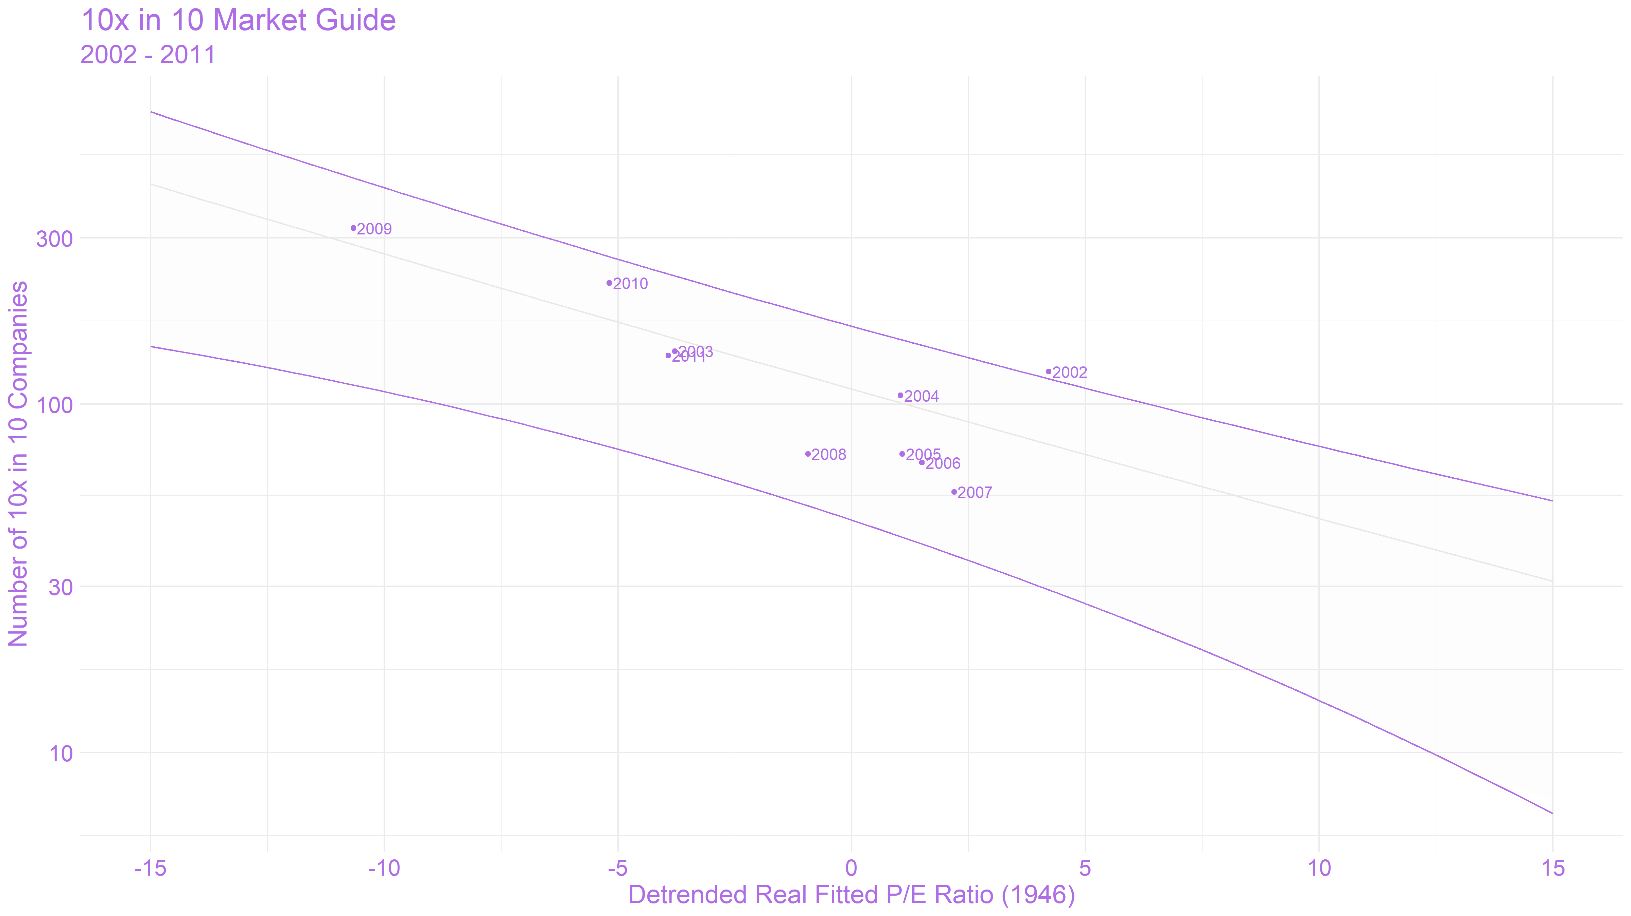
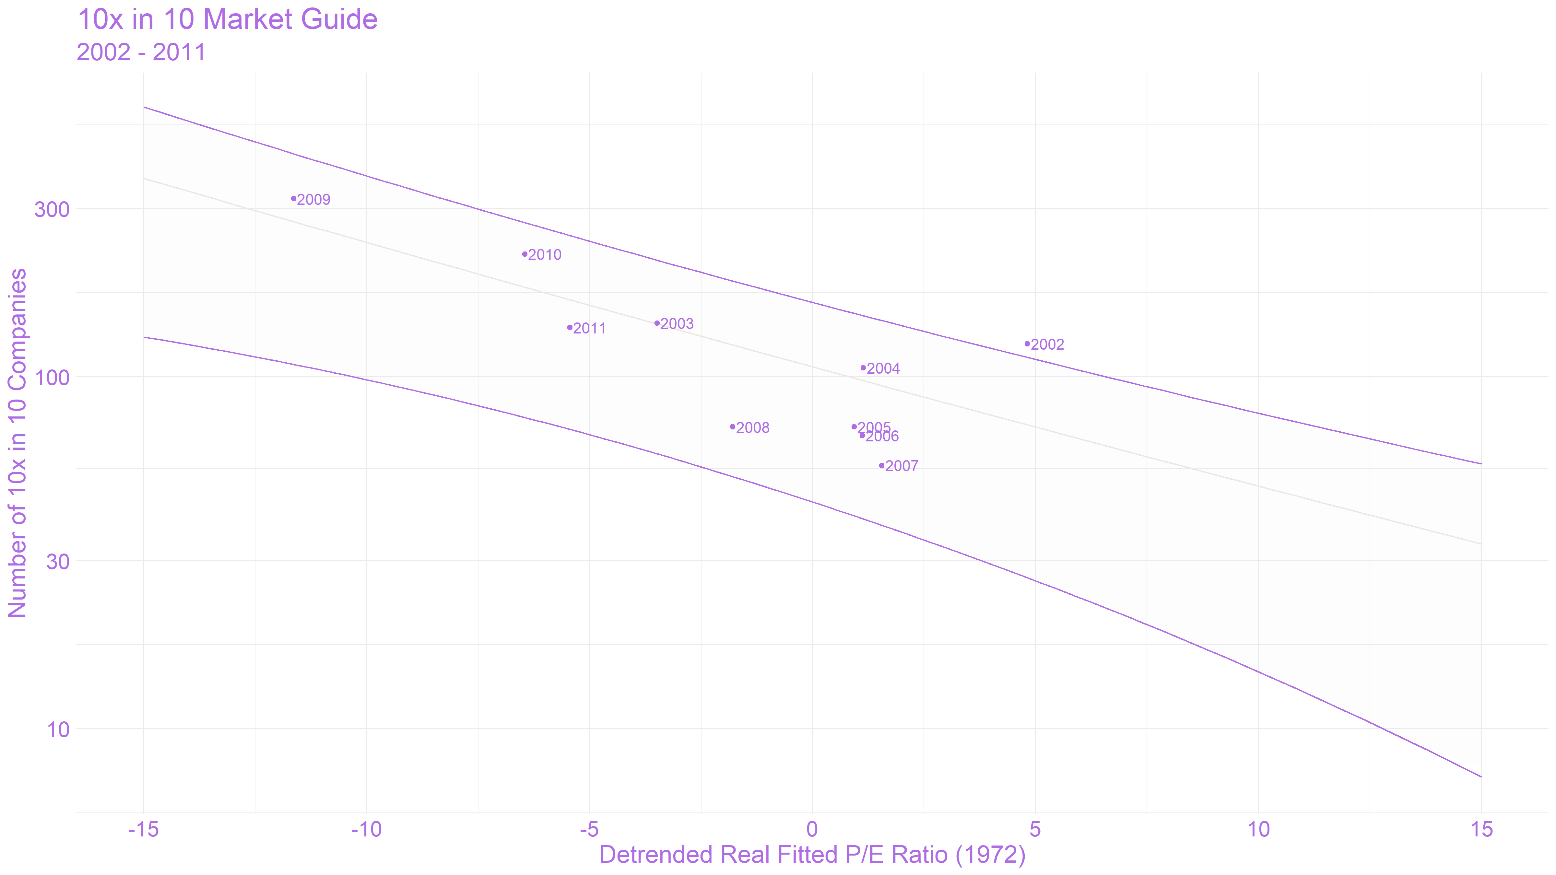
 |  |  |  | Relative
The relative number of companies is expected to change slowly allowing you to |  | With zero meaning the average expection, then the following provides | Ratio | Set
line up current and future Detrended Fitted P/E ratios with these charts to give you |  | a ROUGH approximation of the relative 10x in 10 opportunity set. | -15 | 4
a sense of the relative 10x in 10 opportunities likely to exist. |  |  | -5 | 1.333
 |  |  | 0 | 1
 |  |  | 5 | 0.67
Y-Axis -- Nominal Scale | Y-Axis -- Nominal Scale |  | 15 | 0.25
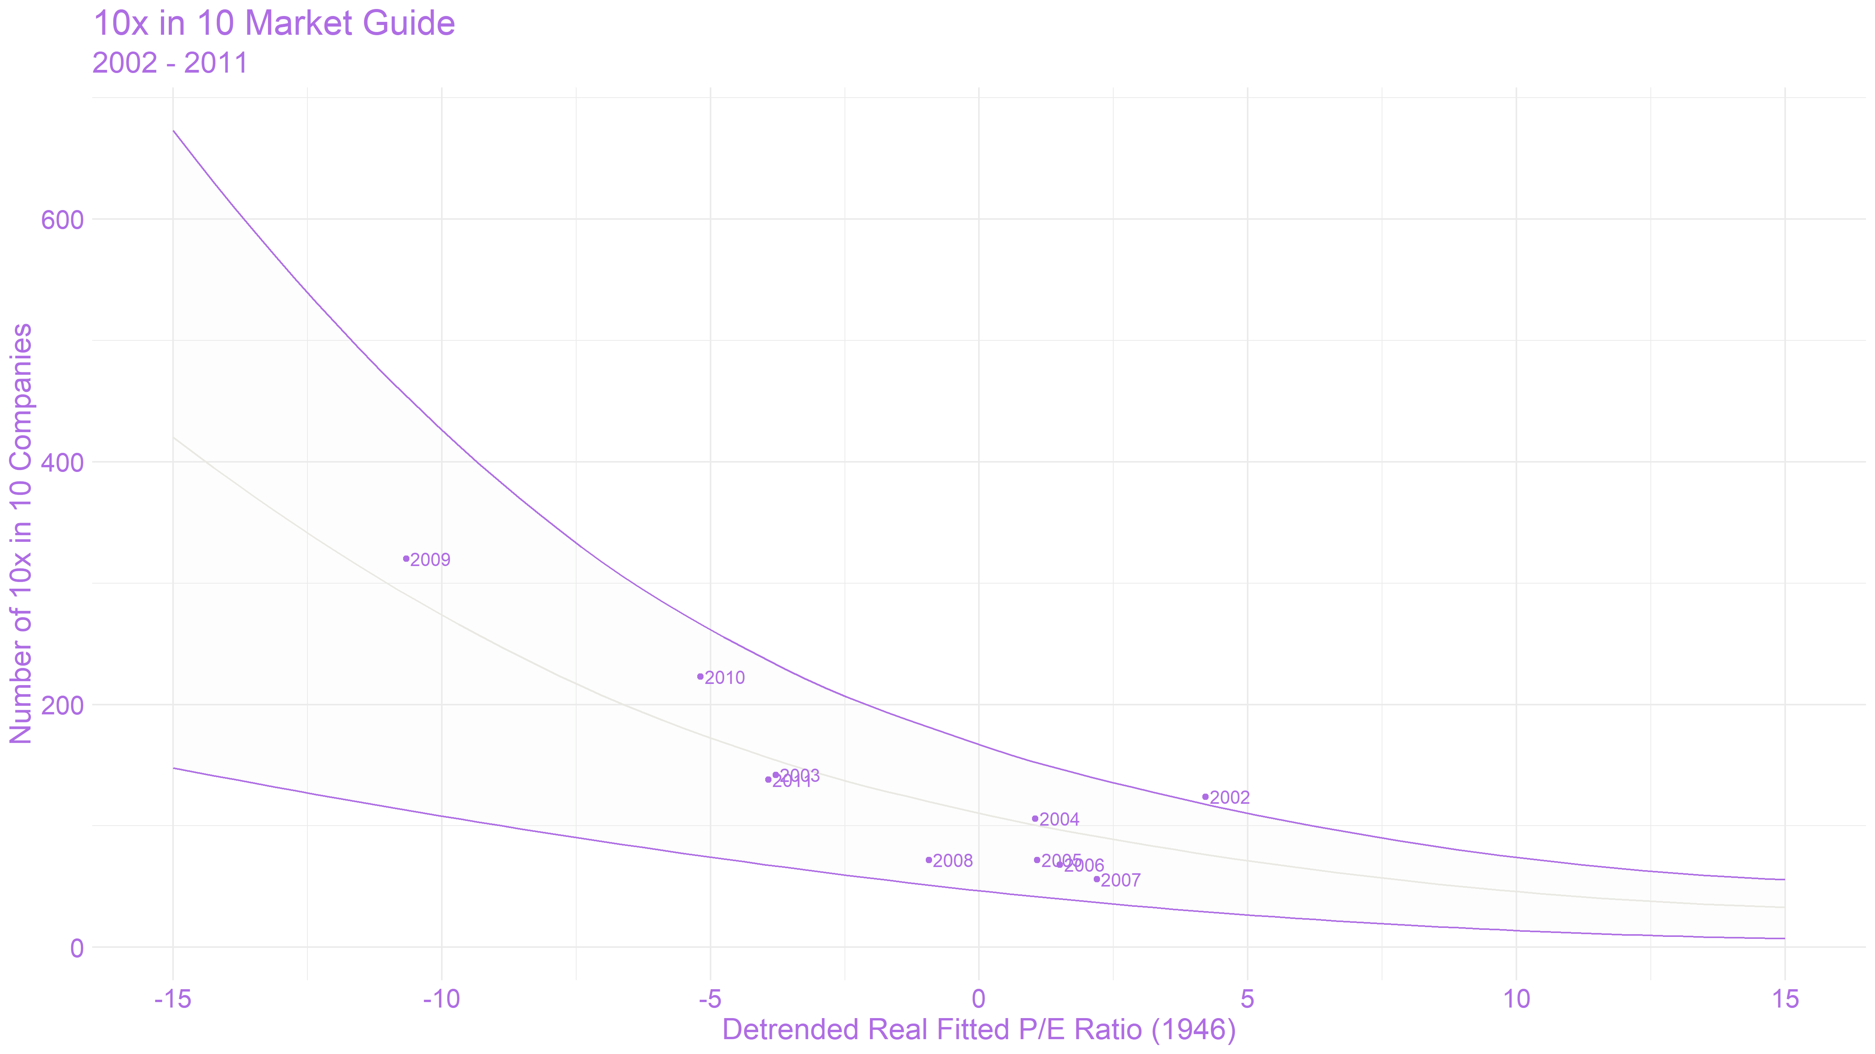
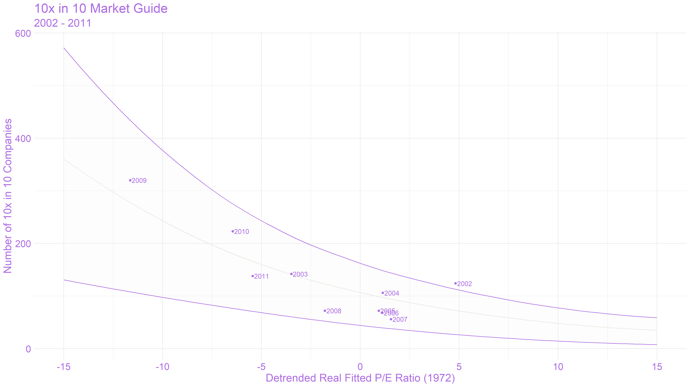

Y-Axis -- Log Scale | Y-Axis -- Log Scale

