Feuil1
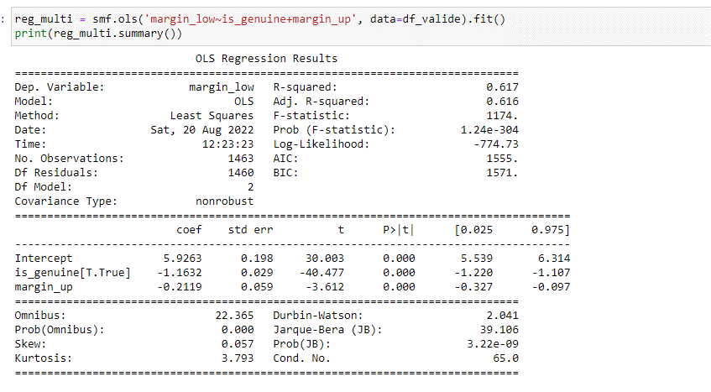
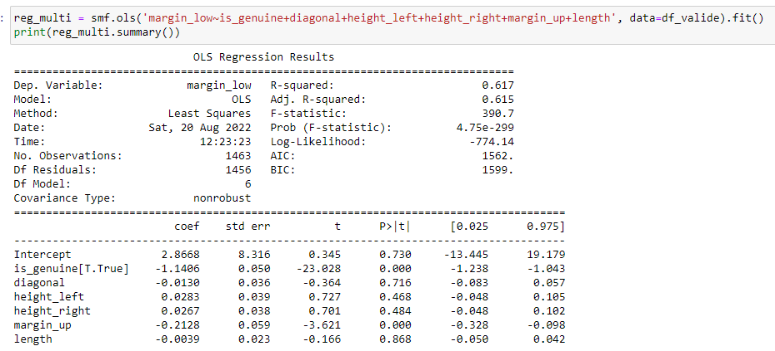
reg_multi = smf.ols('margin_low~is_genuine+margin_up', data=df_valide).fit()

