#Blocks
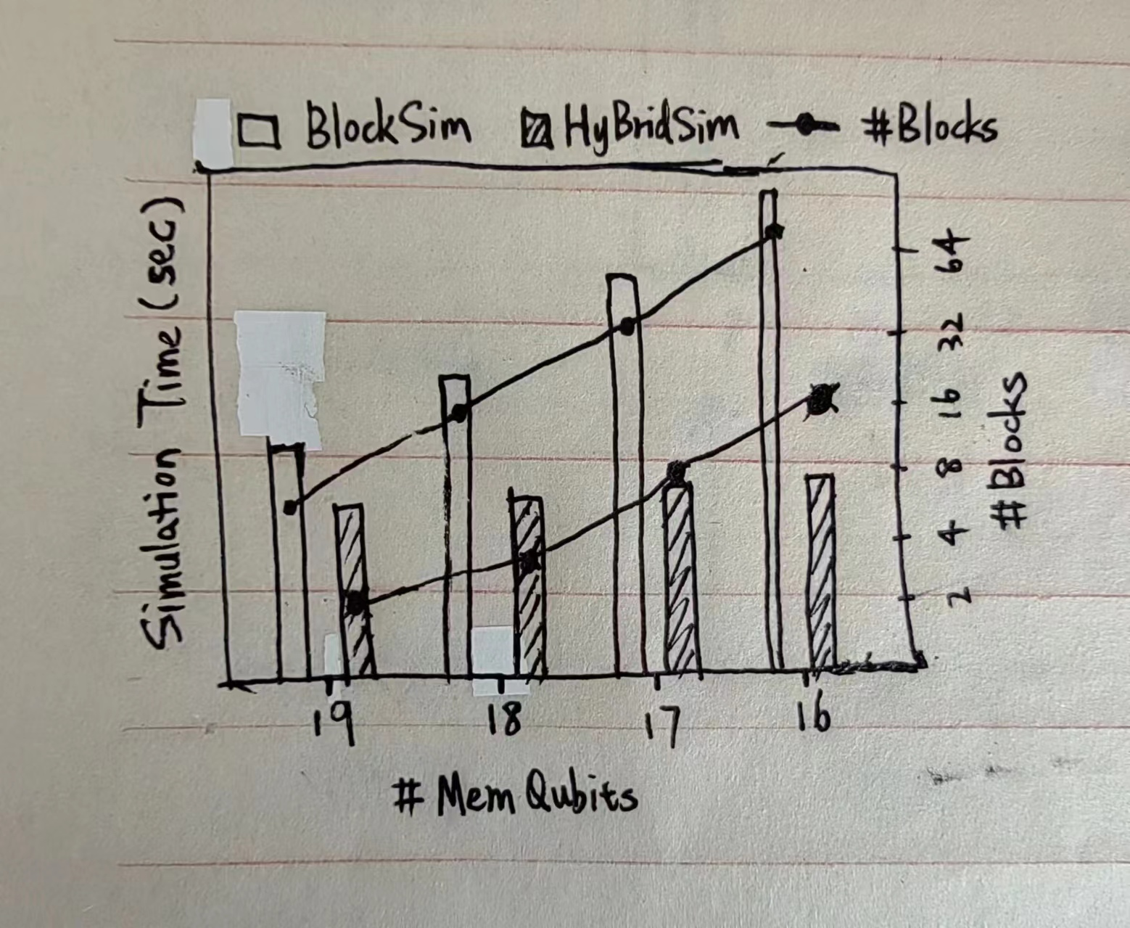
 | BlockSim |  |  |  | HybridSim
#MemQubits | #Blocks | SimT. | I/O T. | CompT. | #Blocks | SimT. | I/O T. | CompT.
19 | 8 | 135.869 | 135.634 | 0.235 | 2 | 77.1801 | 76.8416 | 0.3385
18 | 16 | 163.332 | 163.073 | 0.259 | 4 | 77.6404 | 77.3241 | 0.3163
17 | 32 | 191.879 | 191.543 | 0.336 | 8 | 82.567 | 82.1292 | 0.4378
16 | 64 | 213.479 | 213.322 | 0.157 | 16 | 87.5096 | 86.8677 | 0.6419

