Library Utility Summary
Kolligian Library Utility Summary

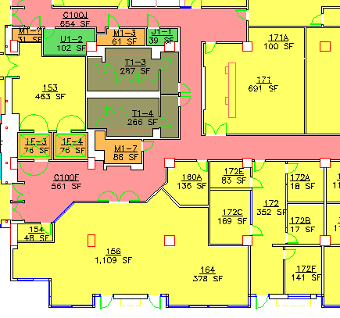
Building | Billing Month | Jan-18 | Feb-18

Electricity | Read Date | 2018-02-01 | 2018-03-02
 | Usage (kWh) | 148,187 | 143,191
 | Unit Cost ($/kWh) (a) | 0.1440 | 0.1475
 | Charges | $245.18 | $242.55

Natural Gas | Read Date | 2018-02-01 | 2018-03-02
(Actually hw) | Usage (therms) | 4,543 | 3,428
 | Unit Cost ($/therm) (a) | 0.8769 | 0.9116
 | Charges | $45.77 | $35.90

Water/Sewer | Read Date | 2018-02-01 | 2018-03-02
 | Usage (gal) | 77,609 | 163,945
 | Unit Cost ($/1000 gal) | 5.6424 | 5.6039
 | Charges | $5.03 | $918.73

Chilled Water | Read Date | 2018-02-01 | 2018-03-02
 | Usage (ton-hr) | 17,273 | 20,201
 | Usage (gal)
 | Unit Cost ($/ton-hr) | 0.1124 | 0.1124
 | Charges | $22.29 | $26.07

Total Student Store |  | $318.27 | $1,223.25

Notes:
(a) Consumption is based on manually collected readings of building metering,
except chilled water usage which is from readings collected through the campus building automation system.
Beginning Sept 11, water reading are colected through Aquacue system.
(b) Unit Cost for electricity is calculated from the main campus feeder (El Capitan) bill from PG&E.
(c) Unit Cost for Natural Gas is calculated from the main campus supply bill from PG&E.
(d) Unit Cost for water/sewer is calculated from the main campus supply bill from the City of Merced.
(e) The sqft for the Student Store is 1109 sqft Rm156, 378 sqft Rm 164, 691 sqft Rm 171, 100 sqft Rm171A. Total is 2278 sqft, the building total is 198293 sqft
(f) Charges are all calculated according to sqft, usage is the entire building.

 |  | Sqft
 |  | 1109
 |  | 378
 |  | 691
 |  | 100
 |  | 2278

