Sheet1
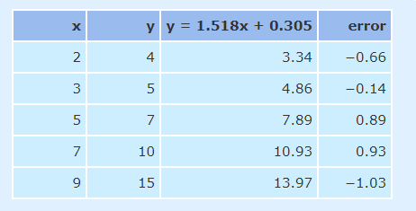
Step 1: Calculate x squared and x * y and then get the sums

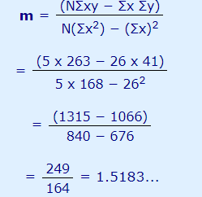
Hours of Sunsine | Cones Sold
x | y | x^2 | x * y | Slope | m = | 1.5182926829

2 | 4 | 4 | 8
3 | 5 | 9 | 15
5 | 7 | 25 | 35
7 | 10 | 49 | 70
9 | 15 | 81 | 135

26 | 41 | 168 | 263

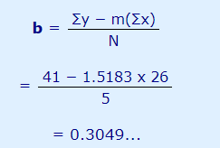
Number of Values: | 5
 |  |  |  | Intercept: | b = | 0.30484

 |  |  |  | For a given value of X, calcuate y as y = mx + b

 |  |  |  |  | If x = 8
 |  |  |  |  | y = | 12.449

 |  |  |  | Values of x outside the range of the line cannot be plotted.

