Updated_Distribution_Decision_M
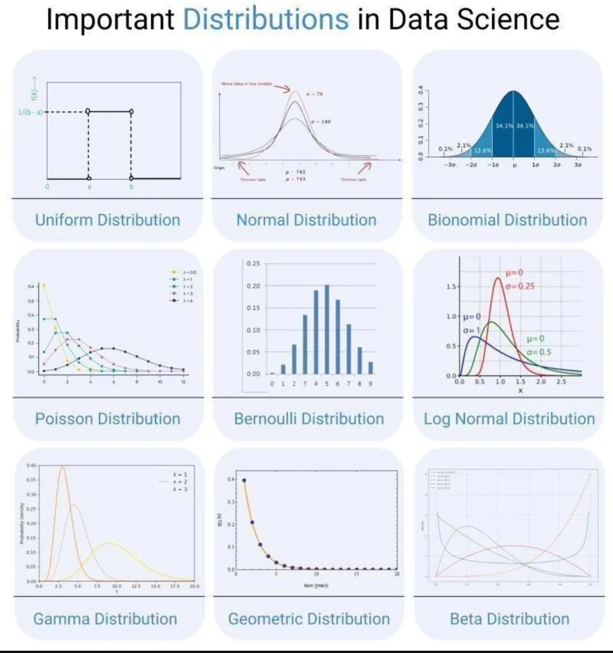
Distribution | Definition | Feature Engineering Actions | EDA Interpretation | Key Statistical Metrics | Next Steps in EDA
Uniform Distribution | All values are equally likely within a given range. No peaks, completely flat distribution. | If uniformly distributed, consider binning or treating it as categorical if meaningful. | Suggests a randomized process or equal-likelihood scenario. | Min, Max, Range, Uniformity Tests. | Check if the uniformity is natural or due to data preprocessing issues.
Normal Distribution | Bell-shaped curve where most data points cluster around the mean. Defined by mean (Î¼) and standard deviation (Ïƒ). | No need for transformation, but standardization (Z-score) improves ML performance. | Indicates a well-behaved, normally distributed dataset suitable for parametric tests. | Mean, Standard Deviation, Skewness, Kurtosis. | Use parametric tests like t-tests and normality tests (Shapiro-Wilk).
Binomial Distribution | Discrete distribution representing the number of successes in n trials with probability p. | Can be used directly or converted into proportions (success rate). | Common in probability-based problems; binomial conditions should be verified. | Success Rate, Probability Mass Function. | Verify the conditions for a binomial model; if trials are large, approximate with normal.
Poisson Distribution | Models the number of events occurring in a fixed interval of time given a known constant rate (Î»). | Consider taking log transformation if Î» is high, or aggregating counts into larger time windows. | Indicates rare event counts and stochastic processes. | Lambda (Î»), Mean, Variance. | Check Î» value and event frequency distribution.
Bernoulli Distribution | Binary outcome distribution (0 or 1). Models success/failure scenarios with probability p. | Can remain binary, but consider one-hot encoding if part of a categorical feature. | Represents a binary choice dataset, often related to classification problems. | Proportion of 1s and 0s, Probability of success. | Check for class imbalance and whether the problem needs resampling.
Log Normal Distribution | A continuous right-skewed distribution where the log of values follows a normal distribution. | Apply log transformation to make the data normally distributed. | Indicates a multiplicative process; log transformation often makes it normal. | Mean, Median, Skewness. | Log-transform if needed and check fit with normal distribution.
Gamma Distribution | Models waiting times until an event occurs with shape parameter k and scale parameter Î¸. | Check skewness; apply log or Box-Cox transformation if needed. | Represents time-to-event modeling; used in survival analysis. | Shape, Scale Parameters. | Assess whether survival analysis or time-to-event modeling is necessary.
Geometric Distribution | Models the number of Bernoulli trials needed to get the first success. Memoryless property. | Use logarithm to stabilize variance if necessary. | Shows trials before success, commonly seen in failure rates and churn prediction. | Mean, Variance, Memoryless Property. | Check for overdispersion and appropriate regression models.
Beta Distribution | Models probabilities between 0 and 1, used in Bayesian inference and probability modeling. | Can be transformed using logit transformation if needed. | Indicates probability distributions, often used in A/B testing and Bayesian statistics. | Alpha, Beta parameters. | Use in probabilistic modeling and Bayesian frameworks.
Bimodal Distribution | A distribution with two distinct peaks, indicating the presence of two different subpopulations or processes. | 1. Consider separating the two modes into distinct features if they represent different groups. 2. Apply clustering techniques (e.g., K-Means, GMM) to segment the data. 3. Log transformation or polynomial features might help depending on the distribution shape. | Indicates that the dataset may contain two underlying distributions or subgroups. Common in mixture distributions, age groups, or seasonal data trends. | Mean, Mode, Skewness, Kernel Density Estimation (KDE) to visualize the peaks. | 1. Identify what causes the bimodal nature (e.g., separate categories or temporal effects). 2. Consider splitting data based on the peaks and analyzing separately. 3. Test whether the dataset is truly bimodal or if sampling artifacts are causing it. 4. If modeling, consider mixture models like Gaussian Mixture Models (GMM).

