Sheet1
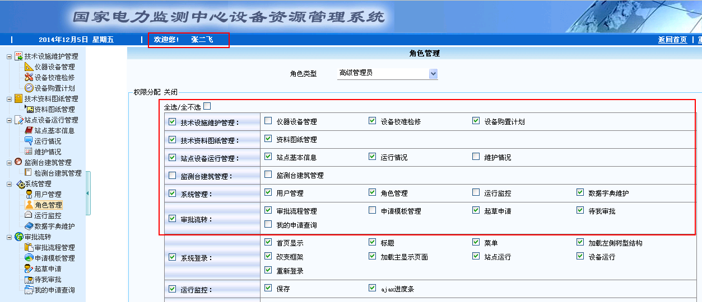

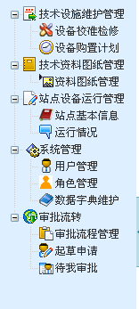

不能通过menuData.js加载数据：
* 动态加载

var privilegeDate = [{
mid: 'aa',
pid: '0',
isParent: true,
icon:'../images/MenuIcon/jishusheshiweihuguanli.gif',
//open:true,
name: '技术设施维护管理',
nodes:[
{
mid:'ab',
pid:'aa',
isParent:false,
target:'mainFrame',
url:'../equapment/equapmentIndex.jsp',
icon:'../images/MenuIcon/yiqishebeiguanli.gif',
name:'仪器设备管理'
},{
mid:'ac',
pid:'aa',
isParent:false,
target:'mainFrame',
url:'../equapment/adjustIndex.jsp',
icon:'../images/MenuIcon/shebeijiaozhunjianxiu.gif',
name:'设备校准检修'
},{
mid:'ad',
pid:'aa',
isParent:false,
target:'mainFrame',
url:'../equapment/planIndex.jsp',
icon:'../images/MenuIcon/shebeigouzhijihua.gif',
name:'设备购置计划'
}
]
},

整合项目
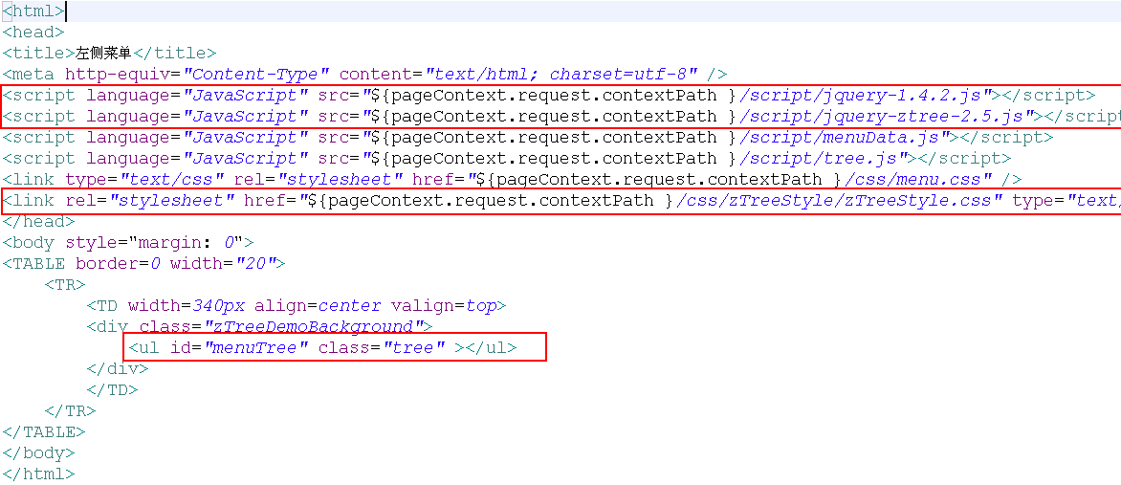

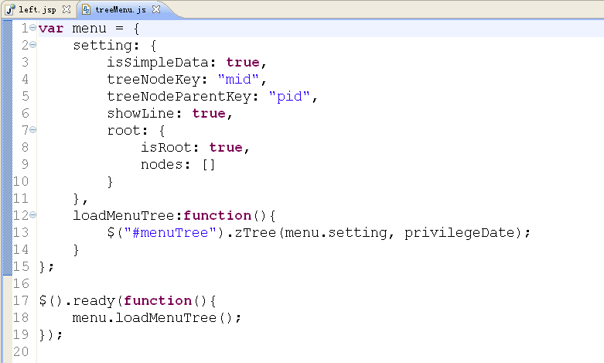

 |  | 修改成

 | 使用showMenu的方法，返回当前用户所对应的功能权限List<ElecPopedom>，将List集合转化成json

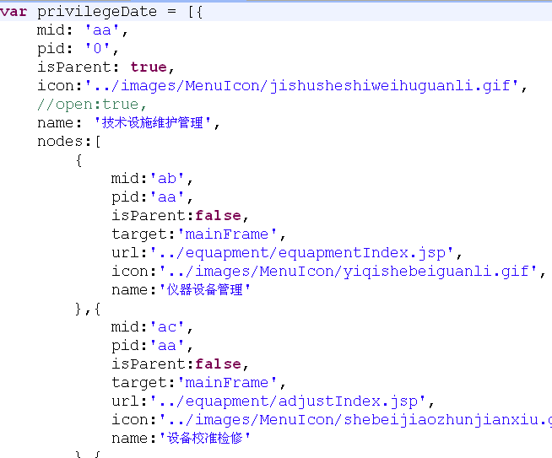

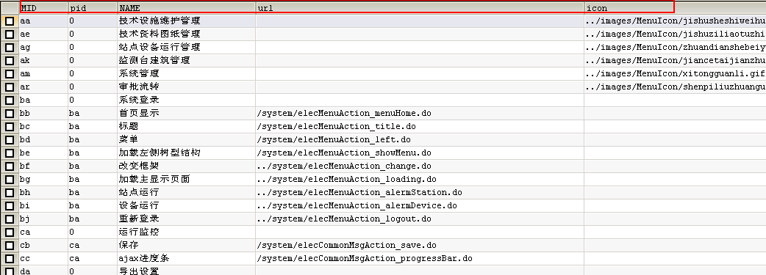

 |  |  | List<ElecPopedom>

 |  |  | json

//将ElecUser对象放置到Session中
//将Hashtable中存放的角色信息，放置到Session中
//将权限的字符串（格式：aa@ab@ac@ad@ae）存放到Session中

操作：
1:从Session获取当前用户具有的权限的字符串
2:查询当前用户所对应的功能权限List<ElecPopedom>，将List集合转化成json
3:将List转化成json，只需要将list集合放置到栈顶
* SELECT * FROM elec_popedom o WHERE 1=1 AND o.ismenu = TRUE AND o.MID IN ('aa','ab','ac','ad','ae')

