JS控制table数据过长
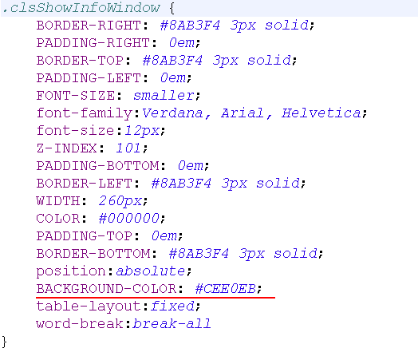
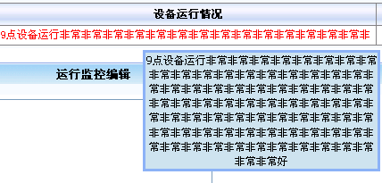

如果数据显示不下，显示其中的一部分数据，其他数据通过鼠标的选择，显示全部
支持：
<div>：控制数据的隐藏和显示

 | 使用：
第一步

第二步

第三步

 |  | showText.css

JS控制文本域输入字符串的大小
JS控制文本域输入字符串的大小
* 防止输入的字符串过大，超过数据库表字段的最大限制，报错

第一步：

第二步

只对文本域有效

大数据进行“截串存取”思想
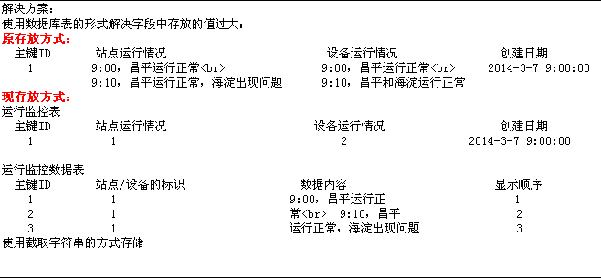


1：大文本字段Bolb和Clob（流）
2：截串存取（设计理念）

JS进度条
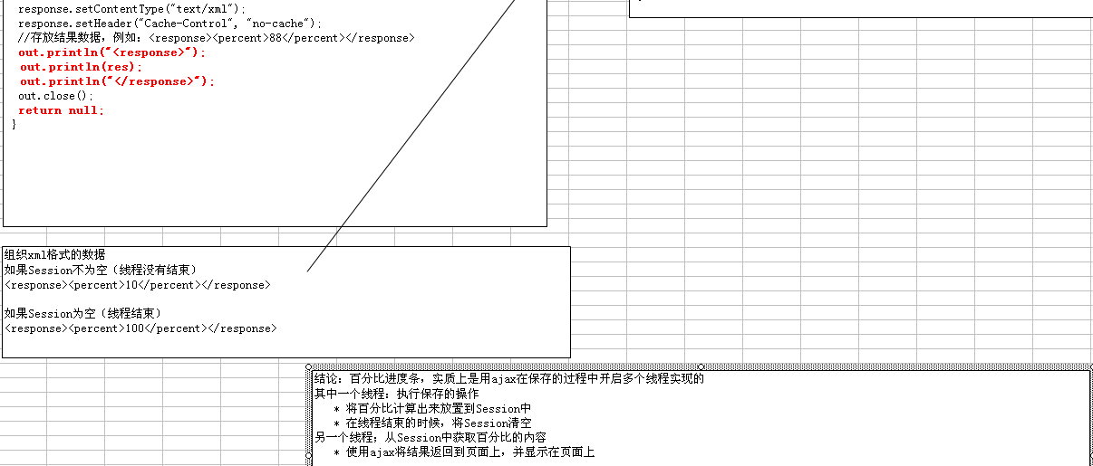


 | 没有百分比 | 纯JS

/**添加不带百分比的进度条*/
var len = 500 ;
var add = 0 ;
function openContenFrame(){
var td1 = document.getElementById('tdOne') ;
var td2 = document.getElementById('tdTwo') ;
add = add+10 ;
td1.width = add ;
if(len - add <= 0){
td2.width = 1 ;
}else{
td2.width = len - add ;
}
if(add<=len) {
;
}else{
td1.width = 1 ;
td2.width = 500 ;
add = 0 ;
}
setTimeout('openContenFrame()',100) ;
}
function loading(){
document.getElementById("load").style.display="";
document.getElementById("opperate1").style.display="none";
document.getElementById("opperate2").style.display="none";
openContenFrame();
}
别忘了在submit()之后 添加loading()方法
<table id="load" width="700" border="0" align="center" bgcolor="#FAFAFA" cellpadding="0" cellspacing="0" bordercolor="#000000" style="border-collapse:collapse;display:none ">
<tr>
<td><br><br>
<table width="100%" border="1" cellspacing="0" cellpadding="0" bordercolor="#287BCE" style="border-collapse:collapse ">
<tr bgcolor="#F7F7F6">
<td width="20%" height="100" valign="middle">
<table align='center' width='500'>
<tr>
<td colspan='2' align='center' id="progressPersent"><font size="2">
正在进行保存，用时较长，请稍后...
</font>
</td>
</tr>
<tr>
<td id='tdOne' height='25' width=1 bgcolor="blue">&nbsp;</td>
<td id='tdTwo' height='25' width=500 bgColor='#999999'>&nbsp;</td>
</tr>
</table>
</td>
</tr>
</table>
</td>
</tr>
</table>

10%

 |  |  | 开启2个线程

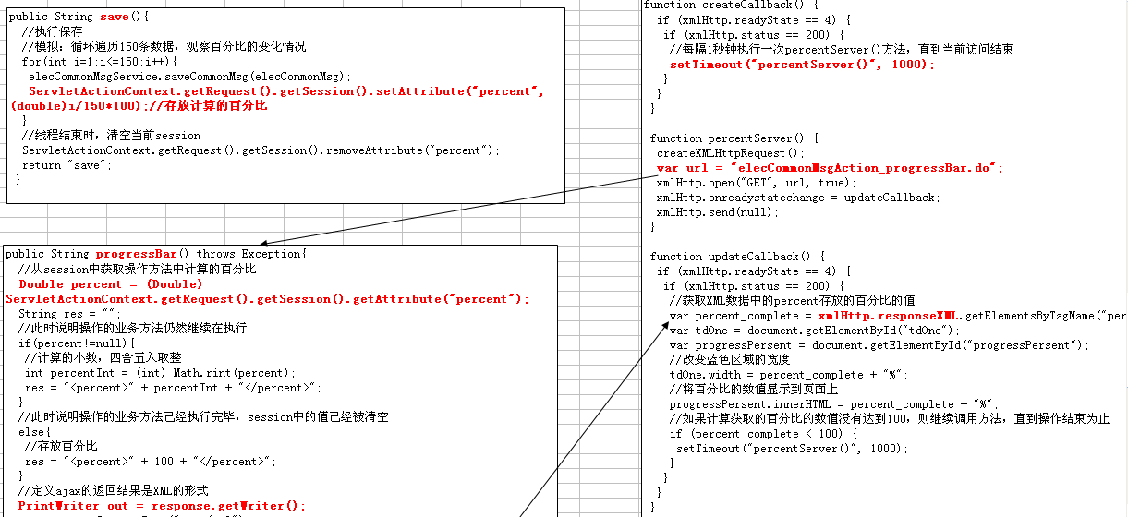

如果i=15

Session存放10

获取Session存放10

JS浮动框
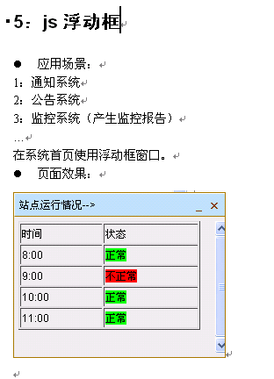
<!-- 浮动窗口样式css begin -->
<style type="text/css">
#msg_win{border:1px solid #A67901;background:#EAEAEA;width:240px;position:absolute;right:0;font-size:12px;font-family:Arial;margin:0px;display:none;overflow:hidden;z-index:99;}
#msg_win .icos{position:absolute;top:2px;*top:0px;right:2px;z-index:9;}
.icos a{float:left;color:#833B02;margin:1px;text-align:center;font-weight:bold;width:14px;height:22px;line-height:22px;padding:1px;text-decoration:none;font-family:webdings;}
.icos a:hover{color:#fff;}
#msg_title{background:#BBDEF6;border-bottom:1px solid #A67901;border-top:1px solid #FFF;border-left:1px solid #FFF;color:#000;height:25px;line-height:25px;text-indent:5px;}
#msg_content{margin:5px;margin-right:0;width:230px;height:126px;overflow:hidden;}
</style>
<!-- 浮动窗口样式css end -->

<!-- 浮动窗口js，必须要放置到最后 begin-->
<script language="javascript">
var Message={
set: function() {//最小化与恢复状态切换
var set=this.minbtn.status == 1?[0,1,'block',this.char[0],'最小化']:[1,0,'none',this.char[1],'展开'];
this.minbtn.status=set[0];
this.win.style.borderBottomWidth=set[1];
this.content.style.display =set[2];
this.minbtn.innerHTML =set[3]
this.minbtn.title = set[4];
this.win.style.top = this.getY().top;
},
close: function() {//关闭
this.win.style.display = 'none';
window.onscroll = null;
},
setOpacity: function(x) {//设置透明度
var v = x >= 100 ? '': 'Alpha(opacity=' + x + ')';
this.win.style.visibility = x<=0?'hidden':'visible';//IE有绝对或相对定位内容不随父透明度变化的bug
this.win.style.filter = v;
this.win.style.opacity = x / 100;
},
show: function() {//渐显
clearInterval(this.timer2);
var me = this,fx = this.fx(0, 100, 0.1),t = 0;
this.timer2 = setInterval(function() {
t = fx();
me.setOpacity(t[0]);
if (t[1] == 0) {clearInterval(me.timer2) }
},10);
},
fx: function(a, b, c) {//缓冲计算
var cMath = Math[(a - b) > 0 ? "floor": "ceil"],c = c || 0.1;
return function() {return [a += cMath((b - a) * c), a - b]}
},
getY: function() {//计算移动坐标
var d = document,b = document.body, e = document.documentElement;
var s = Math.max(b.scrollTop, e.scrollTop);
var h = /BackCompat/i.test(document.compatMode)?b.clientHeight:e.clientHeight;
var h2 = this.win.offsetHeight;
return {foot: s + h + h2 + 2+'px',top: s + h - h2 - 2+'px'}
},
moveTo: function(y) {//移动动画
clearInterval(this.timer);
var me = this,a = parseInt(this.win.style.top)||0;
var fx = this.fx(a, parseInt(y));
var t = 0 ;
this.timer = setInterval(function() {
t = fx();
me.win.style.top = t[0]+'px';
if (t[1] == 0) {
clearInterval(me.timer);
me.bind();
}
},10);
},
bind:function (){//绑定窗口滚动条与大小变化事件
var me=this,st,rt;
window.onscroll = function() {
clearTimeout(st);
clearTimeout(me.timer2);
me.setOpacity(0);
st = setTimeout(function() {
me.win.style.top = me.getY().top;
me.show();
},600);
};
window.onresize = function (){
clearTimeout(rt);
rt = setTimeout(function() {me.win.style.top = me.getY().top},100);
}
},
init: function() {//创建HTML
function $(id) {return document.getElementById(id)};
this.win=$('msg_win');
var set={minbtn: 'msg_min',closebtn: 'msg_close',title: 'msg_title',content: 'msg_content'};
for (var Id in set) {this[Id] = $(set[Id])};
var me = this;
this.minbtn.onclick = function() {me.set();this.blur()};
this.closebtn.onclick = function() {me.close()};
this.char=navigator.userAgent.toLowerCase().indexOf('firefox')+1?['_','::','×']:['0','2','r'];//FF不支持webdings字体
this.minbtn.innerHTML=this.char[0];
this.closebtn.innerHTML=this.char[2];
setTimeout(function() {//初始化最先位置
me.win.style.display = 'block';
me.win.style.top = me.getY().foot;
me.moveTo(me.getY().top);
},0);
return this;
}
};
Message.init();
</script>
<!-- 浮动窗口js end-->

<!-- 浮动窗口html代码 begin -->
<hr>
<div id="msg_win" style="display:block;top:490px;visibility:visible;opacity:1;">
<div class="icos">
<a id="msg_min" title="最小化" href="javascript:void 0">_</a><a id="msg_close" title="关闭" href="javascript:void 0">×
</a>
</div>
<div id="msg_title">
设备运行情况-->
</div>
<div id="msg_content" style="overflow:auto;height:150px;width:100%;white-space:nowrap">
<s:property value="devRun" escape="false"/>
</div>
</div>
<!-- 浮动窗口html代码 end -->

JSHighslider特效

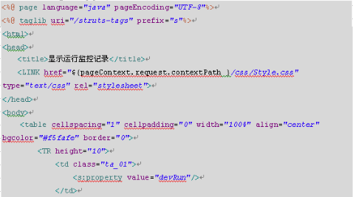
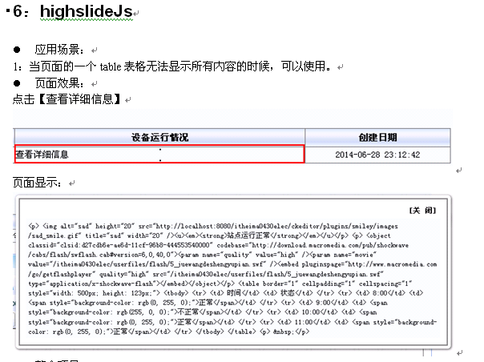

openViev.css
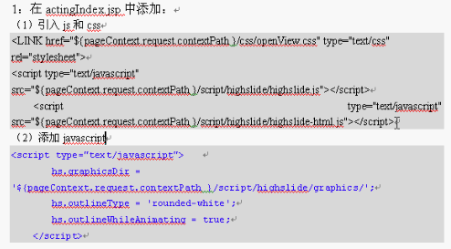
highslide-html.js
highslide.js

