Start Here
 | Course Template
Goals of this template

1) To help you understand Coursera’s pedagogical philosophy and structure
2) To help you plan and design your course with your team
3) To help you significantly reduce course building time (we estimate 50%) when you link videos, assignments and peer reviews for automatic upload

Who's it for

Instructors
Instructional Designers
Course Builders

How to use

1) Add your course content using the 'FOR IMPORT' sheet. Reference the 'Example' sheet to see a what a filled in template might look like.
2) Add or edit rows and columns to allow for the content you are working with. This includes modules, learning objectives, lessons, and items.
3) Pay attention to the key to see what is required and what can be imported.
*** = Content required for import. Make sure to fill in. Don't delete. (Includes Module Name, Lesson Name, and Item Type)
** = Content will be included in the import but it's not required. (Includes Item Name, Module Description and Learning Objectives)
* = Some types of content will be included in the import. Not required. See notes in cell. (includes Item Link to content)
4) For video, assignment, peer review, and ungraded plugin items, you can add a public link. This will enable Coursera to automatically upload the content for these items and potentially reduce course authoring time on Coursera by 50%.
5) When finished, go to 'Edit Content' in your course offering and import your file. This will create your outline and trigger video, assignment and peer review uploads.

Visit our PRC article to learn more

Relevant links

Worksheet
Course Design Best Practices

To access the resources below, make sure you've been added to the institution and logged in to your coursera account.
Programs
Coursera Classroom for Educators Program

Partner Resource Center
Coursera Pedagogy Principles
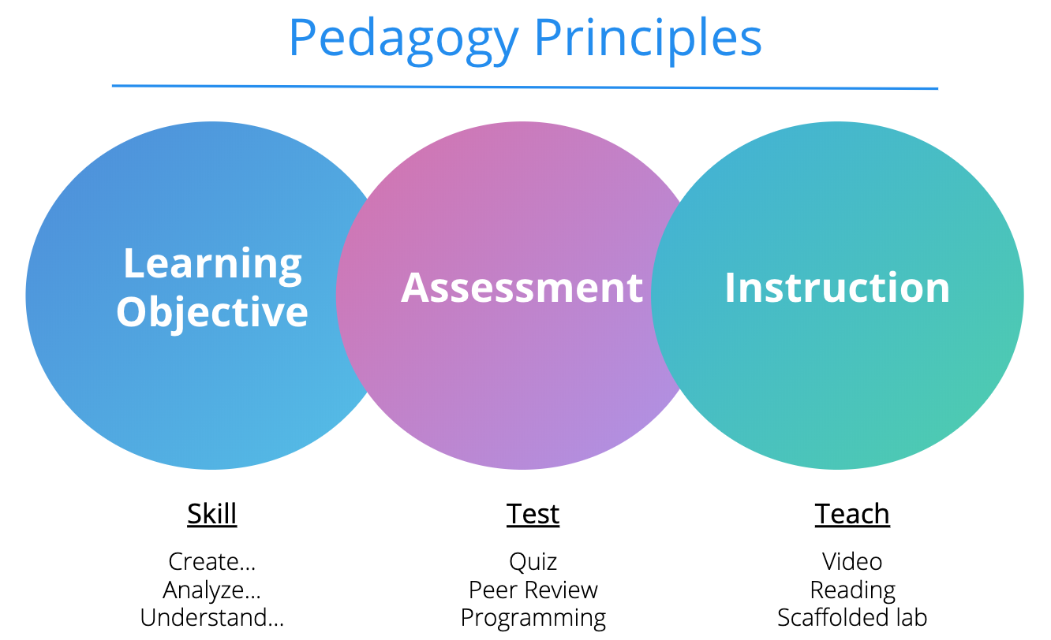
Course Content Specifications
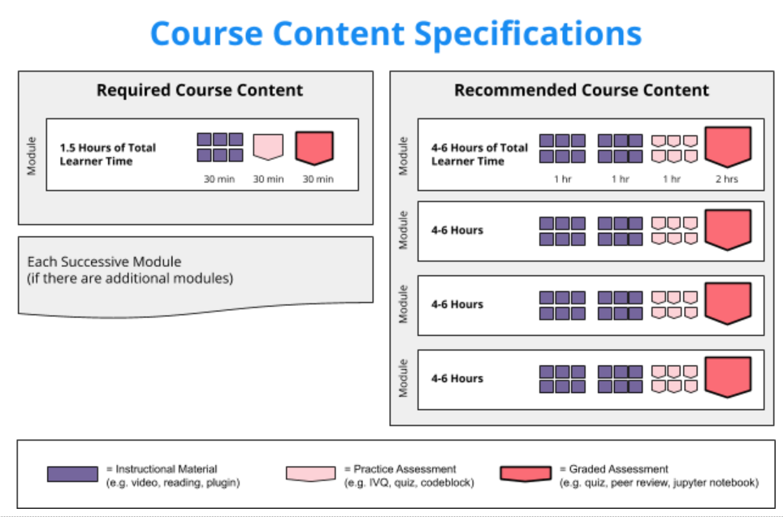
Course Content
Modules and Lessons
Writing effective learning objectives
Course Item Types

