Dashboard

 | Alcohol Consumption by Student.

Gavriel Perira Female | Gavriel Perira Male | Mousinho Da Silveira Female | Mousinho Da Silveira Male

Gender comaprison
 | Count of Sex | Count of Sex2
F | 183 | 46.33%
M | 166 | 42.03%
F | 25 | 6.33%
M | 21 | 5.32%
Effected Study
 | Gabriel Pereira - F | Gabriel Pereira - M | Mousinho Da Silveira - F | Mousinho Da Silveira - M
0 | 148 | 132 | 20 | 12
1 | 20 | 21 | 3 | 6
2 | 9 | 5 | 2 | 1
3 | 6 | 8 |  | 2
Core Reason
 | Gabriel Pereira - F | Gabriel Pereira - M | Mousinho Da Silveira - F | Mousinho Da Silveira - M
Course | 60 | 64 | 12 | 9
Home | 49 | 49 | 4 | 7
Other | 14 | 13 | 4 | 5
Reputation | 60 | 40 | 5

Weekday consumption
 | Gabriel Pereira - F | Gabriel Pereira - M | Mousinho Da Silveira - F | Mousinho Da Silveira - M
Very Low | 146 | 103 | 21 | 6
Low | 31 | 36 | 2 | 6
Medium | 4 | 15 | 1 | 6
High | 1 | 5 | 1 | 2
Very High | 1 | 7 |  | 1
Weekend consumption
 | Gabriel Pereira - F | Gabriel Pereira - M | Mousinho Da Silveira - F | Mousinho Da Silveira - M
Very Low | 85 | 56 | 9 | 1
Low | 41 | 32 | 10 | 2
Medium | 41 | 23 | 4 | 12
High | 12 | 33 | 2 | 4
Very High | 4 | 22 |  | 2
Family relation with childern
 | Gabriel Pereira - F | Gabriel Pereira - M | Mousinho Da Silveira - F | Mousinho Da Silveira - M
Very Bad | 3 | 3 | 2
Bad | 8 | 7 | 1 | 2
Good | 33 | 26 | 5 | 4
Very Good | 99 | 77 | 8 | 11
Excellent | 40 | 53 | 9 | 4

parents education
Father Education
 | Higher Education | Secondary Education | Upper Primary Education | Primary Education | None
Greater Than 3 | 6 | 5 | 6 | 4
Less Or Equal To 3 | 9 | 4 | 5 | 2
Greater Than 3 | 65 | 71 | 70 | 52 | 2
Less Or Equal To 3 | 16 | 20 | 34 | 24

Mother Education
 | Higher Education | Secondary Education | Upper Primary Education | Primary Education | None
Greater Than 3 | 6 | 10 | 5
Less Or Equal To 3 | 9 | 8 | 2 | 1
Greater Than 3 | 88 | 62 | 71 | 37 | 2
Less Or Equal To 3 | 28 | 19 | 25 | 21 | 1

HOME
STUDENT ALOCOHOL CONSUMPTION

DATASET
DASHBOARD
INTRODUCTION

SUBMITTED TO:
Ms. Sandeep Kaur
SUBMITTED BY:
NIKHIL YADAV
(12207448)

MYSELF
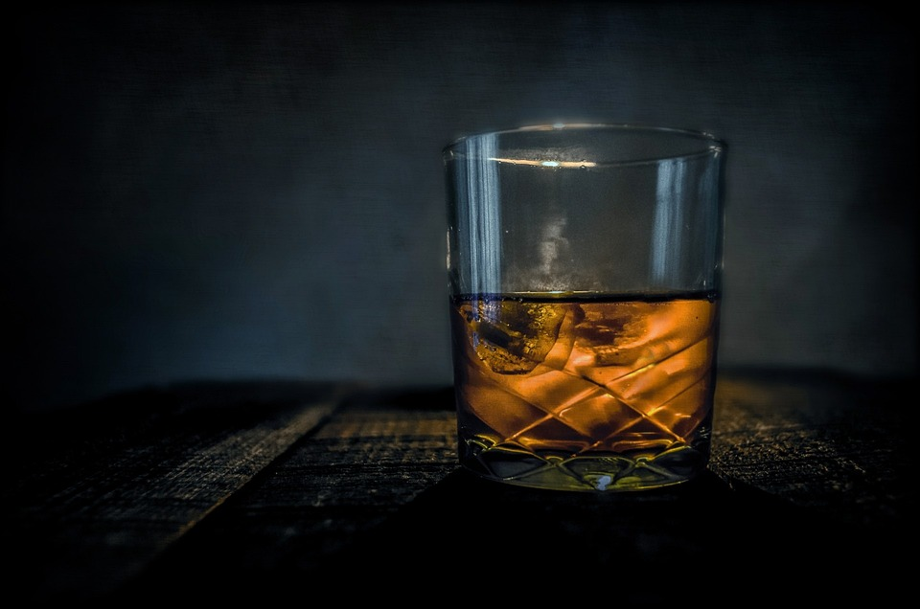


INTRODUCTION

Myself Nikhil Yadav , I am pursuing my Bachelor's from Lovely Proffessional University.I am passionate about Data and its management and also a truth seeker who rests at nothing until a mystery is solved.I am here to represent you a harsh reality of students about their consumption of alcohol.Through my dashboard, I will be able to show you different circumstances.

Myself Nikhil Yadav , I am pursuing my Bachelor's from Lovely Proffessional University.I am passionate about Data and its management and also a truth seeker who rests at nothing until a mystery is solved.I am here to reprsent you a harsh reality of students about their consumption of alcohol.Through my dashboard, I will be able to show you different circumstances.

