Sheet1
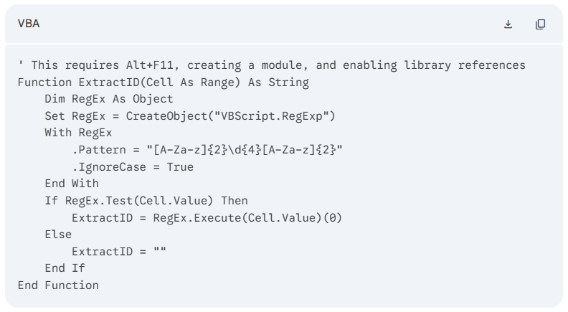
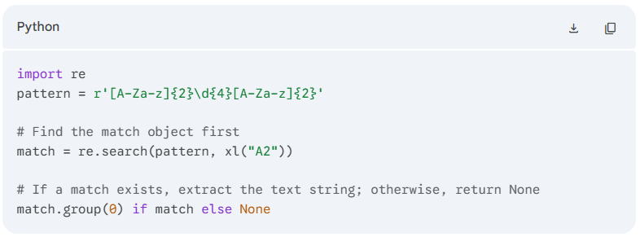
Python effortlessly handles a common data cleaning problem that causes a massive headache in native Excel: Regex Text Extraction & Pattern Matching.
In data analysis, we frequently receive messy, unformatted text strings—such as system logs, serial numbers, or unstructured feedback—where we need to extract a specific pattern.
Here is a short classroom exercise that is practically impossible with standard Excel formulas and requires a complex, multi-line script in VBA, but can be solved with one line of clean Python code directly inside an Excel cell.
The Exercise: Extracting Passport/ID Patterns from Messy Logistics Logs
The Scenario: Your logistics team receives a raw, unstructured text log from a joint task force operations check-in. Embedded somewhere inside each messy text string is a specific security tracking ID pattern. The pattern is always 2 letters, followed by 4 numbers, followed by 2 letters (e.g., AB1234XY).
The position of the ID changes in every single row, and it is surrounded by random words, slashes, and spaces.
Why this is a nightmare without Python
1. The Built-in Excel Formula Approach: (Not Doable natively)
Standard Excel text functions (MID, LEFT, RIGHT, FIND) require you to know the exact position of the text or look for a fixed delimiter like a comma or space. Because the position changes and there are no consistent delimiters, there is no native Excel formula that can dynamically scan a string for a variable alphanumeric pattern. The students would have to resort to a massive, unreadable combination of nested IF, ISNUMBER, and MID arrays spanning half the formula bar.
2. The Visual Basic (VBA) Approach: (Overkill & Complex)
To do this before Python in Excel, you had to write a custom VBA function utilizing the VBScript.RegExp library. You would have to write this:
The Python in Excel Solution (The Pivot Moment)
Using Microsoft's modern Python integration (=PY), your students can solve this using standard Regular Expressions (Regex) right inside the grid.
In cell B2, type =PY and enter the following code:
Note:
"Class, look at Column A. This is how data looks in the real world—unstructured and messy. If you rely solely on traditional Excel, you would have to spend your evening writing 15 lines of legacy VBA code or manually typing out these IDs by hand.
By bringing Python into Excel, you gain access to libraries like re (Regular Expressions) and pandas. Tasks that used to require advanced programming backgrounds can now be solved directly inside your worksheet with a single, elegant line of code. Excel is fantastic for storing and displaying grids, but Python is the engine that allows you to manipulate data without limits."
Messy Log String (Column A) | Expected Output (Column B) | Track ID
En route - cargo tag QA8811ZX - delayed by weather | QA8811ZX
id NM5544LK verified at checkpoint alpha | NM5544LK
Check-in approved / operational code: ER9012TT / unit 4 | ER9012TT

Code: import re pattern = r'[A-Za-z]{2}\d{4}[A-Za-z]{2}' # Find the match object first match = re.search(pattern, xl("A2")) # If a match exists, extract the text string; otherwise, return None match.group(0) if match else None

