Ports Cheat Sheet
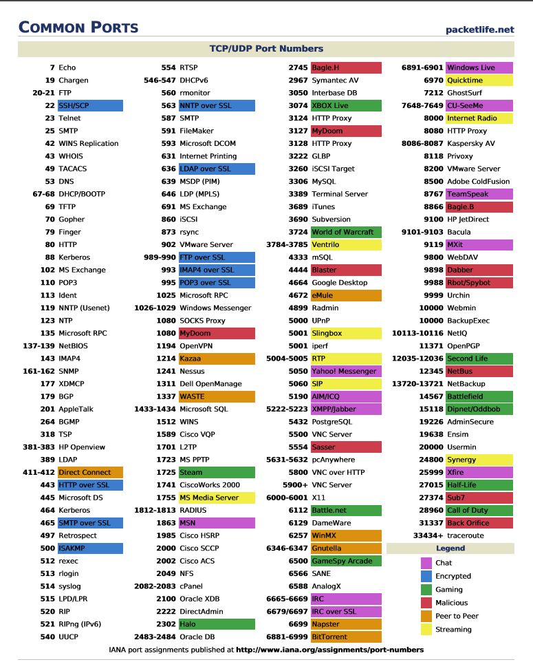

Server Security - Web
 | Wordpress
Access Admin Panel | localhost/wordpress/wp-admin
Updates | Update wordpess and plugins
Passwords and user permissions | Give admin only if you have to
Backups | VaultPress plugins
Security plugins | Install All in one WP Security(big one than can cover a lot of the below items) and/or Sucuri Security
Enable Web Application Firewall (WAF) | Use WP security/ sucuri firewall
Change default "admin" username | Since WordPress doesn’t allow you to change usernames by default, there are three methods you can use to change the username. Create a new admin username and delete the old one. Use the Username Changer plugin Update username from phpMyAdmin
Disable File Editing | You can easily do this by adding the following code in your wp-config.php file: // Disallow file edit define( 'DISALLOW_FILE_EDIT', true ); Alternatively, you can do this with 1-click using the Hardening feature in the free Sucuri plugin
Disable PHP File Execution in Certain WordPress Directories | Another way to harden your WordPress security is by disabling PHP file execution in directories where it’s not needed such as /wp-content/uploads/. You can do this by opening a text editor like Notepad and paste this code: <Files *.php> deny from all </Files> Next, you need to save this file as .htaccess and upload it to /wp-content/uploads/ folders on your website using an FTP client.
Limit Login Attempts | First, you need to install and activate the Login LockDown plugin. For more details, see our step by step guide on how to install a WordPress plugin. Upon activation, visit Settings » Login LockDown page to setup the plugin. OR Use WP security
Change WordPress Database Prefix (Probably not that important) | Change Table Prefix in wp-config.php Open your wp-config.php file which is located in your WordPress root directory. Change the table prefix line from wp_ to something else like this wp_a123456_ So the line would look like this: $table_prefix = 'wp_a123456_'; Note: You can only change it to numbers, letters, and underscores.
 | Change all Database Tables Name You need to access your database (most likely through phpMyAdmin), and then change the table names to the one we specified in wp-config.php file. If you are using the cPanel WordPress hosting, then you can find the phpMyAdmin link in your cPanel. There are a total of 11 default WordPress tables, so changing them manually would be pain.
 | SQL Query That’s why to make things faster, we have a SQL query that you can use: RENAME table `wp_commentmeta` TO `wp_a123456_commentmeta`; RENAME table `wp_comments` TO `wp_a123456_comments`; RENAME table `wp_links` TO `wp_a123456_links`; RENAME table `wp_options` TO `wp_a123456_options`; RENAME table `wp_postmeta` TO `wp_a123456_postmeta`; RENAME table `wp_posts` TO `wp_a123456_posts`; RENAME table `wp_terms` TO `wp_a123456_terms`; RENAME table `wp_termmeta` TO `wp_a123456_termmeta`; RENAME table `wp_term_relationships` TO `wp_a123456_term_relationships`; RENAME table `wp_term_taxonomy` TO `wp_a123456_term_taxonomy`; RENAME table `wp_usermeta` TO `wp_a123456_usermeta`; RENAME table `wp_users` TO `wp_a123456_users`; You may have to add lines for other plugins that may add their own tables in the WordPress database. The idea is that you change all tables prefix to the one that you want.
 | The Options Table We need to search the options table for any other fields that is using wp_ as a prefix, so we can replace them. To ease up the process, use this query: SELECT * FROM `wp_a123456_options` WHERE `option_name` LIKE '%wp_%' This will return a lot of results, and you need to go one by one to change these lines.
 | UserMeta Table Next, we need to search the usermeta for all fields that is using wp_ as a prefix, so we can replace it. Use this SQL query for that: SELECT * FROM `wp_a123456_usermeta` WHERE `meta_key` LIKE '%wp_%' Number of entries may vary on how many plugins you are using and such. Just change everything that has wp_ to the new prefix.
 | Backup and Done You are now ready to test the site. If you followed the above steps, then everything should be working fine. Now, you should make a new backup of your database just to be on the safe side.
Password Protect WordPress Admin and Login Page | Login to your cPanel. Scroll down till you see the Security Tab. Click on the “Password Protect Directories” icon.
Disable Directory Indexing and Browsing | Once connected to your website, you will find a .htaccess file in your site’s root directory. .htaccess is a hidden file, and if you can not find it on your server, you need to make sure that you have enabled your FTP client to show hidden files. You can edit your .htaccess file by downloading it to your desktop and opening it in a text editor like Notepad. Now at the end of your WordPress generated code in the .htaccess file simply add this line at the bottom: Options -Indexes Now save your .htaccess file and upload it back to your server using your FTP client.
Disable XML-RPC in WordPress | How to Disable XML-RPC in WordPress 3.5 All you have to do is paste the following code in a site-specific plugin: add_filter('xmlrpc_enabled', '__return_false'); Alternatively, you can just install the plugin called Disable XML-RPC. All you have to do is activate it. It does the exact same thing as the code above. OR Use WP Security
Automatically log out Idle Users in WordPress | You will need to install and activate the Idle User Logout plugin. Upon activation, visit Settings » Idle User Logout page to configure plugin settings.
Add Security Questions to WordPress Login Screen | You can add security questions by installing the WP Security Questions plugin. Upon activation, you need to visit Settings » Security Questions page to configure the plugin settings.
http://www.wpbeginner.com/wordpress-security/

