Gates Formula
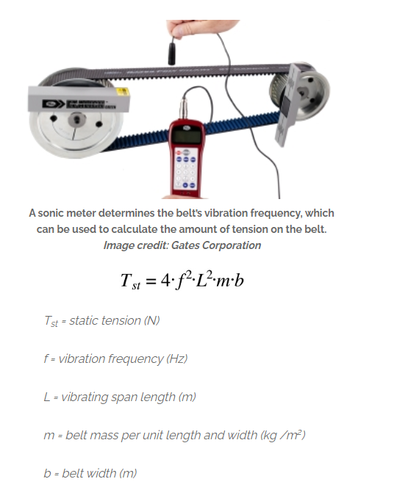
2MGT GT3 6mm
Belt Pitch Length |  | 0.07874015748 | in | 2 | mm

Static Tension per span | Tst | 0.10339679507 | lb |  |  | Tst | 44 | N | 10 | lb
driveR torque load | Q | 0.042778596 | lb-in | 0.058 | N*m | L | 0.2 | m
driveR RPM |  | 450 | rpm | 300 | mm/s | m | 0.079 | kg/m
driveR pitch diameter | d | 0.50127541131 | in | 20 | T
Belt Speed | S | 0.059050768348 | ft/min/1000 |  |  |  | 59 | Hz
Mass factor | M | 0.039
 | Y | 2.08
Minimum Tst per span |  | 2.1 | lb
 | Tst_final | 2.1 | lb

Static Belt Tension - General Values Tst (lb) per Span |  | 10

Drive Center Distance | CD | 7.874015748 | in | 200 | mm
Large Pitch Diameter | PD | 0.50127541131 | in | 20 | T
Small Pitch Diameter | pd | 0.50127541131 | in | 20 | T
Span Length | t | 7.874015748 | in

Force to deflect belt 1/64" per inch of span 200mm span at Tst_final | T_st | 2.1 | lb
New deflection force, min |  | 13.1 | lb
New deflection force, max |  | 13.1 | lb

For re-installation of a used belt, a recommended tension of 0.7 Tst to 0.8 Tst value should be used in calculating the deflection forces, instead of the 1.0 Tst to 1.1 Tst shown for new belts.
At least 6 teeth engaged and 60 degrees engaged
Can use smooth idlers on toothed as long as equivalent of 40T size
Minimum inside idler for 2MGT GT3 | 12 | grooves
Minimum backside idler | 0.50” O.D.
Minimum inside flat idler | 1" O.D.

