BOM
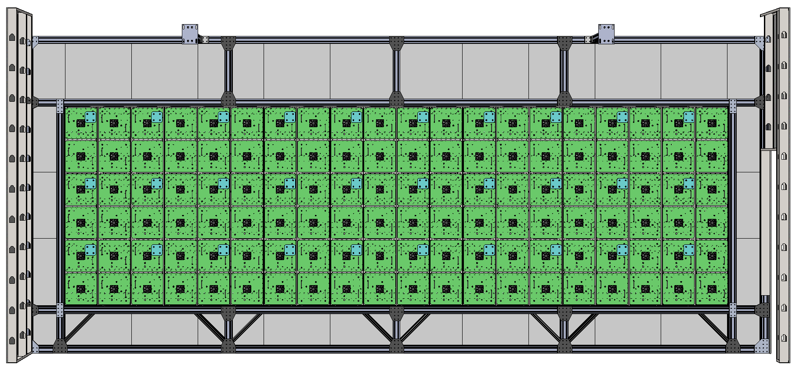 GBW - 101 Assembly : Total System

 | Model Name | MFG Part # | Description | QTY
 | GBW-102 | GBW-209 | Main Structural Frame Assembly | 1
 | GBW-200 | GBW-200 | 14 X 14 Button Array Assembly | 30

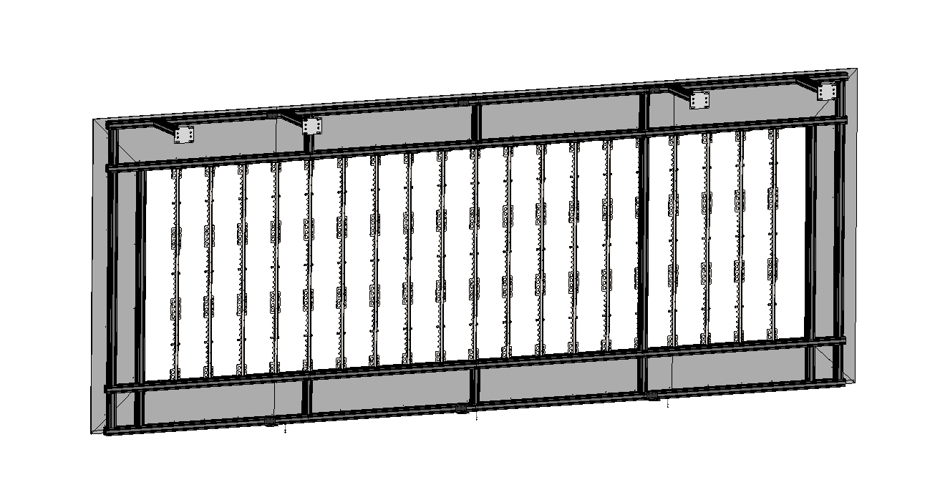 GBW - 209 Assembly : Main Structural Frame

 | Model Name | MFG Part # | Description | Link | QTY
DEEPLOCAL | GBW-308 | GBW-308 | Corian Wall Face Sheets (see cutlist) |  | 1
 | GBW-204 | GBW-204 | Vertical Panel Mount Rib Assembly |  | 20
8020 | GBW-320 | GBW-320 | End Strucutral Section Assembly (see cutlist) |  | 2
 | GBW-321 | GBW-321 | Middle Strucutral Section Assembly (see cutlist) |  | 2
 | 3370 | 3370 - Black | Butt Fastner Assembly | link | 48
 | 3097 | 3097 | Long Double Anchor Assembly | link | 78
 | 2410 | 2410 - Black | Mounting Base | link | 2
 | 2577 | 2577 - Black | 45deg Support | link | 8

McMasterCarr

Client | GBW-309 |  | Drywall Return Walls + Doorway
 | GBW-311 & 310 |  | C- Strut Wall Studs

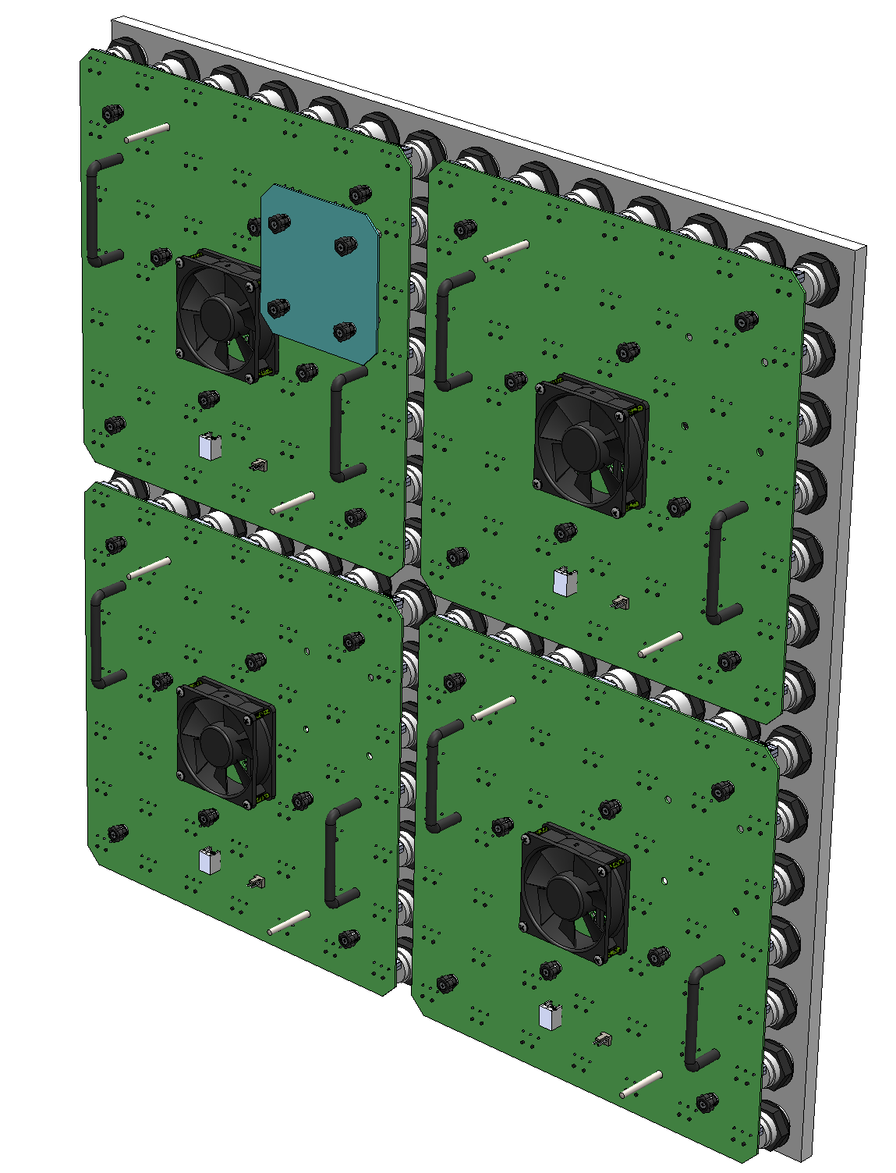 GBW - 200 Assembly : 14 x 14 Button Array w/Control PCBs and Corian Face (QTY: 30 in total system)

 | Model Name | MFG Part # | Description | Link | QTY
DEEPLOCAL | GBW-001 |  | 7x7 Array Main PCB Assembly | N/A | 120
 | GBW-002 |  | IP Module PCB Assembly | N/A | 30
 | GBW-002 |  | Glacier White Corian® (700 x 700 x 12.7)mm Machined Panel | N/A | 30
CWC | Delta AUB0812VH | AUB0812VH | 80mm Fan 42CFM 39dBA (4-pin) | link | 120
McMasterCarr | 93505A129 | 93505A129 | Panel Standoff #6-32 x 1.5" | link | 960
 | 93505A446 | 93505A446 | IP Module Standoff #6-32 x 1" | link | 120
 | 96562A201 | 96562A201 | Fan Screws #8-32 x 1 1/4" | link | 480
 | 92284A255 | 92284A255 | PCB Alignment Pins | link | 240
 | 93505A027 | 93505A027 | Standoffs for Alignment Pins | link | 240
 | 92395A515 | 92395A515 | #10-32 Threaded Inserts | link | 480
 | 92395A113 | 92395A113 | #6-32 Threaded Inserts | link | 960
 | 1568A43 | 1568A43 | PCB Handles | link | 240
 | 96562A192 | 96562A192 | Handle Screws | link | 480
SuzzoHapp | 58-0091-SH | 58-0091-SH | Bezel Assembly with Nut, No Switch | link | 5880
Elma | 1216.1005 | 1216.1005 | Mentor 5mm Light Pipe and Holder (cut to length) | link | 5880
PEM Engineering | PSHP-632-0L001 | SMTPR-6-1 | Panel Screw Retainer | link | 1080
 |  | PSHP-632-0L001 | Panel Screw | link | 1080
 | SMTSO-832-2ET | SMTSO-832-2ET | Fan Screw Mounts | link | 480
 | SMTSO-632-2ET | SMTSO-632-2ET | IP Module Mounts | link | 120

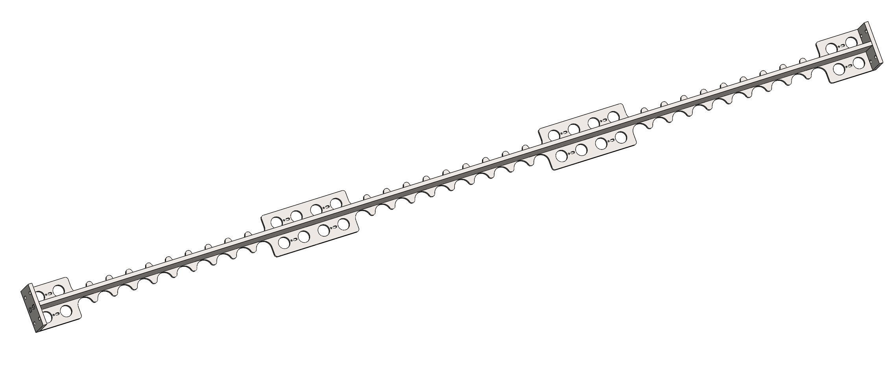 GBW - 204 Assembly : Vertical Panel Mount Rib (QTY: 20 in total system)

 | Model Name | Sub Part # | Description | Link | QTY
DEEPLOCAL | GBW-300 | End Plates | 1/4" Plate w/mounting holes |  | 40
 |  | Flange Plate | 1/4" Plate w/button cutouts + tabs |  | 20
 |  | Wed Plate | 1/4" Plate w/tabs |  | 20
Weldment Fabrication |  |  |  |  | 20

Powdercoating |  |  |  |  | 20
McMasterCarr | 94579A300 | 94579A300 | #10-32 Weld Nut | link | 240
 | 91255A265 | 91255A265 | #10-32 x 1/2" Button Screw | link | 240
 | 92845A335 | 92845A335 | #10-32 x 3/8" Set Screw | link | 240

GBW -EE - 200 Assembly : Power Box Assembly (QTY: 5 in total system)
 | Model Name | MFG Part # | Description | Link | QTY
Deeplocal | GBW-EE-200 | GBW-EE-200 | Power Box Assembly | Drawing | 5
Digi-Key | Molex | 50579410 | 10 Pin locking Connector | Digikey | 10
 | Molex | 16020103 | 24-22AWG Crimp | Digikey | 100
 |  |  | 14" DIN Rail |  | 10
 | Qualtek | 08172 | Fan Finger Guard | DK | 5
Powerwerx | Anderson Power | 1462G1 | Powerpole Panel Bracket | Powerwerx | 10
McMaster | 7335K24 | 7335K24 | Fibox Power Box Enclosure | link | 5
 | 7335K44 | 7335K44 | Enclosure Panel | link | 5

GBW_EE_101/2/3 Assembly : Panel Power Harness (QTY: 30 in total system)
 | Model Name | MFG Part # | Description | Link | QTY
DEEPLOCAL | GBW_EE_101 | GBW_EE_101 | Short Panel Power Wire Harness | Drawing | 5
 | GBW_EE_102 | GBW_EE_102 | Medium Panel Power Wire Harness | Drawing | 5
 | GBW_EE_103 | GBW_EE_103 | Long Panel Power Wire Harness | Drawing | 5

GBW_EE_130 Assembly : LED PCB Power Harness (QTY: 30 in total system)
 | Model Name | MFG Part # | Description | Link | QTY
DEEPLOCAL | GBW_EE_130 | GBW_EE_130 | Panel Harness | Drawing | 30

GBW_EE_10X Assembly : Wire Harness List (QTY: 30 in total system)
 | Model Name | MFG Part # | Description | Link | QTY
Cable Wholesale | GBW_EE_106 | 8102-66101 | Control Harness NW - 12" RJ12 6P6C Straight |  | 30
Cables on Demand | GBW_EE_107/8 | MP-5FRJ12STWS-002 | Control Harness SW/NE - 24" RJ12 6P6C Straight |  | 60
 | GBW_EE_109 | MP-5FRJ12STWS-003 | Control Harness SE - 36" RJ12 6P6C Straight |  | 30
 | GBW_EE_110 | MP-5ERJ45UNNK-003 | Control to Control Ethernet Jumper |  | 30
 | GBW_EE_104 |  | Power Box Input Harness (Nema 6-20P to IEC60320 C19) |  | 5

CutLists
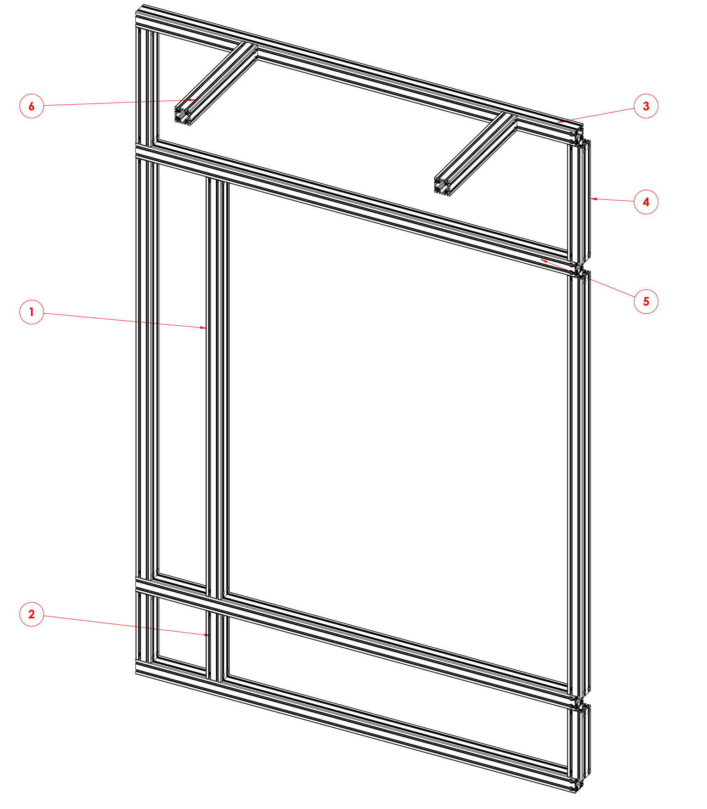 GBW-320 Cut List (QTY:2 in total system)

GBW-320 Cut List
ITEM NO. | QTY. | DESCRIPTION | Vendor PN | Link | LENGTH
1 | 3 | Vertical Members (long) | 3030-S-Black | link | 83.1832
2 | 3 | Vertical Members (short) | 3030-S-Black | link | 13.41
3 | 2 | Horizontal Members | 3030-S-Black | link | 84.6476
4 | 2 | Vertical Members (top) | 3030-S-Black | link | 23
5 | 2 | Horizontal Members | 3030-S-Black | link | 84.6476
6 | 2 | Back Wall Support Member | 3030-S-Black | link | 24.5

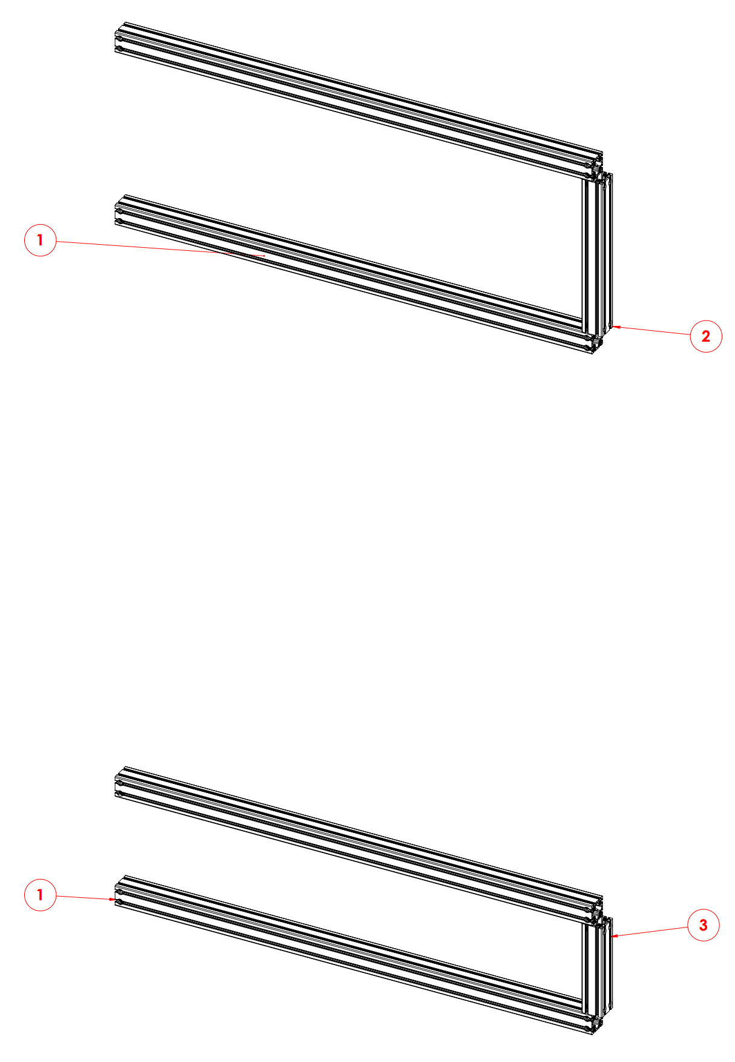 GBW-321 Cut List (QTY:2 in total system)

GBW-321 Cut List
ITEM NO. | QTY. | DESCRIPTION | Vendor PN | Link | LENGTH
1 | 3 | Horizontal Members | 3030-S-Black | link | 69.6476
2 | 1 | Vertical Members (top) | 3030-S-Black | link | 23
3 | 1 | Vertical Members (bottom/short) | 3030-S-Black | link | 13.4114
4 | 1 | Horizontal Members | 3030-S-Black | link | 69.6476

