推文高频词云图关系图
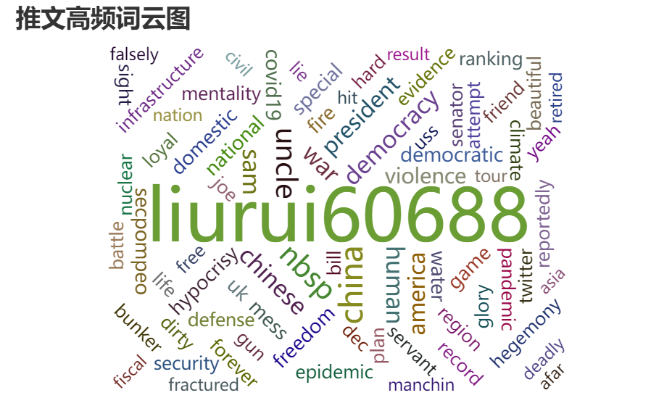
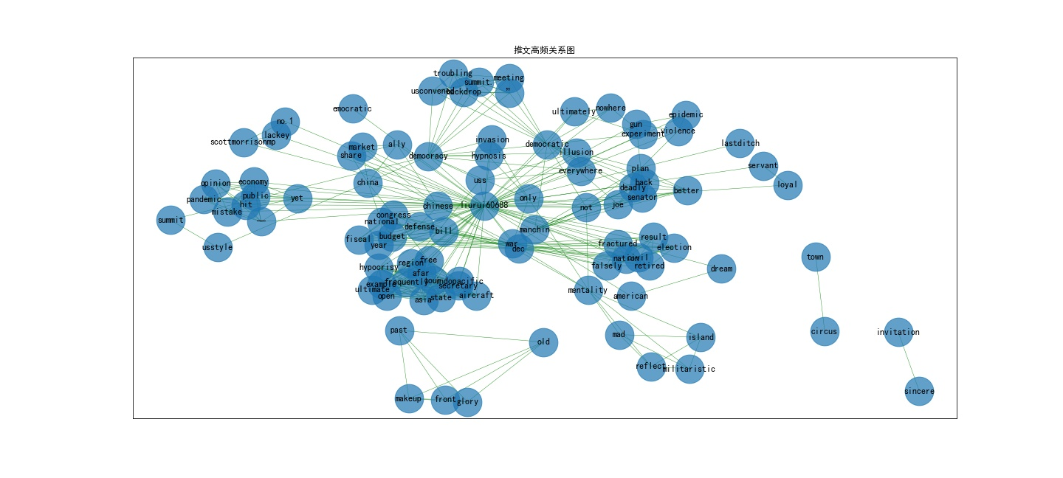
content
#GTCartoon: Manchin's deadly blow- Democratic senator Joe Manchin said he will not support #Biden’s $1.9 trillion Build Back Better plan. @LiuRui60688
#GTCartoon: A fractured nation? Three retired #US generals warned on Dec 17 about a "civil war" if the result of the 2024 election is falsely contested. @LiuRui60688
#GTCartoon: Addicted to war? On Dec 15 the #US Congress passed a record-breaking national defense bill for fiscal year 2022 with a budget of $770 billion. @LiuRui60688
#GTCartoon: The ultimate example of hypocrisy! #US Secretary of State Blinken touted a "free and open Indo-Pacific" during his Asia tour while ignoring that the US frequently sends its warships and aircraft into the region from afar. @LiuRui60688
#GTCartoon：What will #Lithuania’s courtship with the US bring to itself? @LiuRui60688
#GTCartoon: One mistake after another — public opinion over Biden's handling of the pandemic and economy takes yet another hit. @LiuRui60688
#GTCartoon: Did the US tell the participants of its “democracy summit” about the consequences of the US-style democracy? #WeaponizedDemocracy
#GTCartoon: A troubling backdrop for the US-convened “democracy summit.” Can the US save its self-decided democratic norms in one meeting? #WeaponizedDemocracy
#GTCartoon: A circus in town #Democracy #NED @nathanlawkc #Lithuania @LiuRui60688 https://globaltimes.cn/page/202112/1241119.shtml…
#GTCartoon: Will heavy make-up help the US find its past glory in front of her old admirers? #WhoDefinesDemocracy #WhatIsDemocracy
#GTCartoon: No.1 lackey #US #Australia @ScottMorrisonMP #Beijing2022 @LiuRui60688
#GTCartoon: The American dream #CapitolRiot #Racism #COVID19 #WealthGap #WeaponizedDemocracy @LiuRui60688
#GTCartoon: How does the US define #democracy?
#GTCartoon: Democratic ideals? #CapitolRiot #Racism #COVID19 #WealthGap @LiuRui60688
#GTCartoon: #America's democratic experiment has ultimately led nowhere. #WhatIsDemocracy @LiuRui60688
#GTCartoon: Abe's mad remarks regarding the island of #Taiwan reflect #Japan's militaristic mentality. #Militarism
#GTCartoon: Abe's madness
#GTCartoon: The #US could cover up its invasion as "democracy" only if hypnosis would work! @LiuRui60688
#GTCartoon: Encourages Aussies to confront China and takes over their share of the Chinese market. What an ally! @LiuRui60688
#GTCartoon: US faces a gloomy #Christmas with #laborshortage, #supplychaincrisis and #Omicron @LiuRui60688
#GTCartoon: US's illusion of implanting "democracy" everywhere cracks. #Afghanistan @LiuRui60688
#GTCartoon: Most loyal servant #Lithuania #TorturingRefugees #HumanRights @LiuRui60688 https://globaltimes.cn/page/202111/1239954.shtml…
#GTCartoon: Most loyal servant #Lithuania #TorturingRefugees #HumanRights @LiuRui60688 https://globaltimes.cn/page/202111/1239954.shtml…
#GTCartoon A sincere invitation #SummitForDemocracy #Taiwan
#GTCartoon: Deep divisions #GunViolence #Racism #Partisanship #US #waukeshaChristmasParade @LiuRui60688
#GTCartoon: The US is trapped in another "epidemic" - gun violence. @LiuRui60688
#GTCartoon: Last-ditch attempt to save US' dying #democracy #DemocracySummit @LiuRui60688 https://globaltimes.cn/page/202111/1239179.shtml…
#GTCartoon: The US may have started the fire in #Afghanistan, and may be stepping on all the hoses as well, but don't worry, they'll offer a bottle of water or two. @zlj517 @LiuRui60688
#GTCartoon: American-style humanitarian assistance to #Afghanistan: 1.&nbsp; Start the fire; 2.&nbsp; Step on all the hoses; 3.&nbsp; Use bottled water to help put out the fire&nbsp; @LiuRui60688
#GTCartoon: With the number of #COVID19 patients rocketing after loosening restrictions, Europeans find they cannot get their longed freedom and have nowhere to hide. @LiuRui60688
#GTCartoon: The US is reportedly looking to invest in up to 10 large infrastructure projects worldwide to counter China's Belt and Road Initiative. Is the US financially capable to go ahead despite its own debt problems and binged domestic infrastructure bill? @LiuRui60688
#GTCartoon How could intimidated manufacturers of #Chips say "no" to the #US's hegemonic data request when the superpower threats to use "other tools" if refused. @LiuRui60688
#GTCartoon: Sesame Street's Big Bird's vaccine tweet caused massive flap among skeptics, including Texas Republican Senator&nbsp;Ted Cruz who claimed it a "government propaganda". @LiuRui60688
#GTCartoon: #Biden apologizes for #Trump exiting climate accord and putting the world “behind the eight ball.” #COP26 @LiuRui60688
#GTCartoon: Friends of convenience--#US President Joe Biden tells French President Emmanuel Macron that the US was ‘clumsy’ on the Aussie sub deal. @LiuRui60688 #AUKUS
#GTCartoon: One crisis after another. #energycrisis #COVID19
#GTCartoon: Standing with the US against China while welcoming China's investment, UK Prime Minister Boris Johnson doesn't seem to bother to play both ways.
#GTCartoon: What a cold war mentality! The CIA is reportedly looking to recruit Chinese speaking operatives who can understand not only Putonghua, but also Chinese dialects like Cantonese, Shanghainese and Hokkien-Taiwanese.
#GTCartoon: #Shootings in the #US involving children and teenagers have been on the rise in recent years. Experts say idleness caused by the #COVID19 pandemic shares the blame with easy access to guns and disputes that too often end with gunfire. @LiuRui60688
#GTCartoon: If there are no shady secrets, the #US should clarify with specific details the collision of the USS Connecticut (SSN 22) submarine with an “unknown object” while recently navigating in the waters of the Asia-Pacific region. @LiuRui60688
#GTCartoon: After tearing up US-China ties by all means, the US should show sincerity in pursuing a "recoupling". @LiuRui60688
#GTCartoon Wars on terror? More like a game of hegemony for the US #WarMongeringUS
#GTCartoon Old habits die hard #HaitianLivesMatter #Haitianmigrants #racism
#GTCartoon Biggest mouth, smallest action #COVIDSummit
#GTCartoon: Stab in the back #SubmarineDeal #AUKUS #France @LiuRui60688
#GTCartoon: From 2001 to 2021, the US brought nothing but harm to #Afghan civilians.
#GTCartoon: Hegemony over #HumanRights #WarOnTerror @LiuRui60688
#GTCartoon: Destroying or nursing? The US got a bite of its own bitter fruit on its #WarOnTerror. @LiuRui60688
#GTCartoon: Aiming for China #Japan #LDPElection @konotarogomame &nbsp; @takaichi_sanae @shigeruishiba (Cartoon: @LiuRui60688 /Global Times)
#GTCartoon Uncall of duty #America #September11 #Trump (By @LiuRui60688)
#GTCartoon: Forever war #WarOnTerror #September11 #Afghanistan @LiuRui60688
#GTCartoon: Burdens on #Biden @LiuRui60688
#GTCartoon: US troops have pulled out from #Afghanistan, but they cannot remove the scars left by the 20-year-long war on Afghan people.
#GTCartoon: 'Forever War' vs. Disgraceful Retreat #Afghanistan #Withdrawal #US @LiuRui60688
#GTCartoon Twenty years passed, there are still similar scenes outside the window #Afghanistan #KabulAirport
#GTCartoon "Pssst! Give me the evidence, now!" #VirusOrigins (By @LiuRui60688)
#GTCartoon: Deadline pressure #Biden #Afghanistan #Taliban #G7 (By @LiuRui60688)
#GTCartoon: A sip of water before the camera #Afganistan #KabulAiport (By @LiuRui60688)
#GTCartoon Biden's burdens #Afghanistan #COVID19
#GTCartoon Digging own hole #Afghanistan (By @LiuRui60688)
#GTCartoon Americans ONLY #Afghanistan #KabulAirport (By @LiuRui60688)
#GTCartoon Fleeing Afganistan #Kabul
#GTCartoon #FortDetrick lab, deleted data on early Florida cases… The US keeps “cleaning” up potential clues on #virusorigins.
#GTCartoon: How the #US treats its allies: Sending B-52s against the #Taliban while claiming it’ll withdraw its troops from #Afghanistan.
#GTCartoon What is the US hiding inside #FortDetrick?
#GTCartoon After 20 years, what state has the US left Afghanistan in?
#GTCartoon The only "scientific finding" on #virusorigins the US wants
#GTCartoon: Check out the way that the #US fights with #COVID19 epidemic
#GTCartoon Making an evidence #VirusOrigins #COVID19 #FortDetrick #IraqWar
#GTCartoon Yesterday once more #VirusOrigins #COVID19 #FortDetrick #IraqWar
#GTCartoon Lie after lie #VirusOrigins #COVID19 #FortDetrick #IraqWar
#GTCartoon: Dangerous conductor #virusorigins
#GTCartoon Terrorizing COVID-19 origins tracing
#GTCartoon: Politics of distraction #COVID19 #GunViolence
#GTCartoon: Coincidence? A vaping-related pneumonia that broke out in the US in the summer of 2019 showed similar symptoms to #COVID19.
#GTCartoon: Play dirty #FortDetrick #COVID19
#GTCartoon to the US.
#GTCartoon “DEFENSE” paper
#GTCartoon: Haunted by its past #Canada #HumanRights
#GTCartoon: Farewell to #Afghanistan
#GTCartoon: Can Donald Trump win back his "freedom of speech" by suing tech giants Google, Twitter and Facebook?
#GTCartoon: Unsuccessful attempt #US #China #Russia https://globaltimes.cn/page/202106/1227396.shtml…
#GTCartoon: On their own #AfghanPeaceProcess
#GTCartoon: Hurting himself #Xinjiang #polysilicon #US
#GTCartoon #MrYankee became outraged upon hearing about the number of China’s nuclear warheads
#GTCartoon: Divided priorities #G7 https://globaltimes.cn/page/202106/1226141.shtml…
#GTCartoon: Targeting China
#GTCartoon: Politicizing Olympics #US #Beijing2022
#GTCartoon: Big promises, small reward #COVID19 #Vaccine #US #Taiwan
#GTCartoon: Big brother is watching you! #US #spying #Europe
#GTCartoon: Bloody legacy #USWithdrawl #AfghanistanPeaceProcess https://globaltimes.cn/page/202105/1223720.shtml…
#GTCartoon: Uncle Sam's Generosity #Vaccines #IndiaFightsCOVID19 https://globaltimes.cn/page/202104/1222233.shtml…
#GTCartoon: America First. #VaccineRawMaterials #IndiaFightsCOVID19
#GTCartoon: A friend in need is a friend indeed. #IndiaFightsCOVID19 #vaccine
#GTCartoon: A thumbs-up to nuclear specter #Fukushima
#GTCartoon Science VS Politics #COVID19 #WHO
#GTCartoon #MrYankee has his say: the right to live in "eternal poverty" should be protected. #Xinjiang
#GTCartoon: “All for itself” vaccines #VaccineNationalism #EU #US #HumanRights
#GTCartoon Racism in the mind, tragedy on the hands #StopAsianHate
#GTCartoon: Unfair shares #GameStop #WallStreet #Stock
#GTcartoon: Leaving a mess behind... #Trumpism
#GTCartoon Polar Bears know the truth
#GTCartoon
#GTCartoon: The "internal collapse" of US #Democracy #CapitolRiot #Trump
#GTCartoon: The end of Trump's reign on Twitter.
#GTCartoon: Trump's "Divided States of America" #CapitolHill #WashingtonDC
#GTCartoon: HK vs Washington DC. Uncle Sam's masterclass on democracy.
#GTCartoon: 2020 – a year of preventing the COVID-19 with masks, quarantine and social distancing – has come to an end. 2021 is coming, and COVID-19 vaccines provide the world with an injection of hope.
#GTCartoon "We are human rights caretakers, but only for others." – the US #HumanRightsDay
#GTCartoon: Human right or human life?&nbsp;US #COVID19 hospitalizations reached a record 100,000&nbsp;and death toll from #COVID19 surpassed 2,700 in one day as of Wed evening, the highest since April.
#GTCartoon: Human rights or human life?
#GTCartoon: To QUARANTINE or NOT TO QUARANTINE?
#GTCartoon: Before and After: How to battle against #coronavirus
#GTCartoon A perfect picture of hypocrisy
#GTCartoon: Believe it or not, Uncle Sam, man-made climate change is no hoax. https://globaltimes.cn/content/1203915.shtml…
#GTCartoon: Spreading 'political virus'
#GTCartoon: Shuttlecock shock？ Indian ban on Chinese imports leaves badminton players without shuttlecocks, The Times of India reported. #India #badminton
#GTCartoon: America's centuries-old problem #Racism #WisconsinShooting
#GTCartoon: Caught in the middle #USElection2020 #USPS
#GTCartoon: Japan's GDP needs all the helping hands it can get after it dropped a record 27.8% in Q2 amid the global #pandemic.
#GTCartoon: #India is learning from the US how to decouple from China.
#GTCartoon: A Pac-man game for #TikTok #Microsoft #Twitter #PacMan
#GTCartoon: Playing "clean" isn't the way Uncle Sam works - upsetting balance, getting dirty and ruining the game for everyone is more his style. #TikTok #Pompeo
#GTCartoon: Special #TikTok dish made from Uncle Sam's national security recipe
#GTCartoon: How long does Uncle Sam plan to hide from gun violence and police abuse?
#GTCartoon: By listening to whatever Uncle Sam desires, the UK is merely living in the bald eagle's shadow.
#GTCartoon: Four decades of diplomatic ties, now under risk. #ChinaUS
#GTCartoon: Coaxing US allies, relentlessly smearing China, promoting misinformation, @SecPompeo has gone to crazy extremes to attack China.
#GTCartoon: The US has at least 20 laws on national security while the UK has at least 3. Why can't China have one to safeguard #nationalsecurity on its own territory?
#GTCartoon: Too afraid to hear what Chinese media will say? Labeling Chinese media outlets as foreign missions shows the hypocrisy of US "freedom of press."
#GTCartoon: With an undisguised glee, Uncle Sam is nudging #India into further spats with China. #IndiaChinaBorder
#GTCartoon: Happy 74th birthday, Mr. President @realDonaldTrump #AllBirthdaysMatter #FloydProtests #COVID19
#GTCartoon: Yeah, the US is so special, invincible, ranking No. 1 in many figures. @SecPompeo #COVID19 #Racism #BLM
#GTCartoon: Yeah, the US is so special, invincible, ranking No. 1 in many figures. @SecPompeo #COVID19 #Racism #BLM
#GTCartoon: No matter how hard Uncle Sam tries to paint things over, it's obvious to the world the #US has lost its moral high ground.
#GTCartoon: After boasting its glory for decades, when will Uncle Sam clean up its mess? #Racism #Politicalparalysis #Incomedisparity
#GTCartoon: Look, Uncle Sam is busy cleaning up its own mess on human rights problems. Does the US still think it's the beacon of #HumanRights? #GeorgeFloydProtests #ICantBreathe
#GTCartoon: "Lowlifes and losers": US President @realdonaldtrump is doing his best to intensify the conflict instead of solving the problem by lashing out at the protesters and calling them lowlifes. #GeorgeFloydProtests #Trump
#GTCartoon: With America ablaze, Mr. Trump retreated to underground bunker as protests gathered outside the #WhiteHouse. Is this how to MAKE AMERICA GREAT AGAIN? #BunkerBoy
#GTCartoon: Watch US' double-standard approach as it aggressively cracks down on the ongoing domestic protests but deems #HongKong violence "a beautiful sight to behold.”
#GTcartoon The China-US "battle" over Hong Kong is on. The US is free to play any cards in its hand. #HK is under China's sovereignty, and whatever act Washington passes is just wastepaper.&nbsp;The era of US intimidating China is over. #NationalSecurityLaw
#GTCartoon: MAKE AMERICA GREAT AGAIN by retreating to underground bunker, Mr. President? @realDonaldTrump #BunkerBoy
#GTCartoon: Watch US' double-standard approach as it aggressively cracks down on the ongoing domestic protests but deems #HongKong violence "a beautiful sight to behold.”

评论高频词云图关系图
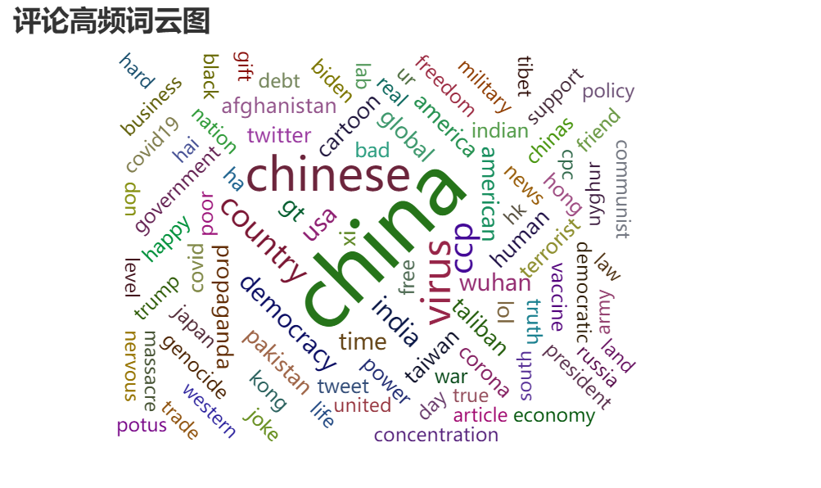
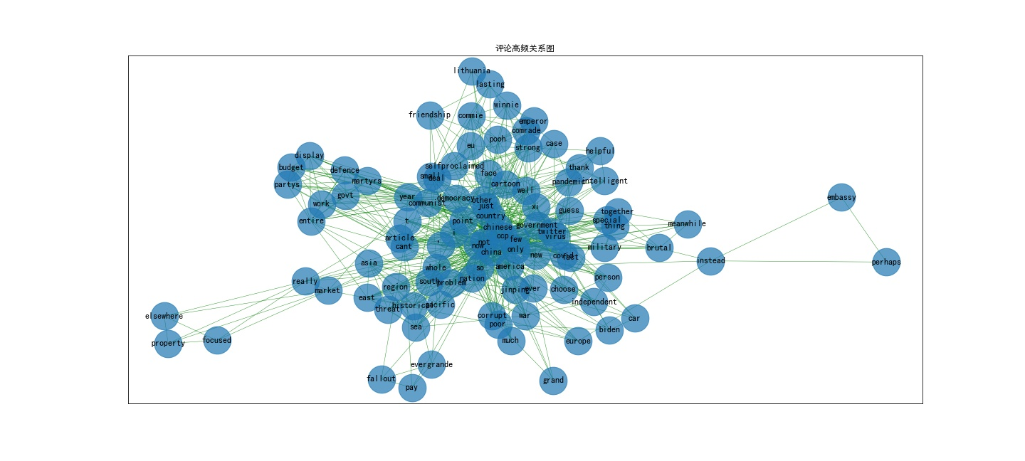
content
Working as intended.
Comrade Xi has become self-proclaimed emperor Xi. Why the commie thugs banned Winnie Pooh? After all that’s just a cartoon.
I couldn’t find the article.
Meanwhile china. The only thing holding that thing together is the brutal military
This democracy at display where entire work knows what is the budget...Do you know what is communist party's defence budget....Can't expect this from a govt who takes an year to acknowledge it's martyrs....
Says the country which wants 1000 new nukes. China wants 1000 new nukes and the US scrap 1000 nukes. China is threatening independent countries with wars, the US wants do defend them. Who’s the person which wants a war? China.
I mean country or better said the CCP.
But remember china himself is a threat to indo pacific region. Why do you think the is problem in south china sea , its only because of china, have americans not interfered you would have eaten the whole south east asia by using historical claims.
Zhongnanhai lapdogs.
Why do you care so much?
Whatever be the case, a small country like Lithuania has slapped China in the face.
"Democracy"
Twitter banned in China and Chinese citizens can only hear what government choose to tell them. According to @chayorusan only the special few allowed to get on twitter from China. Guess these are the people government trusts and likes
A strong and lasting friendship! You got bested by a small EU country, deal with it. #ChinaEnemy @HuXijin_GT
Perhaps he should open an embassy in #Taiwan instead?
Your property market is on knees, but you are really focused what is happening elsewhere.
Evergrande can't pay its debts. China is scrambling to contain the fallout
Is that Xi Jinping in the Car with Biden?
Only China is most intelligent, strong, developed, well governed, best democracy, most helpful... Thank you We accepted it...
Yes we are backwards, poor, corrupt and wrost nation ... So as America and Europe... Hope you ok now...
It's not COVID it's Chinese virus
Poor Biden. But they are all against China. They think they can slow China down.
Ever Grand China poor
These all problems are because of virus made by you
The fact that CCP Minions use COVID deaths as a point to shame other nations suggests that this pandemic was made by Chinese Communist Party to gain some influence in the world stage in a Wuhan lab.
Do you know what is democracy ??
Definitely this is not
Global gossip media
Pas faux! On pourrait très bien mettre la France avec, la G-B, Israël, le Canada, ..
Cope harder. Its so satisfying to see your meltdown on not being invited for the #DemocracySummit
can china stop killing people for having an opinion?
As opposed to Chinese Democracy where the CCP decides everything and conceals its brutality.
real life cartoon!
At first Stop killing of Human Rights in China Then u advice others
Western "democracy" is the name for an entertaining show business. and its voting process has long been used among gang societies.
It would have been more authentic if picture of Tiananmen Square massacre was also here.
Ckmkb
Don't forget the "president" of Venezuela, @jguaido is also invited!
A poor guy is watching.
CCP morons
These cartoons are the shittiest, most unfunny, least clever cartoons ever.
Terror hub China
Along with #pkmkb
Stop! Come on, lets not hurt Lithuania's feeling.
And the Clown is here on twitter !!
That's a candid admission of CPC trying to suppress democratic movements in HK and democratic govt in Taiwan.
China ki maa chudi pari hai....Democretic Summit se
China guilty of genocide
把边境的难民儿童关在笼子里，向世界7个国家投放炸弹，造成无数毁灭、死亡和痛苦……
没有邀请大国，导致玻璃心碎满地
#Whatisdemocracy : That China doesn't have.
Uncle Sam: Am l being hypocritical? I haven't invited some of the other superpowers to the Democracy summit. Am I again the pot calling the kettle black.
我們應該鄙視的是美國行徑，而非年齡，會引眾憎
#BoycottBeijing2022
Chinese Corona virus...
Certainly PLA not, nor they can lecture
Why are you silencing Peng Shuai?
灯塔灭了
Hahaha
After applying lots of filler
Here are a few more for you... laughter is the best medicine... don't you agree?
Newspaper, that few people in democracies have heard of, calls itself 'global' and claims Australia is too influenced by the US. But China is the biggest export for American football. Particularly ironic, since US sport also has a 'world series' that the world hasn't heard of.
Okay you can add one more.
Isn’t it funny that the reason the CCP is upset with Australia is we were the first to call for an investigation into the origin of Covid-19. Australia is not concerned about China and it’s tendency to throw a tantrum.
All this nonsense about Australia being young and independent. Young, certainly. Independent, absolutely not. It is embarrassing how our successive governments have turned us into the lapdog of America. They say jump, we ask how high.
Free speech by the state owned propaganda arm of an authoritarian regime on a platform which blocks its own citizens from accessing. Good one!
Where is the virus xijinping
你说你成天发这些东西有什么的卵用？
China has Tienmen square, atrocities in Tibet , illegally holding Uyghur province and Tibet.
In US, people can express there feeling but in China no one even speak single word, he/she may killed or disappeared
At least the US citizens can talk about it, without disappearing
The Chinese dream
Well American citizens have a voice, voting rights, social media amongst other things. Chinese #slaves of their govt have NOTHING
Funny, will you be doing a Chinese version depicting Tiananmen square massacre, Uighur internment camps, the theft of organs from prisoners and the jailing of democracy advocates?
Your mask is finally off isn’t it? Your tweets make it look like the CCP is starting to panic
Lol
yeah..democracy ...lol
Democracy will kill it, the truth
How’s your ponzi economy and Evergrande doing?
usually doing what we want, when we want it done. i mean, just look at south america, central america, iran. when have we ever done something selflessly?
Congratulations to the child on their drawing skills.
Meh.
【democracy is "デモ暮らしー"(demo-kurashiy).】 【"デモ暮らしー" is a demonstration Living in the US.】 【A demonstration is an everyday living in the US.】
Infant level tweet GT
How does China define democracy- genocide
China has the second highest or probably the highest billionaires in the world.. how different are you? Your state controlled capitalism..
Remember??
how do you get this much of confidence even after Dictatorship of Xitler in china...
Uyghur genocide
GT Hu just another 50Cent tweet
Look who is talking
Done
Don't waste money on anti-democratic propaganda. No one believes you people, first develop trust with rest of the world through actions or propaganda in that sense.
Look who is talking about Democracy
INDIA... not Chaina...In Chaina only one person dictatorship is in on... that us not democratic.
The joke is on you as you have lost all credibility
Good one.
Postting multiple times doesn't make you democracy my friend.
Person who r do commnt on Twitter shows that they belong to Cheena actually de r Chinese paltu kutta .
These illogical rants of CCP Stooges shows how Rattled Emperor Xi is right now.
Mirror mirror on the wall, who's the most dangerous ccp wuhan virus variant of them all? omecron? Not me the original
China should not forget that Japan a Militry power which was controlling Asia till the end of 2nd wwar.
We are happy that Japan is back. You cover your asses with extra paddings now.
#TaiwanIsaCountry #taiwanisnotchina
Yes Don’t make light of Japan. Japan still has militaristic mentality. Japanese people, if united, show tremendous power and atrocity with highest morale. Remember WWll.
Are your cute soldiers still dancing in the occupied mountains?
Former prime ministers, like any citizen, can say what they wish.
What dashing this cartoon would look if word "Taiwan" is replaced with word "People Republic of China".
Hmmm can't imagine
GT has no class whatsoever.. no responsible media house would otherwise use words like mad against a world renowned leader
China's violations of human rights, biological warfare, other countries sovereignty violations reflect what? Supreme Dragon mindset. The basic edifice of CPC built on supremacy of CPC and not China is so wrong.
The second u wrote biological warfare U lost Ccp is far above u
Rouge state and regional bully xi variant of wuhanvirus
About time they did. China was getting to be too much of a bore with its woof woof warriors.
Awww
Le bhikaristani propaganda
Not Abe's madness this is Xinping's madness... Accept the truth
Taiwan is free country. Corona's father China
Against ccp terror
Can't hear u
imagine #Hitler accusing the west of madness during wwII
https://youtube.com/watch?v=6sDyoumaeX4…
Invasions? Speaking of invasions, lets talk about Taiwan
The CCP claims to represent the Chinese people. But what happened on June 4th, 1989 at Tiananmen Square?
Terrorists can't see democracy. China, Russia and other muderer juntas.
They are the only legal terrorist. The so called "international police"
if you know meaning of democracy, dignity of life. you will understand. lot of chinese just living with fear. worst place to born.
we India is most democracy county in the world，woman is very safe,weapon is so advanced that USA Russia import weapon from India
For God sake #Xi sack Editor and Chief Hu and give us someone intelligent who can put up a good debate not this dribble, he makes you look like a fool.
Cry more
Global Times is savage
....and US takes over....
One by one #China will loose rich & big market. Finally China will sale its product to poor debt trapped countries who hardly able to pay the price. @MFA_China @SpokespersonCHN @zlj517
Yeah the US is not perfect but it light years better than the CCP.
What about Uganda Airport?? Is it called as business.. IT'S A DEBT TRAP
No wonder!! back stabbing is a historical nature of US. Anyway.. Dreaming of Nuclear submarine is the real deal for Australia. But, their drowning economy is not concern of US.
nice photoshop!
Pretend to support Aus, then make money from Chinese makert, in some point, USA use a smart method
and Aus also has a record high trade surplus, so everyone wins from this humorous capitalist game.
Another CCP propaganda blitzkrieg!!
Land grabbing CCP style
China having problem with Australia ,Taiwan, india , us , lithunia and so on... and all countries are bad . In all most all cases China is so innocent .
Confronting china means losing trade relations. Aussies now realized that they lost quality products from china and have to buy expensive US products.
I said that it's going to happen what else do you expect from yanks? It's only a shame Aussies are buying yankee bs
China Numba 1 lucky happy best joy country, yes?
China's collapse has begun.
We follow break china policy
Another Chinese Virus variant.
ironically, it’s sad to see china mocking great like USA. No wonder Russia is your ally.
yo don’t f*ck with Christmas
全世界的人們自己做起,注意健康最重要了 @zlj517 哥,快睡~!
Cute! Are you trying to hurt the feelings of the American people?
It’s not omicron it’s XI virus
#TaiwanIsaCountry #TaiwanIsNotChina
Ur the mother of omicron..!! But everybaby have different father.
2 word " 活该“ usa
At the end democracy will win
Don’t worry, China will help you. China:
Watch out American democracy is flying over you. Delivered as a shell! #NoMore
For a country that banned cartoons like #WinnieThePooh and now #TheSimpsons you surely use an awful lot of them.
Heard that chinese got new variant in South africa
#CKMKB
It is better to select myself than going to get people's choice. :Covid varrient XI
#CKMKB
Than how democracy is thriving in India, although it has long way to go to fulfill the aspirations of all the citizen. Every system has it's limitations. But democracy is the best form of system to ensure individual right and freedom. Communism has not that.
TIANANMEN SQUARE REMEMBER
CKMKB
U are american U tell us
The world loves Lithuania but hates the CCP
Belarus : I am about to ruin your whole career
Better than this
It didn’t work 3 hours ago either with the same damn tweet. You got bested by a minnow, deal with it. @HuXijin_GT
U just defemded an anti semitic nationpn lol
Look here
This is not going to hide the genocide of the Chinese, Tibetan and Uighir people under the CPC.
Jock of the year China post about Human Rights, evan Chinese don't have Right in China Ha Ha . Shamed full act by CPC Criminal Party of China. #ChinaWantDemocracy #WhereIsPengShui #BoycottChina
HEY!!!! I thought Australia was the US's most loyal servant! Get your facts right! There is plenty more gum for the CCP' boots yet!!
And how many refugees does China admit? Jokes on you idiot.
Sure, let’s talk about REAL torture and human rights abuses …
you say that Taiwan is your integral part so this fire is in your back
The sign faces the other way in reality
Aww, someone didn't get invited.
What a timing man.
Check mate
Lets play with fire
Only wang li can travel and talk to anyone, GT editors oenion
Is really China democratic?oh I forgot China is not a democratic
GT are insulting Chinese.
In 1919 Chinese troops occupied Mongol and its capital. In 1921, the Soviet Union made it independent. Does China have the right to regain Mongolia?
No
someone obviously need to withdraw money from Taiwan island
Taiwan is very beautiful democratic country ( Real China)
#TaiwanIsaCountry
Owww someone's jealous..
by the way, Taiwan is not invited as an observer, they are a full particpant
#China started this #Coldwar. It's too late.
The world didn't give a shit ..... What you want to say
In #china #spreadcovidvirus #musilmcruel #loanstraps for poor countries. #occupied neighbouring countries. Etc.
First focus your own country's situation...then reporting on other country
建议看看美国媒体是怎么诋毁中国的
at least no random explosions a crossed the country and buildings made of sand that crumble! Mafia country is pathetic!
只会随机死于枪击
CCP is trapped…….
The #US,called by human activist, who spend $2.2 trillions to destroyed #Afghans. But now he withhold the money of #Afghans. This is the #ExtremeHypocrisy of this #TerroristCountry.
It'salmost one day, just look at your tweet's likes and retweets. Nobody fucking cares.!
Worse incidents happen in China. Not reported by Chinese media, all state owned.
Cartoon make cartoons idiots Chinese
Hahaha...you wish
Last-ditch attempt to save CC|P dying Communism
In Philippines
Communism is dying, look around
Never forget how Chinese Government is the undisputed world champion at killing their own people. Remember the Tiananmen Square massacre of over 10,000 of their own students? #China #Wuhan #NeverForget #BoycottBeijingOlympics #boycottBeijing2022
Look at him. Even Xi is afraid of Putin. You can't have leader who's afraid of a simple handshake and Winnie the Pooh.
The inevitable fate of the $$Zionist- owned state... devoured by parasitic banksters... ...but what are the aspirations of a nation built on stolen land, genocide + slavery anyway... they are still trying to take from others worldwide...
World's biggest CPP'S slave is global times, and biggest black spot on the name of journalism
Chinese Democracy
G7 plus ASEAN Don’t attack the Philippine boats !!
Xinjiang concentration camp 新疆集中营
But, why was the United States, with all its wisdom and experience, driven out of Vietnam and Afghanistan? Perhaps this book explains many facts: LARRY ROMANOFF - Nations Built on Lies - How the US Became Rich - Volume 1 - Part 4 - IP Theft and Coping
Why did China not attend Delhi-declaration of NSAs on Afghanistan? Is stopping Aid trucks to Afghan people, a China-style?
把你文中的“美国”换成“中国”把“被援助者” 换成“振兴东北”更符合事实！
From your replies we can conclude 1.people choose their leader to desperately fly out of your country 2. USA, the world super power, should not have avenged ~3K people, whoes/person salary can sustain 10-40 people of your country 3. You are an illiterate, & Andh Bhakt of Talibs
1.a few ppl can't represent whole country Nation supports Talib and I can prove it if u want 2.anyone's huge salary doesn't give him additional basic rights.those many millions with small salaries also have the right to live just like those 3k with huge salaries
3. Anyone who calls others as illiterate can't b literate Ur this point shows that u r an Indian
Don't cry, instead read about Liberty, fraternity, equity, equality, prosperity, democracy, rule of law, Rights and duties.. don't surrender your intelligence to dumb wit self centred Taliban.. If Afghans are having food means it is merciful contributions from Christians, Hindus
China is the motherland of Corona virus.
You seem to derive sick pleasure in others' suffering. It is especially evil because you are the cause of the suffering. History shows Karma always strikes and it strikes hard.
Such a shameless country sponsored media. Rather then apologising for killing so many worldwide u r making fun of freedom of others. Such a shame world hasn't forced u to pay 4 ur sins yet. @SkyNews @BBCWorld @TimesNow @guardian @Telegraph
Its chinesee xingping virus
Just as deranged murderer Xi planned.
The CCP is 100% responsible for every #WuhanVirus case and death in the world. The virus was manufactured and released from the Wuhan Institute of Virology, and the CCP's lies, cover up, and malice directly caused the pandemic. The CCP owes the world trillions of $$$. Pay up.
I think china's invisible debt is a way bigger question
Even china was not capable and ditched pak, srilanka and Africa. All in deep debts now. China is nervous
BRI is for selfish Chinese interests to put countries in debt traps Pakistan and Sri Lanka are clear examples.
It is impossible for US to surpass china in its investment in developing countries
US has its own issues like domestic economic stagnation, historic rise of unemployment , refugees crisis etc will deter US to counter china.
Isn't it that China is buying USA debt? so far over 1 trillion purchased.
Xd, china tienw deuda 7 billones igual es tercero de ejemplo
China has banned twitter in his own country but allowed these some trolls so they can spread their venomous propaganda these people living life under a dictator like a hell can't expect logical reporting from these stupid clown of xi jinping
Enjoy
this is a response to threats on Taiwan, is the CCP so blind it can not even question it's own actions
Haha...the world knows of china's coercion bullying other countries
No matter the bluster and pontification, Asias Hitler Xi Jinpings criminal regime could smash itself to smithereens against the tiny rock called Taiwan, analysts say. Asias Grand Goombah Xi Jinping is copying every step of Hitler on his way to his regimes destruction, experts say
Crying again like whiny little children
Terrorists are killing people in Tripura India please please please please please help
Fuck china (people), go to hell.
See
See what we did to these chinese
As non-Chinese let's all be grateful that we don't have to take a Sinovac vaccine. Right here in my province 30,000 Chinese shots were sent back to the capital because nobody wants a Chinese vaccine and right so.
Just live in your imagination land, haha
PRC diplomats were found to be following pornographic accounts. The sudden exposure of “Wolf Warriors” based in Pakistan, Japan, Bulgaria, Australia and Botswana caused a panic inside the PRC foreign ministry.
Oh no who fucking cares
Lol this guy’s timeline is the definition of ‘the coming collapse of China’ keep on waiting @BuggaMancini
at least Biden showed up, unlike Xitler, actions speak louder than words
这是个什么品种的狗？哪里也敢出来乱吠
#Macron can cry all he likes. 2016 Australia signed a $50 billion contract. 2001 nothing has started to be built and costs blown out to $90 billion #Macron is a sook like #Xi
Why president Biden re-empowered terrorism in Afghanistan??? Why president Biden supporting the terrorist state Pakistan???
Full credit to CHINA , winning WW 3, Shattering World by CHINESE VIRUS & Colateral Economic Misery !
It's not Covid. It's China virus #ChinaVirus
Yes, the CCP destroyed the world economy by unleashing a bioweapon. Very cool, nothing to be proud of. History will judge you harshly.
Did you forget to your citizens that half of china is in black out? Ha.
Nope . Electricity supply is back But India lost
Good, did the black out stall plans to produce more virus variety? Or still on track?
When will China be anti-UK?
He's waiting to see if the US collapses when China becomes the World power. The US isn't happy with UK entering into deals with China, because they want those deals to finance their huge debts. Too bad for the USA.
We learned from you
unlike China, UK does not see trade as a weapon, but in the context that we are talking about China the UK should stand back and look at promoting decoupling from China
Chinese GT News has become stand-up comedian GT chief Editor who rose to fame by mocking men in online gigs, has not escaped from controversy.
Remember?
Typical British all over it.
You forgot this, free the indian soldiers
As if you guys were not doing the same!
So you mean Chinese spies in the US don’t have to know English
Is this the same as "telegraphing intent"?
So what?? What is the fuss for?? Koi batayega?? Mujhe samjh nhi aaya??
Kindergarten level tweet GT.
What do you think this is? Your government will implode. May your liberation be merciful.
There's everything in the dream.
英国哈哈
I'm a Canadian of Scottish, Welsh and Irish descent. That makes me British in one respect. I've put the Union Jack beside my name in order to avoid being mistaken for one of these alt right pieces of excrement trying to associate the maple leaf with their marxist Tweets. #Canpoli
加拿大是美国的一个州，那你是美国人
Why you guys are getting scarred and nervous of other nations
Must study？I don't believe it.
The U.S. has already begun to provoke the Sino-U.S. Cold War! ! ! To find a suitable opportunity to teach the dogs raised in the United States, we must fight hard! Make their master sensible!
#ChinaGlobalThreat #Chinaenemy @HuXijin_GT
China and #GT have a sickly obsession with #america
No self respect Chinese will take the job
Taiwan China hater, career opportunities for you.
China see itself in middle
No news comes out of China bcos its a suppressive dictatorship. How Xi treated the Hongkong accord we have seen.He crushed peoples aspirations there. And this lousy propaganda machine is tweeting about US
China Virus ...call it that ...not Covid 19
China needs to admit that the unknown object was its submarine under power blackout like the mainland
Why should the US clarify something that does not concern China? An unknown object was involved.
Same way if there are no shady secrets,china should Co oprate and gives permission For all necessary investigation about Wuhan corona virus which is originated from main land China, And secondly its 'INDO Pacific'.
Navigating in SOUTH CHINA SEA
LOL ! Is the Great Goombah nervous ?
The answer to the last question is NO
It’s INDO Pacific region ,America is going to dig grave of Chinese.
So best way of explanation really. Carry on my dear global times team
#Chinesevirus was more dangerous
#Chinesevirus was more dangerous to human
Certainly it was collided with Chinese water drone.. !
Why you eat fish then also they ask you is we are safe?
Tumko kyon Bataye
It's time to isolate imperialist China and make it pay for killing millions by spreading Chinese Virus.
Do you honestly think the Western cabal will honor it's agreement with BRICS? Ask your selves when as the Nodite Clan ever Honor Consensus, Past or present?
we can t recouple.with the new Nazi China. we can recouple with an ibternational.agressor, with a regime that practices mass genocide against its minorities. Macau was destroyed by china. Hong kong was destroyed by china. china destroys all it touches.
China is heading towards a serious recession, now I understand china's push of kindness directed at america
How are you managing the blackout so far?
Hypocrite west
Ridiculous So China can engage in ridiculous protectionist policies and trade restrictions while the USA can not.
There’s no interest in that
Here's another cartoon for you #Losers .
Like china against ttp
Promoting tal!ban for 20 years china created a Frankenstein and it's the same demon which will gulp up Xijiang province within a year. Continue your propaganda.
I agree, you should show the world how great China is and take those refugees.
I think china wants progress , prosperity and world business . China is only country in world who makes IPHONE , AUDDI , ROLES , BENZ , COMPUTER LENOVO WORLD CLASS IN MINIMUM PRICE . I BUY LENOVO 140000₹ LAC DESKTOP . ALWAYS THINK FOR POOR . POOR MAN GIVE BLESS BUT ...
Funny that this is coming from the least inclusive country on earth that granted Africans a total of ZERO permanent residence status in 2020 By contrast, Immigrants and their U.S.-born children number approximately 85.7 million people, or 26 percent of the U.S. population
I didn't know you had cowboys in China, let alone Uyghur camps. #FreeTaiwan
China should open its borders. Or do the old habits die hard? #HaitianLivesMatter
In some countries, the habits never died. Maybe ask the Uyghurs how things are going.
This you?
Based
Then/Now
Congrats USA. First again!
Father of Covid19- Xi Zingping
Indeed and no talk yet on bringing the inventors to justice yet. What a sham!
Oh okay.
WIV lab leak and cover up … make no mistake about it
sure there are questions to be asked about US COVID response, But would CCP be willing to attack Brazil or India. But in the end any weapon to attack the US, this is just to ensure Chinese nationalists hate the US, especially the Chinese diaspora.
1.4b people, nearly 20% of the world population. And the most believable graph in the history of graphing.
Different with the United States, China did the biggest action: released COVID-19 to the world. Thank you China!
#ChineseVirus
You mean global times and pla
#WuhanCovidLabLeak #chinaliedmillionsdied #ChinaGlobalThreat #ChinaEnemy @HuXijin_GT
Taiwan .
Le @xijinping_xi @ChinaDaily @ChinaScience
This is how you know more people died in China than the US and they're just lying about it like they lie about literally everything including the fact that their bioweapon killed millions of people and they did it on purpose.
US did exactly same what CHINA always do. like with SRI LANKA, PAKISTAN, nepal, even AFRICAN nations too.
#mecartoon: @globaltimesnews
Yep
All is this is the cooperation of five eyes to make new friends
看看美国混成啥样子了：群主是当上了，可群员是越来越少了，连土澳也成主要成员了……哎……
Why. It's a business deal. Why make stuff up. You are the biggest makers of military in the world. hypocrites
Cartoon sahi banata hai tu
This is very common behaviour in western world they are not trust Worthy they always betray everyone and working for there own interests.During 23 years this Ameican governments always on wars.murdered 11 milion Muslims and in the end nobody called them terrorist.humanity killers
China is also like a snake
Right, donkey Pak and china xin Jinping birth same
US Bullshits...
CPC Hygenic Management
What about the muslims in your concentration camps?
Muslim concentration camp in Xianjing
Pretty sure afghan citizens are being harmed now more than ever.
Remind me, how is China's record on human rights? Oh sorry, I forgot you don't consider the Uighurs, Tibetans or Taiwanese as humans....
https://twitter.com/globaltimesnews/status/1438495604523474946?s=19…
World's view about China that has been non-transparent, irresponsible, uncooperative. Its refusal to respond to doubts from the intellectual community over Wuhan lab of Virology & over 2000 biological experimental bases shows it’s trying to conceal truth and evade responsibility.
And this nation is asking for women rights in Afg
Lmao says China who kills ethnies who isn't Han
So what was/is China's role in the war against terror? Are you part of the solution, or you're part of the problem?
America *is* the problem.
chinazis
Mr.Ishiba won’t run in LDP election. You got mo idea what you are talking about, you asshole fake media.
Damn, wow
This only article (cartoon) from Global Times I agree with - Guys like Trump, Putin and President Xi Jinping who’s egos are bigger than the countries they serve
Only china can find a joke from this type of anniversary. First you be a human then you will realise.
You know China wants no part of Trump....thats why they unleashed the "China virus"
This is not any joke but reality Go and do some research on it
Indians are like a malware on Twitter everywhere gai mutar and off topic tweets
Already protest in afghan people against pak
To break d cycle of d 'never ending war" , 9/11 COMMISSION REPORT must be reviewed in d light of qs.s by 100 Western scholars who challenged it so that the World shud know d truth why Hillary said U.S created AlQaeda & Trump said U.S created #ISIS @UN https://wanttoknow.info/070618professorsquestion911…
Your friend Pakistan ( bloody porkistan) is doing maliciously…
Same on USA, Pakistan Army
Dear Shit affiliated media, you are funding pakistan for afganistan invasion
Covid is chinese gift to the world
And don't forget the US CPI
After hurricane there is another named China.
Shoe xinping
Count your own country's burdens. They are legion. And where is @chenqiushi404 ?
The only thing good about global times is its cartoon artist...he is superb ....take good care of him ...post his photographs if possible
don't laugh, everything changes with time
And Created Produced and Directed by CCP
Other two is yes but covid 19 aka Chinese virus is Chinese burden on world
fuck off 傻逼
@POTUS @JoeBiden @VP
Support china at that point.
China better move quickly to establish a good relationship with the Taliban. If not, there's a chance that western societies will reap their resources. No point sit idle and watch, soon it's all gone
Yes true bro. We have all seen it happen before. Afghanistan needs a lot of support economically and ways to gain a sustainable economy based on their own natural resources
#CKMKB
Scars like Tiananmen Square?
Leave the dogs behind too one didn’t like little girls being molested
China: US stop interfering in Afghanistan Also China: Wait, US u can't leave
Stop #UyghurGenocide
What u did for terrorism????? I guessed You saved terrorist by u r Vito
Vrs China backing terrorists
Send Chinese army and protect the people of afganistan. This is the perfect opportunity to show the world. What China is made off. Scared to go ??
One side china makes meeting with Taliban and saying they r good. On the other side it said that Taliban is now a Terrorist state. Seems like china is confused with its double face policy. China itself a terrorist who grabs other countries land.
Replace all references to China with CCP - they aren't the same. China is a vast, historic place equivalent to Afghanistan, whereas CCP is the brutal occupier, like the Taliban. #BoycottBeijingOlympics
A trillion times better outcome than CCPs genocidal brutality unleashed in East Turkmenistan, Hong Kong and Tibet. #BoycottBeijingOlympics #CCPVirus
Absolutely true.. Thnx for correcting me
It's because China is supporting Taliban and top Chinese officials are meeting Taliban and guiding them to creat chaos When will XI visit Taliban?
Similar scenes will appear as far as countries support terrorist states and terrorists.
Hmm... I see three Indiots... Wondering why?
Copy #Master shameless #China @Reuters @nytimes @AskAnshul @ReutersIndia
Unlike virus spread by virus country killed people around the globe without firing a single bullet #chineseVirus
Around the globe? Good job, #IndianVirus.
Because all these 20 years you kept on fanning the fire for your self interest. Lithium and copper mines were your target. While India helped in developing the country you were planning for its destruction. Admit it. STOP PROPAGANDA!!
Shouldn't you be BBQing?
@felipe7167795 @palaeodaniel
Wrong way of attacking #USA, you could do better... Why dont you point out the flaws in the #USA? Way better attack vector.... Skidrow, methadone mile, Venice Beach, wealth gao and so on. .. This aint it...
The level of projection on display here is... astonishing.
Why don't you prove it didn't come from there?
Says who.... CCPVIRUS
You offend pig dung eaters from India yet again with this cartoon...
Taliban terrorist support Global times china
#SanctionPakistan
No body can beat china Perfect described
Hahah they only one with excessive sweating is CCP. For 20 years US protected CCP border with Xinjiang. With the US gone,Taliban will assist their Uyghur brothers and CCP cannot stop it. CCP is living in fear. With al Qaeda gone, US can now concentrate against CCP. LOL
LOL Of course not hhh. You are so naive. Xinjiang is a peaceful and prosperous place with all people united together. No terrorist can undermine Chinese people’s well-being.
#FreeTibet hypocrites!
about 45000 people have fled the Taliban in the last week via Kabul airport exactly zero refugees chose PRC as their destination
Of course they will also learn something from China, how they captured and shoot videos and edit it. dont be so jealous @HuXijin_GT
US is doing their duty ....what is China doing.....giving weapon and support to Taliban.,.....CPC has two faces
O noo again
And CHINA would know all about the fine art of herding people in front of a camera, with armed military behind the scenes orchestrating peoples every move!
Right
original face of America
今天喝牛尿了吗
Whatever we drink, atleast we are not eating Bat and other insects and spreding #ChineseVirus like you people. You guys are blot on the humanity. #Bat_eating_Pandas
made nigeshabi
This one quite good...but the one above is better for dancefloor neon...
@globaltimesnews , please be kind to those less fortunate
Most incompitant president in us history
Where is China?
如果不是为了掩盖自己的罪行和虚伪面目，不会变成这样的
The view is totally different from here
Double kill
Ya one is caused by China!!
And you are the reason for Biden Right hand burden
When you develops a country you need to be mindful of the environment . It's smart to address environment change aggressively . You can develop a country & address climate change at the same time. 60/40 . We are in this together . Let's bring Peace to Humanity .
biden did huge mistake.
Thank you China for Wuhan virus!
Tiananmen Square June 6 1989
拜登深陷新冠疫情和阿富汗危机泥潭，快撑不住了！民众支持率已经下降了好多。
Even if the U.S. government uses Covid-19 to divert people's attention, it can't cover up the growing class contradictions in its country.
侮辱中国传播病毒的有两种，一种是墙头草，收了美国的钱就帮它们舔干净掉在地上的；另一种是它们自己的国家政府无能，所以看不惯中国的发展，可这抹黑对中国没什么用，甚至还会把它们当看小丑表演一般
USRR was Comunist in economy China is capitalist in economy That's the diference buddy
#chinaeconomy
Hey Hue we are paying back by putting 30,000 combat troops in Taiwan
The up coming war with will fix the debt problem. That big dam in China is a big liability for the ccp. The dam will come down day 1 of combat operations.
How many did Chinese rescued ?
Ok but why Chinese government not send any help to afganistan
How many Afghans did China evacuate?
Han only
Atleast they are not in concentration camp.
Bro I read in news that they took 600 Afghani civilians too but who knows what is true.
Let's guess which country supports Taliban?
real face of Western media.
Who stooping china to take millions of refugees from Afghanistan. Just don't do expensions, do some humanity also.
silra china
Two super powers USSR and US have lost their wars on same battle ground and from same opponent
Follow me foe live updates in afghanistan
Panic in kabul. Follow me for updates
looking or "rare earths" aren't ya?
Maybe you think it's funny or it's time to be amused!
Long live pak China friendship
Pls make 1 cartoon for pakistan beg money from you ...
一条狗回家的路
Wait for this if cartoons work
Looks like someone telling his story in name of others
#chineseVirus
根本没有大国担当，世界搅屎棍。
美国在掩饰什么？？？
The virus is crafty，we need research collaboration borderless，trace the virus origin and defeat the virus .
扫得了地上的尘，洗不净劣行的痕。
是不是心虚了
In that case China should send it's army to help Taliban.
US is known for destruction, violence and war. US is a war criminal bombing Civilian areas such as hospitals, schools, markets and residential areas. In 1945 on Japan Civilian cities were bombarded with atom bomb, from then they are killing Civilians and destroying cities.
#NotGTCartoon: How the #China treats its allies:
双标呵呵→_→
Pois é…
B-52 on the way to South China Sea
And what about Uyghurs??
Barnol
Chineeeese virus everywhere in the world....
What's the problem if it's against Taliban ? It's not against Afghanistan or it's people !!
Fencydress
Chinese virus
The US is living rent-free in your mind.
China trying to occupied Afghanistan?
#US is a legal terrorist, ow i mean the international Police. #oil
Afghanistan doesn't need America to kill muslims, the Taliban are doing a far better job of that
Good. If China won't take on the Taliban, then it falls to those countries who will, and if that's America, so be it.
估计阿富汗人民会越来越讨厌鹰酱
Then tell your puppet pakistan to stop sending Talibani terrorist in Afghanistan. #SanctionPakistan
What a misleading article, dang!!.
China always with terrorists
They look at the face of another countryman with nostalgia because the face is as disgusting as the nose of the Chinese.They cartoon the faces of others to get rid of that inferiority complex.This brings comfort to the congregation elders.They don’t even want to reveal their face
If Taliban started their evergreen support for Uyghurs and start capturing near inner Mongolia... Then China will learn lesson not to treat bad with their own people.
The only time I agree the Taliban could be a force for good. #UyghurGenocide #BoycottBeijing2022
I know u r engaging with #terrorists #Taliban u like them very much to do trade with them and ruling them.. We dont care for ur investment in #terrorists countries...once democratic countries decide, u will be finish..#CCPChina We are waiting for India's supply chain, then bye
You Indians are always confused between reality and fantasy. Didn’t you say that India will become a superpower in 2020? What about reality?
U started batting officially for TERRORISTS?
@WHO @DrTedros betrayed ?
爱出者爱返，福往者福来 looking forward to following eachother！
Feeling nervous? I wonder what they will find?
As the 90 days are approaching, a clear covid origin report of China has kept the condition of China bad Biden Administration will release the origin report at the end of this month
武漢肺炎
美国选了一条饮鸩止渴，与虎谋皮的道路，结果成了砧板上的肉，任病毒宰割——美国打开了“潘多拉魔盒”。
filthy secrets
I believe the virus came from a U.S. Army lab.
The @globaltimesnews cartoonist who drew this told me on WhatsApp that Taiwan is a sovereign nation and that the Hong Kong independence movement inspires him. Also said that Xi Jinping looks like Winnie the Pooh coming down off a ketamine binge #GTCartoon
What chynazi will bring ????
We'll have to wait & see for that, no?
Devil called US leaves Afghanistan!
Completely destroyed, that is what is left. Same Japan, Vietnam, Irak
In welke staat heeft de VS Afghanistan na 20 jaar verlaten? Groet aan de gelovige Ank Bijleveld
Twenty years ago the place looked exactly the same.
As the USA led 2001-14 "Operation Enduring Freedom" & the 2014-21 "Freedom's Sentinel" suggest a state of FREEDOM.Freedom from "sentinel" US occupation who ran away with tails btwn their legs.Freedom for the ruthless Taliban to regain complete control over the people & the govt.
In this I will agree
Os americanos sempre arrasando países em nome da liberdade! Depois os largam atrasados e entregues a miséria! O imperialismo americano é cruel!
It took 20 years for the USA in Afghanistan. But it took hardly 5years for you in Pakistan and the country has gone bankrupt. That way you are better than USA.
Truth
The current global turmoil will continue next year. Knowing the original scientific data for COVID-19 is necessary to take immediate measures.
don't worry . this kind of propaganda can not close the eyes of the world even if they want. everybody now knows that chinese can stoop to any level just to be rank 1 and hit other countries. They have already started preparing for your drama
Fare scientific investigations are possible only when uninterrupted access is given to scientists! Will you......??
our women have bigger dicks than your men
The only truth #chinavirus
It is shameless, covid first came out in China. China gave the problem of covid to the world. And how many lies will you tell? The world's most useless journalism belongs to Global Times, which is the only and only Chinese government's pope.
CCP Virus was first found in Antarctica.
Time to ask Colin Power for evidences, surely he can find something in his ...... kitchen this time?
I laugh too! Because IT IS TRUE!! Utterly TRUE!
Yep... I can always count on @globaltimesnews for their #Cartoons
Exactly
Its pandemic
I wonder where that virus originated?
We need to checkout the spreading way of WuHan virus.... We should blame the people who set fire NOT the people who suffer from it!
Corona virus represent go china
Right on the ball GT
: Check out the way that the #wuhanvirus fights with #COVID19 epidemic
Brainwashed robot
Check out where the Covid 19 was made before China spread it to the world.
If u move the word off China N put The United States = will be the truth
Same like that
Jews in caps
Cringe you muppets are hilarious, the joke’s on you
It's quite ironical coming from CCP's lapdog that too on Chinese virus called Wuhan virus...
What evidence? #WuhanCovidLabLeak #ChinaLiedMillionsDied @HuXijin_GT
where is evidence? your bloody cartoon? wuhan is origin. deal with it.
Deranged murderer Xi's clown propagandists are NOT very good at this
No evidence required that #China let out people from #Wuhan to infect the world
Typical American.
昨日重现这首歌，再合适不过
真抱歉！中国不是伊拉克！不能也不会允许美国随意污蔑。美国亲自把自己放在了全人类的对立面，所以当全世界抵制美国时，美国也怨不得别人了。
Whatever bullshit GT or the CCP floods in the media but one thing is for sure, the probe into the origin of the Wuhan virus is required for sure. The world should not be diverted from the main issue that led to the death of countless people in world and it continues to do....!!!
We have reason to believe that the new coronavirus was released from the Fort de Crete laboratory in the United States.
"It was all Kim Jong-Un's idea".
In the eyes of the U.S. government, you are a biological weapon experiment, and the value of living now is to help them speak.
Did it takes lives if it had leaked from Fort de Crete? It didn't. It just show it is a tactic to divert things from the main topic - how so many deaths happened in Wuhan after the leak of Coronavirus, which is clearly visible. The probe should start from Wuhan and nowhere else.
well, so far I have heard nothing from this investigation, if one thinks about it it is likely to come back as inconclusive as the evidence has been wiped out by the CCP
I wonder ooo
Awesome GT cartoons are a lesson. Very good I love GT
Why secretive?
Love the crisis meme - top level anime. Lol
“China state-affiliated media”
The history is not far away. The whole world knows about the trick the US is playing.
美國對國內疫情視而不見，一心想利用疫情來打壓中國。
lies
The thief shouted stop the thief.
@scoopercooper @SenateCA @yuenpauwoo @mortimer_1 AT CCP's United Front October 2019 World Military Games “Empty highways, 1000’s of empty Highrise apartments. All empty,” a Canadian soldier wrote to me.. “ a few people, but this was a rarity...”
Wuhan lab
India Delta variant and black & white fungus are infecting all India's neighbors & the world!
GT has the worst political cartoons. The virus came from china, china is part of the WHO, China is part of the UN. Some would stay steering the car to the left would be towards china.....
Hippocrates
?
Policy of distraction to hide truth #China
Including racism.....
Read between the lines
Hakka Noodles new Propoganda cartoon Even you Army is cartoon #GlobalTimes You have mastered and PHD in Fakism and Manipulation of Data
Land grabbing mind set, debt trap, human rights violation,
dude, such propaganda isn't the way out, it's kinda aggressive even I AM a Chinese...
Very strong massage for USA.
Seriously mouthpiece paper
Strange , Autocratic regime commenting on politics of democratic nation US is father of propaganda machine where china is just a kid is such tactics
#Covid19 or in short #ChinaVirus is your baby.
#china is the worst. #Chinaflooding #ChinaLiedPeopleDied #chinavirus #chinaindia #ChinaPneumonia #Chinazi #WuhanLabLeak #WuhanLab #WuhanKontol #wuhanvirus #HK #USA #America #Europe #Australia #Tibet #Taiwan #Europe #Asia @ASEAN #Africa #Brazil #Corona
#chinaVirus father mother of all viruses is China...
Surely China is threat to humanity
可怜可怜你自己的人民吧
such silly rubbish, does the CCP think anyone believes this garbage. Its good though, it tells the whole world how the CCP lies to its people, a real education.
Covid-19, you mean the China Virus? Accept it and compensate the world for the damage you've inflicted.
...
content
it goes around it comes back around
HK
美国解体政治崩塌
天安门广场是什么抗议
worse, they burnt an old man with different view ALIVE https://twitter.com/Partisangirl/status/1266949307594272770…
yup
Then don’t forget to not wearing stuff made in china

