Sheet1
 | Schematics required

 | Imput impedance
 | f | infinite
 | Rin | 56kOhm
 | Frequency response no load
Test conditions | Vsupply | +15 -15V (30V total)
(Absolute values) | Rload | infinite

Test results | f(Hz) | Vin | Vout | Gain(dB)
(RMS values) | 5 | 0.4 | 4.97 | 21.885927948
 | 10 | 0.4 | 7.34 | 25.272721372
 | 50 | 0.4 | 9.33 | 27.356433048
 | 100 | 0.4 | 9.44 | 27.458240059
 | 500 | 0.4 | 9.48 | 27.49496692
 | 1000 | 0.41 | 9.46 | 27.262145594
 | 5000 | 0.44 | 9.4 | 26.593503542
 | 10000 | 0.44 | 9.38 | 26.575003238
 | 50000 | 0.44 | 9.25 | 26.453781125
 | 100000 | 0.44 | 9.07 | 26.283092211
 | 250000 | 0.45 | 7.7 | 24.665564228
 | 500000 | 0.45 | 4.5 | 20
 | 1000000 | 0.45 | 2.19 | 13.744632021

Conclusion | The required bandwidth of 10Hz to 100kHz with no load was achieved.

Test conditions | Frequency response 0.5W
(Absolute values) | Vsupply | +25 -25 (50v total)
 | Rload | 8Ohm
 | Pload | 0.5W
Test results | f(Hz) | Vin | Vout | Gain(dB)
(RMS values) | 5 | 0.17 | 1.38 | 18.1886033
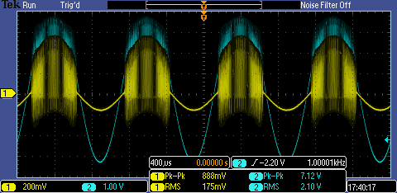
 | 10 | 0.18 | 1.77 | 19.854015225
 | 50 | 0.18 | 2.02 | 21.001577287
 | 100 | 0.18 | 2.04 | 21.087153246
 | 500 | 0.18 | 2.04 | 21.087153246
 | 1000 | 0.18 | 2.05 | 21.129627119
 | 5000 | 0.18 | 2.18 | 21.66367977
 | 10000 | 0.18 | 2.19 | 21.703432195
 | 50000 | 0.18 | 2.23 | 21.860647159
 | 100000 | 0.17 | 2.37 | 22.885988493
 | 500000 | 0.12 | 1.84 | 23.712731539
 | 1000000 | 0.12 | 1.84 | 23.712731539
 | 2000000 | 0.12 | 0.48 | 12.041199827
 | 5000000 | 0.12 | 0.1 | -1.583624921

Conclusion | The gain drops because of the load on the amplifier
 | The required bandwidth of 10Hz to 100kHz with 0.5W output power was achieved.
Test conditions | Full power test
(Absolute values) | Rload | 8Ohm
 | Pload | 15W
Test results
(RMS values)

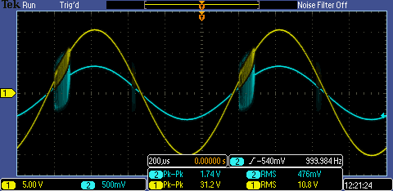
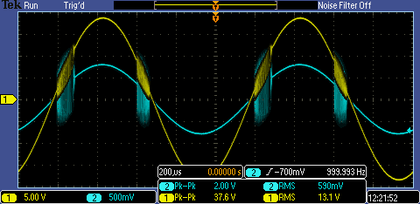

$$Pload=\frac{Vout}{Rload}=\frac{10,8}{8}=14,6W$$
$$Pload=\frac{Vout}{Rload}=\frac{13,1}{8}=21,5W$$

Conclusion | The required 15W output power at 1KHz sinusoidal was achieved.

