Example_support
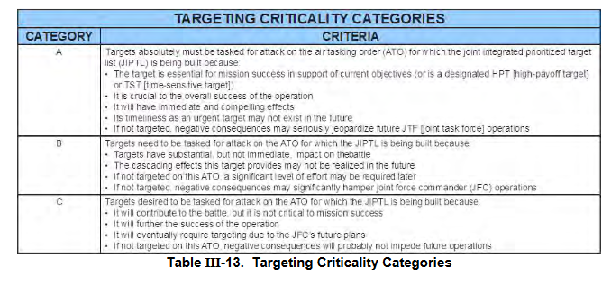
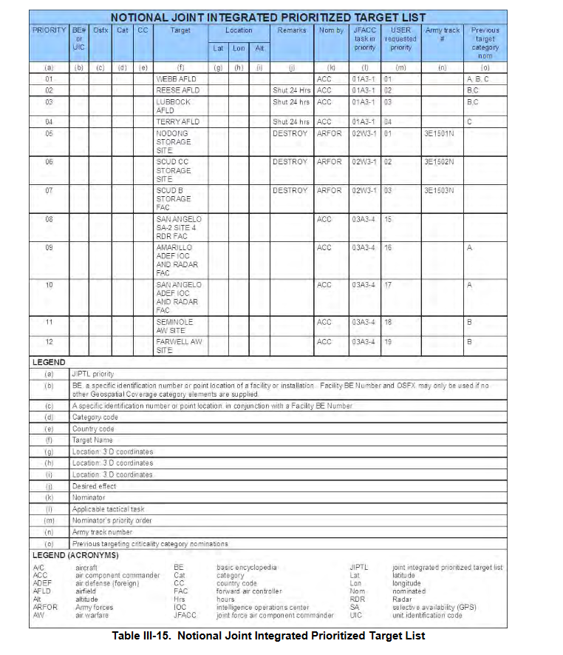
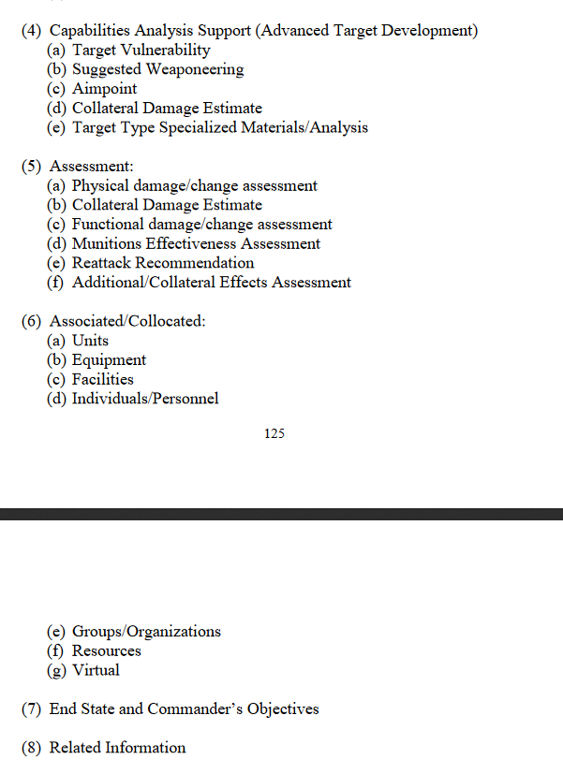
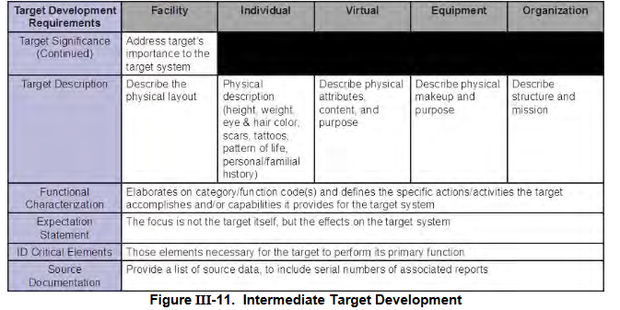
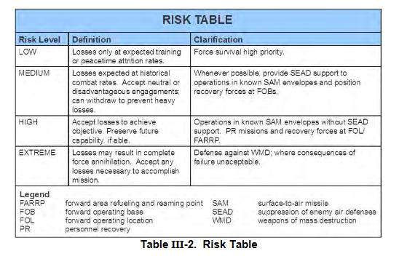
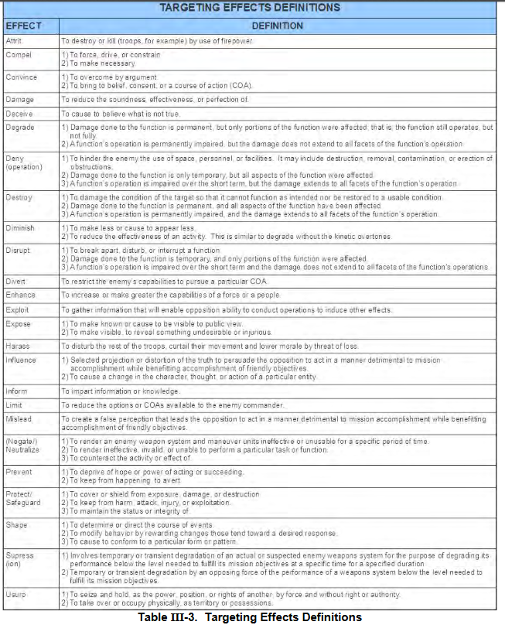
Source:
Joint Targeting School Study guide (Unclassified): | https://www.jcs.mil/Portals/36/Documents/Doctrine/training/jts/jts_studentguide.pdf?ver=2017-12-29-171316-067

JPUB Joint Targeting (Unclassified): | https://www.justsecurity.org/wp-content/uploads/2015/06/Joint_Chiefs-Joint_Targeting_20130131.pdf

