Explanation
ACCEPTED RISK LEVELS
RISK LEVEL | DEFINITION | CLARIFICATION
LOW | Losses only at expected training or peactime attrition rates | Force survival high priority
MEDIUM | losses expected at historical combat rates. Accept neutral or disadvantegous engagements can withdraw to prevent heavy losses | Whenever possible, provide SEAD support to operations in known SAM envelopes and position recovery forces at FOBs
HIGH | Accept losses to achieve objective. Preserve future capability if able | Operations in known SAM envelopes without SEAD support. PR missions and recovery forces at FOL/FARP
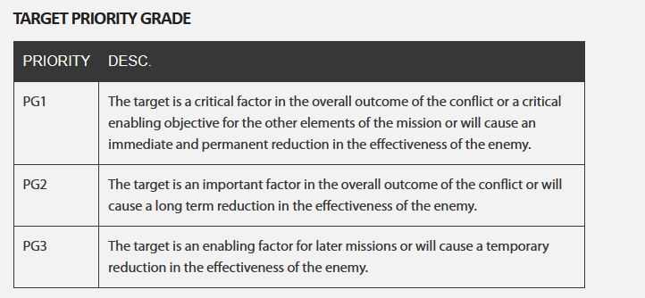
EXTREME | Losses may result in complete force annihilation. Accept any losses necessary to accomplish mission | Defense against WMD, where consequences of failure unaceptable.

TARGET CATEGORIES
CATEGORY | CRITERIA
A | Targets absolutely must be tasked for attack on this ATO because: - The target is essential for mission success in support of current objectives (or is a designated HPT, High Payoff Target, or TST - It is crucial to the overall success of the operation - It will have immediate and compelling effects - Its timeliness as an urgent target may not exist in the future - If not targeted, negative consequences may seriously jeopardize future CJTF operations
B | Targets need to be tasked for attack on this ATO because: - Targets have substantial, but not immediate impact on the battle - The cascading effects this target provides may not be realized in the future - If not targeted on this ATO, a significant level of effort may be required later - If not targeted , negative consequence smay significantly hamper CJTF operations
C | Targets desired to be tasked for attack on this ATO because: - It will contribute to the battle, but it is not critical to mission success - It will further the success of the operation - It will eventually require targetding due to JFC future plans - If not targeted on this ATO, negative consequences will probably not impede operations
D | Target of oppertunity if other targets not suitable for this ATO - It will have minor contributions to the operation - It may be required for targeting, but is not time critical - If not targeted, no negative consequences

Example_support
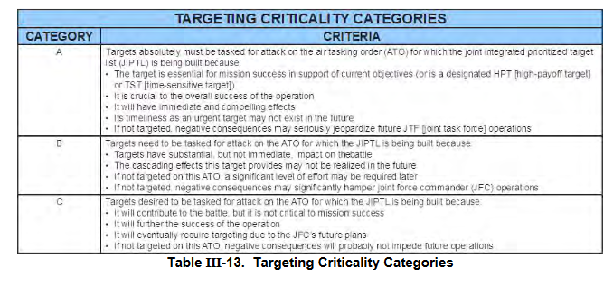
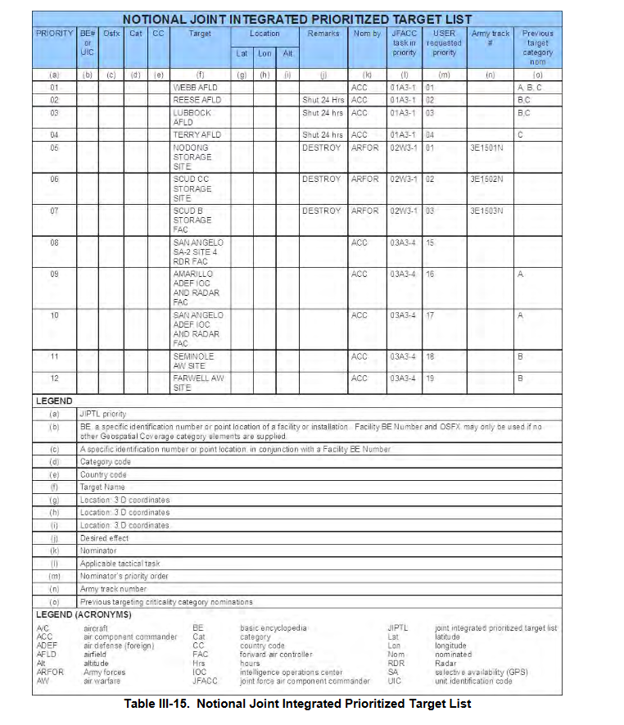
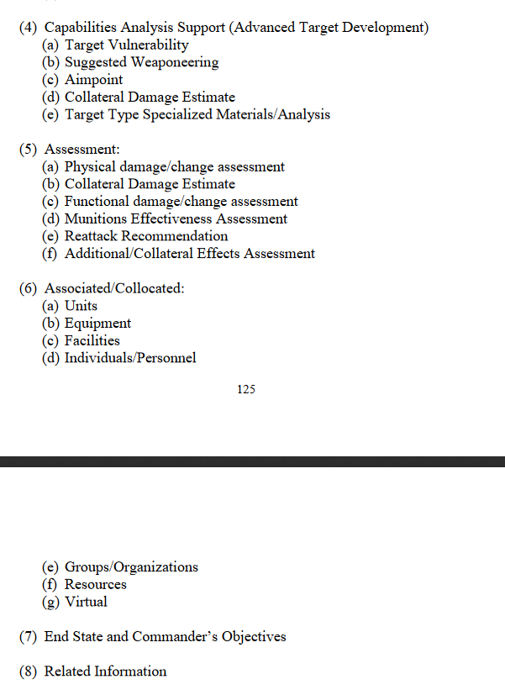
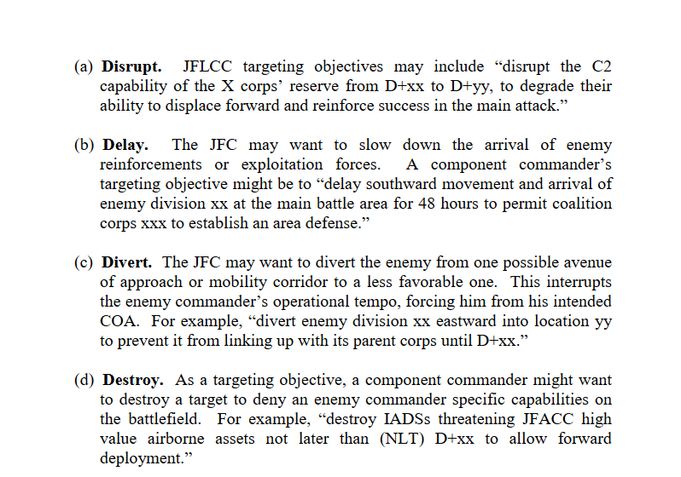
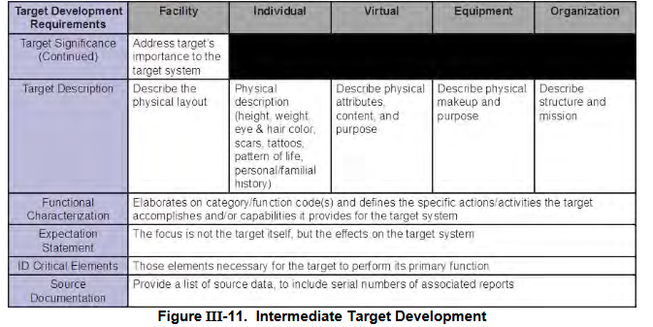
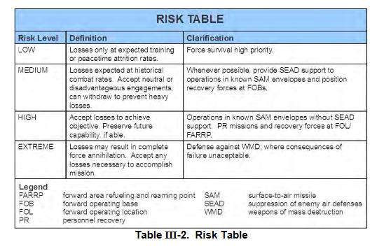
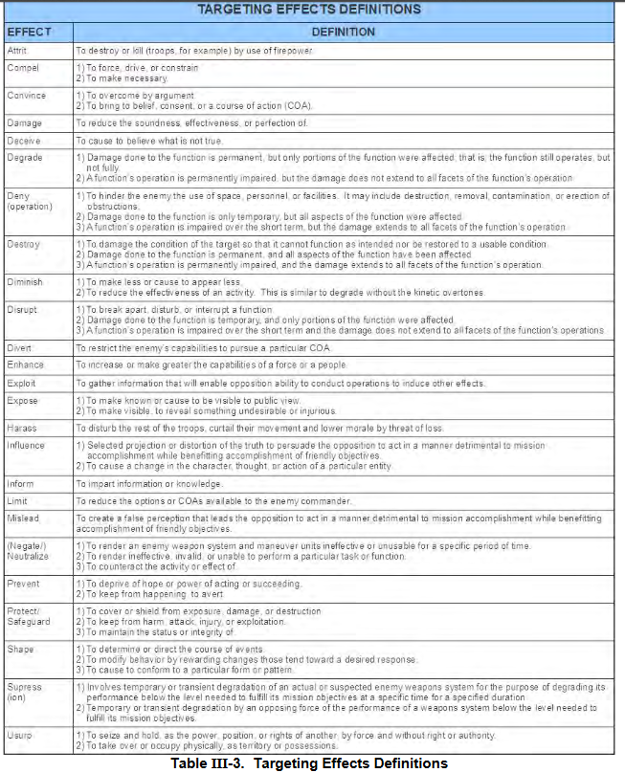
Source:
Joint Targeting School Study guide (Unclassified): | https://www.jcs.mil/Portals/36/Documents/Doctrine/training/jts/jts_studentguide.pdf?ver=2017-12-29-171316-067

JPUB Joint Targeting (Unclassified): | https://www.justsecurity.org/wp-content/uploads/2015/06/Joint_Chiefs-Joint_Targeting_20130131.pdf

