Explanation Risk levels
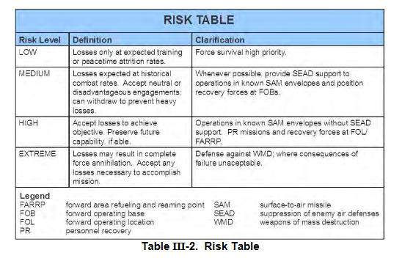

ACCEPTED RISK LEVELS
RISK LEVEL | DEFINITION | CLARIFICATION
LOW | Losses only at expected training or peactime attrition rates | Force survival high priority
MEDIUM | Losses expected at historical combat rates. Accept neutral or disadvantegous engagements. Can withdraw to prevent heavy losses | Whenever possible, provide SEAD support to operations in known SAM envelopes and position PR forces at at alert on FOBs/airfields
HIGH | Accept losses to achieve objective. Preserve future capability if able | Operations in known SAM envelopes without SEAD support. PR missions and recovery forces at FARP.
EXTREME | Losses may result in complete force annihilation. Accept any losses necessary to accomplish mission | Defense against WMD, where consequences of failure unaceptable.

Explanation Target Categories
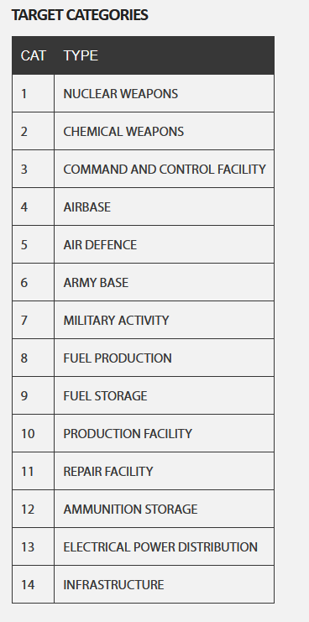
TARGET CATEGORIES
CATEGORIES | TYPE
1 | Nuclear weapons
2 | Chemical weapons
3 | Biological weapons
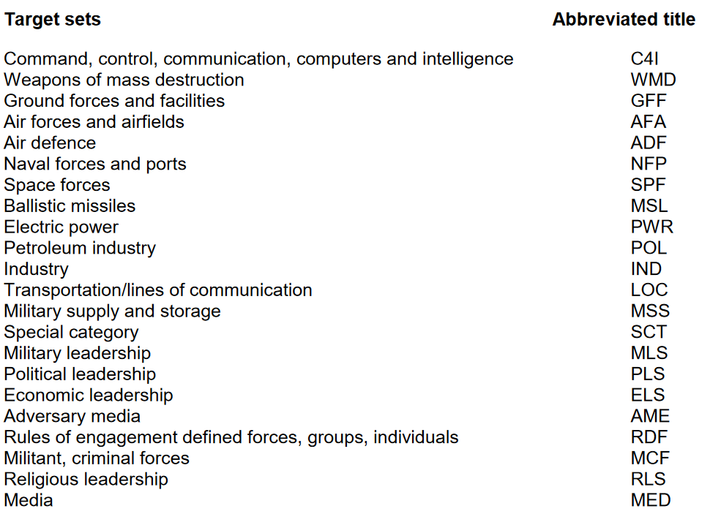
4 | Command, Control and Communications
5 | Airforces and airfields
6 | Air Defence
7 | Ground forces and facilities
8 | Naval forces and ports
9 | Petroleum industry | Fuel production | Fuel storage | Pipelines
10 | Electric power | Powerplants, powerlines
11 | Military supply and storage | Ammunition storage, warehouses, factories
12 | Transportation / lines of communications
13 | Political leadership
14 | Media
15 | Industry | General industry not covered by other categories
16 | Infrastructure

 | Naval Base

Explanation Target Priorities
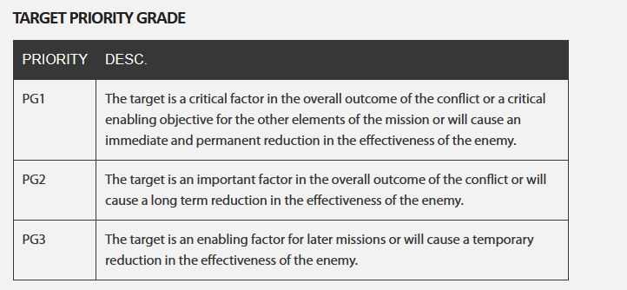
TARGET PRIORITIES
PRIORITY | CRITERIAS
A | The target is essential for mission success in support of current objectives (or is a designated High Value Target, High Payoff Target, or TST) It is crucial to the overall success of the operation It will have immediate and compelling effects Its timeliness as an urgent target may not exist in the future If not targeted, negative consequences may seriously jeopardize future CJTF operations
B | Targets have substantial, but not immediate impact on the battle The cascading effects this target provides may not be realized in the future If not targeted on this ATO, a significant level of effort may be required later If not targeted , negative consequence smay significantly hamper CJTF operations
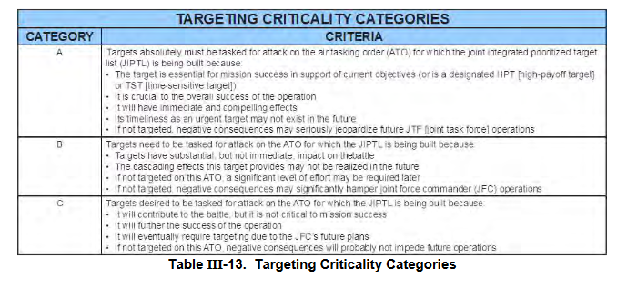
C | It will contribute to the battle, but it is not critical to mission success It will further the success of the operation It will eventually require targetding due to JFC future plans If not targeted on this ATO, negative consequences will probably not impede operations
D | Target of oppertunity if a) other targets not suitable for this ATO. Or b) as a backup target - It will have minor contributions to the operation - It may be required for targeting, but is not time critical - If not targeted, no negative consequences

Explanation Target Effetcs
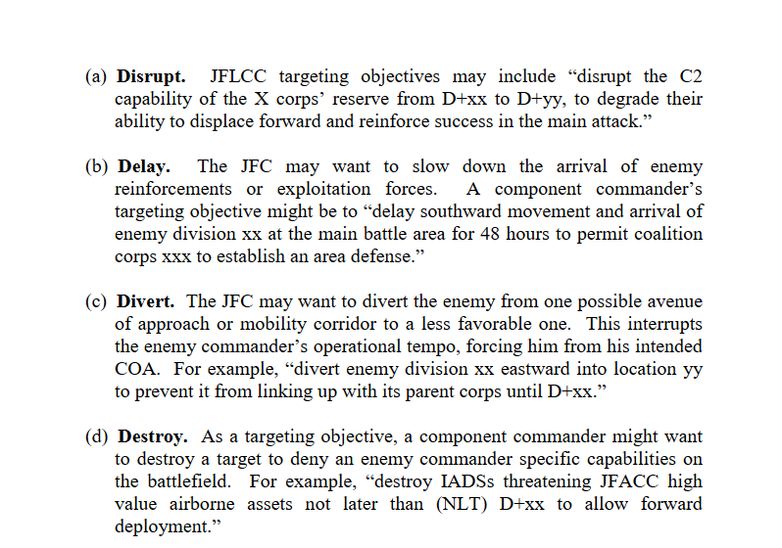
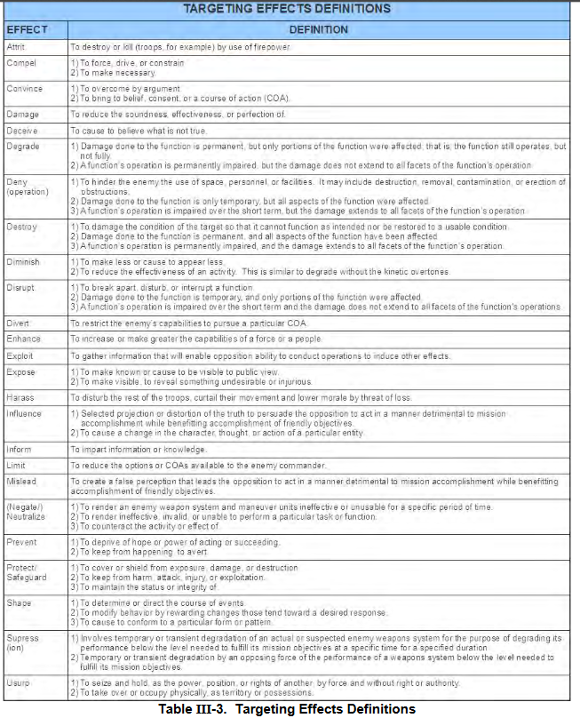
TARGET EFFECTS DEFINITIONS
EFFECT | DEFINITION

Example_support
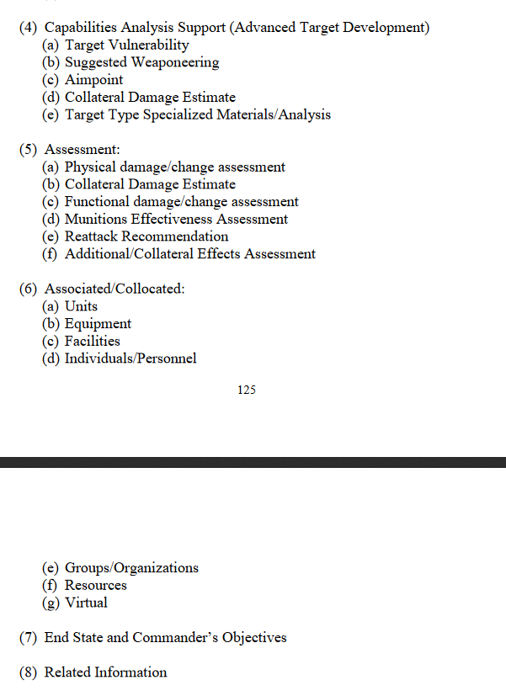
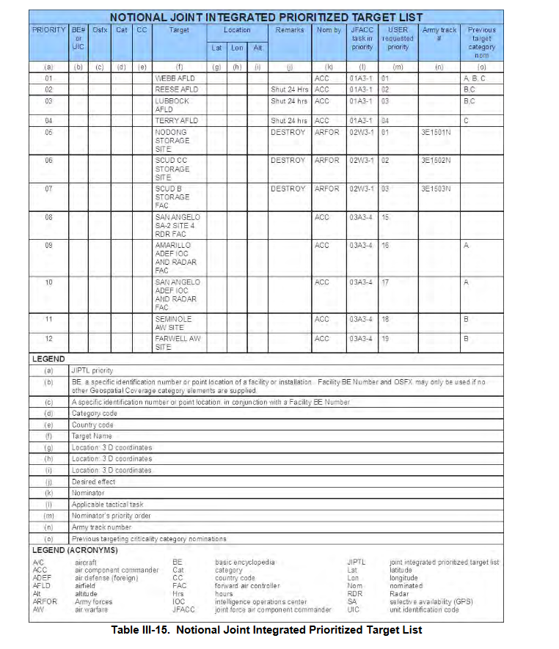
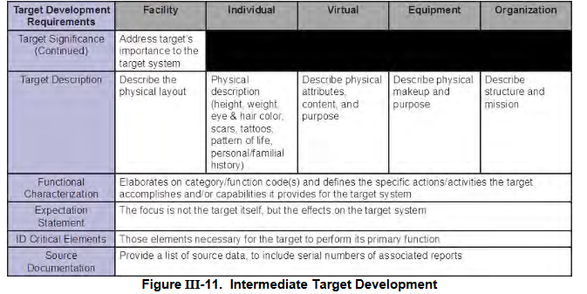
Source:
Joint Targeting School Study guide (Unclassified): | https://www.jcs.mil/Portals/36/Documents/Doctrine/training/jts/jts_studentguide.pdf?ver=2017-12-29-171316-067

JPUB Joint Targeting (Unclassified): | https://www.justsecurity.org/wp-content/uploads/2015/06/Joint_Chiefs-Joint_Targeting_20130131.pdf

