Risk levels
 |  |  | OLD REFERENCES
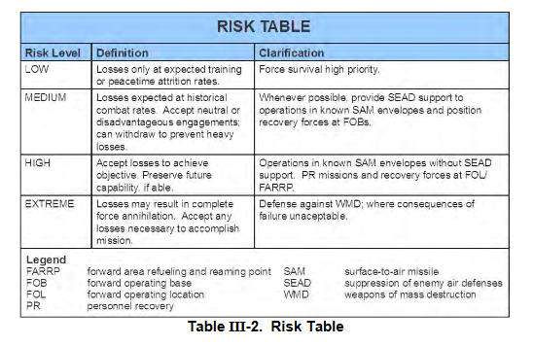

EXPLANATION:
Accepted risk levels are given for each target on JPTL and TST matrix by JFACC. Show what kind of risk JFACC is willing to take for each target.
ACCEPTED RISK LEVELS
RISK LEVEL | DEFINITION | CLARIFICATION
LOW | Losses only at expected training or peactime attrition rates | Force survival high priority
MEDIUM | Losses expected at historical combat rates. Accept neutral or disadvantegous engagements. Can withdraw to prevent heavy losses | Whenever possible, provide SEAD support to operations in known SAM envelopes and position PR forces at at alert on FOBs/airfields
HIGH | Accept losses to achieve objective. Preserve future capability if able | Operations in known SAM envelopes without SEAD support. PR missions and recovery forces at FARP.
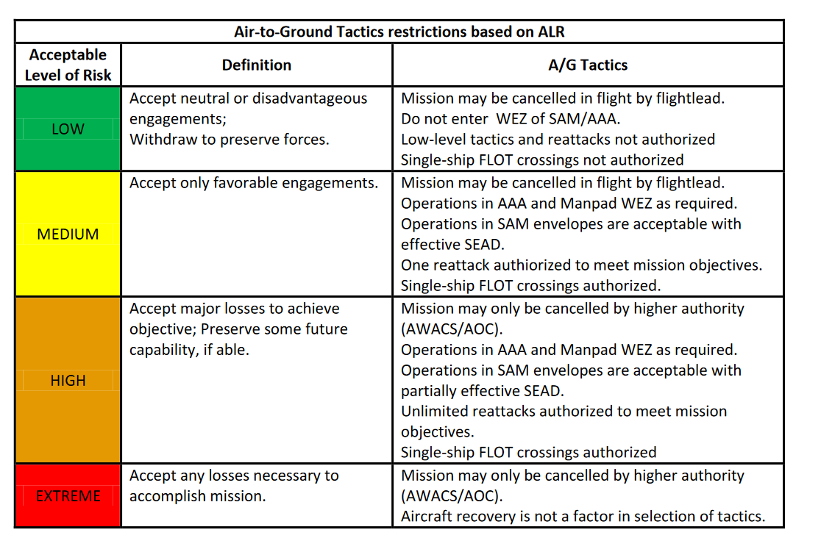
EXTREME | Losses may result in complete force annihilation. Accept any losses necessary to accomplish mission | Defense against WMD (weapons of mass destruction), where consequences of failure unaceptable.

Target Categories
EXPLANATION:
Every target on the target list is in one of these categories. CJTF HQ or JFACC can give restrictions or priorities using these categories. For example, CJTF HQ can ask JFACC to focus on category 4-8, and while making sure any target from category 1-3 is a TST target. And Category 13 and 14 is not allowed to attack for the next period.
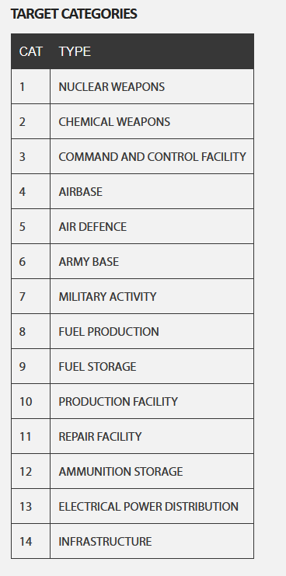
TARGET CATEGORIES |  |  | OLD REFERENCES
CATEGORIES | TYPE
1 | Weapons of Mass destruction (Nuclear, Biological, Chemical) | Research facility, production facility, storage, scientists, delivery means
2 | Command, Control and Communications | Command bunkers, radio masts, Headquarters
3 | Airforces and airfields | Aircrafts and airfields
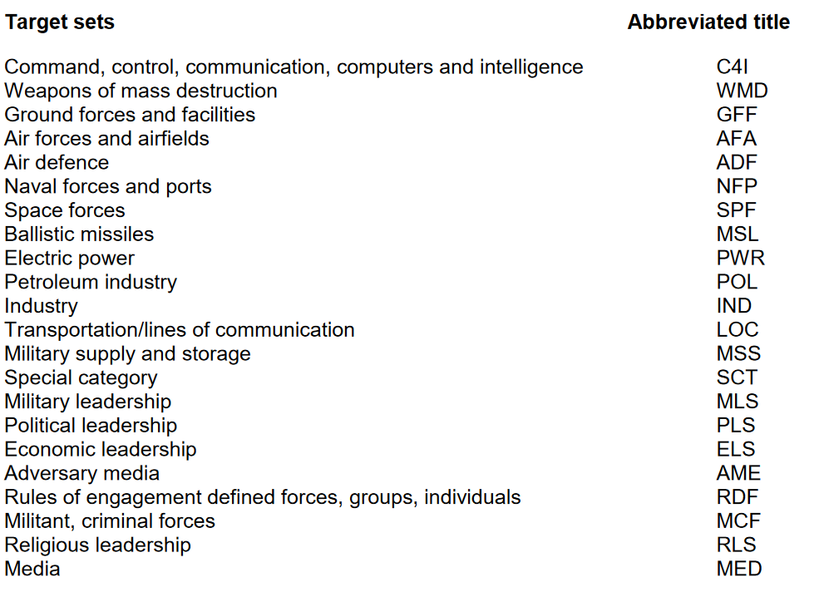
4 | Air Defence | SAMs, IADS components, AAA
5 | Ground forces and facilities | Ground vehicles and bases, military research facility
6 | Naval forces and ports | Ships and ports
7 | Petroleum industry | Petroleum, Oil, Lubricants (POL): Fuel production, fuel storage, pipelines, refineries, platforms, wells
8 | Electric power | Powerplants, powerlines
9 | Military production, supply and storage (Military industry) | Ammunition storage, warehouses, factories of military supplies
10 | Transportation / lines of communications | Roads, railroad, bridges
11 | Political leadership | Regime leadership
12 | Media | TV stations, radio stations
13 | Industry (Civilian) | General industry not covered by other categories, factories (Non-military equipment)
14 | Infrastructure | General infrastructure not covered by other categories

 | Naval Base

Target Priorities
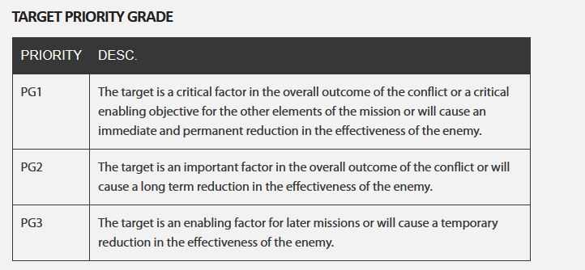
EXPLANATION:
VIS will , based on the current situation, availeble intelligence and priorities, assign a priority for each target. This will help JFACC prioritizing the most important targets for selection on the JPTL for the next periode (next event)
 |  |  |  | OLD REFERENCES
TARGET PRIORITIES
PRIORITY | CRITERIAS
A | The target is essential for mission success in support of current objectives (or is a designated High Value Target, High Payoff Target, or TST) It is crucial to the overall success of the operation It will have immediate and compelling effects Its timeliness as an urgent target may not exist in the future If not targeted, negative consequences may seriously jeopardize future CJTF operations
B | Targets have substantial, but not immediate impact on the battle The cascading effects this target provides may not be realized in the future If not targeted on this ATO, a significant level of effort may be required later If not targeted , negative consequence smay significantly hamper CJTF operations
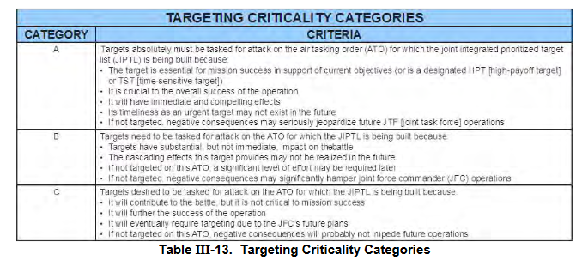
C | It will contribute to the battle, but it is not critical to mission success It will further the success of the operation It will eventually require targetding due to JFC future plans If not targeted on this ATO, negative consequences will probably not impede operations
D | Target of oppertunity if a) other targets not suitable for this ATO. Or b) as a backup target - It will have minor contributions to the operation - It may be required for targeting, but is not time critical - If not targeted, no negative consequences

 | TARGET CATEGORIES
 | CATEGORIES | TYPE
 | 1 | Weapons of Mass destruction (Nuclear, Biological, Chemical) | Research facility, production facility, storage, scientists, delivery means
 | 2 | Command, Control and Communications | Command bunkers, radio masts, Headquarters
 | 3 | Airforces and airfields | Aircrafts and airfields
 | 4 | Air Defence | SAMs, IADS components, AAA
 | 5 | Ground forces and facilities | Ground vehicles and bases, military research facility
 | 6 | Naval forces and ports | Ships and ports
 | 7 | Petroleum industry | Petroleum, Oil, Lubricants (POL): Fuel production, fuel storage, pipelines, refineries, platforms, wells
 | 8 | Electric power | Powerplants, powerlines
 | 9 | Military production, supply and storage (Military industry) | Ammunition storage, warehouses, factories of military supplies
 | 10 | Transportation / lines of communications | Roads, railroad, bridges
 | 11 | Political leadership | Regime leadership
 | 12 | Media | TV stations, radio stations
 | 13 | Industry (Civilian) | General industry not covered by other categories, factories (Non-military equipment)
 | 14 | Infrastructure | General infrastructure not covered by other categories

Effects
EXPLANATION:
On the JPTL, JFACC will state the effect they want to achieve for each target.
It will be the AOC's job to translate this into specific taskings (together with risk level guidance from JFACC).
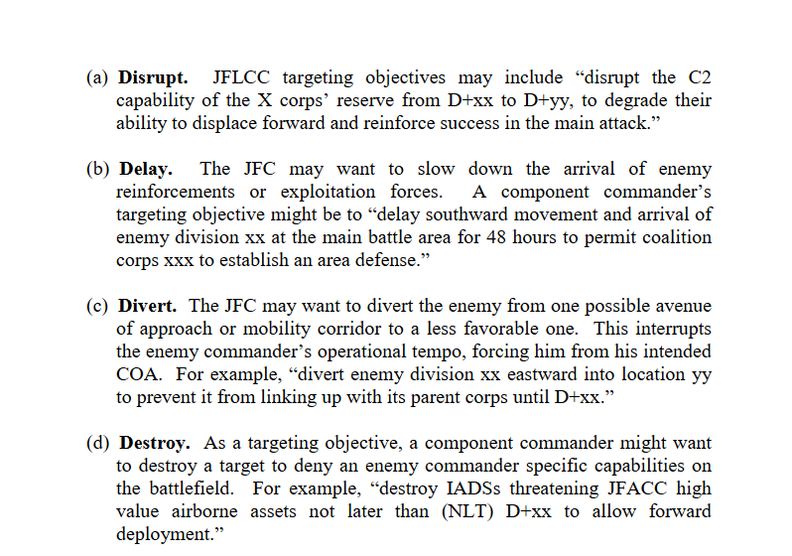
TARGET EFFECTS DEFINITIONS |  |  | OLD REFERENCES
EFFECT | DEFINITION | Explanation
Destroy | 1)To damage the condition of the target so that it can not function as intended nor to be restored to a usable condition 2) Damage done to the function is permanen, and all aspects of the function have been affected 3) A function's operation is permanently impaired, and the damage extends to all facets of the function's operation | Completely destroy the assigned target. Typically used for fixed targets. Targets can consists of multiple DPI/DMPI's (Desired Point of Impact / Desired Mean Point of Impact). Destroy means destroying all DPI / DMPI completely destroyed.
Degrade | 1) Damage done to the function is permanent, but only portions of the function were affected, that is, the function is still operational, but not fully 2) A functions operation is permanently impaired, but the damage does not extend to all facets of the functions operation. | Partly destroy the assigned target. Typically used for fixed targets. Degrade means destroying portions of DPI / DMPI 's. Can be given as %. Example: Degrade target 30% means 30 % of DPI/DMPI's need to be destroyed.
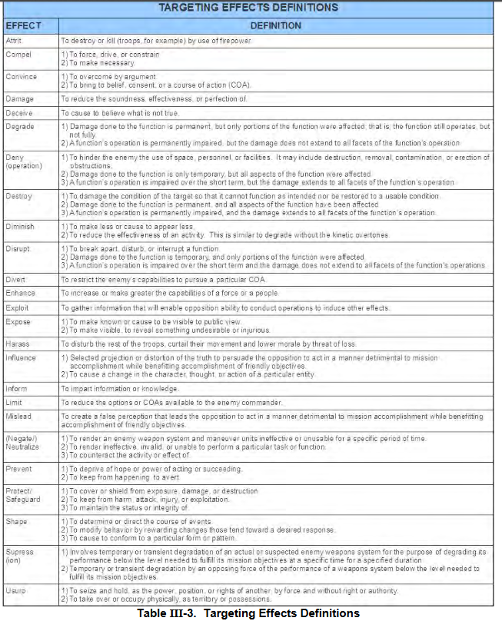
Neutralize | 1) To render an enemy weapon systen and maneuver unit ineffective or unusable for a specific period of time 2) To render ineffective, invalid or unable to perform a particular task or function 3) To counteract the activiy or effect of | Typically used against mobile targets / mobile weapons systems / maneuver units. Means to make it ineffective by either killing it or damaging it so it is unusable
Attrit | 1) To destroy or kill by the use of firepower (troops for example) | Typically used against enemy ground formations (Corps, Divisions, Brigades, Battalions). Can also be given as Attrit and a percent value to state how much the formation should be destroyed/killed. For example: Attrit 1st Armor BN 50%.
Disrupt | 1) To break apart, disturb or interrupt a function 2) Damage done to the function is temporary, and only portions of the function have been affected 3) A functions operations is imparied over the short term and the damage does not extend to all facets of the functions operations | To interrupt the function of the target. For example by using HARM's to disrupt SAM sites from using its radar. Or disturb or break apart, for example by disturbing a formation moving on a road by attacking the vehicles on the road
Deny | 1) To hinder the enemy the use of space, personel or facilities. It may include destruction, removal 2) Damage done to the function is only temporary, but all aspects of the function were affected 3) A function's operations is impaired over the short term, but the damage extends to all facets of the functions operations | Used against lines of communication (deny use of), or facilities (deny use of), or area (deny use of)
Harass | 1) To disturb the rest of the troops, curtail their movement and lower morale by threat of loss. | Typically used againts enemy ground formations or air units. Attack parts of the enemy units, but does not need to be successful and destroy. It is primarily for reducing the moral by inducing fear on the enemy that they may be next or may be hit soon
Prevent | 1) To deprive of hope or power of acting or succeeding 2) To keep from happening to avert | For example prevent use of enemy airfield for 24 hours.

Example_support
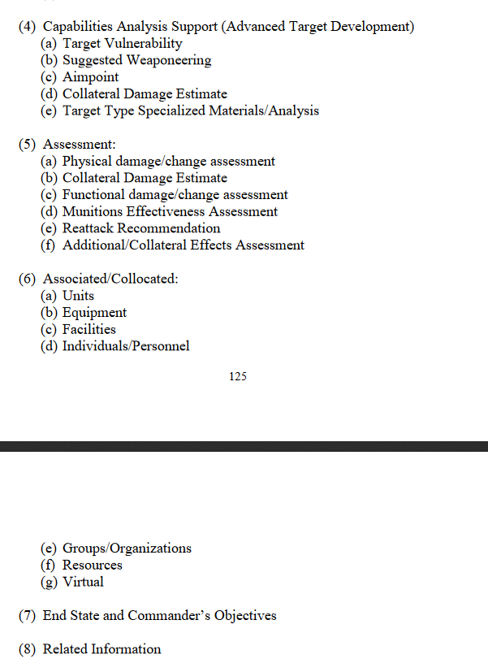
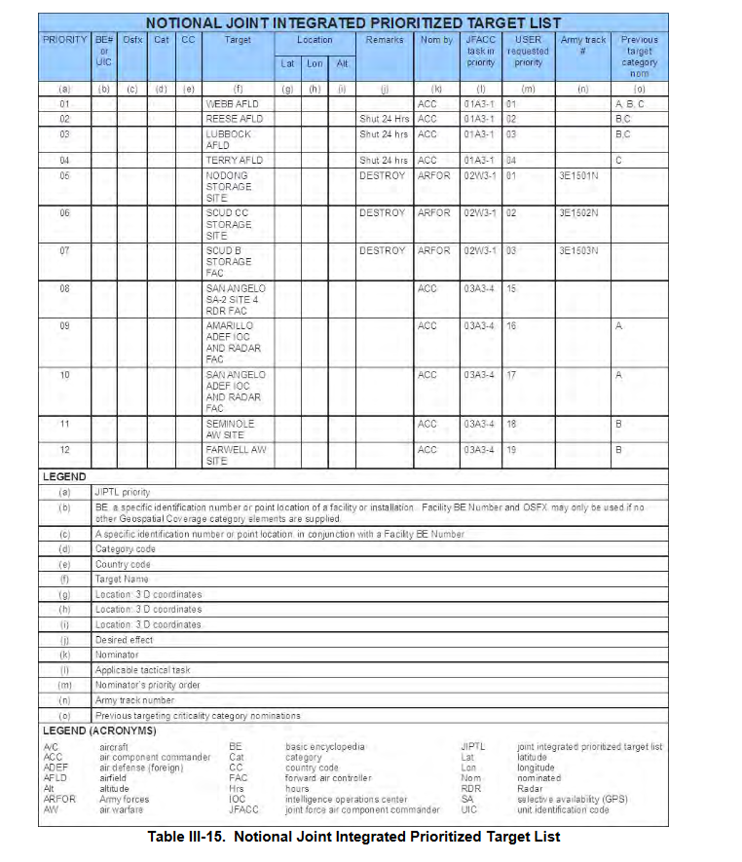
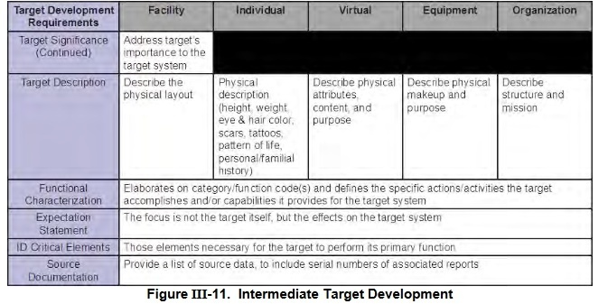
Source:
Joint Targeting School Study guide (Unclassified): | https://www.jcs.mil/Portals/36/Documents/Doctrine/training/jts/jts_studentguide.pdf?ver=2017-12-29-171316-067

JPUB Joint Targeting (Unclassified): | https://www.justsecurity.org/wp-content/uploads/2015/06/Joint_Chiefs-Joint_Targeting_20130131.pdf

