Instruction
 | 这个文件主要用来整理MIA回归模型的结果，更新成给CS的模板
 | • 自动更新"2A 回归Syntax"，Column A为X变量，Column B为Y变量（填充回归变量，多组回归同时进行时，按每组间间隔三行的形式向下填充）
 | • 自动更新 2A Regression、2B RotationRule、2B FL、2C 均值、seenvsnoseen、Sample_Check
 | • 需要维护2A 回归syntax C列及以后的公式
 | • 更新“2D Mapping“，column A填写"2A Regression结果"对应的regression第几个regression结果表格（column L），column B填写table 对应的KPI，column C填写这个KPI是基于Total样本or部分样本
 | • 2E.Analysis_MIA中，需要手动填写B列黄色部分(指回归x变量中除了factor以外的部分）

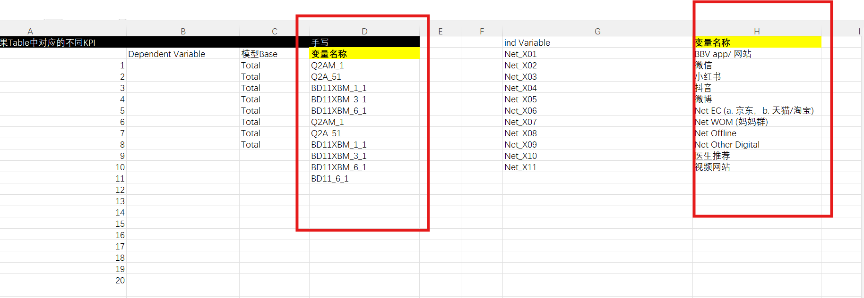
 | 使用前需要先手动写的部分： |  | G列是用于和运行时的变量名对照的，如果能完全保证顺序一致，不写也可以
 | 2D Mapping中两列变量名称列（写希望交付结果时显示的变量名）
 | 2E.Analysis_MIA/2E.ROE Scan中最左侧黄色方块（Brand dispo）
 | 写入之后，2E中对应的图表才能分别出现变量名和数值

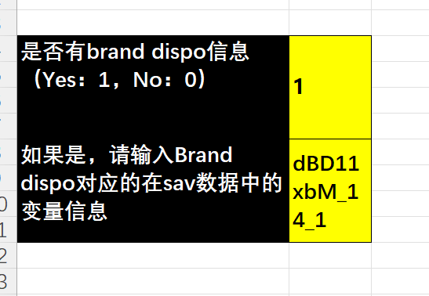
不适用的情况：
跑一次整个流程时，如果同时存在reg1，reg2…..那么他们的ind必须同时含同一个Brand dispo或者同时不含Brand dispo

因为2E中，有如图的约束（取0/1），如果我们运行时2A中得到的reg结果是同时存在：含不同的Brand dispo或者不含，会和该约束产生冲突，数据出错

在2E从2A中读取回归结果时，实际上只会从A列读取第一次出现的kpi

 |  | 可以看到变量名相同时，数据都一样，也就是说如果reg2和reg1用同样的y变量就可能不被识别

建议：
1.ind相同时，可以只跑一组reg，罗列dep就可以
在运行时要注意config参数和Brand dispo的配套

2F.Results to CS_MIA
KPI Performance Breakdown
 | Other (No exposure) | Campaign Impacts (contribution from exposure)
Brand Awareness | 0.0% | 0.0%
Brand Familiarity | 0.0% | 0.0%
Brand Consideration | 0.0% | 0.0%
Outstanding performance in taking portraits | 0.0% | 0.0%
0 | 0.0% | 0.0%
0 | 0.0% | 0.0%
0 | 0.0% | 0.0%
0 | 0.0% | 0.0%
0 | 0.0% | 0.0%
0 | 0.0% | 0.0%
0 | 0.0% | 0.0%
0 | 0.0% | 0.0%
0 | 0.0% | 0.0%
0 | 0.0% | 0.0%
0 | 0.0% | 0.0%
0 | 0.0% | 0.0%
0 | 0.0% | 0.0%
0 | 0.0% | 0.0%
0 | 0.0% | 0.0%
0 | 0.0% | 0.0%
KPI

Other (No exposure)
Campaign Impacts (contribution from exposure)
Performance

Contribution% of Media Channel
channel

 | instagram | youtube | tiktok | metro | 0 | 0 | 0 | 0 | 0 | 0 | 0 | 0
Brand Awareness | 0% | 0% | 0% | 0% | 0% | 0% | 0% | 0% | 0% | 0% | 0% | 0%
Brand Familiarity | 0% | 0% | 0% | 0% | 0% | 0% | 0% | 0% | 0% | 0% | 0% | 0%
Brand Consideration | 0% | 0% | 0% | 0% | 0% | 0% | 0% | 0% | 0% | 0% | 0% | 0%
Outstanding performance in taking portraits | 0% | 0% | 0% | 0% | 0% | 0% | 0% | 0% | 0% | 0% | 0% | 0%
0 | 0% | 0% | 0% | 0% | 0% | 0% | 0% | 0% | 0% | 0% | 0% | 0%
0 | 0% | 0% | 0% | 0% | 0% | 0% | 0% | 0% | 0% | 0% | 0% | 0%
0 | 0% | 0% | 0% | 0% | 0% | 0% | 0% | 0% | 0% | 0% | 0% | 0%
0 | 0% | 0% | 0% | 0% | 0% | 0% | 0% | 0% | 0% | 0% | 0% | 0%
0 | 0% | 0% | 0% | 0% | 0% | 0% | 0% | 0% | 0% | 0% | 0% | 0%
0 | 0% | 0% | 0% | 0% | 0% | 0% | 0% | 0% | 0% | 0% | 0% | 0%
0 | 0% | 0% | 0% | 0% | 0% | 0% | 0% | 0% | 0% | 0% | 0% | 0%
0 | 0% | 0% | 0% | 0% | 0% | 0% | 0% | 0% | 0% | 0% | 0% | 0%
0 | 0% | 0% | 0% | 0% | 0% | 0% | 0% | 0% | 0% | 0% | 0% | 0%
0 | 0% | 0% | 0% | 0% | 0% | 0% | 0% | 0% | 0% | 0% | 0% | 0%
0 | 0% | 0% | 0% | 0% | 0% | 0% | 0% | 0% | 0% | 0% | 0% | 0%
0 | 0% | 0% | 0% | 0% | 0% | 0% | 0% | 0% | 0% | 0% | 0% | 0%
0 | 0% | 0% | 0% | 0% | 0% | 0% | 0% | 0% | 0% | 0% | 0% | 0%
0 | 0% | 0% | 0% | 0% | 0% | 0% | 0% | 0% | 0% | 0% | 0% | 0%
0 | 0% | 0% | 0% | 0% | 0% | 0% | 0% | 0% | 0% | 0% | 0% | 0%
0 | 0% | 0% | 0% | 0% | 0% | 0% | 0% | 0% | 0% | 0% | 0% | 0%

2F.Results to CS_ROE SCAN
KPI Performance Breakdown
 | Other (No exposure) | Campaign Impacts (contribution from exposure)
Brand Awareness | 0.0% | 0.0%
Brand Familiarity | 0.0% | 0.0%
Brand Consideration | 0.0% | 0.0%
Outstanding performance in taking portraits | 0.0% | 0.0%
0 | 0.0% | 0.0%
0 | 0.0% | 0.0%
0 | 0.0% | 0.0%
0 | 0.0% | 0.0%
0 | 0.0% | 0.0%
0 | 0.0% | 0.0%
0 | 0.0% | 0.0%
0 | 0.0% | 0.0%
0 | 0.0% | 0.0%
0 | 0.0% | 0.0%
0 | 0.0% | 0.0%
0 | 0.0% | 0.0%
0 | 0.0% | 0.0%
0 | 0.0% | 0.0%
0 | 0.0% | 0.0%
0 | 0.0% | 0.0%
KPI

Other (No exposure)
Campaign Impacts (contribution from exposure)
Performance

Contribution% of Media Channel

 | Brand Awareness | Brand Familiarity | Brand Consideration | Outstanding performance in taking portraits | 0 | 0 | 0 | 0 | 0 | 0 | 0 | 0
instagram | 0% | 0% | 0% | 0% | 0% | 0% | 0% | 0% | 0% | 0% | 0% | 0%
youtube | 0% | 0% | 0% | 0% | 0% | 0% | 0% | 0% | 0% | 0% | 0% | 0%
tiktok | 0% | 0% | 0% | 0% | 0% | 0% | 0% | 0% | 0% | 0% | 0% | 0%
metro | 0% | 0% | 0% | 0% | 0% | 0% | 0% | 0% | 0% | 0% | 0% | 0%
0 | 0% | 0% | 0% | 0% | 0% | 0% | 0% | 0% | 0% | 0% | 0% | 0%
0 | 0% | 0% | 0% | 0% | 0% | 0% | 0% | 0% | 0% | 0% | 0% | 0%
0 | 0% | 0% | 0% | 0% | 0% | 0% | 0% | 0% | 0% | 0% | 0% | 0%
0 | 0% | 0% | 0% | 0% | 0% | 0% | 0% | 0% | 0% | 0% | 0% | 0%
0 | 0% | 0% | 0% | 0% | 0% | 0% | 0% | 0% | 0% | 0% | 0% | 0%
0 | 0% | 0% | 0% | 0% | 0% | 0% | 0% | 0% | 0% | 0% | 0% | 0%
0 | 0% | 0% | 0% | 0% | 0% | 0% | 0% | 0% | 0% | 0% | 0% | 0%
0 | 0% | 0% | 0% | 0% | 0% | 0% | 0% | 0% | 0% | 0% | 0% | 0%
0 | 0% | 0% | 0% | 0% | 0% | 0% | 0% | 0% | 0% | 0% | 0% | 0%
0 | 0% | 0% | 0% | 0% | 0% | 0% | 0% | 0% | 0% | 0% | 0% | 0%
0 | 0% | 0% | 0% | 0% | 0% | 0% | 0% | 0% | 0% | 0% | 0% | 0%
0 | 0% | 0% | 0% | 0% | 0% | 0% | 0% | 0% | 0% | 0% | 0% | 0%
0 | 0% | 0% | 0% | 0% | 0% | 0% | 0% | 0% | 0% | 0% | 0% | 0%
0 | 0% | 0% | 0% | 0% | 0% | 0% | 0% | 0% | 0% | 0% | 0% | 0%
0 | 0% | 0% | 0% | 0% | 0% | 0% | 0% | 0% | 0% | 0% | 0% | 0%

Absolute Impact

Reach of Media Channel

Quality Index

 | Brand Awareness
0% | -
0% | -
0% | -
0% | -
0% | -
0% | -
0% | -
0% | -
0% | -
0% | -
0% | -
0% | -
0% | -
0% | -
0% | -
0% | -
0% | -
0% | -
0% | -
 | Brand Familiarity
0% | -
0% | -
0% | -
0% | -
0% | -
0% | -
0% | -
0% | -
0% | -
0% | -
0% | -
0% | -
0% | -
0% | -
0% | -
0% | -
0% | -
0% | -
0% | -
 | Brand Consideration
0% | -
0% | -
0% | -
0% | -
0% | -
0% | -
0% | -
0% | -
0% | -
0% | -
0% | -
0% | -
0% | -
0% | -
0% | -
0% | -
0% | -
0% | -
0% | -

 | Outstanding performance in taking portraits
0% | -
0% | -
0% | -
0% | -
0% | -
0% | -
0% | -
0% | -
0% | -
0% | -
0% | -
0% | -
0% | -
0% | -
0% | -
0% | -
0% | -
0% | -
0% | -
 | 0
 | -
 | -
 | -
 | -
 | -
 | -
 | -
 | -
 | -
 | -
 | -
 | -
 | -
 | -
 | -
 | -
 | -
 | -
 | -
 | 0
 | -
 | -
 | -
 | -
 | -
 | -
 | -
 | -
 | -
 | -
 | -
 | -
 | -
 | -
 | -
 | -
 | -
 | -
 | -
 | 0
 | -
 | -
 | -
 | -
 | -
 | -
 | -
 | -
 | -
 | -
 | -
 | -
 | -
 | -
 | -
 | -
 | -
 | -
 | -

