CameraLensPD-Metric
 | Distance between video camera and subject area

Lens | 6 meters |  | 10 meters |  | 20 meters |  | 40 meters |  | 80 meters |  | 100 meters
Focal
Length | Horizontal | Vertical | Horizontal | Vertical | Horizontal | Vertical | Horizontal | Vertical | Horizontal | Vertical | Horizontal | Vertical
MM | F.O.V. | F.O.V. | F.O.V. | F.O.V. | F.O.V. | F.O.V. | F.O.V. | F.O.V. | F.O.V. | F.O.V. | F.O.V. | F.O.V.
4 MM | 9.6 m | 7.2 m | 16 m | 12 m | 32 m | 24 m | 64 m | 48 m | 128 m | 96 m | 160 m | 120 m
LENS4.0 | (31 ft) | (24 ft) | (52 ft) | (39 ft) | (105 ft) | (79 ft) | (210 ft) | (157 ft) | (420 ft) | (315 ft) | (525 ft) | (394 ft)
AV13xx | 133 pix/m |  | 80 pix/m |  | 40 pix/m |  | 20 pix/m |  | 10 pix/m |  | 8 pix/m
AV21xx | 167 pix/m |  | 100 pix/m |  | 50 pix/m |  | 25 pix/m |  | 13 pix/m |  | 10 pix/m
AV31xx | 213 pix/m |  | 128 pix/m |  | 64 pix/m |  | 32 pix/m |  | 16 pix/m |  | 13 pix/m
AV51xx | 270 pix/m |  | 162 pix/m |  | 81 pix/m |  | 41 pix/m |  | 20 pix/m |  | 16 pix/m

5 MM | 7.68 m | 5.76 m | 12.8 m | 9.6 m | 25.6 m | 19.2 m | 51.2 m | 38.4 m | 102.4 m | 76.8 m | 128 m | 96 m
H0514-MP | (25 ft) | (19 ft) | (42 ft) | (31 ft) | (84 ft) | (63 ft) | (168 ft) | (126 ft) | (336 ft) | (252 ft) | (420 ft) | (315 ft)
AV13xx | 167 pix/m |  | 100 pix/m |  | 50 pix/m |  | 25 pix/m |  | 13 pix/m |  | 10 pix/m
AV21xx | 208 pix/m |  | 125 pix/m |  | 63 pix/m |  | 31 pix/m |  | 16 pix/m |  | 13 pix/m
AV31xx | 267 pix/m |  | 160 pix/m |  | 80 pix/m |  | 40 pix/m |  | 20 pix/m |  | 16 pix/m
AV51xx | 337 pix/m |  | 203 pix/m |  | 101 pix/m |  | 51 pix/m |  | 25 pix/m |  | 20 pix/m

6 MM | 6.4 m | 4.8 m | 10.67 m | 8 m | 21.33 m | 16 m | 42.67 m | 32 m | 85.33 m | 64 m | 106.67 m | 80 m
MPL6.0 | (21 ft) | (16 ft) | (35 ft) | (26 ft) | (70 ft) | (52 ft) | (140 ft) | (105 ft) | (280 ft) | (210 ft) | (350 ft) | (262 ft)
AV13xx | 200 pix/m |  | 120 pix/m |  | 60 pix/m |  | 30 pix/m |  | 15 pix/m |  | 12 pix/m
AV21xx | 250 pix/m |  | 150 pix/m |  | 75 pix/m |  | 38 pix/m |  | 19 pix/m |  | 15 pix/m
AV31xx | 320 pix/m |  | 192 pix/m |  | 96 pix/m |  | 48 pix/m |  | 24 pix/m |  | 19 pix/m
AV51xx | 405 pix/m |  | 243 pix/m |  | 122 pix/m |  | 61 pix/m |  | 30 pix/m |  | 24 pix/m

8 MM | 4.8 m | 3.6 m | 8 m | 6 m | 16 m | 12 m | 32 m | 24 m | 64 m | 48 m | 80 m | 60 m
M0814-MP | (16 ft) | (12 ft) | (26 ft) | (20 ft) | (52 ft) | (39 ft) | (105 ft) | (79 ft) | (210 ft) | (157 ft) | (262 ft) | (197 ft)
AV13xx | 267 pix/m |  | 160 pix/m |  | 80 pix/m |  | 40 pix/m |  | 20 pix/m |  | 16 pix/m
AV21xx | 333 pix/m |  | 200 pix/m |  | 100 pix/m |  | 50 pix/m |  | 25 pix/m |  | 20 pix/m
AV31xx | 427 pix/m |  | 256 pix/m |  | 128 pix/m |  | 64 pix/m |  | 32 pix/m |  | 26 pix/m
AV51xx | 540 pix/m |  | 324 pix/m |  | 162 pix/m |  | 81 pix/m |  | 41 pix/m |  | 32 pix/m

12 MM | 3.2 m | 2.4 m | 5.33 m | 4 m | 10.67 m | 8 m | 21.33 m | 16 m | 42.67 m | 32 m | 53.33 m | 40 m
M1214-MP | (10 ft) | (8 ft) | (17 ft) | (13 ft) | (35 ft) | (26 ft) | (70 ft) | (52 ft) | (140 ft) | (105 ft) | (175 ft) | (131 ft)
AV13xx | 400 pix/m |  | 240 pix/m |  | 120 pix/m |  | 60 pix/m |  | 30 pix/m |  | 24 pix/m
AV21xx | 500 pix/m |  | 300 pix/m |  | 150 pix/m |  | 75 pix/m |  | 38 pix/m |  | 30 pix/m
AV31xx | 640 pix/m |  | 384 pix/m |  | 192 pix/m |  | 96 pix/m |  | 48 pix/m |  | 38 pix/m
AV51xx | 810 pix/m |  | 486 pix/m |  | 243 pix/m |  | 122 pix/m |  | 61 pix/m |  | 49 pix/m

16 MM | 2.4 m | 1.8 m | 4 m | 3 m | 8 m | 6 m | 16 m | 12 m | 32 m | 24 m | 40 m | 30 m
M1614-MP | (8 ft) | (6 ft) | (13 ft) | (10 ft) | (26 ft) | (20 ft) | (52 ft) | (39 ft) | (105 ft) | (79 ft) | (131 ft) | (98 ft)
AV13xx | 533 pix/m |  | 320 pix/m |  | 160 pix/m |  | 80 pix/m |  | 40 pix/m |  | 32 pix/m
AV21xx | 667 pix/m |  | 400 pix/m |  | 200 pix/m |  | 100 pix/m |  | 50 pix/m |  | 40 pix/m
AV31xx | 853 pix/m |  | 512 pix/m |  | 256 pix/m |  | 128 pix/m |  | 64 pix/m |  | 51 pix/m
AV51xx | 1080 pix/m |  | 648 pix/m |  | 324 pix/m |  | 162 pix/m |  | 81 pix/m |  | 65 pix/m

25 MM | 1.54 m | 1.15 m | 2.56 m | 1.92 m | 5.12 m | 3.84 m | 10.24 m | 7.68 m | 20.48 m | 15.36 m | 25.6 m | 19.2 m
M2514-MP | (5 ft) | (4 ft) | (8 ft) | (6 ft) | (17 ft) | (13 ft) | (34 ft) | (25 ft) | (67 ft) | (50 ft) | (84 ft) | (63 ft)
AV13xx | 833 pix/m |  | 500 pix/m |  | 250 pix/m |  | 125 pix/m |  | 63 pix/m |  | 50 pix/m
AV21xx | 1042 pix/m |  | 625 pix/m |  | 313 pix/m |  | 156 pix/m |  | 78 pix/m |  | 63 pix/m
AV31xx | 1333 pix/m |  | 800 pix/m |  | 400 pix/m |  | 200 pix/m |  | 100 pix/m |  | 80 pix/m
AV51xx | 1687 pix/m |  | 1013 pix/m |  | 506 pix/m |  | 253 pix/m |  | 127 pix/m |  | 101 pix/m

50 MM | 0.77 m | 0.58 m | 1.28 m | 0.96 m | 2.56 m | 1.92 m | 5.12 m | 3.84 m | 10.24 m | 7.68 m | 12.8 m | 9.6 m
M5018-MP | (3 ft) | (2 ft) | (4 ft) | (3 ft) | (8 ft) | (6 ft) | (17 ft) | (13 ft) | (34 ft) | (25 ft) | (42 ft) | (31 ft)
AV13xx | 1667 pix/m |  | 1000 pix/m |  | 500 pix/m |  | 250 pix/m |  | 125 pix/m |  | 100 pix/m
AV21xx | 2083 pix/m |  | 1250 pix/m |  | 625 pix/m |  | 313 pix/m |  | 156 pix/m |  | 125 pix/m
AV31xx | 2667 pix/m |  | 1600 pix/m |  | 800 pix/m |  | 400 pix/m |  | 200 pix/m |  | 160 pix/m
AV51xx | 3375 pix/m |  | 2025 pix/m |  | 1013 pix/m |  | 506 pix/m |  | 253 pix/m |  | 203 pix/m

F.O.V. = Field of View
replace lens MM with actual part number
add cameras and pixel density
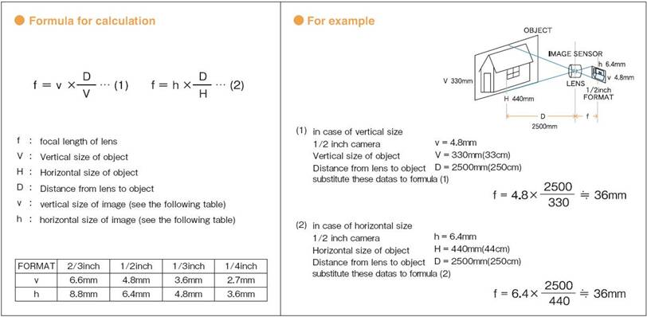
separate metric and empirical

