DHCP配置
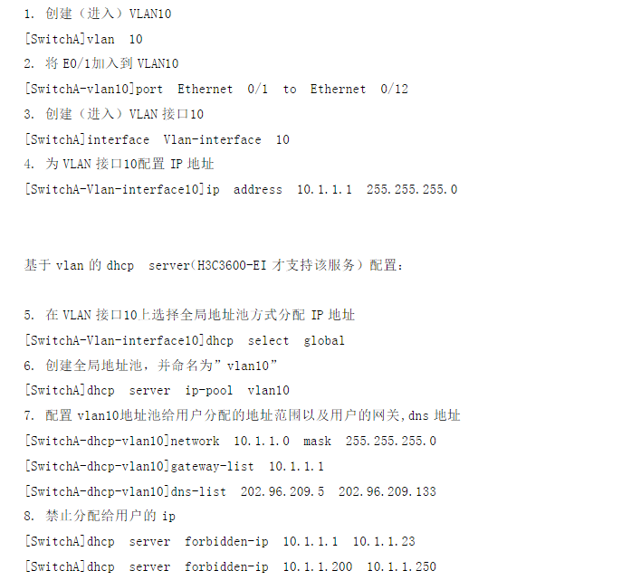

WIFI网络设置
公司名称利润表
管理部

 | AC |  |  | AP1 |  |  | AP2 |  |  | AP3
 |  | WifiName | TWN (1F-GLB) |  | Device | tplink |  | Device | tplink |  | Device | tplink
 |  | Device | tplink |  | Model | TL-AP1908GC-PoE |  | Model | TL-AP1908GC-PoE |  | Model | TL-AP1300GC-PoE
 |  | Model | TL-ER6229GPE-AC |  | Device Name | TWN (1F-GLB-AP1) |  | Device Name | TWN (1F-GLB-AP2) |  | Device Name | TWN (1F-GLB-AP3)
 |  | Locate | 管理部金库 |  | Locate |  |  | Locate |  |  | Locate
 |  | Network | Intranet |  | Mac Address | 98-97-CC-89-0E-C7 |  | Mac Address | 98-97-CC-89-07-68 |  | Mac Address | 64-6E-97-E5-6A-9B
 |  | WanIP | 172.26.35.103
 |  | LanIP | 192.168.1.100-199
 |  | Username | sysusr
 |  | Password | sysusrpas
 |  | Radius Server | 172.26.32.223
 |  | Radius Port | 1812
 |  | Radius Password | sun801228.
 |  | Mac Address | F4-6D-2F-4F-E8-46

加工部

 | AC |  |  | AP1 |  |  | AP2 |  |  | AP3
 |  | WifiName | TWN (1F-JGB) |  | Device | tplink |  | Device | tplink |  | Device | tplink
 |  | Device | tplink |  | Model | TL-AP1908GC-PoE |  | Model | TL-AP1908GC-PoE |  | Model | TL-AP1908GC-PoE
 |  | Model | TL-ER6229GPE-AC |  | Device Name | TWN (1F-JGB-AP1) |  | Device Name | TWN (1F-JGB-AP2) |  | Device Name | TWN (1F-JGB-AP3)
 |  | Locate | 管理部金库 |  | Locate | 加工部指令室 |  | Locate | 加工部现场 |  | Locate | 加工部仓库
 |  | Network | Intranet |  | Mac Address | 98-97-CC-89-0D-8F |  | Mac Address | 98-97-CC-89-0D-5F |  | Mac Address | 98-97-CC-88-EB-B4
 |  | WanIP | 172.26.35.106
 |  | LanIP | 192.168.1.100-199
 |  | Username | sysusr
 |  | Password | sysusrpas
 |  | Radius Server | 172.26.32.223
 |  | Radius Port | 1812
 |  | Radius Password | sun801228.
 |  | Mac Address | F4-6D-2F-4F-E8-46

车载制造部 1-2F

 | AC |  |  | AP1 |  |  | AP2 |  |  | AP3 |  |  | AP4
 |  | WifiName | TWN (2F-ZZB) |  | Device | tplink |  | Device | tplink |  | Device | tplink |  | Device | tplink
 |  | Device | tplink |  | Model | TL-AP1908GC-PoE |  | Model | TL-AP1908GC-PoE |  | Model | TL-AP1908GC-PoE |  | Model | TL-AP1908GC-PoE
 |  | Model | TL-ER6229GPE-AC |  | Device Name | TWN (2F-ZZB-AP1) |  | Device Name | TWN (2F-ZZB-AP2) |  | Device Name | TWN (2F-ZZB-AP3) |  | Device Name | TWN (2F-ZZB-AP4)
 |  | Locate | 管理部金库 |  | Locate | 指令室 |  | Locate | 现场1 |  | Locate | 现场2 |  | Locate | 第五会议室
 |  | Network | Intranet |  | Mac Address | 98-97-CC-89-0E-25 |  | Mac Address | 98-97-CC-81-9F-3A |  | Mac Address | 98-97-CC-81-92-98 |  | Mac Address | 98-97-CC-81-83-D1
 |  | WanIP | 172.26.36.113
 |  | LanIP | 192.168.1.100-199
 |  | Username | sysusr
 |  | Password | sysusrpas
 |  | Radius Server | 172.26.32.223
 |  | Radius Port | 1812
 |  | Radius Password | sun801228.
 |  | Mac Address | F4-6D-2F-4F-E8-46

品质保证部 1-3F

 | AC |  |  | AP1 |  |  | AP2 |  |  | AP3
 |  | WifiName | TWN (3F-PZB) |  | Device | tplink |  | Device | tplink |  | Device | tplink
 |  | Device | tplink |  | Model | TL-AP1908GC-PoE |  | Model | TL-AP1908GC-PoE |  | Model | TL-AP1908GC-PoE
 |  | Model | TL-ER6229GPE-AC |  | Device Name | TWN (3F-PZB-AP1) |  | Device Name | TWN (3F-PZB-AP2) |  | Device Name | TWN (3F-PZB-AP3)
 |  | Locate | 管理部金库 |  | Locate |  |  | Locate |  |  | Locate
 |  | Network | Intranet |  | Mac Address | 98-97-CC-81-6C-0D |  | Mac Address | 98-97-CC-81-9F-28 |  | Mac Address | 98-97-CC-81-91-A5
 |  | WanIP | 172.26.38.113
 |  | LanIP | 192.168.1.100-199
 |  | Username | sysusr
 |  | Password | sysusrpas
 |  | Radius Server | 172.26.32.223
 |  | Radius Port | 1812
 |  | Radius Password | sun801228.
 |  | Mac Address | F4-6D-2F-4F-E8-46

SD 制造部

 | AC |  |  | AP1 |  |  | AP2 |  |  | AP3 |  |  | AP4 |  |  | AP5
 |  | WifiName | TWN (1F-SDZ) |  | Device | tplink |  | Device | tplink |  | Device | tplink |  | Device | tplink |  | Device | tplink
 |  | Device | tplink |  | Model | TL-AP1908GC-PoE |  | Model | TL-AP1908GC-PoE |  | Model | TL-AP1908GC-PoE |  | Model | TL-AP1908GC-PoE |  | Model | TL-AP1908GC-PoE
 |  | Model | TL-ER6229GPE-AC |  | Device Name | TWN (1F-SDZ-AP1) |  | Device Name | TWN (1F-SDZ-AP2) |  | Device Name | TWN (1F-SDZ-AP3) |  | Device Name | TWN (1F-SDZ-AP3) |  | Device Name | TWN (1F-SDZ-AP3)
 |  | Locate | 管理部金库 |  | Locate | SD指令室 |  | Locate | 资材部 |  | Locate | SD现场 |  | Locate | 受入仓库 |  | Locate | 品证部
 |  | Network | Intranet |  | Mac Address | 98-97-CC-81-7F-45 |  | Mac Address | 98-97-CC-81-8F-71 |  | Mac Address | 98-97-CC-89-01-17 |  | Mac Address | 98-97-CC-89-0E-E8 |  | Mac Address | 98-97-CC-
 |  | WanIP | 172.26.37.156
 |  | LanIP | 192.168.1.100-199
 |  | Username | sysusr
 |  | Password | sysusrpas
 |  | Radius Server | 172.26.32.223
 |  | Radius Port | 1812
 |  | Radius Password | sun801228.
 |  | Mac Address | F4-6D-2F-4F-E8-46

技术部

 | AC |  |  | AP1 |  |  | AP2
 |  | WifiName | TWN (4F-JSB) |  | Device | tplink |  | Device | tplink
 |  | Device | tplink |  | Model | TL-AP1908GC-PoE |  | Model | TL-AP1908GC-PoE
 |  | Model | TL-ER6229GPE-AC |  | Device Name | TWN (4F-JSB-AP1) |  | Device Name | TWN (4F-JSB-AP2)
 |  | Locate | 管理部金库 |  | Locate |  |  | Locate
 |  | Network | Intranet |  | Mac Address | 98-97-CC-81-9F-22 |  | Mac Address | 98-97-CC-81-91-DB
 |  | WanIP | 172.26.39.227
 |  | LanIP | 192.168.1.100-199
 |  | Username | sysusr
 |  | Password | sysusrpas
 |  | Radius Server | 172.26.32.223
 |  | Radius Port | 1812
 |  | Radius Password | sun801228.
 |  | Mac Address | F4-6D-2F-4F-E8-46

车载制造部 2-2F

 | AC |  |  | AP1 |  |  | AP2 |  |  | AP3
 |  | WifiName | TWN (2F-ZZB) |  | Device | tplink |  | Device | tplink |  | Device | tplink
 |  | Device | tplink |  | Model | TL-AP1908GC-PoE |  | Model | TL-AP1908GC-PoE |  | Model | TL-AP1908GC-PoE
 |  | Model | TL-ER6229GPE-AC |  | Device Name | TWN (2F-ZZB-AP1) |  | Device Name | TWN (2F-ZZB-AP2) |  | Device Name | TWN (2F-ZZB-AP3)
 |  | Locate | 管理部金库 |  | Locate |  |  | Locate |  |  | Locate
 |  | Network | Intranet |  | Mac Address | 98-97-CC-81-92-53 |  | Mac Address | 98-97-CC-81-90-07 |  | Mac Address | 98-97-CC-81-92-32
 |  | WanIP | 172.26.39.225
 |  | LanIP | 192.168.1.100-199
 |  | Username | sysusr
 |  | Password | sysusrpas
 |  | Radius Server | 172.26.32.223
 |  | Radius Port | 1812
 |  | Radius Password | sun801228.
 |  | Mac Address | F4-6D-2F-4F-E8-46

Sheet3
