CTESESX01
服务器相关信息

名称 |  | CTESESX01 |  |  | CPU | Intel Xeon Gold 6126 (12C/24T) 2.6GHz * 1
品牌 |  | Dell EMC |  |  | 硬盘 | BOSS 控制器卡 + 含 2 M.2 Sticks 240G (RAID 1) |  | 内存 | 64GB(32GB RDIMM 2666MT/s *2)
型号 |  | PowerEdge R740 |  |  | 电源 | 495W * 2
生产日期 |  | 2019 |  |  | 网卡1 |  |  | 网卡6
保修期 |  | 5 Yr ProSupport Plus |  |  | 网卡2 |  |  | 网卡7
服务 | 编码 | HZNCBT2/39160822214 |  |  | 网卡3 |  |  | 网卡8
 | 电话 | 800-858-0950 |  |  | 网卡4 |  |  | 网卡9
IDRAC | 地址 | https://192.168.129.2 |  |  | 网卡5 |  |  | 网卡10
 | 用户名/密码 | ROOT/HMFANHNH3AFP
所在机柜位置 |  | 1号机柜/15-16U

ESXi 配置相关信息
E1-5
E1-4
E1-9
E1-8
E1-7
系统
版本
访问地址1 |  | 172.26.32.4
E1-6
访问地址2
登录信息 | 用户 | root
 | 密码 | Root@esxi01
iDrac
E1-0
E1-3
SSO | 用户
E1-1
E1-2
 | 密码

网卡
网卡 | 型号 | IP地址 | 网卡物理地址 | 上联交换机编号 | Switch端口 | Switch名称 | 网线标号 | 虚拟网卡名称 | 虚拟交换机 | 交换机类型 | 虚拟网络标签 | 端口组

虚拟机
日期 | 虚拟机名称 | 系统 | CPU | 内存 | 硬盘 | 网卡1 | 端口组 | 地址 | 网卡2 | 端口组 | 地址
 | CTEV

网络图
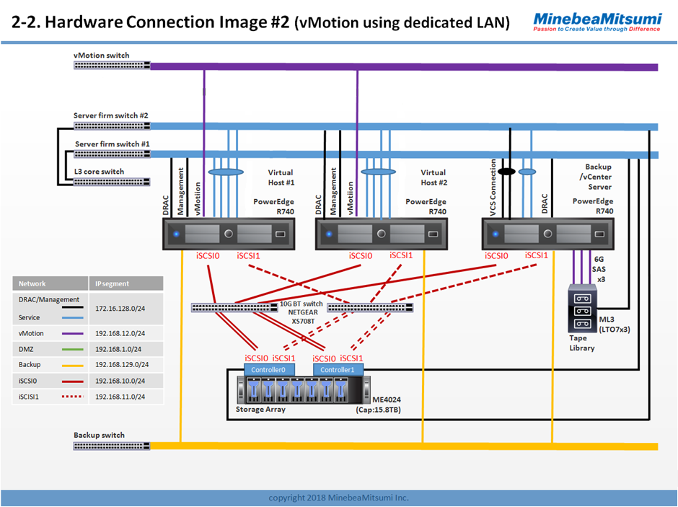

XS708_1

XS716_2

XS716_1

XS708_2

XS708_3
XS708_4

