Sheet1
[HEADER]Module_Name
Wifi

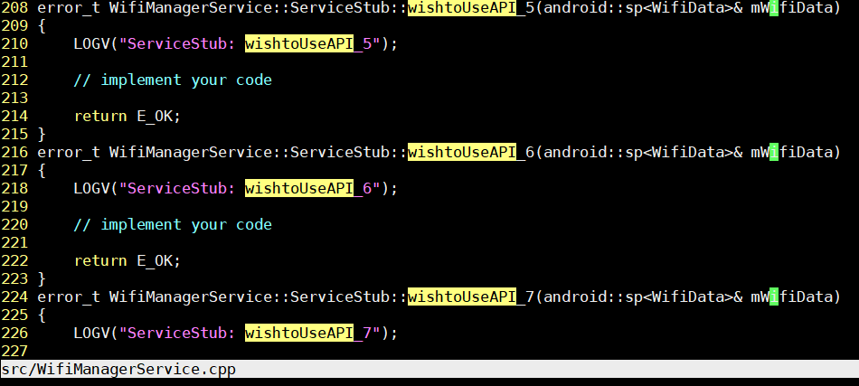
[HEADER]API | [HEADER]Order | name | type | init | Len | Description
wishtoUseAPI_1 | 1 | did | uint16_t | 0 |  | desc did
wishtoUseAPI_1 | 2 | att | uint8_t | 0 |  | desc att
wishtoUseAPI_1 | 3 | data | uint8_t* | NULL | dataLen | desc data
wishtoUseAPI_2 | 1 | xxData | xxData
wishtoUseAPI_3 | 1 | ttt | uint8_t* | NULL | tttLen
wishtoUseAPI_4 | 1
wishtoUseAPI_5
wishtoUseAPI_6
wishtoUseAPI_7

wishtoUseAPI_8

[HEADER]Related_Manager | VALUE | usingName | BnReceiverClass | InterfaceService | SERV_NAME
vif | O | vif | BnvifManagerReceiver | IvifManagerService | VIF_SRV_NAME
system | O | System | BnSystemAntennaReceiver | ISystemManagerService | SYSTEM_SRV_NAME
hmi | O | HMI | BnHMIEventReceiver | IHMIManagerService | HMI_SRV_NAME
loc | O | Loc | BnLocationReceiver | ILocationManagerService | LOCATION_SRV_NAME
audio | O | Audio | BnAudioReceiver | IAudioManagerService | AUDIO_SRV_NAME

[HEADER]Function | [HEADER]Order | name | type | init | Len | Description
DID_WORK_FOR_DEFINE_0 | 1 | did | uint16_t | 0 |  | desc did
DID_WORK_FOR_DEFINE_0 | 2 | att | uint8_t | 0 |  | desc att
DID_WORK_FOR_DEFINE_0 | 3 | data | uint8_t* | NULL | dataLen | desc data
DID_WORK_FOR_DEFINE_1 | 1 | xxData | xxData
DID_WORK_FOR_DEFINE_2 | 1
DID_WORK_FOR_DEFINE_3
DID_WORK_FOR_DEFINE_4
DID_WORK_FOR_DEFINE_5
DID_WORK_FOR_DEFINE_6
DID_WORK_FOR_DEFINE_7
DID_WORK_FOR_DEFINE_8
DID_WORK_FOR_DEFINE_9

[HEADER]xxData | name | type | init | Len | Description
1 | did | uint16_t | 0 |  | desc did
2 | att | uint8_t | 0 |  | desc att
3 | data | uint8_t* | NULL | dataLen | desc data

[HEADER]ArgType1 | read | write | argument | Description
xxData |  |  |  | This is argument class in related to {Module}Command.h & I{Module}Data.cpp
uint64_t | readUInt64 | writeUInt64
int64_t | readInt64 | writeInt64
uint32_t | readUInt32 | writeUInt32
int32_t | readInt32 | writeInt32
android::sp<Buffer> | android::sp<Buffer> buf = new Buffer(); buf->setSize(len); data.read(buf->data(), len); | (void)data.writeInt32(buf->size()); (void)data.write(buf->data(), buf->size());
uint8_t* | size_t arrayLength = static_cast<uint32_t>(parcel.readInt32()); if (arrayLength<0) return E_OK; const uint8_t* bytes = reinterpret_cast<const uint8_t*>(parcel.readInplace(arrayLength)); uint8_t * copyBytes = new uint8_t[arrayLength]; if (bytes != NULL) memcpy (copyBytes,bytes,arrayLength); | writeByteArray
uint16_t | readInt32 | writeInt32
int16_t | readInt32 | writeInt32
uint8_t | readInt32 | writeInt32
int8_t | readInt32 | writeInt32
float | readFloat | writeInt32
double | readDouble | writeInt32
etc | readetc | writeetc

