SG
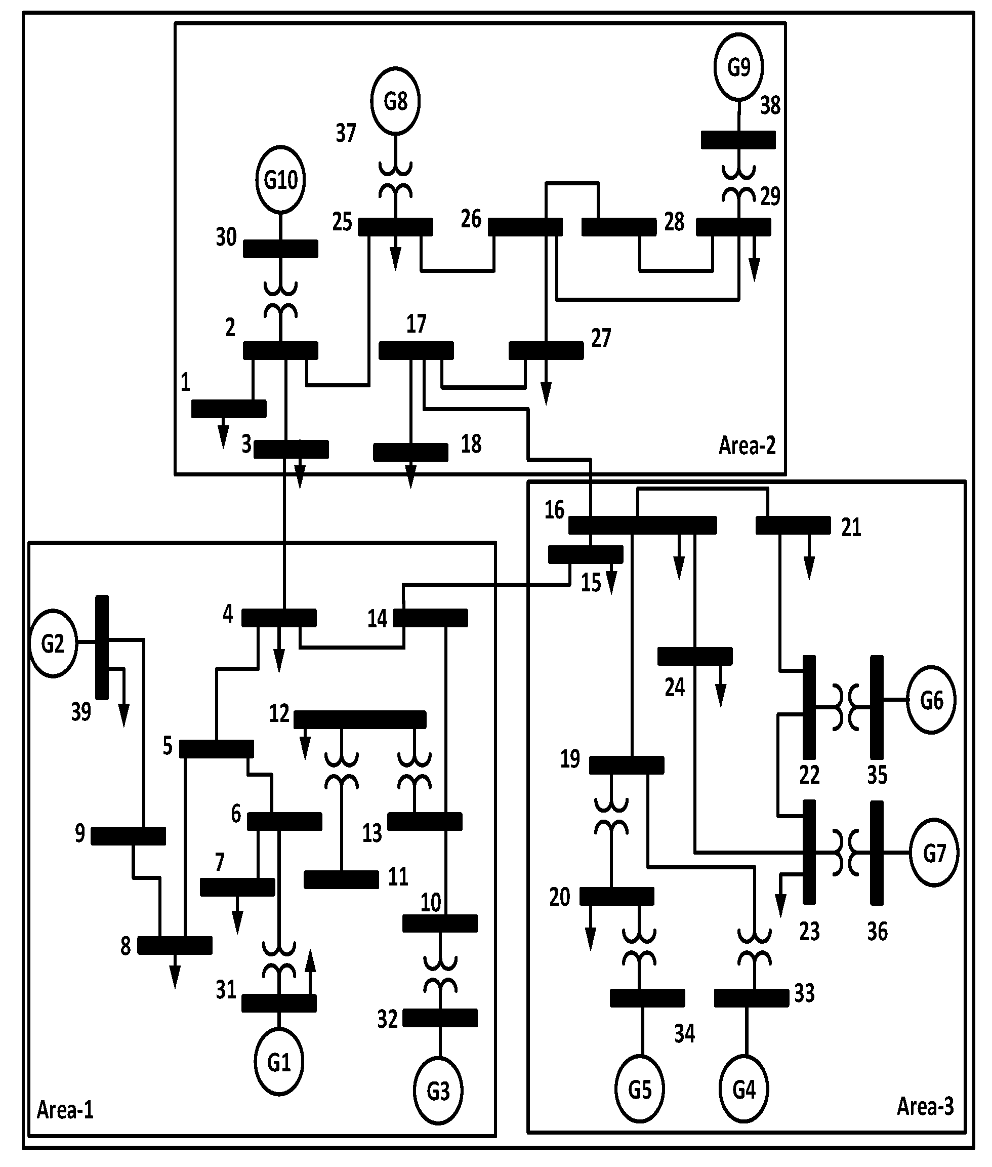
SG no. | 1 | 2 | 3 | 4 | 5 | 6 | 7 | 8 | 9
bus no. | 31 | 32 | 33 | 34 | 35 | 36 | 37 | 38 | 30
Pm | 7 | 6.5 | 6.32 | 5.08 | 6.5 | 5.6 | 5.4 | 8.3 | 2.5
E | 1.1 | 1.1 | 1.1 | 1.1 | 1.1 | 1.1 | 1.1 | 1.1 | 1.1
H | 30.3 | 35.8 | 28.6 | 26 | 34.8 | 26.4 | 24.3 | 34.5 | 42
Kd | 60.6 | 71.6 | 57.2 | 52 | 69.6 | 52.8 | 48.6 | 69 | 84
Xsg | 0.02 | 0.02 | 0.02 | 0.02 | 0.02 | 0.02 | 0.02 | 0.02 | 0.02

