Network maps
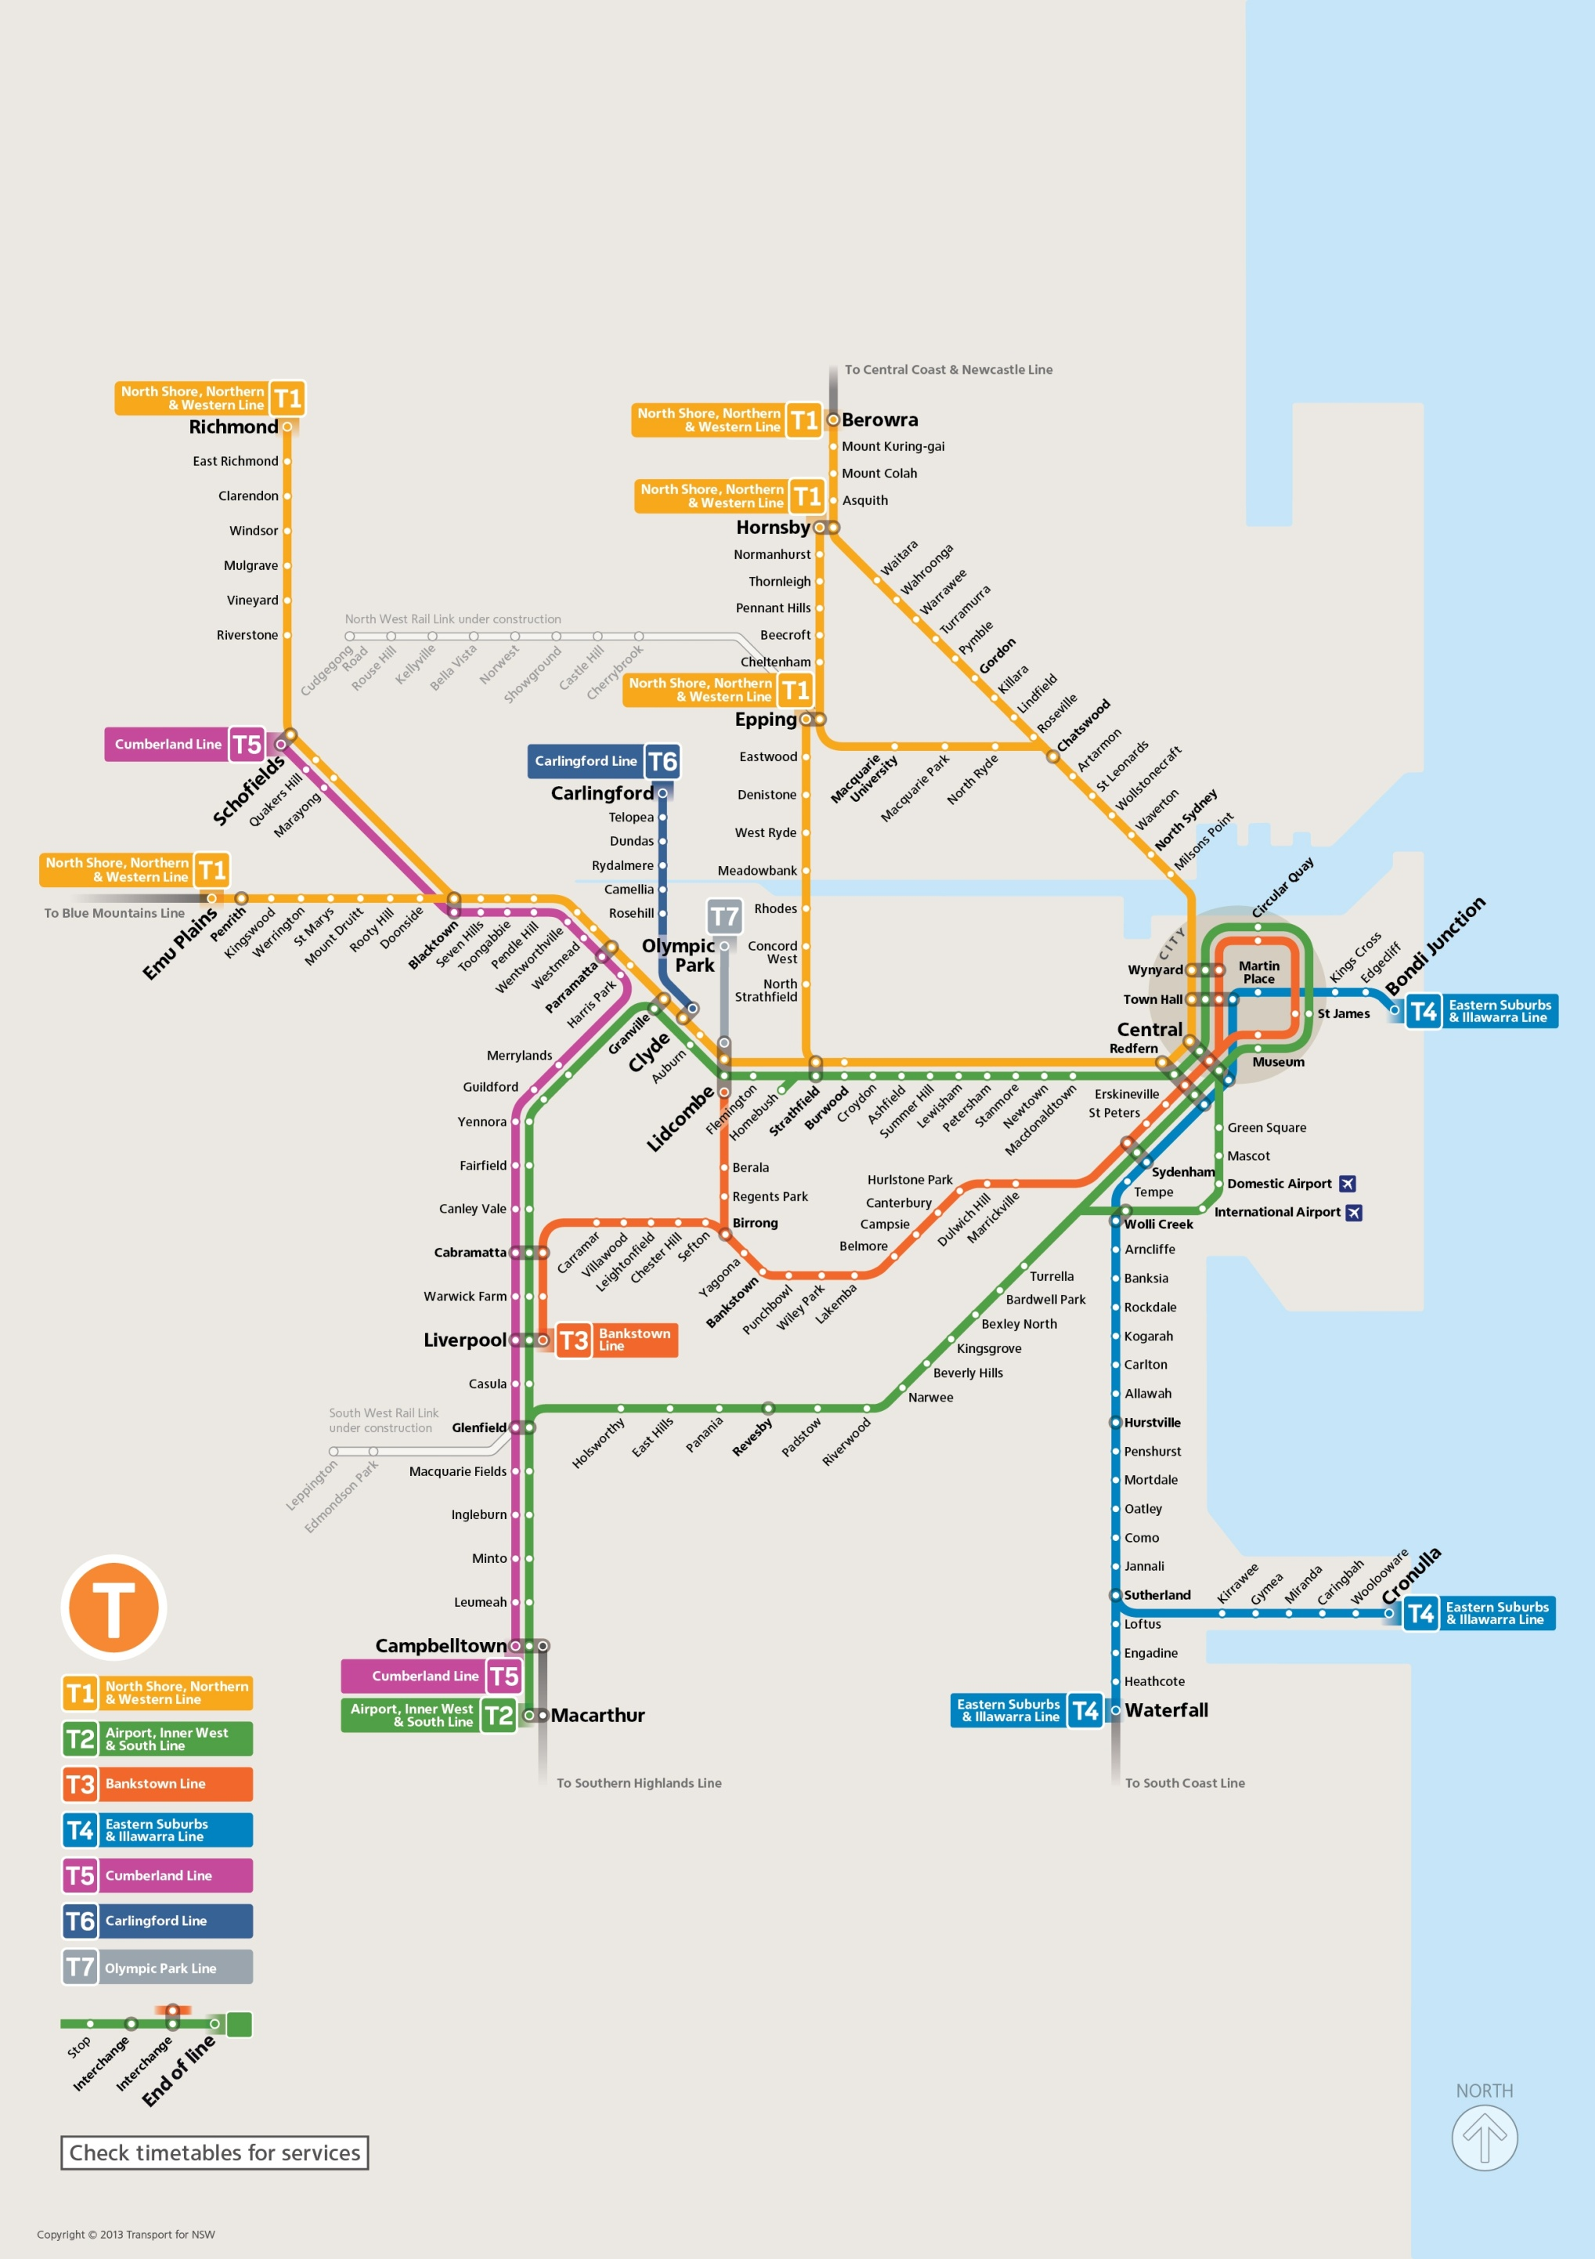
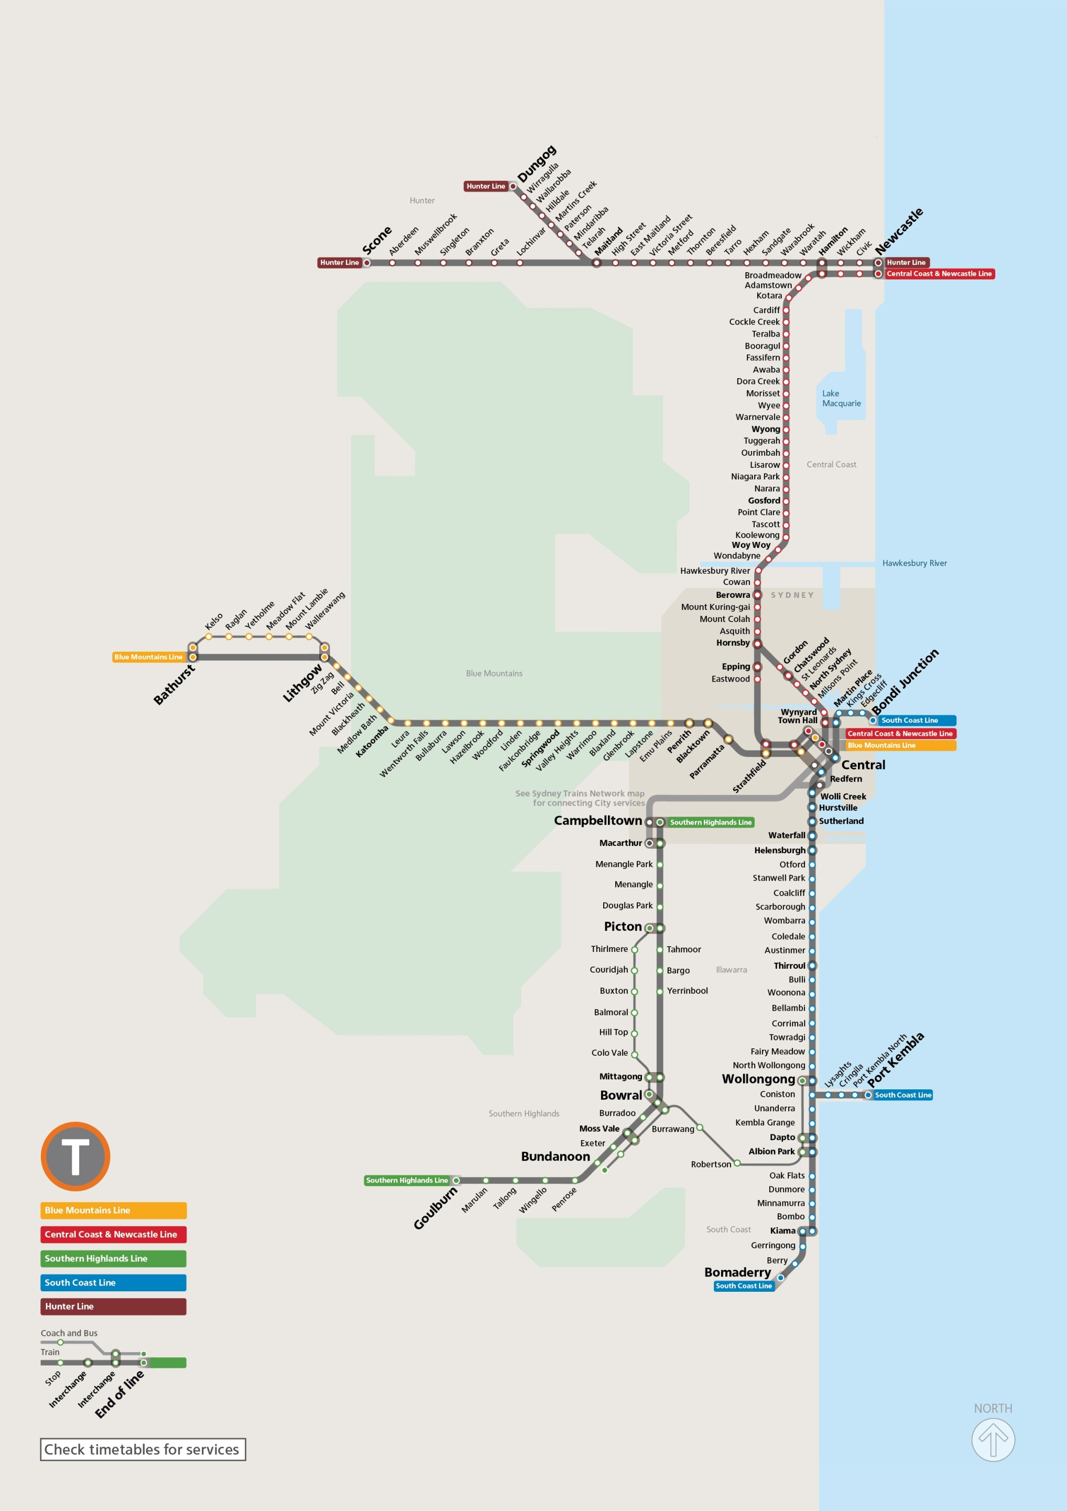
Sydney Trains network map | NSW TrainLink InterCity network map

