07_ER_Diagram
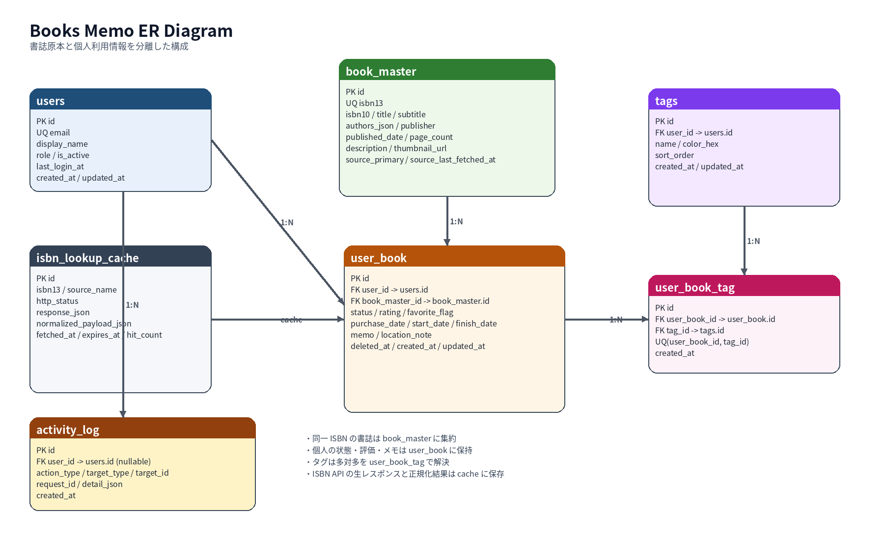
ER Diagram

09_Screen_Diagram
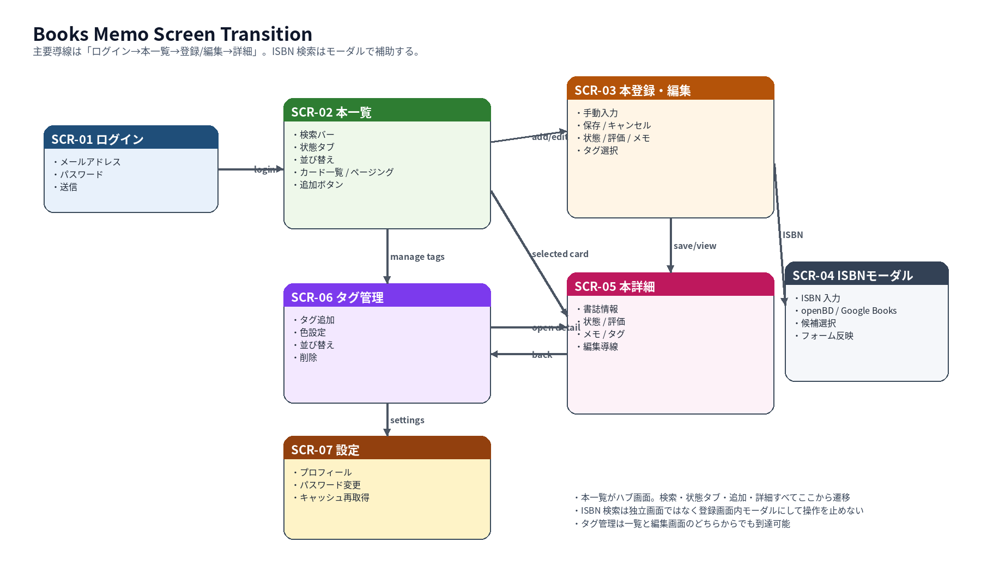
Screen Transition Diagram

